Overview
 | OPL

Project: |  | Project name
Customer: |  | Bosch-Rexroth

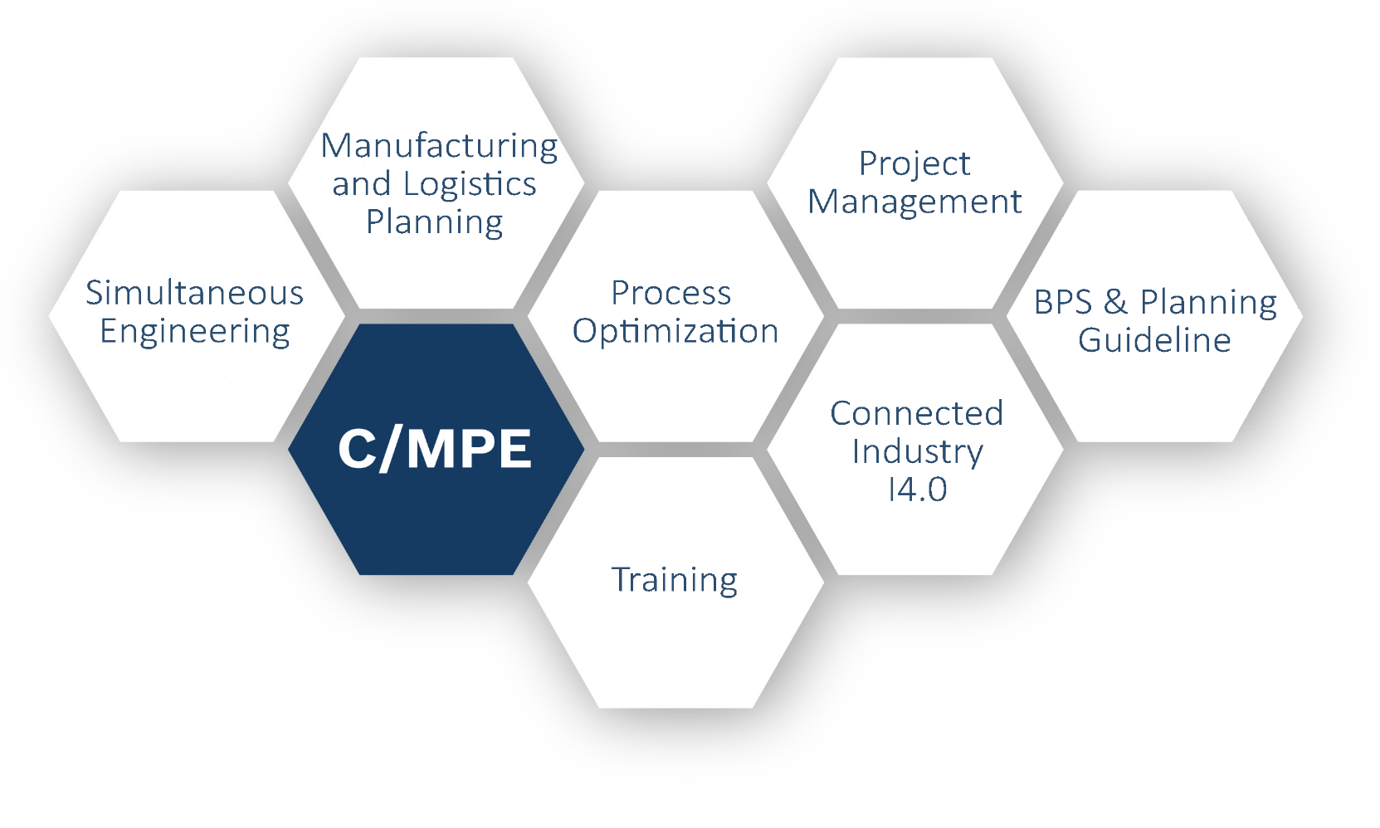

 |  |  | Open Point List

 |  |  | C/MPE |  | €

 |  |  | Author: | FIXED-TERM Kodihalli Basavarajappa Ranjith (C/MPE)
 |  |  | Last update on: | 04.09.2017 (17:24)

V15.0

OPL
Op
Project name
OPL
Adapt Layout
 | P
No. | Job defined on | Task / Information / Decision | Keyword | Job / Description / Task | Comment / Info / Status / Results | Notes | Responsible | Orig. Sched. Date | Sched. Date | Status | Priority | Progress | Complete Date | Support by | Task Source | Last Update
1 | 2016-08-15 | Task | Keyoword 1 | Job | Comments | Notes 1 | Responsible 1 | 2017-07-26 | 2017-08-11 | Done | 1 | A | 8/12/2017 | A | Task Source 1
2 | 2017-07-27 | Information | Keyoword 2 | Description | Information | Notes 2 | Responsible 2 | 2017-08-15 | 2017-08-30 | Done | 2 | A | 8/30/2017 | B | Task Source 2
3 | 2017-07-27 | Decision | Keyoword 3 | Task | Status | Notes 3 | Responsible 3 | 2017-08-11 | 2017-08-25 | Overdue | 3 | C |  | C | Task Source 3
4 | 2017-07-21 | Task | Keyoword 4 | Job | Comments | Notes 4 | Responsible 4 | 2017-08-16 | 2017-08-22 | Done | 1 | A | 8/22/2017 | A | Task Source 4
5 | 2017-07-21 | Information | Keyoword 5 | Description | Information | Notes 5 | Responsible 5 | 2017-08-07 | 2017-08-07 | Done | 2 | A | 8/2/2017 | B | Task Source 5
6 | 2017-07-26 | Decision | Keyoword 6 | Task | Status | Notes 6 | Responsible 6 | 2017-09-04 | 2017-09-05 | Overdue | 3 | D |  | C | Task Source 6
7 | 2017-07-31 | Task | Keyoword 7 | Job | Comments | Notes 7 | Responsible 7 |  | 01.08.2017 | Done | 1 | C | 14.08.2017 | A | Task Source 7
8 | 2017-08-01 | Information | Keyoword 8 | Description | Information | Notes 8 | Responsible 8 | 2017-08-25 | 2017-08-26 | Done | 2 | A | 2017-08-26 | B | Task Source 8
10 | 2017-08-03 | Task | Keyoword 10 | Job | Comments | Notes 10 | Responsible 10 | 2017-08-27 | 2017-08-28 | Done | 1 | A | 14.08.2020 | A | Task Source 10
12 | 2017-08-05 | Decision | Keyoword 12 | Task | Status | Notes 12 | Responsible 12 |  | 2017-08-30 | Overdue | 3 | A |  | C | Task Source 12
13 | 2017-08-06 | Task | Keyoword 13 | Job | Comments | Notes 13 | Responsible 13 |  | 2017-08-31 | Overdue | 1 | A |  | A | Task Source 13
14 | 2017-08-07 | Information | Keyoword 14 | Description | Information | Notes 14 | Responsible 14 |  | 2017-09-01 | Done | 2 | A | 14.08.2024 | B | Task Source 14
15 | 2017-08-08 | Decision | Keyoword 15 | Task | Status | Notes 15 | Responsible 15 | 2017-09-01 | 2017-09-02 | Done | 3 | A | 14.08.2025 | C | Task Source 15
16 | 2017-08-09 | Task | Keyoword 16 | Job | Comments | Notes 16 | Responsible 16 | 2017-09-01 | 2017-09-13 | Overdue | 1 | D |  | A | Task Source 16
17 | 2017-08-10 | Information | Keyoword 17 | Description | Information | Notes 17 | Responsible 17 |  | 2017-09-14 | Overdue | 2 | P |  | B | Task Source 17
18 | 2017-08-11 | Decision | Keyoword 18 | Task | Status | Notes 18 | Responsible 18 |  | 2017-09-15 | Overdue | 3 | P |  | C | Task Source 18
19 | 2017-08-12 | N.A. | Keyoword 19 | Job | Comments | Notes 19 | Responsible 19 |  | 2017-09-30 | Overdue | 1 | P |  | A | Task Source 19
20 | 2017-08-13 | N.A. | Keyoword 20 | Description | Information | Notes 20 | Responsible 20 |  | 2017-10-01 | Overdue | 2 | P |  | B | Task Source 20

Status
1 = high priority | 7 | Open |  |  | Open | closed | 9
2 = important priority | 6 | To be closed in the next | 14 | Days | Caution | still open | 0
3 = normal priority | 5 | To be closed in the next | 30 | Days | Reminding | overdue | 9
 |  | Should already be closed |  |  | Overdue | total | 18
 |  | Item closed |  |  | Done

