Bug
Detect Report |  | Detect Report |  | Detect Report |  | Detect Report |  | Detect Report |  | Detect Report

Release | v.1.0 | Release | v.1.0 | Release | v.1.0 | Release | v.1.0 | Release | v.1.0 | Release | v.1.0
Title | User is not able to signup with, if he or she enters a first name with 3 characteres | Title | When I enter my email it appear in white box prevents appearance the email word behind it and not go to the specified place in box of Email and the loader in the bottom of login box not in the right place | Title | When I enter ra in the value of the user that I choose it from localhost in application the ra appeared in the welcome box after the welcome sentence But it is supposed user to appeare | Title | I open todo page and make add a new Todo 6 times and I see the number of pages not in the right place bottom the box of test2 but in bottom page on no available todos | Title | I want to check the test on mobile device, when I do it I saw the box of todo tasks in the lift side on screen mobile not in the middle screen devices that I make check omn many devices. | Title | I want to check the page of todo and make many tasks in todo page. I made 25 tasks by making a new todo from Test1 to Test25
Describtion | It happense in all the browsers and all screen views, the first name that we used during the testin is Rao | Describtion | It happense in all the browsers and all screen views | Describtion | It happense in all the browsers and all screen views | Describtion | It happense in all the browsers and all screen views I made it in other browser and still same result | Describtion | It happense in all the browsers and all screen views I made it in other browser and still same result | Describtion | It happense in all the browsers and all screen views I made it in other browser and still same result
Steps | 1-Enter a first name with 3 characteres 2-Fill a correct last name 3-Fill a correct email formate, and email should be registered in the database 4-Fill a correct password 5-Fill a correct confirmed password 6-Click on the signup button | Steps | 1-Go to the login 2-Fill a correct Email 3-Fill a correct password 4-Click on login 5-Check the loader | Steps | 1-Go to Todo Page 2-Right click and choose inspect in page 3-Choose application 4-Choose local storage 5-Choose localhost 6-Choose user | Steps | 1-Go to Todo Page 2-Click on add a new Todo 3-Make add a new Todo 5 times again | Steps | 1-Go to Todo Page 2-Open inspect to use developer tools 3-Open developer tools 4-Choose Toggle device 5-Choose any mobile device you want check | Steps | 1-Go to login page 2-Enter email and password 3-Go to todo page 4-Click on add a new todo 5-Make many a new todo like Test1 to Todo25
Epected Result | Should signup the user correctly | Epected Result | The Email inside in the box of Email not in white box and the loader in the middle under box of Password | Epected Result | I should see user after the welcome sentence | Epected Result | the box of page 1 and 2 under box of test2 straight to the right place | Epected Result | the box of todo that contain tasks in the middle of the screen mobile | Epected Result | The box of number page from 1 to 5 must page 1 contain tasks Test1 to Test5 and page 2 contain Test6 to Test10 and page 5 must contain Test21 to Test25 when we press on The box of number page from 1 to 5 like press on page 2 should exchange to white box or remains different from other boxes of number page
Actual Result | This error message was displayed"First Name is required, and should not be more than 3 characteres" | Actual Result | The loader not in the right place and the white box of email prevents appearance the wor of Email behind it | Actual Result | ra appeared after the welcome sentence | Actual Result | the box of page 1 and 2 at the end of page Todo on sentence no available Todos | Actual Result | the box of todo in the lift side of the screen mobile | Actual Result | The box of number page from 1 to 5 in page 1 contain tasks from Test25 to Test21 and page 5 contain tasks Test5 to Test1 When we press on box number of pages still same and not do anything. We can not know any page we press on it.
Environment | Chrome version 111.0.5563 | Environment | Chrome version 111.0.5563 | Environment | Chrome version 112.0.5615.50 | Environment | Chrome version 112.0.5615.50 | Environment | Chrome version 112.0.5615.50 | Environment | Chrome version 112.0.5615.50
Screenshots\Videos | 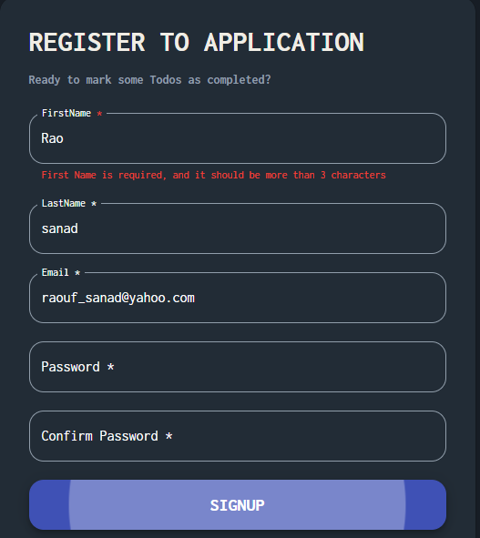 | Screenshots\Videos | 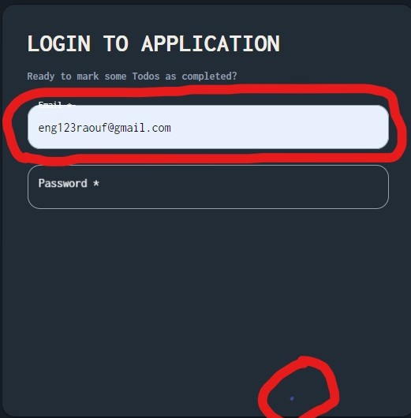 | Screenshots\Videos | 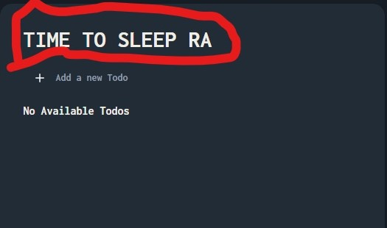 | Screenshots\Videos | 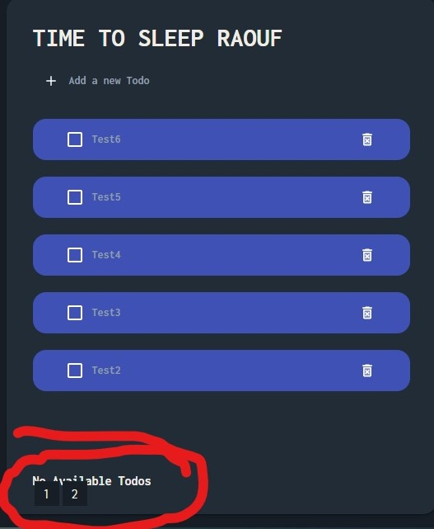 | Screenshots\Videos | 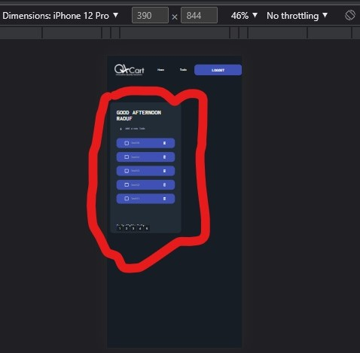 | Screenshots\Videos | 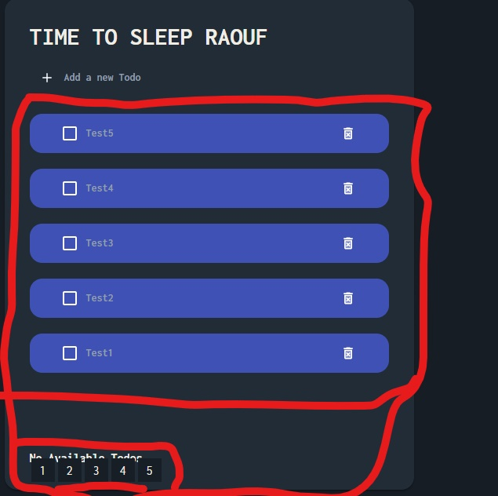
Rate | 5\5 | Rate | 5\5 | Rate | 5\5 | Rate | 5\5 | Rate | 5\5 | Rate | 5\5
Piority | B or meduim | Piority | C or low | Piority | A or High | Piority | B or meduim | Piority | A or High | Piority | B or Medium
Status | open | Status | Closed | Status | Closed | Status | Closed | Status | Closed | Status | Closed
Copyright For Raouf |  | Copyright For Raouf |  | Copyright For Raouf |  | Copyright For Raouf |  | Copyright For Raouf |  | Copyright For Raouf

