5
 |  | Month |  |  |  |  |  |  | Month
Year | Month | numbered | t | Demand | CMA(k) | Seasonal ratio | Seasonal index | Unseasoned value | numbered | Seasonal index
1 | Jan | 1 | 1 | 105 |  |  | 0.99 | 107 | 1
 | Feb | 2 | 2 | 78 |  |  | 0.77 | 101 | 2
 | Mar | 3 | 3 | 125 | 115.80 | 1.08 | 1.03 | 121 | 3
 | Apr | 4 | 4 | 141 | 114.20 | 1.23 | 1.24 | 114 | 4
 | May | 5 | 5 | 130 | 126.40 | 1.03 | 1.01 | 129 | 5
 | Jun | 6 | 6 | 97 | 136.20 | 0.71 | 0.76 | 127 | 6
 | Jul | 7 | 7 | 139 | 135.80 | 1.02 | 1.02 | 137 | 7
 | Aug | 8 | 8 | 174 | 135.20 | 1.29 | 1.25 | 139 | 8
 | Sep | 9 | 9 | 139 | 145.40 | 0.96 | 0.98 | 141 | 9
 | Oct | 10 | 10 | 127 | 157.60 | 0.81 | 0.78 | 163 | 10
 | Nov | 11 | 11 | 148 | 153.80 | 0.96 | 0.97 | 152 | 11
 | Dec | 12 | 12 | 200 | 154.60 | 1.29 | 1.28 | 156 | 12
2 | Jan | 1 | 13 | 155 | 163.80 | 0.95 | 0.99 | 157
 | Feb | 2 | 14 | 143 | 178.00 | 0.80 | 0.77 | 185
Demand
 | Mar | 3 | 15 | 173 | 175.60 | 0.99 | 1.03 | 168
 | Apr | 4 | 16 | 219 | 175.40 | 1.25 | 1.24 | 177
 | May | 5 | 17 | 188 | 187.60 | 1.00 | 1.01 | 187
 | Jun | 6 | 18 | 154 | 199.60 | 0.77 | 0.76 | 201
 | Jul | 7 | 19 | 204 | 195.20 | 1.05 | 1.02 | 201
 | Aug | 8 | 20 | 233 | 189.60 | 1.23 | 1.25 | 187
 | Sep | 9 | 21 | 197 | 200.60 | 0.98 | 0.98 | 200
 | Oct | 10 | 22 | 160 | 212.40 | 0.75 | 0.78 | 205
 | Nov | 11 | 23 | 209 | 211.80 | 0.99 | 0.97 | 214
 | Dec | 12 | 24 | 263 | 208.00 | 1.26 | 1.28 | 206
3 | Jan | 1 | 25 | 230 | 224.60 | 1.02 | 0.99 | 233
 | Feb | 2 | 26 | 178 | 239.80 | 0.74 | 0.77 | 230
 | Mar | 3 | 27 | 243 | 235.80 | 1.03 | 1.03 | 236
 | Apr | 4 | 28 | 285 | 231.60 | 1.23 | 1.24 | 230
 | May | 5 | 29 | 243 | 245.80 | 0.99 | 1.01 | 241
 | Jun | 6 | 30 | 209 | 258.20 | 0.81 | 0.76 | 273
 | Jul | 7 | 31 | 249 | 254.00 | 0.98 | 1.02 | 245
 | Aug | 8 | 32 | 305 | 248.60 | 1.23 | 1.25 | 244
 | Sep | 9 | 33 | 264 | 261.20 | 1.01 | 0.98 | 269
 | Oct | 10 | 34 | 216 | 280.60 | 0.77 | 0.78 | 277
 | Nov | 11 | 35 | 272 |  |  | 0.97 | 279
 | Dec | 12 | 36 | 346 |  |  | 1.28

6
Year | Month | Trendbased forecast
1 | Jan | 105 | 1
 | Feb | 110 | 2
 | Mar | 115 | 3
 | Apr | 120 | 4
 | May | 125 | 5
 | Jun | 130 | 6
 | Jul | 135 | 7
 | Aug | 140 | 8
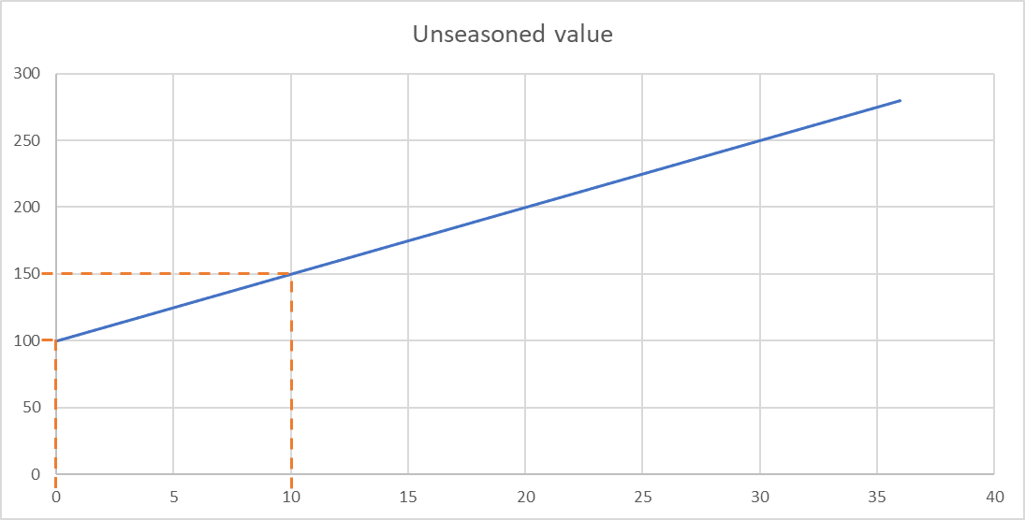
 | Sep | 145 | 9
 | Oct | 150 | 10
 | Nov | 155 | 11
 | Dec | 160 | 12
2 | Jan | 165 | 13
 | Feb | 170 | 14
 | Mar | 175 | 15
 | Apr | 180 | 16
 | May | 185 | 17
 | Jun | 190 | 18
 | Jul | 195 | 19
 | Aug | 200 | 20
 | Sep | 205 | 21
 | Oct | 210 | 22
 | Nov | 215 | 23
 | Dec | 220 | 24
3 | Jan | 225 | 25
 | Feb | 230 | 26
 | Mar | 235 | 27
 | Apr | 240 | 28
 | May | 245 | 29
 | Jun | 250 | 30
 | Jul | 255 | 31
 | Aug | 260 | 32
 | Sep | 265 | 33
 | Oct | 270 | 34
 | Nov | 275 | 35
 | Dec | 280 | 36

28
Results of the survey
Number of respondents: |  |  | 40
Percentage of potential customers surveyed: |  |  | 0.01 | (1%)

Test Person ID | Price (CHF) | Sample demand at this price point | Market demand at this price point
1 | 641 | 13 | 1300
2 | 59 | 36 | 3600
3 | 168 | 28 | 2800
4 | 302 | 21 | 2100
5 | 12 | 39 | 3900
6 | 597 | 14 | 1400
7 | 272 | 22 | 2200
8 | 12 | 39 | 3900
9 | 437 | 16 | 1600
10 | 1107 | 1 | 100
11 | 302 | 21 | 2100
12 | 782 | 10 | 1000
13 | 107 | 33 | 3300
14 | 244 | 24 | 2400
15 | 686 | 12 | 1200
16 | 1049 | 3 | 300
17 | 333 | 19 | 1900
18 | 832 | 7 | 700
19 | 126 | 32 | 3200
20 | 782 | 10 | 1000 |  | 450 | 1586.94 | 714123
21 | 59 | 36 | 3600
22 | 686 | 12 | 1200
23 | 126 | 32 | 3200
24 | 126 | 32 | 3200
25 | 26 | 37 | 3700
26 | 168 | 28 | 2800
27 | 555 | 15 | 1500
28 | 366 | 17 | 1700
29 | 884 | 5 | 500
30 | 126 | 32 | 3200
31 | 1049 | 3 | 300
32 | 832 | 7 | 700
33 | 192 | 26 | 2600
34 | 244 | 24 | 2400
35 | 884 | 5 | 500
36 | 217 | 25 | 2500
37 | 333 | 19 | 1900
38 | 782 | 10 | 1000
39 | 59 | 36 | 3600
40 | 4 | 40 | 4000

