APD01_SAP
아래와 같이 당기 권한 부여 이력 데이터와 화면 캡쳐

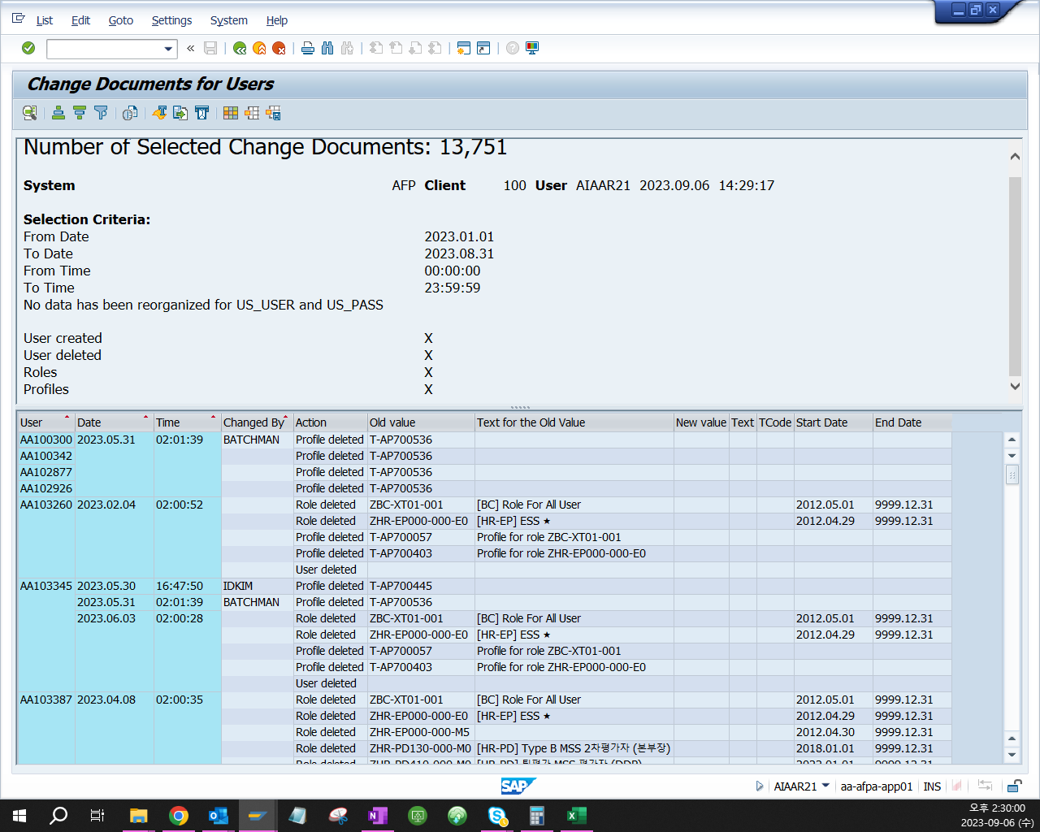

User | Date | Time | Changed By | Action | Old value | Text for the Old Value | New value | Text | TCode | Start Date | End Date
AA115767 | 2023.03.30 | 13:25:07 | IDKIM | Role added |  |  | ZFI-PM01-007 |  | SU10 | 2023.03.30 | 9999.12.31
AA142616 | 2023.02.08 | 10:06:57 | IDKIM | Role added |  |  | ZAA-GENL-001 | 정비부문 공통 Transaction | SU01 | 2023.02.08 | 9999.12.31
AA170547 | 2023.05.15 | 17:14:09 | IDKIM | Role added |  |  | ZFC-AA20-020 |  | SU10 | 2023.05.15 | 9999.12.31
AA176250 | 2023.08.03 | 8:14:25 | IDKIM | Role added |  |  | ZMM-ME01-025 | 기재관리그룹-MM모듈-NRTS(Part, Component Support Management) | SU01 | 2023.08.03 | 9999.12.31
AA181168 | 2023.06.07 | 8:45:29 | IDKIM | Role added |  |  | ZFI-AA20-016 | Interface Display | SU01 | 2023.06.07 | 9999.12.31
AA199530 | 2023.03.09 | 9:27:22 | IDKIM | Role added |  |  | ZMM-MQ-001 | MQ 인가공급업체 관리 | SU10 | 2023.03.09 | 9999.12.31
AA208665 | 2023.01.02 | 15:39:44 | IDKIM | Role added |  |  | ZHR-EP000-000-M5 |  | SU10 | 2023.01.02 | 9999.12.31
AA216786 | 2023.04.04 | 17:03:55 | IDKIM | Role added |  |  | ZAMS-AC01-002 | 항공기 / BFE | SU10 | 2023.04.04 | 9999.12.31
AA220110 | 2023.02.01 | 14:37:24 | IDKIM | Role added |  |  | Z_COMMONID_MANAGEMENT |  | PFCG | 2023.02.01 | 9999.12.31
AA236778 | 2023.06.15 | 9:37:15 | IDKIM | Role added |  |  | ZFC-AA20-020 |  | SU10 | 2023.06.15 | 9999.12.31
AA251644 | 2023.01.04 | 10:01:47 | IDKIM | Role added |  |  | ZHR-PY007-007-H1 | [HR-PY] (HASS) 담당자 (팀) | SU01 | 2023.01.04 | 9999.12.31
AA258842 | 2023.07.27 | 14:38:50 | IDKIM | Role added |  |  | ZHR-PY007-007-H1 | [HR-PY] (HASS) 담당자 (팀) | SU01 | 2023.07.27 | 9999.12.31
AA258996 | 2023.01.26 | 10:38:39 | IDKIM | Role added |  |  | ZFI-AA10-010 | MIDAS Master | SU01 | 2023.01.26 | 9999.12.31
AA259101 | 2023.04.18 | 15:46:45 | IDKIM | Role added |  |  | ZCO-ME01-013 | 항공기/엔진 외주수리비 자산화 담당자 | SU01 | 2023.04.18 | 9999.12.31
AA260436 | 2023.08.10 | 11:15:34 | IDKIM | Role added |  |  | ZFI-AA20-010 | Common User | SU01 | 2023.08.10 | 9999.12.31
AA262802 | 2023.04.04 | 13:15:26 | IDKIM | Role added |  |  | ZBC-XT01-010 |  | SU10 | 2023.04.04 | 9999.12.31
AA263006 | 2023.05.11 | 17:18:02 | IDKIM | Role added |  |  | ZFC-AA20-010 |  | SU10 | 2023.05.11 | 9999.12.31
AA263236 | 2023.06.15 | 16:00:57 | IDKIM | Role added |  |  | ZFI-PM01-002 | Fixed asset - power user | SU01 | 2023.06.15 | 9999.12.31
AA263878 | 2023.08.17 | 15:14:31 | IDKIM | Role added |  |  | ZHR-PA900-900 | [HR-PA] 정비본부 타모듈 HR권한부여 (PM, MM, CO) | SU10 | 2023.08.17 | 9999.12.31
AA263906 | 2023.05.15 | 17:14:10 | IDKIM | Role added |  |  | ZFC-AA20-020 |  | SU10 | 2023.05.15 | 9999.12.31
AA631925 | 2023.05.02 | 10:59:29 | IDKIM | Role added |  |  | ZHR-PE520-000-H5 | [HR-PE] (HASS) 현장/법정교육 담당 | SU10 | 2023.05.02 | 9999.12.31
AIAAR03 | 2023.04.21 | 9:45:47 | IDKIM | Role added |  |  | ZCO-PL01-001 | [비용예산] KEY USER | SU01 | 2023.04.21 | 9999.12.31
AIAAR08 | 2023.03.16 | 13:36:59 | AA164331 | Role added |  |  | ZBC-XT01-011 | Role for Data Maint.(APP Only) | SU01 | 2023.03.16 | 9999.12.31

APD06_SAP
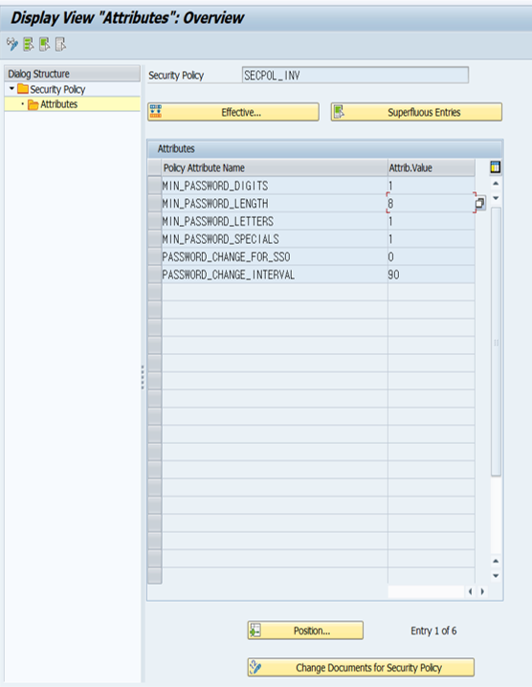
시스템 패스워드 설정 내역

APD06_Oracle
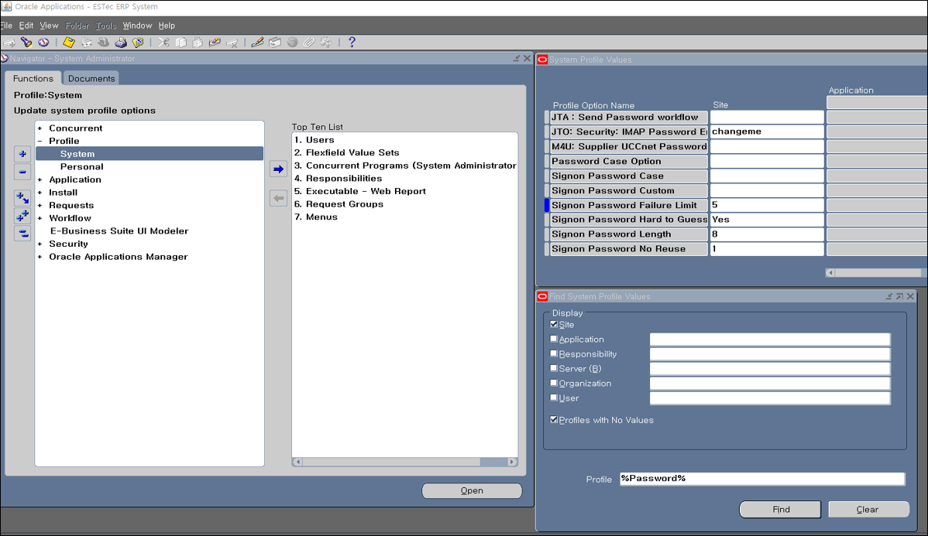
시스템 패스워드 설정 내역

