Standard Curve 1_01
Measurement results
1T1WB+F.skax
27.10.2022 18:55:33

Standard Curve 1

Fit type: Linear Regression
Use extrapolation: Yes
Force line through origin: No
Concentration transformation: Linear
Signal transformation: Linear
Wavelength: 660 nm

Sample group: Group 1

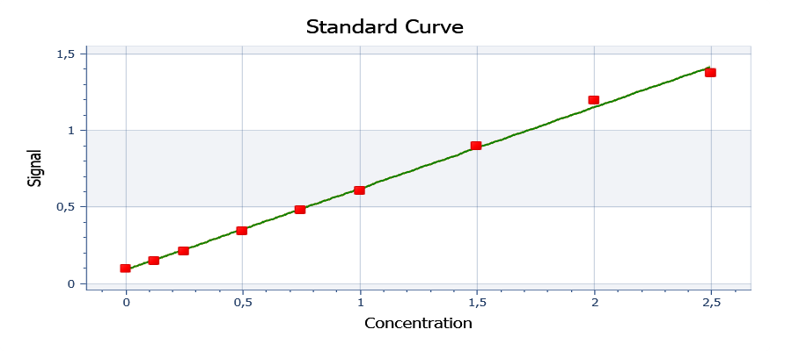

y = 0,530722x + 0,0912437

y = ax + b
Where:
a = | 0.530721541950113
b = | 0.0912437074829933

R²: 0,997

Well | Sample | Conc. | Original signal | CV% | Fitted signal | Residual
Average | Std0001 | 0 | 0.1001 | NaN | 0.09124 | 0.008823
 | Std0001 | 0 | 0.1001 |  | 0.09124 | 0.008823
Average | Std0002 | 0.1250 | 0.1556 | NaN | 0.1576 | -0.001984
 | Std0002 | 0.1250 | 0.1556 |  | 0.1576 | -0.001984
Average | Std0003 | 0.2500 | 0.2162 | NaN | 0.2239 | -0.007757
 | Std0003 | 0.2500 | 0.2162 |  | 0.2239 | -0.007757
Average | Std0004 | 0.5000 | 0.3468 | NaN | 0.3566 | -0.009838
 | Std0004 | 0.5000 | 0.3468 |  | 0.3566 | -0.009838
Average | Std0005 | 0.7500 | 0.4881 | NaN | 0.4893 | -0.001152
 | Std0005 | 0.7500 | 0.4881 |  | 0.4893 | -0.001152
Average | Std0006 | 1.000 | 0.6106 | NaN | 0.6220 | -0.01140
 | Std0006 | 1.000 | 0.6106 |  | 0.6220 | -0.01140
Average | Std0007 | 1.500 | 0.9027 | NaN | 0.8873 | 0.01537
 | Std0007 | 1.500 | 0.9027 |  | 0.8873 | 0.01537
Average | Std0008 | 2.000 | 1.200 | NaN | 1.153 | 0.04705
 | Std0008 | 2.000 | 1.200 |  | 1.153 | 0.04705
Average | Std0009 | 2.500 | 1.379 | NaN | 1.418 | -0.03911
 | Std0009 | 2.500 | 1.379 |  | 1.418 | -0.03911

Plate 1

Signal | 1 | 2 | 3 | 4 | 5 | 6 | 7 | 8 | 9 | 10 | 11 | 12
A | 0.1001 | 0.1556 | 0.2162 | 0.3468 | 0.4881 | 0.6106 | 0.9027 | 1.200 | 1.379 | 0.3038 | 0.2900 | 0.2748
B
C
D
E | 0.1249 | 0.1187 | 0.1167 | 0.1200 | 0.1219 | 0.1187 | 0.1182 | 0.1193 | 0.1226 | 0.1179 | 0.1184 | 0.1164
F
G | 0.1177 | 0.1184 | 0.1215 | 0.1166 | 0.1192 | 0.1193 | 0.1198 | 0.1308 | 0.1212 | 0.1182 | 0.1175 | 0.1193
H

Conc. | 1 | 2 | 3 | 4 | 5 | 6 | 7 | 8 | 9 | 10 | 11 | 12
A | 0.01662 | 0.1213 | 0.2354 | 0.4815 | 0.7478 | 0.9785 | 1.529 | 2.089 | 2.426 | 0.4004 | 0.3746 | 0.3459
B
C
D
E | 0.06342 | 0.05164 | 0.04797 | 0.05418 | 0.05776 | 0.05173 | 0.05070 | 0.05286 | 0.05908 | 0.05023 | 0.05117 | 0.04740
F
G | 0.04985 | 0.05117 | 0.05692 | 0.04778 | 0.05268 | 0.05286 | 0.05381 | 0.07453 | 0.05644 | 0.05079 | 0.04947 | 0.05286
H

Sample | 1 | 2 | 3 | 4 | 5 | 6 | 7 | 8 | 9 | 10 | 11 | 12
A | Std0001 | Std0002 | Std0003 | Std0004 | Std0005 | Std0006 | Std0007 | Std0008 | Std0009 | Un0001 | Un0002 | Un0003
B
C
D
E | Un0004 | Un0005 | Un0006 | Un0007 | Un0008 | Un0009 | Un0010 | Un0011 | Un0012 | Un0013 | Un0014 | Un0015
F
G | Un0016 | Un0017 | Un0018 | Un0019 | Un0020 | Un0021 | Un0022 | Un0023 | Un0024 | Un0025 | Un0026 | Un0027
H

Autoloading range A1 - M98

