Uniform Samples
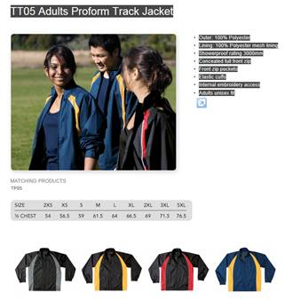
These pages are setup to print in landscape format

Ordering guidance
Please order by team, if multiple teams under a manager please separate orders by team on your listing for ease of identifying orders
Extra orders MUST be done on the "Extra Orders and Supporters" spreadsheet
Do not alter the "Total Amount Due" column on the Extra Orders sheet, if it shows an error check that you have (a) inserted a digit in the product (or coloured column) and (b) inserted the size in the "size" column. Contact Marinna if the problem continues.
Please read the sizings available carefully
A If ladies prefer to order the mens style singlets - note that size 16 would equate to L
B The largest ladies size is 16
One manager and one coach per team are entitled to a cap and an off the water tee shirt, if your management structure has changed contact Marinna
All extra orders will require payment prior to delivery and may only be made by a contingent manager. Billing arrangements will be advised.
Any queries on placing your contact Marinna or worlds@wakaama.co.nz - orders must be to hand by 29 June latest

EXTRA ORDERS and SUPPORTERS ORDERS COSTS:

Off the water shirt $20
Cap $20
Race Singlet $40
Trackpants $40
Track Suit Top $50
Unisex Hoodie $50
Skort $30
Sample Off The Water TEE (note is tshirt not polo as depicted below)
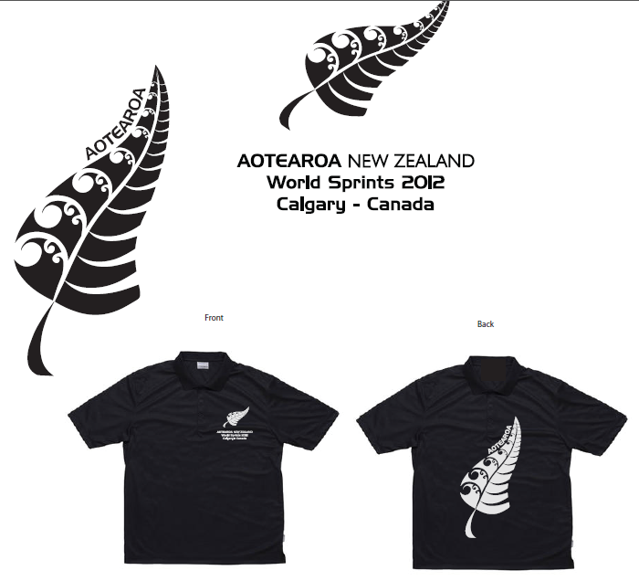

Sample of Paddling Singlet
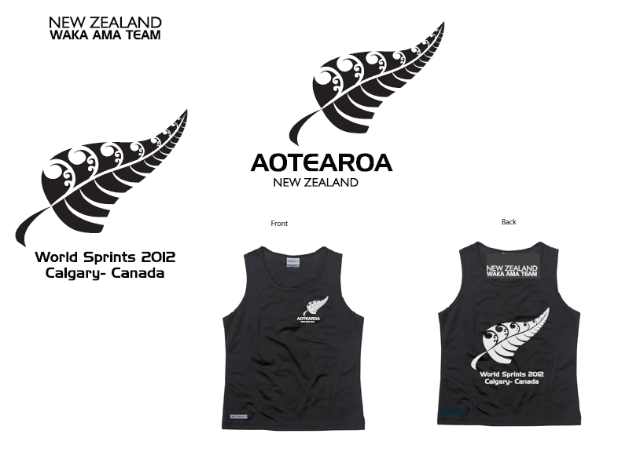

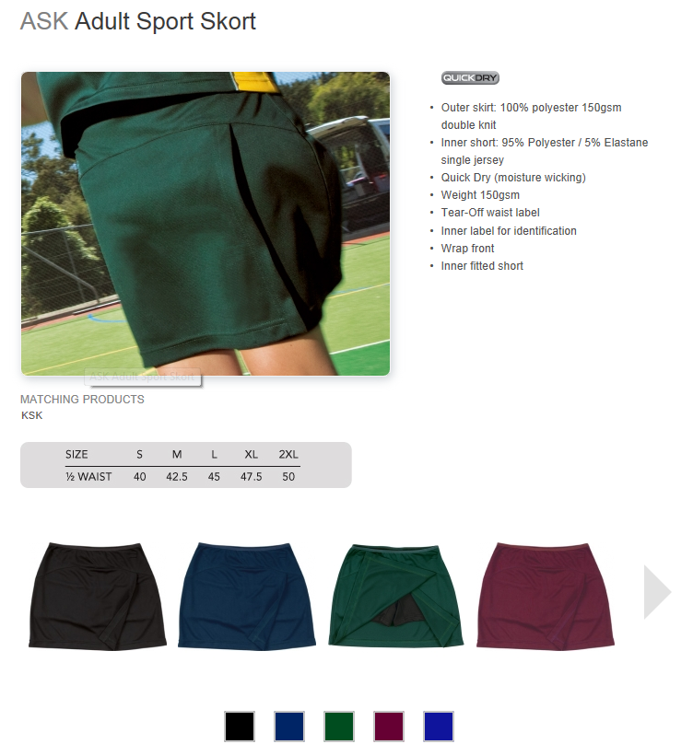

Sample of Skort (skirt and lycra undershort) - optional extra
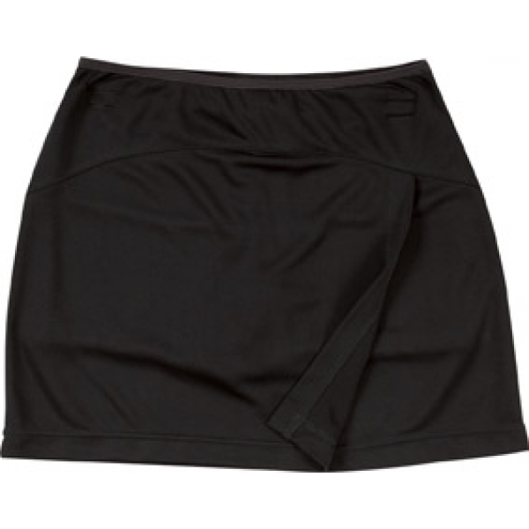

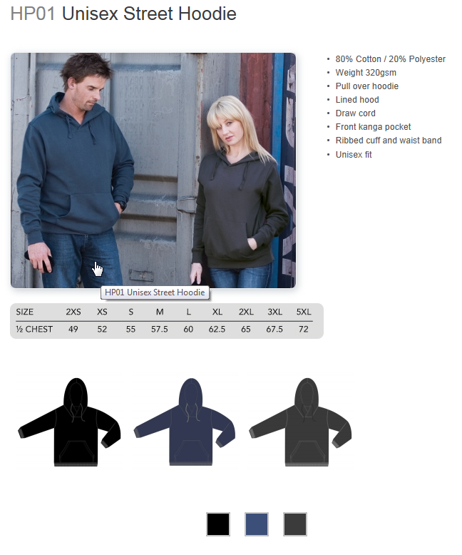

Sample of Hooded Sweatshirt "optional extra"

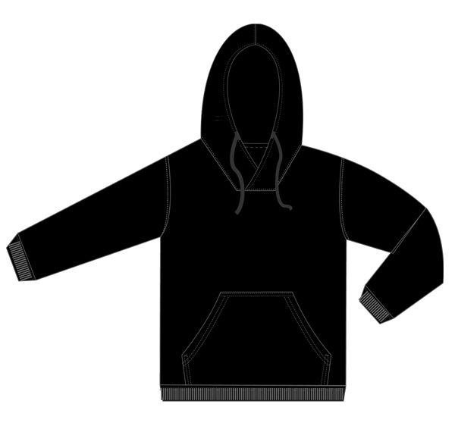

Sample of Tracksuit "optional extra" | see also notes below

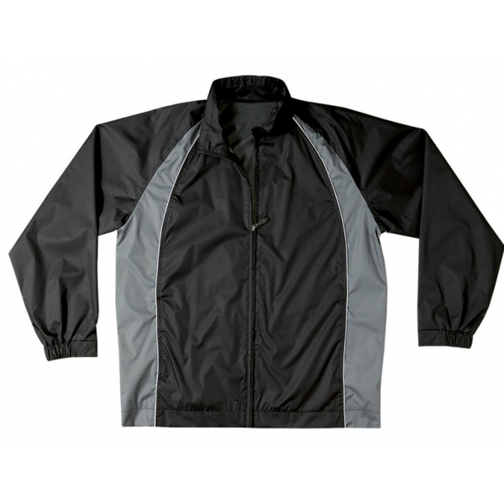

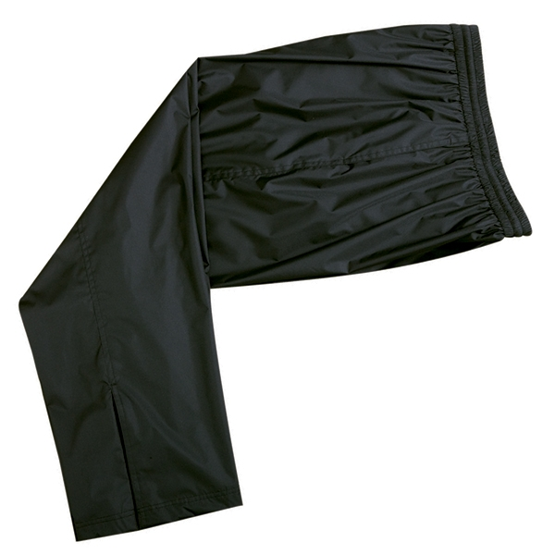

Link to track suit top | Link to track suit bottom

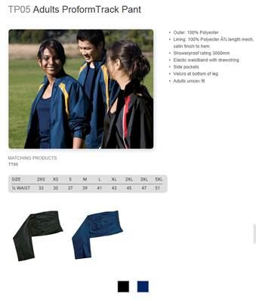
(Black and Gray option)

