Spider
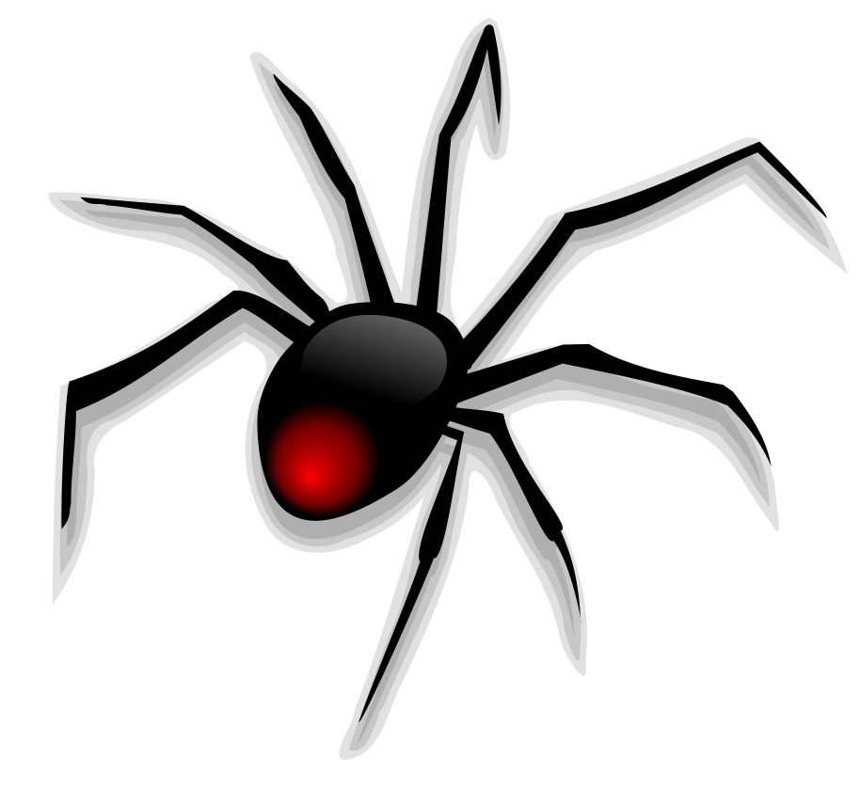
 |  |  |  | START HERE |  |  |  |  |  |  |  |  |  | ANSWERS ➔
 |  |  |  |  |  |  |  |  | Q2
 |  |  | Q1
 |  |  |  |  |  |  | × 6

 |  |  |  |  | × 4 |  |  |  |  |  |  | × 8 |  | Q3
Q8 |  |  | ÷ 4

9
 |  |  |  |  |  |  |  |  |  |  | × 10
 |  |  |  |  |  |  |  |  |  |  |  |  | Q4
 |  | × 100

 | Q7 |  |  |  |  |  |  |  |  | × 12
 |  |  |  |  |  |  |  |  |  | Q5
 |  |  |  |  |  |  |  | × 20
 |  |  |  |  |  | Q6

ans_Q1
 |  |  |  | START HERE |  |  |  |  |  |  |  |  |  | NEXT
 |  |  |  |  |  |  |  |  | Q2
 |  |  | Q1 | 36
 |  |  |  |  |  |  | × 6

 |  |  |  |  | × 4 |  |  |  |  |  |  | × 8 |  | Q3
Q8 |  |  | ÷ 4

9
 |  |  |  |  |  |  |  |  |  |  | × 10
 |  |  |  |  |  |  |  |  |  |  |  |  | Q4
 |  | × 100

 | Q7 |  |  |  |  |  |  |  |  | × 12
 |  |  |  |  |  |  |  |  |  | Q5
 |  |  |  |  |  |  |  | × 20
 |  |  |  |  |  | Q6

ans_Q2
 |  |  |  | START HERE |  |  |  |  |  |  |  |  |  |  | NEXT
 |  |  |  |  |  |  |  |  | Q2 | 54
 |  |  | Q1 | 36
 |  |  |  |  |  |  | × 6

 |  |  |  |  | × 4 |  |  |  |  |  |  |  | × 8 |  | Q3
Q8 |  |  | ÷ 4

9
 |  |  |  |  |  |  |  |  |  |  |  | × 10
 |  |  |  |  |  |  |  |  |  |  |  |  |  | Q4
 |  | × 100

 | Q7 |  |  |  |  |  |  |  |  |  | × 12
 |  |  |  |  |  |  |  |  |  |  | Q5
 |  |  |  |  |  |  |  | × 20
 |  |  |  |  |  | Q6

ans_Q3
 |  |  |  | START HERE |  |  |  |  |  |  |  |  |  |  | NEXT
 |  |  |  |  |  |  |  |  | Q2 | 54
 |  |  | Q1 | 36
 |  |  |  |  |  |  | × 6

 |  |  |  |  | × 4 |  |  |  |  |  |  |  | × 8 |  | Q3 | 72
Q8 |  |  | ÷ 4

9
 |  |  |  |  |  |  |  |  |  |  |  | × 10
 |  |  |  |  |  |  |  |  |  |  |  |  |  | Q4
 |  | × 100

 | Q7 |  |  |  |  |  |  |  |  |  | × 12
 |  |  |  |  |  |  |  |  |  |  | Q5
 |  |  |  |  |  |  |  | × 20
 |  |  |  |  |  | Q6

ans_Q4
 |  |  |  | START HERE |  |  |  |  |  |  |  |  |  |  | NEXT
 |  |  |  |  |  |  |  |  | Q2 | 54
 |  |  | Q1 | 36
 |  |  |  |  |  |  | × 6

 |  |  |  |  | × 4 |  |  |  |  |  |  |  | × 8 |  | Q3 | 72
Q8 |  |  | ÷ 4

9
 |  |  |  |  |  |  |  |  |  |  |  | × 10
 |  |  |  |  |  |  |  |  |  |  |  |  |  | Q4 | 90
 |  | × 100

 | Q7 |  |  |  |  |  |  |  |  |  | × 12
 |  |  |  |  |  |  |  |  |  |  | Q5
 |  |  |  |  |  |  |  | × 20
 |  |  |  |  |  | Q6

ans_Q5
 |  |  |  | START HERE |  |  |  |  |  |  |  |  |  |  | NEXT
 |  |  |  |  |  |  |  |  | Q2 | 54
 |  |  | Q1 | 36
 |  |  |  |  |  |  | × 6

 |  |  |  |  | × 4 |  |  |  |  |  |  |  | × 8 |  | Q3 | 72
Q8 |  |  | ÷ 4

9
 |  |  |  |  |  |  |  |  |  |  |  | × 10
 |  |  |  |  |  |  |  |  |  |  |  |  |  | Q4 | 90
 |  | × 100

 | Q7 |  |  |  |  |  |  |  |  |  | × 12
 |  |  |  |  |  |  |  |  |  |  | Q5 | 108
 |  |  |  |  |  |  |  | × 20
 |  |  |  |  |  | Q6

ans_Q6
 |  |  |  | START HERE |  |  |  |  |  |  |  |  |  |  | NEXT
 |  |  |  |  |  |  |  |  | Q2 | 54
 |  |  | Q1 | 36
 |  |  |  |  |  |  | × 6

 |  |  |  |  | × 4 |  |  |  |  |  |  |  | × 8 |  | Q3 | 72
Q8 |  |  | ÷ 4

9
 |  |  |  |  |  |  |  |  |  |  |  | × 10
 |  |  |  |  |  |  |  |  |  |  |  |  |  | Q4 | 90
 |  | × 100

 | Q7 |  |  |  |  |  |  |  |  |  | × 12
 |  |  |  |  |  |  |  |  |  |  | Q5 | 108
 |  |  |  |  |  |  |  | × 20
 |  |  |  |  |  | Q6 | 180

ans_Q7
 |  |  |  |  | START HERE |  |  |  |  |  |  |  |  |  |  | NEXT
 |  |  |  |  |  |  |  |  |  | Q2 | 54
 |  |  |  | Q1 | 36
 |  |  |  |  |  |  |  | × 6

 |  |  |  |  |  | × 4 |  |  |  |  |  |  |  | × 8 |  | Q3 | 72
Q8 |  |  |  | ÷ 4

9
 |  |  |  |  |  |  |  |  |  |  |  |  | × 10
 |  |  |  |  |  |  |  |  |  |  |  |  |  |  | Q4 | 90
 |  |  | × 100

 | Q7 | 900 |  |  |  |  |  |  |  |  |  | × 12
 |  |  |  |  |  |  |  |  |  |  |  | Q5 | 108
 |  |  |  |  |  |  |  |  | × 20
 |  |  |  |  |  |  | Q6 | 180

ans_Q8
 |  |  |  |  | START HERE |  |  |  |  |  |  |  |  |  |  | BACK TO START
 |  |  |  |  |  |  |  |  |  | Q2 | 54
 |  |  |  | Q1 | 36
 |  |  |  |  |  |  |  | × 6

 |  |  |  |  |  | × 4 |  |  |  |  |  |  |  | × 8 |  | Q3 | 72
Q8 | 2.25 |  |  | ÷ 4

9
 |  |  |  |  |  |  |  |  |  |  |  |  | × 10
 |  |  |  |  |  |  |  |  |  |  |  |  |  |  | Q4 | 90
 |  |  | × 100

 | Q7 | 900 |  |  |  |  |  |  |  |  |  | × 12
 |  |  |  |  |  |  |  |  |  |  |  | Q5 | 108
 |  |  |  |  |  |  |  |  | × 20
 |  |  |  |  |  |  | Q6 | 180

