(A) Org Chart
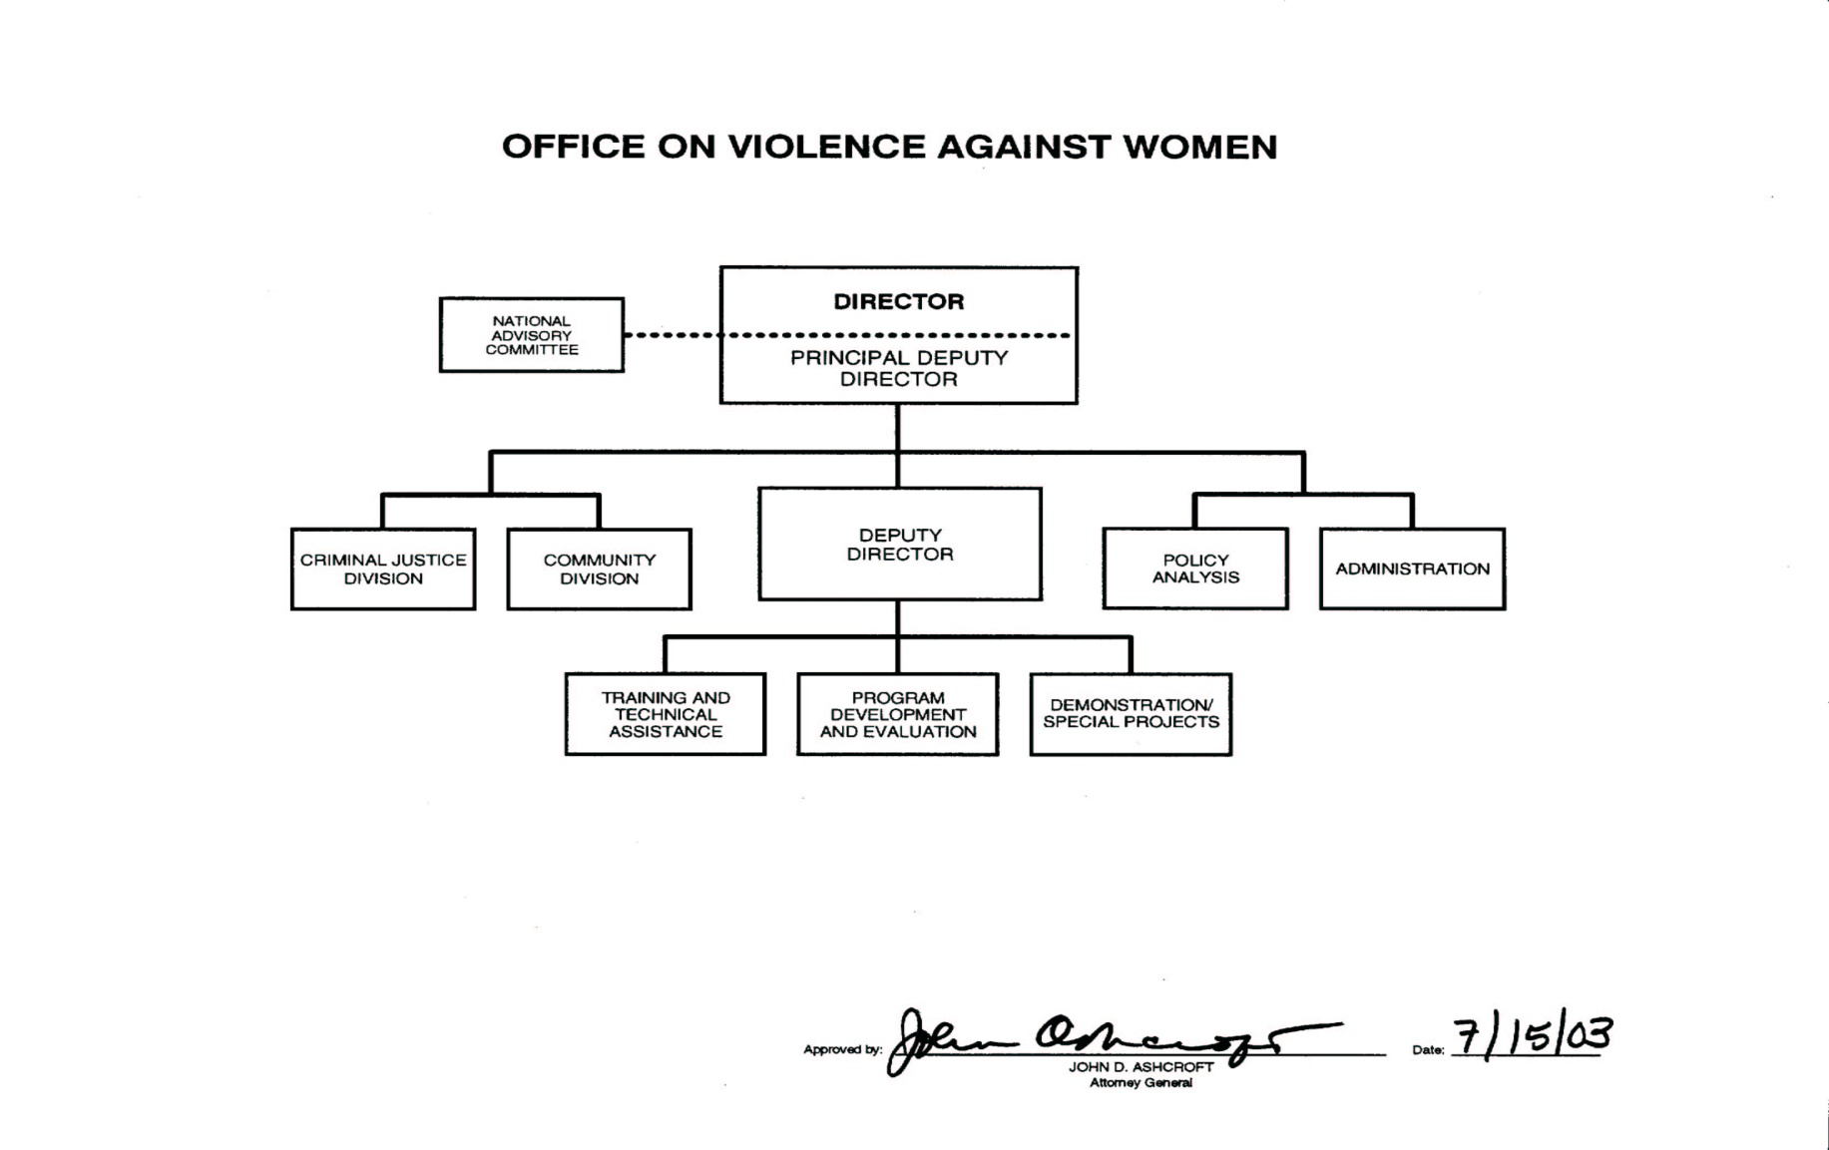
A: Organizational Chart - GRANTS

