1. Branchless banking 12 Facts
 | 12 stylized facts about branchless banking in 2011

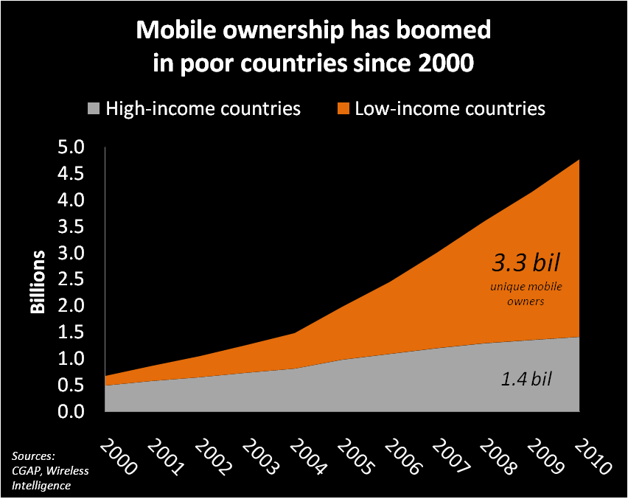
1 |  | Mobile ownership has grown explosively in poor countries over the past decade. In 2005 the mobile phone became the 1st communications device in history to have more users in poor countries than rich. In 2010, mobile phone owners in poor countries accounted for two-thirds of the world's 4.77 billion phones.

 |  | See Tab 3 for mobile ownership data from Wireless Intelligence, discounted for multiple sim ownership, plus population data from World Development Indicators
 |  | http://www.wirelessintelligence.com
 |  | http://data.worldbank.org/indicator

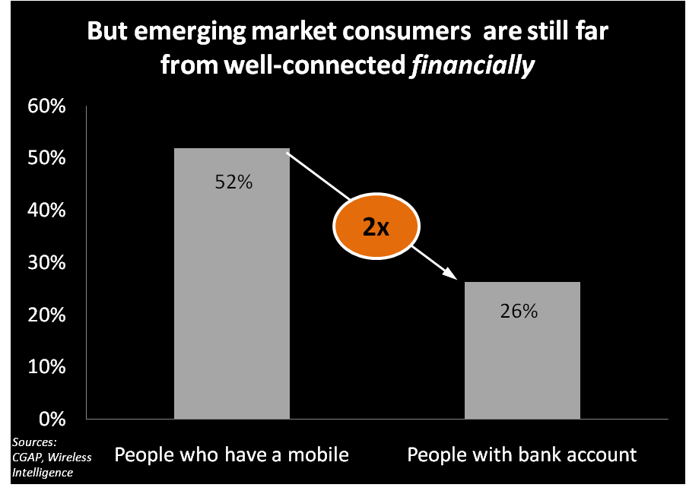
2 |  | But while people in poor countries became increasingly well-connected via mobile, they remained much less well-connected financially. An emerging market consumer is 2x less likely to have a bank account in their name than own a mobile phone. Access to financial services enables consumers to smooth unpredictable income, acquire productive assets, invest in health and education, and make other purchases that enrich their lives. Fortunately, the explosive pace of mobile connectivity might be leveraged to also fuel financial inclusion.

 |  | See Tab 3 for data on mobile from Wireless Intelligence, discounted for multiple sim ownership, plus banking penetration from CGAP Financial Access 2010
 |  | http://www.wirelessintelligence.com
 |  | http://www.cgap.org/p/site/c/template.rc/1.9.47743/

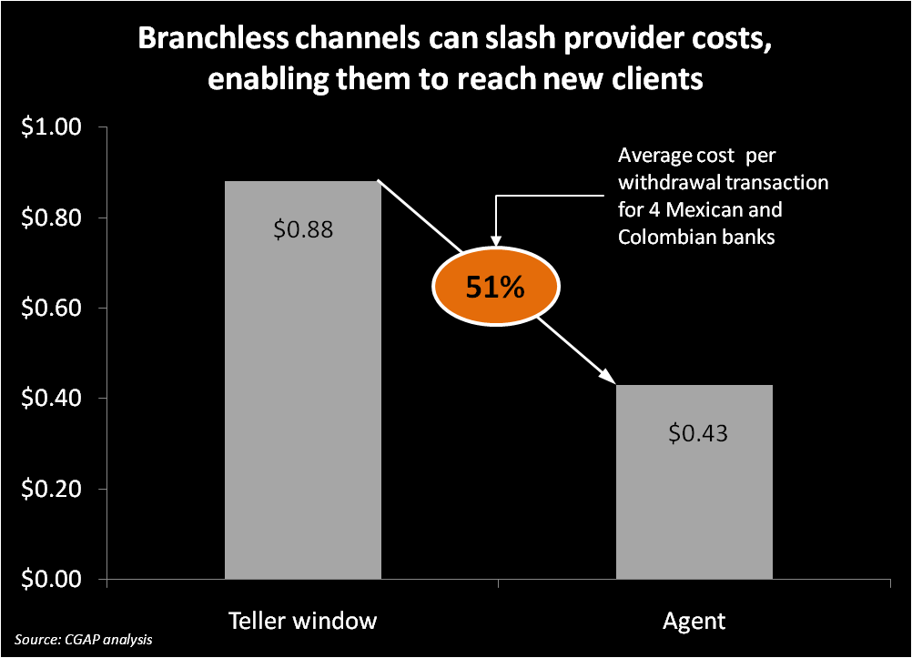
3 |  | Providers can reap substantial cost savings from channels that replace branches with "branchless banking" (technology paired with agents, typically merchants who handle deposits and withdrawals and are connected via mobile or card-swipe POS terminals). The figure at left shows the cost reduction for 4 Mexican and Colombian banks from moving deposit transactions from teller to agent. Cost savings will vary by institution, driven by inter alia the fixed cost of branch depreciation on one side and variable cost of agent commissions on the other. CGAP estimates most banks will see 50% cost savings or greater. This enables them to reach low-income clients who were previously uneconomical to serve. Other providers -- mobile operators, tech firms -- which want to enter financial services for the first time can also employ agents to cost-effectively roll out.

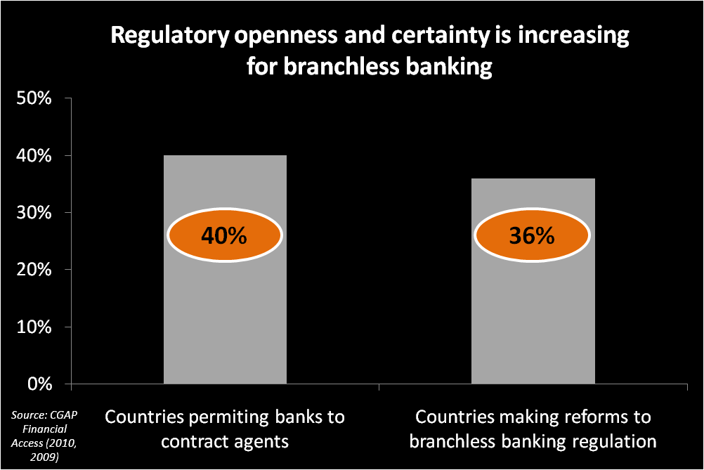
4 |  | Increasingly, financial sector regulators have established enabling regulation for branchless banking. CGAP's latest analysis is available in two recently published Focus Notes, which build on the scene-setting "Regulating Transformational Branchless Banking", jointly produced by CGAP and DFID.

 |  | Nonbank E-money Issuers
 |  | http://www.cgap.org/p/site/c/template.rc/1.9.45715/
 |  | Protecting Branchless Banking Consumers
 |  | http://www.cgap.org/p/site/c/template.rc/1.9.47443/
 |  | Regulating Transformational Branchless Banking
 |  | http://www.cgap.org/p/site/c/template.rc/1.9.2583/

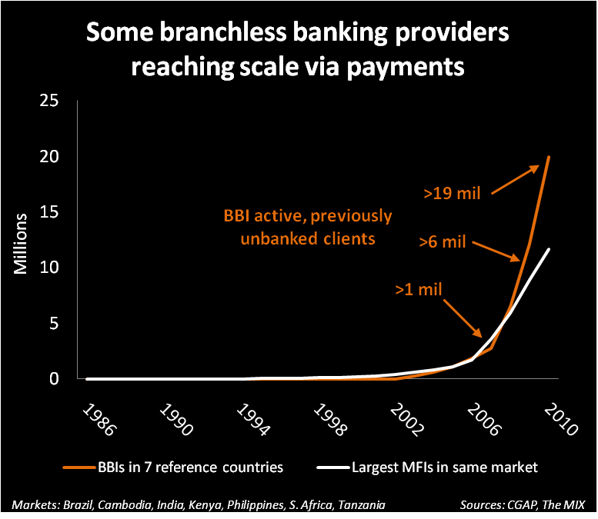
5 |  | But will mass market consumers adopt such new services? Some branchless banking institutions (BBIs) have seen strong customer response to payment services, such as money transfer and bill payment. CGAP looked at 7 markets where reliable data is available about branchless banking customers: Brazil, Cambodia, India, Kenya, Philippines, South Africa and Tanzania. BBIs in these markets have 1.7x more active, previously-unbanked customers than the largest MFIs in the same market. BBIs are not replacing MFIs: credit services are complimentary to BBI payment services. But the comparison shows BBIs are also reaching the mass market of unbanked consumers, at scale.

 |  | See Tab 4 for data on BBI growth, from CGAP Focus Note 66 "Branchless Banking 2010: Who's served? At what price? What's next?" available at:
 |  | http://www.cgap.org/p/site/c/template.rc/1.26.14381/

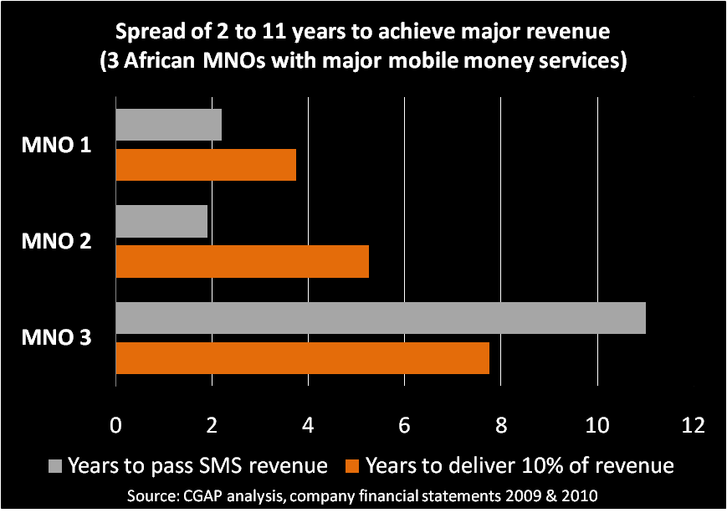
6 |  | Even with robust growth in users, major revenue requires several years in the best case scenario. Providers should have this in mind when setting assumptions about their payback period. CGAP analyzed the revenue potential of the top 3 African mobile money services (as measured by active users). For two, mobile money quickly surpassed SMS in revenue generation (2 years). One has already seen mobile money begin to deliver more than 10% of company revenue, and another is on the path to reach this target in year 5. Again, this is probably a best case scenario. MNO 3 is facing much longer timelines, possibly beyond the typical expectaions of time to see attractive returns.

 |  | M-PESA is one of the 3 operators in the example. See Tab 5 for data on M-PESA's growth since inception.

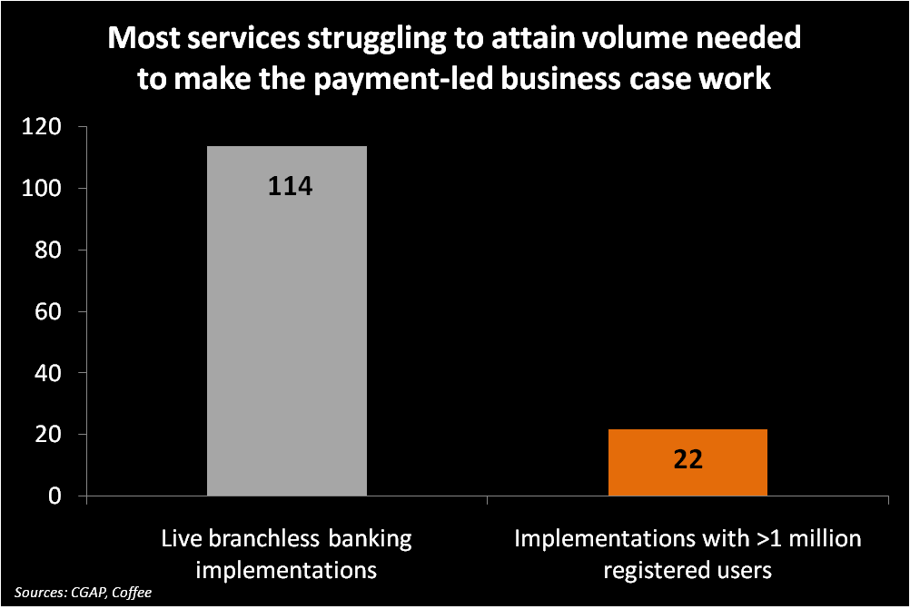
7 |  | In fact, most BBIs are following a trajectory similar to MNO 3, or even lower. Globally, there are more than 100 live branchless banking services. Approximately 1 in 5 have made it to a "million client club" of services which have registered 1 million clients. The remainder are struggling to sustain growth in customers and most likely are losing money for their parent company, given up-front costs to enter the space. To put it succinctly, most players in the branchless banking space have a "volume problem" of getting enough clients to drive revenue to hit payback in any reasonable timeframe. The industry needs solutions for steepening the growth curve in numbers of users, the portion who become active users, and the intensity with which they use services. Volume is the central challenge in branchless banking in 2011.

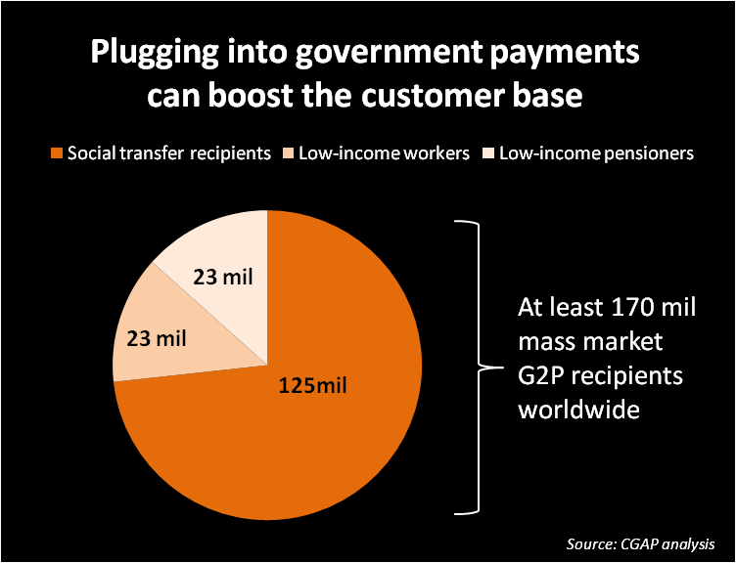
8 |  | BBIs could drive volume by including governments and other institutional players as users of the platform from early on. Worldwide, there are at least 170 mil low-income consumers who receive a regular payment from their government, either for a social transfer, wages or a pension. To provide a point of comparison, 170 mil exceeds the estimated number of active microloans worldwide (150 mil). But after bulk payors are signed up, there remains the important question of whether payees will use their account for more than just removing all the cash. BBIs must also look at the value proposition not only to payors but also to payment recipients, if they hope to convert them to active, valuable clients.

 |  | See Tab 6 for data on 49 G2P schemes in 33 countries, from CGAP-DFID Focus Note 58 "Banking the Poor via G2P", available at:
 |  | http://www.cgap.org/p/site/c/template.rc/1.9.41174/

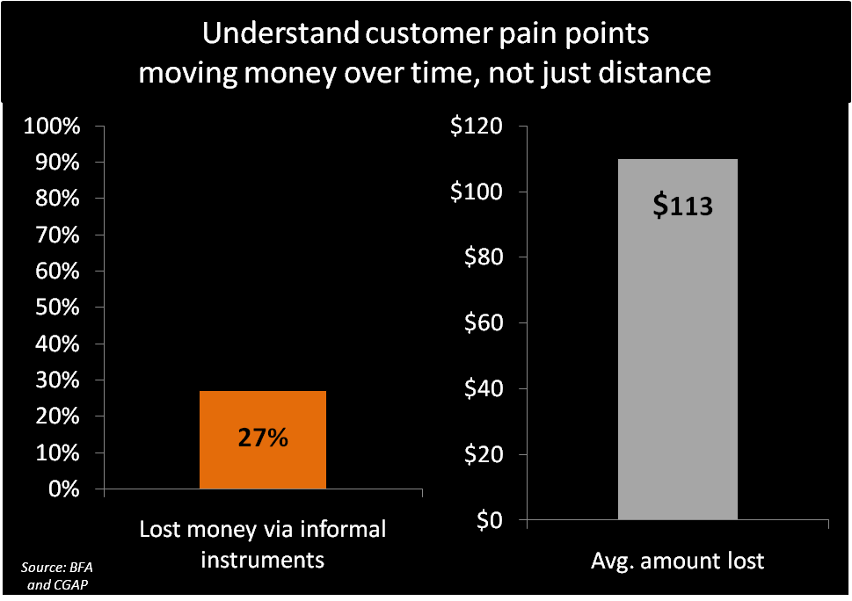
9 |  | Most BBIs focus on payment services which reduce the time, cost, and risk of loss with moving money over distance, e.g. a remittance to family in the countryside or a bill payment. Low-income consumers also have major pain points moving money over time, i.e. putting aside money now to use later, or the converse, borrowing now and repaying later. The informal options poor people have are often poor quality: preliminary results from a revisit of the Portfolios of the Poor households in S. Africa found 27% have lost money through an informal saving or credit instrument: on average US$ 113. This presents an opportunity for BBIs to accelerate client usage via a diversified set of products. Arguably, it was when Kenyans began leaving balances in their M-PESA wallet that the service vaulted beyond the initial target segment of 3 million urban, mostly male remitters and began marching toward serving more than 13 million Kenyans using it for a range of financial needs. In other words, savings may have been the "stickiness" factor -- a kind of loss-leader which bridges clients to a more active relationship with mobile money.

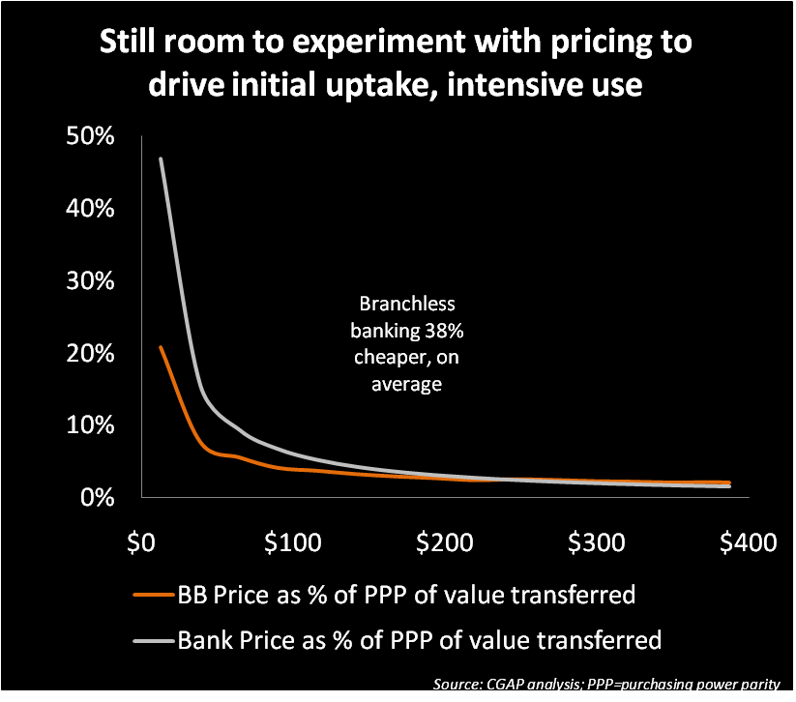
10 |  | CGAP analyzed 26 branchless banking services and traditional banks to understand how their prices vary across 8 bundles of saving and payment transactions. On average, branchless banking was 38% cheaper than similar services offered by via traditional bank channels. The analysis also revealed multiple different pricing strategies in play, but no clear best approach, suggesting opportunities to experiment, even departing from traditional pay-as-you-go to try a freemium model which could drive uptake and usage faster.

 |  | See Tab 7 for data on the prices of 16 BBIs and 10 traditional banks, from CGAP Focus Note 66 "Branchless Banking 2010", available at:
 |  | http://www.cgap.org/p/site/c/template.rc/1.26.14381/

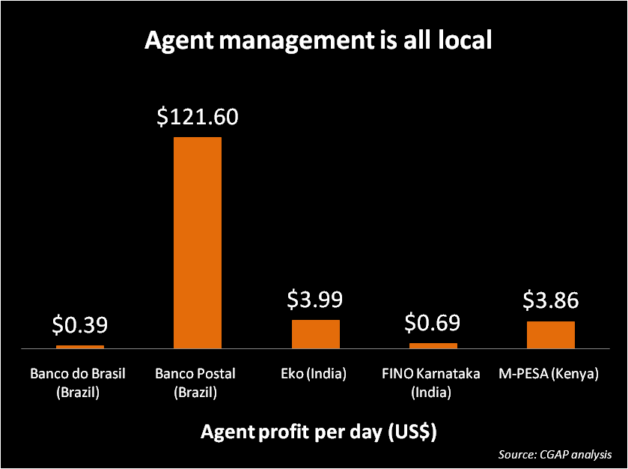
11 |  | Agents are not ATMs, built, deployed and operated in identical fashion. CGAP research in Brazil, India and Kenya found as many different agent network configurations as providers: every one a product of the provider's requirements, the available kinds of agents, and demands to adequately service customers. For example, the Brazilian post office is able to command US$ 122/day for its involvement in Banco Postal because of the instant nationwide coverage it gives to its partner, Bradesco. Meanwhile, individually-owned small stores earned <US$ 1/day, in part due to their lack of bargaining power. CGAP's Agent Management Toolkit provides in-depth analysis.

 |  | See Tab 8 for data from agents in Brazil, India and Kenya
 |  | CGAP's Agent Management Toolkit is available at:
 |  | http://www.cgap.org/p/site/c/template.rc/1.9.49831/

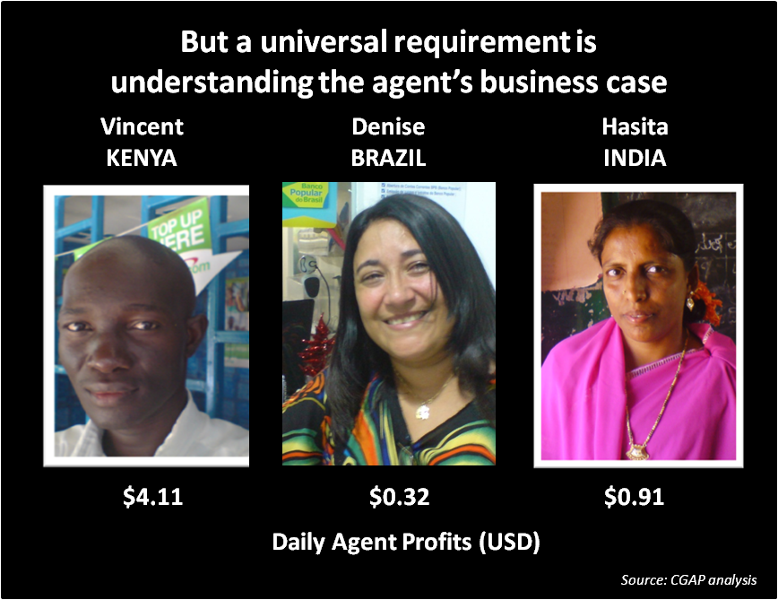
12 |  | BBIs must understand the business case from the agent's point of view and craft an "ask" (time, risks and costs the agent is required to bear) matched by an adequate "offer" (the benefit an agent derives). Vincent is an M-PESA agent in Kenya. He earns US$ 4.11/day in commissions for being an agent. But do not assume compensation needs to be this high, or only comes from mobile money commissions. Denise (Brazil) operates a coffee shop. Though she only earns USD 0.32 in direct commissions for being an agent, people who come to pay bills often also purchase food or drink, making the benefit to her core cafe business her main rationale. Hasita (India) is a rural school librarian who finds US$ 0.91 is a welcome, sizeable addition to her low wages, and she enjoys the status of being an agent serving her community.

 |  | See Tab 8 for data from agents in Brazil, India and Kenya
 |  | CGAP's Agent Management Toolkit is available at:
 |  | http://www.cgap.org/p/site/c/template.rc/1.9.49831/

2. BB 12 Facts (print ver)
 | 12 stylized facts about branchless banking in 2011

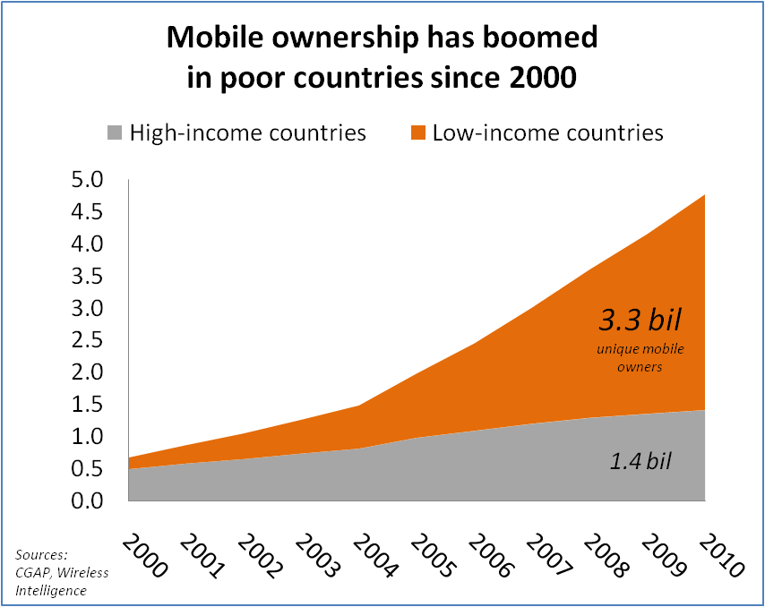
1 |  | Mobile ownership has grown explosively in poor countries over the past decade. In 2005 the mobile phone became the 1st communications device in history to have more users in poor countries than rich. In 2010, mobile phone owners in poor countries accounted for two-thirds of the world's 4.77 billion phones.

 |  | See Tab 1 for mobile ownership data from Wireless Intelligence, discounted for multiple sim ownership, plus population data from World Development Indicators
 |  | http://www.wirelessintelligence.com
 |  | http://data.worldbank.org/indicator

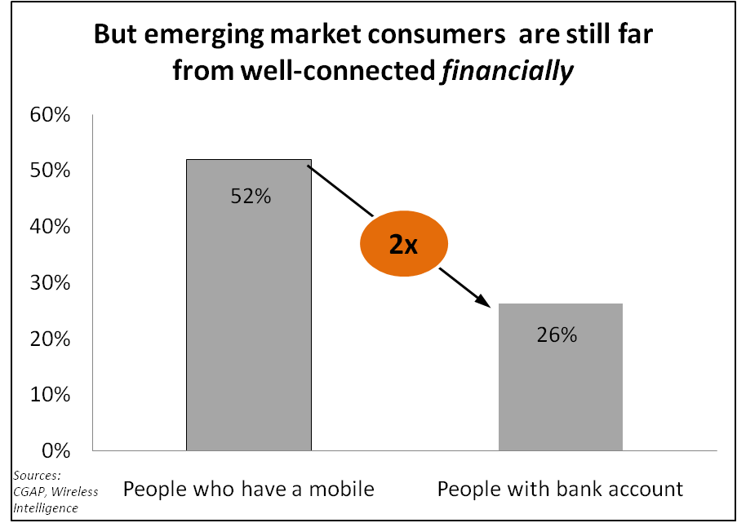
2 |  | But while people in poor countries became increasingly well-connected via mobile, they remained much less well-connected financially. An emerging market consumer is 2x less likely to have a bank account in their name than own a mobile phone. Access to financial services enables consumers to smooth unpredictable income, acquire productive assets, invest in health and education, and make other purchases that enrich their lives. Fortunately, the explosive pace of mobile connectivity might be leveraged to also fuel financial inclusion.

 |  | See Tab 1 for data on mobile from Wireless Intelligence, discounted for multiple sim ownership, plus banking penetration from CGAP Financial Access 2010
 |  | http://www.wirelessintelligence.com
 |  | http://www.cgap.org/p/site/c/template.rc/1.9.47743/

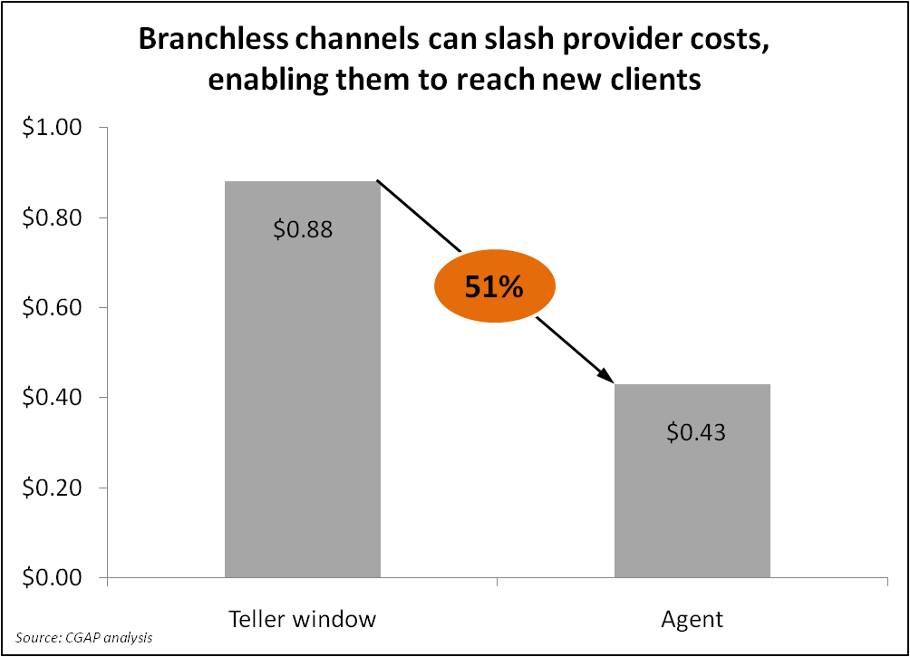
3 |  | Providers can reap substantial cost savings from channels that replace branches with "branchless banking" (technology paired with agents, typically merchants who handle deposits and withdrawals and are connected via mobile or card-swipe POS terminals). The figure at left shows the cost reduction for 4 Mexican and Colombian banks from moving deposit transactions from teller to agent. Cost savings will vary by institution, driven by inter alia the fixed cost of branch depreciation on one side and variable cost of agent commissions on the other. CGAP estimates most banks will see 50% cost savings or greater. This enables them to reach low-income clients who were previously uneconomical to serve. Other providers -- mobile operators, tech firms -- which want to enter financial services for the first time can also employ agents to cost-effectively roll out.

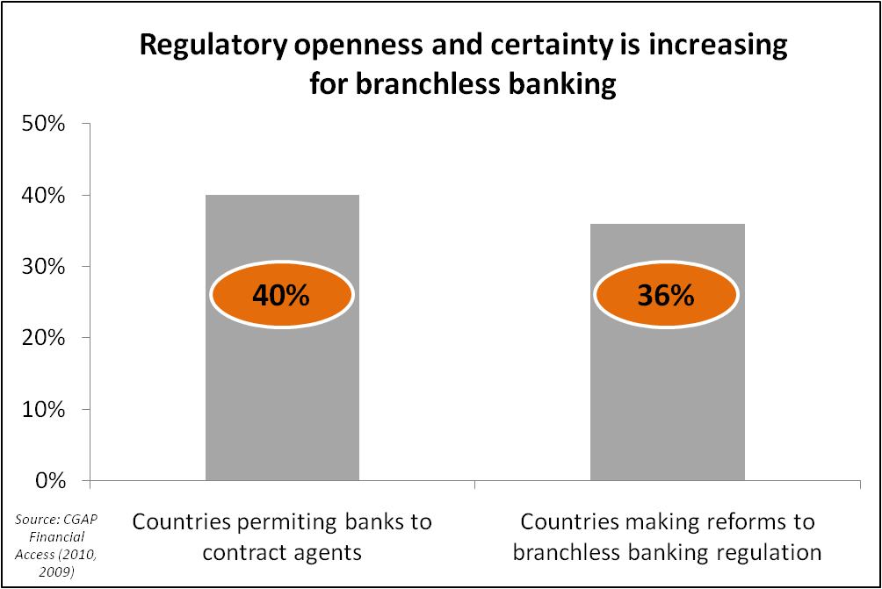
4 |  | Increasingly, financial sector regulators have established enabling regulation for branchless banking. CGAP's latest analysis is available in two recently published Focus Notes, which build on the scene-setting "Regulating Transformational Branchless Banking", jointly produced by CGAP and DFID.

 |  | Nonbank E-money Issuers
 |  | http://www.cgap.org/p/site/c/template.rc/1.9.45715/
 |  | Protecting Branchless Banking Consumers
 |  | http://www.cgap.org/p/site/c/template.rc/1.9.47443/
 |  | Regulating Transformational Branchless Banking
 |  | http://www.cgap.org/p/site/c/template.rc/1.9.2583/

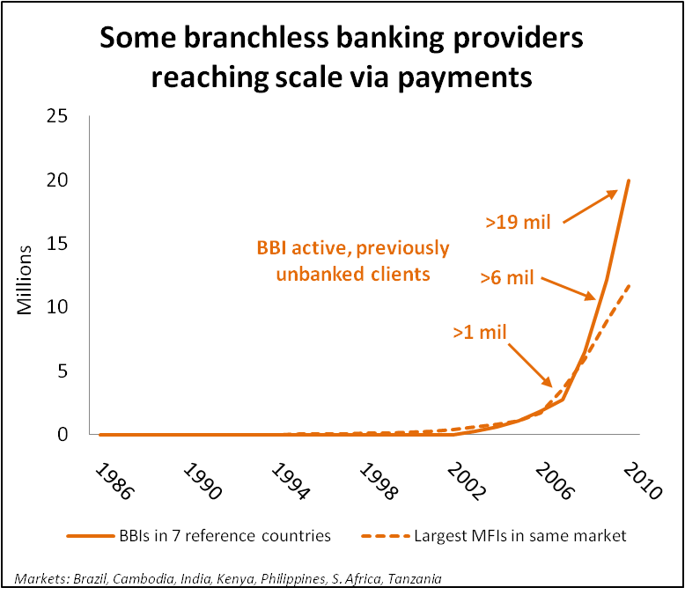
5 |  | But will mass market consumers adopt such new services? Some branchless banking institutions (BBIs) have seen strong customer response to payment services, such as money transfer and bill payment. CGAP looked at 7 markets where reliable data is available about branchless banking customers: Brazil, Cambodia, India, Kenya, Philippines, South Africa and Tanzania. BBIs in these markets have 1.7x more active, previously-unbanked customers than the largest MFIs in the same market. BBIs are not replacing MFIs: credit services are complimentary to BBI payment services. But the comparison shows BBIs are also reaching the mass market of unbanked consumers, at scale.

 |  | See Tab 2 for data on BBI growth, from CGAP Focus Note 66 "Branchless Banking 2010: Who's served? At what price? What's next?" available at:
 |  | http://www.cgap.org/p/site/c/template.rc/1.26.14381/

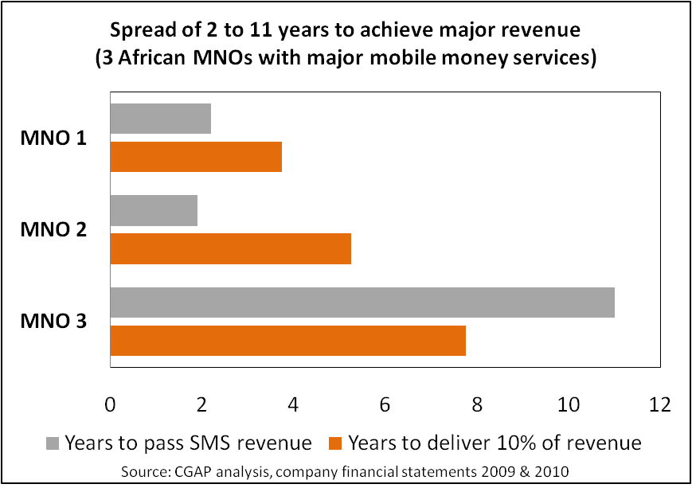
6 |  | Even with robust growth in users, major revenue requires several years in the best case scenario. Providers should have this in mind when setting assumptions about their payback period. CGAP analyzed the revenue potential of the top 3 African mobile money services (as measured by active users). For two, mobile money quickly surpassed SMS in revenue generation (2 years). One has already seen mobile money begin to deliver more than 10% of company revenue, and another is on the path to reach this target in year 5. Again, this is probably a best case scenario. MNO 3 is facing much longer timelines, possibly beyond the typical expectaions of time to see attractive returns.

 |  | M-PESA is one of the 3 operators in the example. See Tab 3 for data on M-PESA's growth since inception.

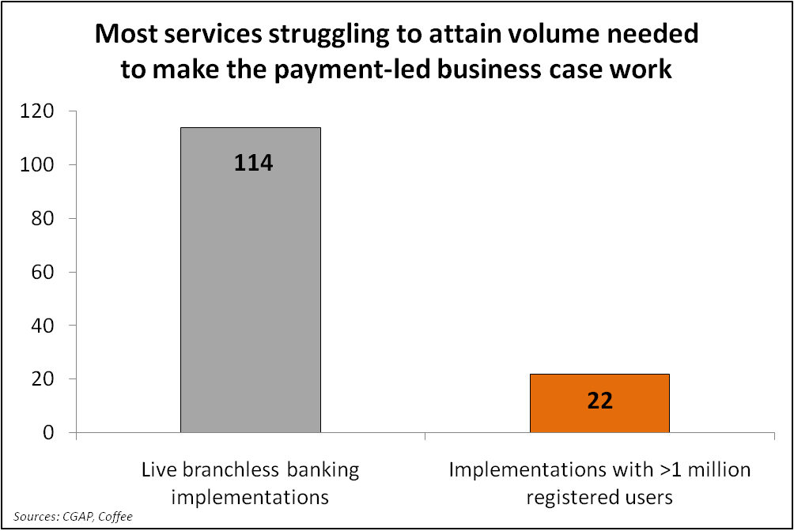
7 |  | In fact, most branchless banking services are following a trajectory similar to MNO 3, or even lower. Globally, more than 100 branchless banking implementations are live (actually launched on a commercial basis). Approximately 1 in 5 have made it to a "million client club" of services which have registered 1 million clients. The remainder are struggling to sustain growth in customers and most likely are losing money for their parent company, given up-front costs to enter the space. To put it succinctly, most players in the branchless banking space have a "volume problem" of getting enough clients to drive revenue to hit payback in any reasonable timeframe. The industry needs solutions for steepening the growth curve in numbers of users, the portion who become active users, and the intensity with which they use services. Volume is the central challenge in branchless banking in 2011.

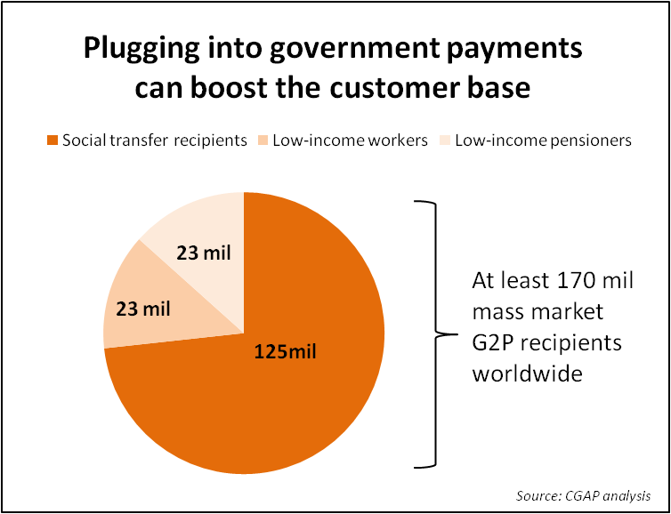
8 |  | Providers could drive volume by including governments and other institutional players as users of the platform from early on. Worldwide, there are at least 170 mil low-income consumers who receive a regular payment from their government, either for a social transfer, wages or a pension. To provide a point of comparison, 170 mil exceeds the estimated number of active microloans worldwide (150 mil). But after bulk payors are signed up, there remains the important question of whether payees will use their account for more than just removing all the cash. Providers must also look at the value proposition not only to payors but also to payment recipients, if they hope to convert them to active, valuable clients.

 |  | See Tab 4 for data on 49 G2P schemes in 33 countries, from CGAP-DFID Focus Note 58 "Banking the Poor via G2P", available at:
 |  | http://www.cgap.org/p/site/c/template.rc/1.9.41174/

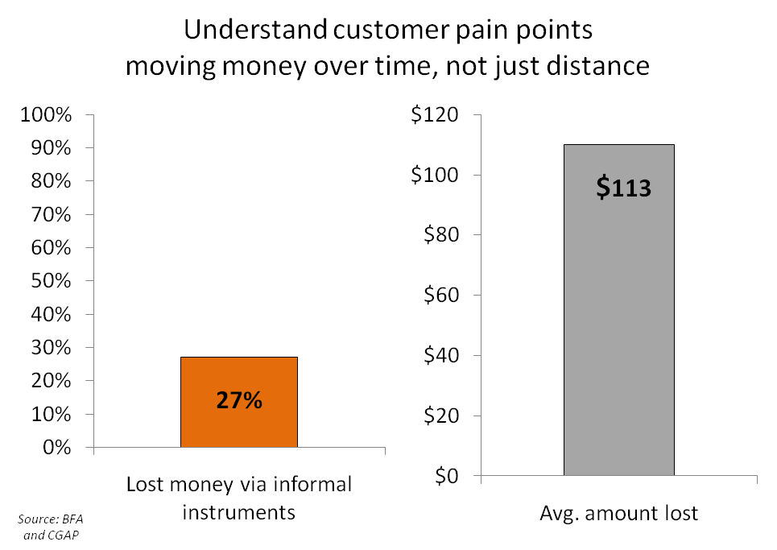
9 |  | Most BBIs focus on payment services which reduce the time, cost, and risk of loss with moving money over distance, e.g. a remittance to family in the countryside or a bill payment. Low-income consumers also have major pain points moving money over time, i.e. putting aside money now to use later, or the converse, borrowing now and repaying later. The informal options poor people have are often poor quality: preliminary results from a revisit of the Portfolios of the Poor households in S. Africa found 27% have lost money through an informal saving or credit instrument: on average US$ 113. This presents an opportunity for BBIs to accelerate client usage via a diversified set of products. Arguably, it was when Kenyans began leaving balances in their M-PESA wallet that the service vaulted beyond the initial target segment of 3 million urban, mostly male remitters and began marching toward serving more than 13 million Kenyans using it for a range of financial needs. In other words, savings may have been the "stickiness" factor -- a kind of loss-leader which bridges clients to a more active relationship with mobile money.

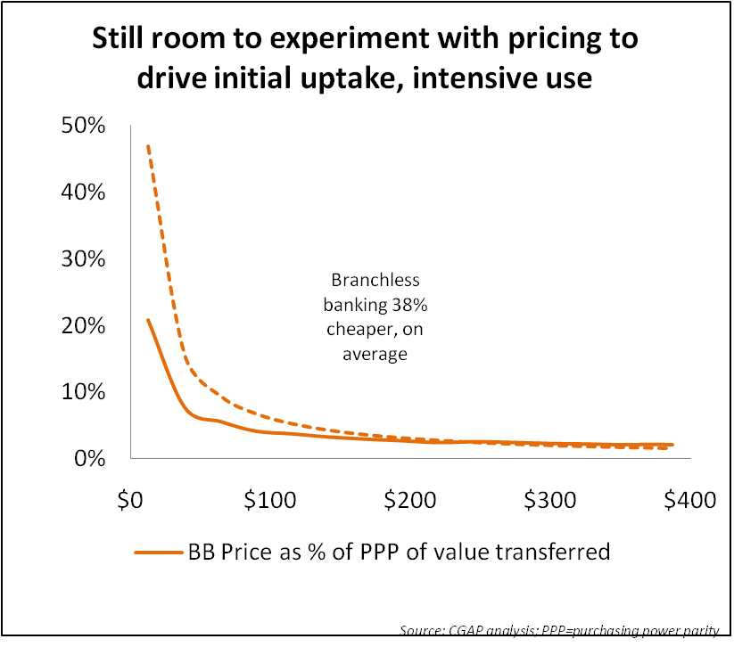
10 |  | CGAP analyzed 26 branchless banking services and traditional banks to understand how their prices vary across 8 bundles of saving and payment transactions. On average, branchless banking was 38% cheaper than similar services offered by via traditional bank channels. The analysis also revealed multiple different pricing strategies in play, but no clear best approach, suggesting opportunities to experiment, even departing from traditional pay-as-you-go to try a freemium model which could drive uptake and usage faster.

 |  | See Tab 5 for data on the prices of 16 BBIs and 10 traditional banks, from CGAP Focus Note 66 "Branchless Banking 2010", available at:
 |  | http://www.cgap.org/p/site/c/template.rc/1.26.14381/

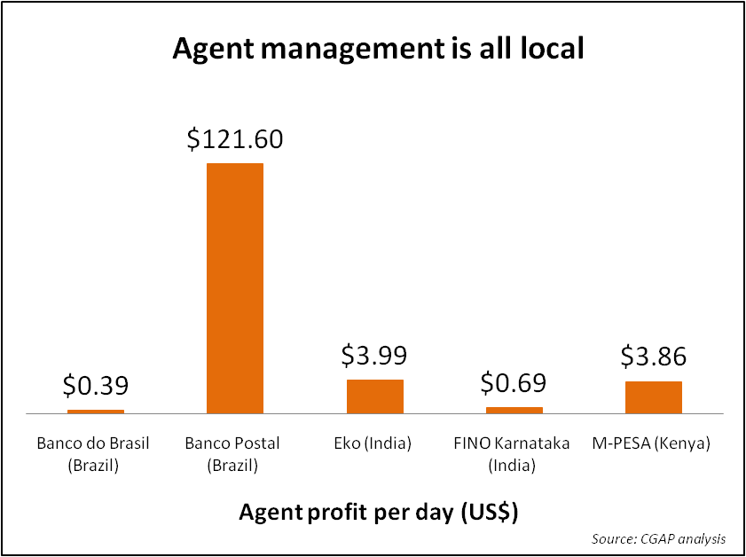
11 |  | Agents are not ATMs, built, deployed and operated in identical fashion. CGAP research in Brazil, India and Kenya found as many different agent network configurations as providers: every one a product of the provider's requirements, the available kinds of agents, and demands to adequately service customers. For example, the Brazilian post office is able to command US$ 122/day for its involvement in Banco Postal because of the instant nationwide coverage it gives to its partner, Bradesco. Meanwhile, individually-owned small stores earned <US$ 1/day, in part due to their lack of bargaining power. CGAP's Agent Management Toolkit provides in-depth analysis.

 |  | See Tab 6 for data from agents in Brazil, India and Kenya
 |  | CGAP's Agent Management Toolkit is available at:
 |  | http://www.cgap.org/p/site/c/template.rc/1.9.49831/

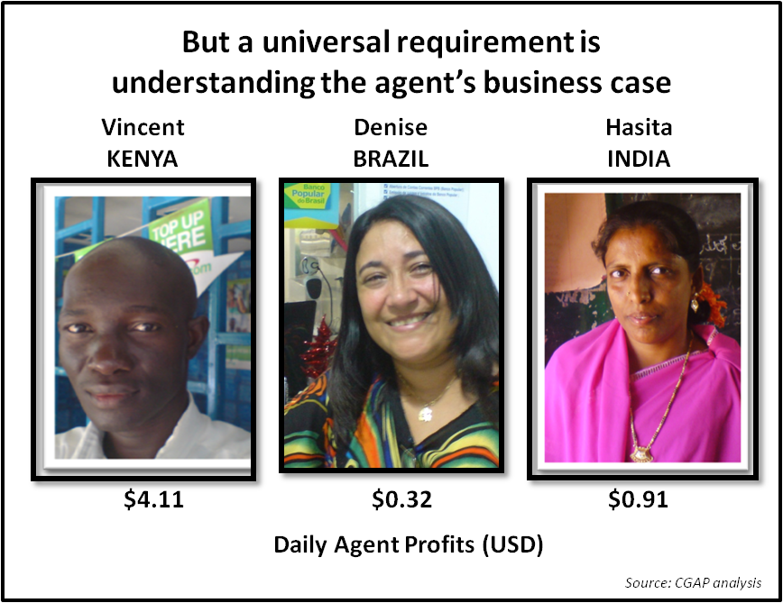
12 |  | BBIs must understand the business case from the agent's point of view and craft an "ask" (time, risks and costs the agent is required to bear) matched by an adequate "offer" (the benefit an agent derives). Vincent is an M-PESA agent in Kenya. He earns US$ 4.11/day in commissions for being an agent. But do not assume compensation needs to be this high, or only comes from mobile money commissions. Denise (Brazil) operates a coffee shop. Though she only earns USD 0.32 in direct commissions for being an agent, people who come to pay bills often also purchase food or drink, making the benefit to her core cafe business her main rationale. Hasita (India) is a rural school librarian who finds US$ 0.91 is a welcome, sizeable addition to her low wages, and she enjoys the status of being an agent serving her community.

 |  | See Tab 6 for data from agents in Brazil, India and Kenya
 |  | CGAP's Agent Management Toolkit is available at:
 |  | http://www.cgap.org/p/site/c/template.rc/1.9.49831/

