TC001

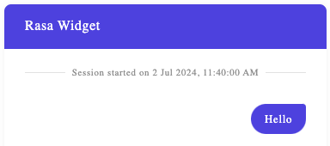
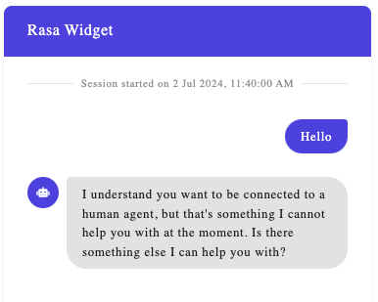
Test Case ID |  | TC001 | Test Case Name | Response message type: Text message
Automation status |  | Automated

Precondition | Widget is built and chatbot is up and trained and connected with widget. Before getting widget up set the server-url property to target chatbot server with defined and trainned flow. server-url property is mandatory in order to get widget loaded. Please note that response is defined by chatbot and chatbot flow, purpose of the test is to verify text message response rendering.

S # | Prerequisites: |  |  | S # | Test Data
1 | Access to Chrome Browser |  |  | 1 | User input: "Hello"
2 | Widget built and connected to chatbot |  |  | 2 | Chatbot response: "I understand you want to be connected to a human agent, but that's something I cannot help you with at the moment. Is there something else I can help you with?"
3 |  |  |  | 3
4 |  |  |  | 4

Test Scenario | User opens up a widget and sends a message that will result in chatbot text type response. Response received is text type message. Content of the message depends on chatbot settings on the server.

Step # | Step Details |  | Expected Results

1 | Open Chrome Browser |  | Chrome browser is opened
2 | Navigate to http://localhost:3333 |  | Page is opened with chatbot widget launcher in lower right corner
3 | Click on chatbot widget launcher |  | Chatbot widget is opened. Consisting of widget header, session window with information on starting the session ( 'Session started on DD MMM YYYY, HH:MM:SS AM/PM), User input field with "Type your message here" message and "Send" button and widget close button 'X'
4 | User fills in user input field with "Hello" and clicks on Send button |  | "Hello" message is shown in Session window. Chatbot response is text message type and it is shown in the Session window.
5
6
7

Chatbot widget: |  |  | User input message in the session window: |  |  | Chatbot response:

TC002
Test Case ID |  | TC002 | Test Case Name | Response message type: Image
Automation status |  | Automated

Precondition | Widget is built and chatbot is up and trained and connected with widget. Before getting widget up set the server-url property to target chatbot server with defined and trainned flow. server-url property is mandatory in order to get widget loaded. Please note that response is defined by chatbot and chatbot flow, purpose of the test is to verify text message response rendering.

S # | Prerequisites: |  |  | S # | Test Data
1 | Access to Chrome Browser |  |  | 1 | User input: "Show me country"
2 | Widget built and connected to chatbot |  |  | 2 | Chatbot text response no1: "No country for old men"
3 |  |  |  | 3 | Chatbot text response no2: "What else I can help you with?"
4 |  |  |  | 4

Test Scenario | User opens up a widget and sends a message that will result in chatbot image type response. Response received is image type message. Content of the message depends on chatbot settings on the server.

Step # | Step Details |  | Expected Results

1 | Open Chrome Browser |  | Chrome browser is opened
2 | Navigate to http://localhost:3333 |  | Page is opened with chatbot widget launcher in lower right corner
3 | Click on chatbot widget launcher |  | Chatbot widget is opened. Consisting of widget header, session window with information on starting the session ( 'Session started on DD MMM YYYY, HH:MM:SS AM/PM), User input field with "Type your message here" message and "Send" button and widget close button 'X'
4 | User fills in user input field with "Show me country" and clicks on Send button |  | "Show me country" message is shown in Session window. Chatbot response is text message "No country for old men" followed by image holder and then followed by text message "What else I can help you with?"

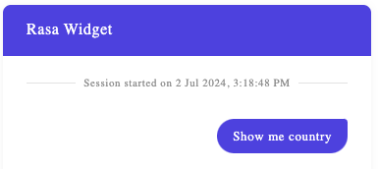
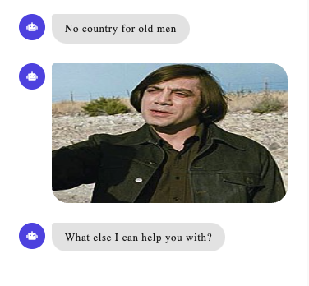
Chatbot widget: |  |  | User input message in the session window: |  |  | Chatbot response:

TC003
Test Case ID |  | TC003 | Test Case Name | Response message type: accordion message
Automation status |  | Automated

Precondition | Widget is built and chatbot is up and trained and connected with widget. Before getting widget up set the server-url property to target chatbot server with defined and trainned flow. server-url property is mandatory in order to get widget loaded. Please note that response is defined by chatbot and chatbot flow, purpose of the test is to verify text message response rendering.

S # | Prerequisites: |  |  | S # | Test Data
1 | Access to Chrome Browser |  |  | 1 | User input: "Accordion"
2 | Widget built and connected to chatbot |  |  | 2
3 |  |  |  | 3
4 |  |  |  | 4

Test Scenario | User opens up a widget and sends a message that will result in chatbot accordion type response. Response received is accordion type message. Content of the message depends on chatbot settings on the server.

Step # | Step Details |  | Expected Results

1 | Open Chrome Browser |  | Chrome browser is opened
2 | Navigate to http://localhost:3333 |  | Page is opened with chatbot widget launcher in lower right corner
3 | Click on chatbot widget launcher |  | Chatbot widget is opened. Consisting of widget header, session window with information on starting the session ( 'Session started on DD MMM YYYY, HH:MM:SS AM/PM), User input field with "Type your message here" message and "Send" button and widget close button 'X'
4 | User fills in user input field with "Accordion" and clicks on Send button |  | "Accordion" message is shown in Session window. Chatbot response consists of 3 accordion messages collapsed by default with arrow in the right side to expand each accordion. Followed by text message "What else I can help you with?"

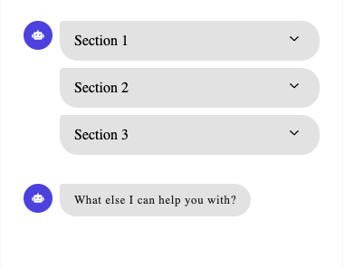
Chatbot widget: |  |  | User input message in the session window: |  |  | Chatbot response:

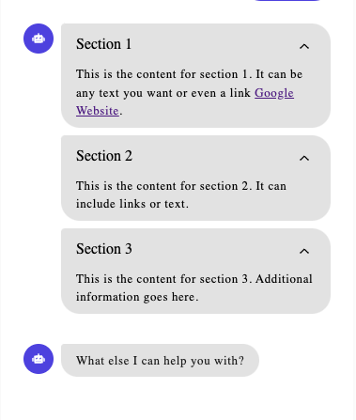
 |  |  |  |  |  | Accordions expanded:

TC004
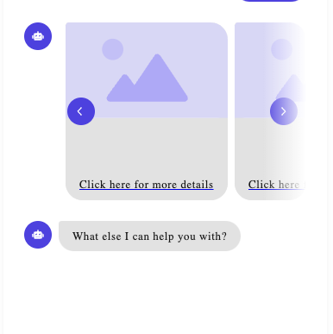
Test Case ID |  | TC004 | Test Case Name | Response message type: carousel message
Automation status |  | Automated

Precondition | Widget is built and chatbot is up and trained and connected with widget. Before getting widget up set the server-url property to target chatbot server with defined and trainned flow. server-url property is mandatory in order to get widget loaded. Please note that response is defined by chatbot and chatbot flow, purpose of the test is to verify text message response rendering.

S # | Prerequisites: |  |  | S # | Test Data
1 | Access to Chrome Browser |  |  | 1 | User input: "Carousel"
2 | Widget built and connected to chatbot |  |  | 2
3 |  |  |  | 3
4 |  |  |  | 4

Test Scenario | User opens up a widget and sends a message that will result in chatbot carousel type response. Response received is carousel type message. Content of the message depends on chatbot settings on the server.

Step # | Step Details |  | Expected Results

1 | Open Chrome Browser |  | Chrome browser is opened
2 | Navigate to http://localhost:3333 |  | Page is opened with chatbot widget launcher in lower right corner
3 | Click on chatbot widget launcher |  | Chatbot widget is opened. Consisting of widget header, session window with information on starting the session ( 'Session started on DD MMM YYYY, HH:MM:SS AM/PM), User input field with "Type your message here" message and "Send" button and widget close button 'X'
4 | User fills in user input field with "Carousel" and clicks on Send button |  | "Carousel" message is shown in Session window. Chatbot response consists carousel message with scroll arrow on the right side to list carousel message and text message bellow carousel. When listed to the right left arrow is shown as well.

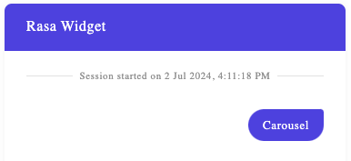
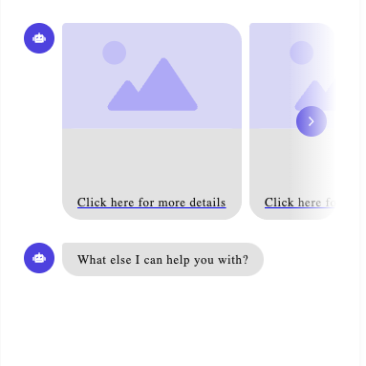
Chatbot widget: |  |  | User input message in the session window: |  |  | Chatbot response:

TC005
Test Case ID |  | TC005 | Test Case Name | Response message type: file download message
Automation status |  | Automated

Precondition | Widget is built and chatbot is up and trained and connected with widget. Before getting widget up set the server-url property to target chatbot server with defined and trainned flow. server-url property is mandatory in order to get widget loaded. Please note that response is defined by chatbot and chatbot flow, purpose of the test is to verify text message response rendering.

S # | Prerequisites: |  |  | S # | Test Data
1 | Access to Chrome Browser |  |  | 1 | User input: "File download"
2 | Widget built and connected to chatbot |  |  | 2
3 |  |  |  | 3
4 |  |  |  | 4

Test Scenario | User opens up a widget and sends a message that will result in chatbot file download type response. Response received is file download type message. Content of the message depends on chatbot settings on the server.

Step # | Step Details |  | Expected Results

1 | Open Chrome Browser |  | Chrome browser is opened
2 | Navigate to http://localhost:3333 |  | Page is opened with chatbot widget launcher in lower right corner
3 | Click on chatbot widget launcher |  | Chatbot widget is opened. Consisting of widget header, session window with information on starting the session ( 'Session started on DD MMM YYYY, HH:MM:SS AM/PM), User input field with "Type your message here" message and "Send" button and widget close button 'X'
4 | User fills in user input field with "File download" and clicks on Send button |  | "File download" message is shown in Session window. Chatbot response consists of File download message that is clickable followed by text message "What else I can help you with?"
5 | User clicks on response to download a file |  | New tab is opened for download.

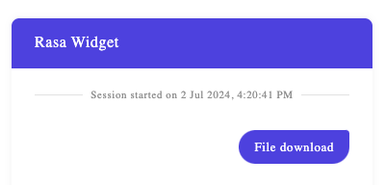
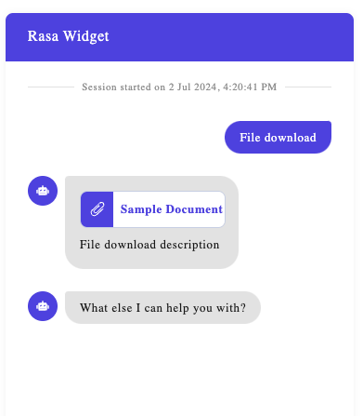
Chatbot widget: |  |  | User input message in the session window: |  |  | Chatbot response:

TC006
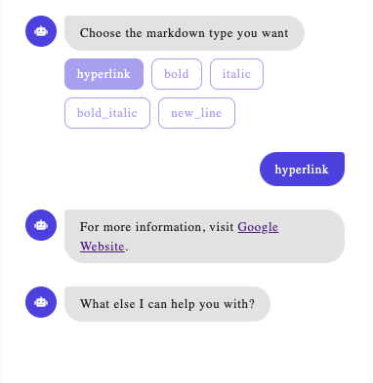
Test Case ID |  | TC006 | Test Case Name | Response message type: quick replies message
Automation status |  | Automated

Precondition | Widget is built and chatbot is up and trained and connected with widget. Before getting widget up set the server-url property to target chatbot server with defined and trainned flow. server-url property is mandatory in order to get widget loaded. Please note that response is defined by chatbot and chatbot flow, purpose of the test is to verify text message response rendering.

S # | Prerequisites: |  |  | S # | Test Data
1 | Access to Chrome Browser |  |  | 1 | User input: "Markdown"
2 | Widget built and connected to chatbot |  |  | 2
3 |  |  |  | 3
4 |  |  |  | 4

Test Scenario | User opens up a widget and sends a message that will result in chatbot quick replies type response. Response received is quick replies type message. Content of the message depends on chatbot settings on the server.

Step # | Step Details |  | Expected Results

1 | Open Chrome Browser |  | Chrome browser is opened
2 | Navigate to http://localhost:3333 |  | Page is opened with chatbot widget launcher in lower right corner
3 | Click on chatbot widget launcher |  | Chatbot widget is opened. Consisting of widget header, session window with information on starting the session ( 'Session started on DD MMM YYYY, HH:MM:SS AM/PM), User input field with "Type your message here" message and "Send" button and widget close button 'X'
4 | User fills in user input field with "Markdown" and clicks on Send button |  | "Markdown" message is shown in Session window. Chatbot response consists of quick replies with responses offered as buttons. Quick responses are clickable. If not clicked text message saying response is invalid ("Sorry, you responded with an invalid value - 'user_input'. Please select one of the available options.") and Quick responses are shown again.
5 | User clicks on one of the offered quick replies. ("hyperlink") |  | Selected quick reply is colored and sent as user input. Chatbot sends response to quick reply as defined in the chatbot flow.

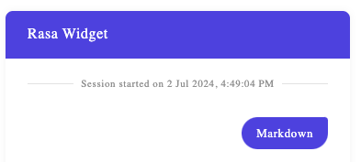
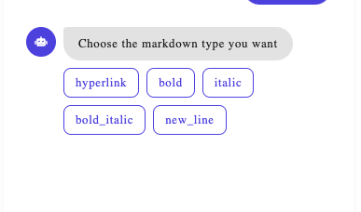
Chatbot widget: |  |  | User input message in the session window: |  |  | Chatbot response:

TC007
Test Case ID |  | TC007 | Test Case Name | Response message type: video message
Automation status |  | Automated

Precondition | Widget is built and chatbot is up and trained and connected with widget. Before getting widget up set the server-url property to target chatbot server with defined and trainned flow. server-url property is mandatory in order to get widget loaded. Please note that response is defined by chatbot and chatbot flow, purpose of the test is to verify text message response rendering.

S # | Prerequisites: |  |  | S # | Test Data
1 | Access to Chrome Browser |  |  | 1 | User input: "Video"
2 | Widget built and connected to chatbot |  |  | 2
3 |  |  |  | 3
4 |  |  |  | 4

Test Scenario | User opens up a widget and sends a message that will result in chatbot video type response. Response received is video type message. Content of the message depends on chatbot settings on the server.

Step # | Step Details |  | Expected Results

1 | Open Chrome Browser |  | Chrome browser is opened
2 | Navigate to http://localhost:3333 |  | Page is opened with chatbot widget launcher in lower right corner
3 | Click on chatbot widget launcher |  | Chatbot widget is opened. Consisting of widget header, session window with information on starting the session ( 'Session started on DD MMM YYYY, HH:MM:SS AM/PM), User input field with "Type your message here" message and "Send" button and widget close button 'X'
4 | User fills in user input field with "VIdeo" and clicks on Send button |  | "VIdeo" message is shown in Session window. Chatbot response consists of video holder with ability to play video, followed by text message: "What else I can help you with?"

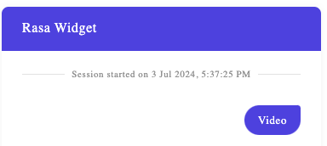
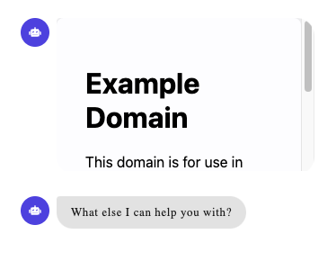
Chatbot widget: |  |  | User input message in the session window: |  |  | Chatbot response:

