Vlookup
Salesperson | ID Number | Date | Sale Amount | Commission | Salesperson | Commission
Kennedi Singh | 124300 | 2022-07-12 | $5,436 | $1,087 | Jaylynn Knapp | $1,038
Harley Fritz | 149160 | 2022-07-09 | $6,197 | $1,239
Nyla Novak | 152143 | 2022-07-11 | $7,065 | $1,413
David Rasmussen | 121715 | 2022-07-06 | $8,054 | $1,611
Ivan Hines | 109543 | 2022-07-10 | $9,182 | $1,836
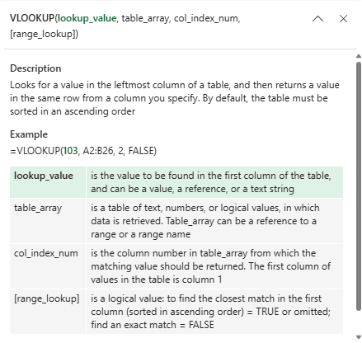
Jonah Higgins | 120497 | 2022-07-13 | $10,467 | $2,093
Jordan Boone | 122907 | 2022-07-15 | $2,446 | $489
Kylee Townsend | 98326 | 2022-07-12 | $2,691 | $538
Nora Rollins | 88493 | 2022-07-14 | $2,960 | $592
Steven Michael | 97343 | 2022-07-09 | $3,256 | $651
Lucia Mckay | 99289 | 2022-07-13 | $3,582 | $716
Josue Roach | 79432 | 2022-07-16 | $3,940 | $788
Franklin Wright | 71488 | 2022-07-18 | $4,334 | $867
Alia Thornton | 78637 | 2022-07-15 | $4,767 | $953
Denzel Flores | 80210 | 2022-07-17 | $5,244 | $1,049
Bruno Cordova | 64168 | 2022-07-12 | $5,768 | $1,154
Jaylynn Knapp | 57751 | 2022-07-16 | $5,192 | $1,038
Bruce Rich | 63526 | 2022-07-19 | $6,749 | $1,350
Arturo Moore | 64797 | 2022-07-21 | $8,774 | $1,755
Bryce Carpenter | 51837 | 2022-07-18 | $11,406 | $2,281
Jaidyn Andersen | 46654 | 2022-07-20 | $6,650 | $1,330
Bill Smith | 51319 | 2022-07-15 | $7,341 | $1,468

Hlookup
Salesperson | Kennedi Singh | Harley Fritz | Nyla Novak | David Rasmussen | Ivan Hines | Jonah Higgins | Jordan Boone | Kylee Townsend | Nora Rollins | Steven Michael | Lucia Mckay | Josue Roach | Franklin Wright | Alia Thornton | Denzel Flores | Bruno Cordova | Jaylynn Knapp | Bruce Rich | Arturo Moore | Bryce Carpenter | Jaidyn Andersen | Bill Smith
ID Number | 124300 | 149160 | 152143 | 121715 | 109543 | 120497 | 122907 | 98326 | 88493 | 97343 | 99289 | 79432 | 71488 | 78637 | 80210 | 64168 | 57751 | 63526 | 64797 | 51837 | 46654 | 51319
Date | 2022-07-12 | 2022-07-09 | 2022-07-11 | 2022-07-06 | 2022-07-10 | 2022-07-13 | 2022-07-15 | 2022-07-12 | 2022-07-14 | 2022-07-09 | 2022-07-13 | 2022-07-16 | 2022-07-18 | 2022-07-15 | 2022-07-17 | 2022-07-12 | 2022-07-16 | 2022-07-19 | 2022-07-21 | 2022-07-18 | 2022-07-20 | 2022-07-15
Sale Amount | $5,436 | $6,197 | $7,065 | $8,054 | $9,182 | $10,467 | $2,446 | $2,691 | $2,960 | $3,256 | $3,582 | $3,940 | $4,334 | $4,767 | $5,244 | $5,768 | $5,192 | $6,749 | $8,774 | $11,406 | $6,650 | $7,341
Commission | $1,087 | $1,239 | $1,413 | $1,611 | $1,836 | $2,093 | $489 | $538 | $592 | $651 | $716 | $788 | $867 | $953 | $1,049 | $1,154 | $1,038 | $1,350 | $1,755 | $2,281 | $1,330 | $1,468

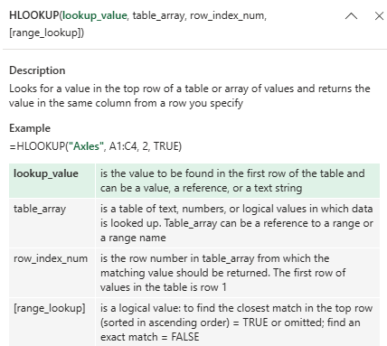

 |  |  |  |  | Salesperson | Commission
 |  |  |  |  | Harley Fritz | $1,239

Xlookup
ID Number | Date | Sale Amount | Commission | Salesperson | Vlookup
124300 | 2022-07-12 | $5,436 | $1,087 | Kennedi Singh | Salesperson | Commission
149160 | 2022-07-09 | $6,197 | $1,239 | Harley Fritz | Harley Fritz
152143 | 2022-07-11 | $7,065 | $1,413 | Nyla Novak
121715 | 2022-07-06 | $8,054 | $1,611 | David Rasmussen | Xlookup
109543 | 2022-07-10 | $9,182 | $1,836 | Ivan Hines | Salesperson | Commission
120497 | 2022-07-13 | $10,467 | $2,093 | Jonah Higgins | Harley Fritz | $1,239
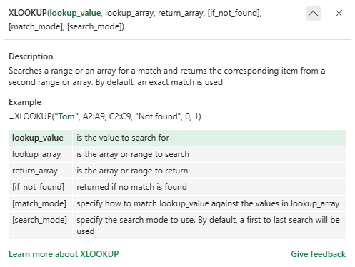
122907 | 2022-07-15 | $2,446 | $489 | Jordan Boone
98326 | 2022-07-12 | $2,691 | $538 | Kylee Townsend
88493 | 2022-07-14 | $2,960 | $592 | Nora Rollins
97343 | 2022-07-09 | $3,256 | $651 | Steven Michael
99289 | 2022-07-13 | $3,582 | $716 | Lucia Mckay
79432 | 2022-07-16 | $3,940 | $788 | Josue Roach
71488 | 2022-07-18 | $4,334 | $867 | Franklin Wright
78637 | 2022-07-15 | $4,767 | $953 | Alia Thornton
80210 | 2022-07-17 | $5,244 | $1,049 | Denzel Flores
64168 | 2022-07-12 | $5,768 | $1,154 | Bruno Cordova
57751 | 2022-07-16 | $5,192 | $1,038 | Jaylynn Knapp
63526 | 2022-07-19 | $6,749 | $1,350 | Bruce Rich
64797 | 2022-07-21 | $8,774 | $1,755 | Arturo Moore
51837 | 2022-07-18 | $11,406 | $2,281 | Bryce Carpenter
46654 | 2022-07-20 | $6,650 | $1,330 | Jaidyn Andersen
51319 | 2022-07-15 | $7,341 | $1,468 | Bill Smith

