Form Responses 1
Timestamp | Email Address | Age? | Gender? | Q1: What is your opinion about unavoidable interruptions like ads? | Q1 | Q2: How do you like to address technical problem parameters during shopping? | Q2 | Q3: How would you like to remark on the comfort parameter in terms of repetitive interaction? | Q3 | Q4: How would you like to evaluate the control over the environment parameter? | Q4 | Q5: Are there enough shortcuts to comfort you? | Q5 | Q6: Did you like the virtual shopping platform ; remark your satisfaction level? | Q6 | Q7: Did you get the right quality of products ; remark your satisfaction level? | Q7 | Q8: How would you describe the shopping environment, realistic or too artificial? | Q8 | Q9: How would you like to address the availability of peer-to-peer facilities? | Q9 | Q10: Are you satisfied with the cost rate of the products? | Q10 | Q11: How would you like to evaluate the quality of contents? | Q11 | Q12: Do you want to recommend the shopping platform for others; remark on your satisfaction level? | Q12 | Share Your Experience how can be improve this site? | Context | Question Range | Category | Agg.Score
11/5/2022 | tahjib.leon399@gmail.com | 21 | Male | Satisfied | 4 | Satisfied | 4 | Satisfied | 4 | Highly Satisfied | 5 | Satisfied | 4 | Highly Satisfied | 5 | Highly Satisfied | 5 | Satisfied | 4 | Neutral | 3 | Satisfied | 4 | Satisfied | 4 | Satisfied | 4 | Cost efficient. The loading of the website can be improved. | C1 | [Q1-Q4] | AC | 3.87
11/5/2022 | 19201203041@cse.bubt.edu.bd | 22 | Male | Neutral | 3 | Neutral | 3 | Satisfied | 4 | Highly Satisfied | 5 | Highly Satisfied | 5 | Satisfied | 4 | Highly Satisfied | 5 | Highly Satisfied | 5 | Satisfied | 4 | Satisfied | 4 | Neutral | 3 | Neutral | 3 | It was very smooth experience. | C2 | [Q5-Q8] | IE | 3.85
11/5/2022 | 19201103124@cse.bubt.edu.bd | 21 | Female | Highly Satisfied | 5 | Satisfied | 4 | Satisfied | 4 | Satisfied | 4 | Satisfied | 4 | Satisfied | 4 | Satisfied | 4 | Satisfied | 4 | Neutral | 3 | Neutral | 3 | Highly Satisfied | 5 | Highly Satisfied | 5 | Enjoyed all the pages and the products. | C3 | [Q9-Q12] | OG | 3.83
11/5/2022 | 19201103109@cse.bubt.edu.bd | 24 | Male | Neutral | 3 | Satisfied | 4 | Neutral | 3 | Satisfied | 4 | Neutral | 3 | Highly Satisfied | 5 | Satisfied | 4 | Satisfied | 4 | Neutral | 3 | Satisfied | 4 | Satisfied | 4 | Satisfied | 4 | More product can be added for better improvement of the website. | C4 | [Q1-Q4],[Q5-Q8] | AC,IE | 3.86
11/5/2022 | 18193203002@cse.bubt.edu.bd | 23 | Male | Dissatisfied | 2 | Neutral | 3 | Neutral | 3 | Highly Satisfied | 5 | Neutral | 3 | Neutral | 3 | Neutral | 3 | Neutral | 3 | Highly Satisfied | 5 | Satisfied | 4 | Highly Satisfied | 5 | Highly Satisfied | 5 | Create a Q&A platform for discussion with the user. | C5 | [Q1-Q4],[Q9-Q12] | AC,OG | 3.85
11/6/2022 | 19201203042@cse.bubt.edu.bd | 24 | Male | Satisfied | 4 | Satisfied | 4 | Neutral | 3 | Neutral | 3 | Satisfied | 4 | Satisfied | 4 | Highly Satisfied | 5 | Highly Satisfied | 5 | Highly Satisfied | 5 | Satisfied | 4 | Satisfied | 4 | Highly Satisfied | 5 | Make it more understandable for beginners with easy examples. Images & illustration can be improve a little bit. | C6 | [Q5-Q8],[Q9-Q12] | IE,OG | 3.84
11/6/2022 | 19201203061@cse.bubt.edu.bd | 25 | Male | Satisfied | 4 | Neutral | 3 | Satisfied | 4 | Highly Satisfied | 5 | Satisfied | 4 | Neutral | 3 | Highly Satisfied | 5 | Highly Satisfied | 5 | Neutral | 3 | Neutral | 3 | Neutral | 3 | Satisfied | 4 | Create options for customers feedback. Get fast and friendly support from Q & A area. | C7 | [Q1-Q12] | AC,IE,OG | 3.85
11/6/2022 | meherabh43@gmail.com | 24 | Male | Dissatisfied | 2 | Dissatisfied | 2 | Dissatisfied | 2 | Neutral | 3 | Neutral | 3 | Highly Satisfied | 5 | Satisfied | 4 | Neutral | 3 | Highly Satisfied | 5 | Dissatisfied | 2 | Highly Satisfied | 5 | Neutral | 3 | Too much color combination. Content quality can be improve a little bit.
11/6/2022 | 19201203065@cse.bubt.edu.bd | 22 | Male | Highly Satisfied | 5 | Satisfied | 4 | Satisfied | 4 | Satisfied | 4 | Satisfied | 4 | Satisfied | 4 | Neutral | 3 | Neutral | 3 | Neutral | 3 | Neutral | 3 | Satisfied | 4 | Highly Satisfied | 5 | Improve website speed quality. Provide better quality. Make it easy and usable for every age.
11/6/2022 | 19201203063@cse.bubt.edu.bd | 23 | Male | Neutral | 3 | Satisfied | 4 | Satisfied | 4 | Highly Satisfied | 5 | Neutral | 3 | Neutral | 3 | Satisfied | 4 | Satisfied | 4 | Neutral | 3 | Neutral | 3 | Satisfied | 4 | Satisfied | 4 | Get more human interaction. Try to make it easy to use for all user.
11/6/2022 | Enin.mimix13@gmail.com | 21 | Female | Satisfied | 4 | Neutral | 3 | Highly Satisfied | 5 | Satisfied | 4 | Dissatisfied | 2 | Highly Satisfied | 5 | Dissatisfied | 2 | Neutral | 3 | Neutral | 3 | Dissatisfied | 2 | Highly Satisfied | 5 | Highly Satisfied | 5 | Create user feedback option. Make it more understandable for beginners with easy example.
11/6/2022 | 19202103337@cse.bubt.edu.bd | 22 | Female | Satisfied | 4 | Highly Satisfied | 5 | Neutral | 3 | Satisfied | 4 | Satisfied | 4 | Satisfied | 4 | Highly Satisfied | 5 | Highly Satisfied | 5 | Satisfied | 4 | Satisfied | 4 | Highly Satisfied | 5 | Neutral | 3 | It was a great experience but Mobile version is needed. | Context | Agg.Score
11/6/2022 | nushratjahanrid83@gmail.com | 22 | Female | Highly Satisfied | 5 | Highly Satisfied | 5 | Highly Satisfied | 5 | Highly Satisfied | 5 | Neutral | 3 | Neutral | 3 | Satisfied | 4 | Satisfied | 4 | Satisfied | 4 | Satisfied | 4 | Neutral | 3 | Satisfied | 4 | It is user friendly. I like this project and more product can be added. | C1 | 3.87
11/6/2022 | rashedjisan@gmail.com | 24 | Male | Satisfied | 4 | Highly Satisfied | 5 | Neutral | 3 | Satisfied | 4 | Neutral | 3 | Neutral | 3 | Satisfied | 4 | Satisfied | 4 | Satisfied | 4 | Neutral | 3 | Neutral | 3 | Neutral | 3 | Good project. It can be more improved and also create options for customer feedback. | C2 | 3.85
11/6/2022 | fabiazaman51@gmail.com | 21 | Female | Highly Satisfied | 5 | Highly Satisfied | 5 | Satisfied | 4 | Satisfied | 4 | Satisfied | 4 | Satisfied | 4 | Highly Satisfied | 5 | Satisfied | 4 | Satisfied | 4 | Neutral | 3 | Highly Satisfied | 5 | Satisfied | 4 | Nice project and very helpful and also make navigation as easy and quick as possible. | C3 | 3.83
11/6/2022 | ananya.cse44@gmail.com | 22 | Female | Satisfied | 4 | Neutral | 3 | Satisfied | 4 | Neutral | 3 | Satisfied | 4 | Satisfied | 4 | Neutral | 3 | Satisfied | 4 | Satisfied | 4 | Neutral | 3 | Neutral | 3 | Neutral | 3 | Good and helpful but improve responsive design for every device. | C4 | 3.86
11/6/2022 | 19201103059@cse.bubt.edu.bd | 23 | Male | Highly Satisfied | 5 | Satisfied | 4 | Satisfied | 4 | Highly Satisfied | 5 | Neutral | 3 | Highly Satisfied | 5 | Neutral | 3 | Satisfied | 4 | Neutral | 3 | Satisfied | 4 | Satisfied | 4 | Highly Satisfied | 5 | I enjoyed the cart option from the website. | C5 | 3.85
11/6/2022 | habibamuskaan@gmail.com | 22 | Female | Satisfied | 4 | Satisfied | 4 | Neutral | 3 | Highly Satisfied | 5 | Neutral | 3 | Highly Satisfied | 5 | Highly Satisfied | 5 | Neutral | 3 | Satisfied | 4 | Neutral | 3 | Satisfied | 4 | Neutral | 3 | The mobile banking transaction system was very good and easy. | C6 | 3.84
11/6/2022 | ayonfardous1999@gmail.com | 24 | Male | Satisfied | 4 | Neutral | 3 | Satisfied | 4 | Satisfied | 4 | Satisfied | 4 | Highly Satisfied | 5 | Highly Satisfied | 5 | Neutral | 3 | Satisfied | 4 | Satisfied | 4 | Satisfied | 4 | Satisfied | 4 | Make website more minimalistic. When published make sure to improve network servers. | C7 | 3.85
11/6/2022 | 19202103200@cse.bubt.edu.bd | 21 | Male | Highly Satisfied | 5 | Highly Satisfied | 5 | Highly Satisfied | 5 | Highly Satisfied | 5 | Satisfied | 4 | Satisfied | 4 | Neutral | 3 | Neutral | 3 | Satisfied | 4 | Satisfied | 4 | Neutral | 3 | Highly Satisfied | 5 | It is a good project with good products.
11/6/2022 | 19201203052@cse.bubt.edu.bd | 22 | Male | Highly Satisfied | 5 | Highly Satisfied | 5 | Satisfied | 4 | Satisfied | 4 | Satisfied | 4 | Satisfied | 4 | Neutral | 3 | Neutral | 3 | Neutral | 3 | Neutral | 3 | Highly Satisfied | 5 | Highly Satisfied | 5 | Very happy with the pricing of the products. Buying experience was very good.
11/6/2022 | 19202103199@cse.bubt.edu.bd | 22 | Male | Satisfied | 4 | Satisfied | 4 | Satisfied | 4 | Satisfied | 4 | Neutral | 3 | Neutral | 3 | Highly Satisfied | 5 | Dissatisfied | 2 | Highly Satisfied | 5 | Dissatisfied | 2 | Neutral | 3 | Neutral | 3 | Improve product quality and reduce price. | Q1 | 3.86
11/14/2022 | 19201203052@cse.bubt.edu.bd | 23 | Male | Neutral | 3 | Satisfied | 4 | Satisfied | 4 | Neutral | 3 | Neutral | 3 | Highly Satisfied | 5 | Neutral | 3 | Neutral | 3 | Satisfied | 4 | Neutral | 3 | Satisfied | 4 | Highly Satisfied | 5 | Such a good project. Please reduce ads on your website. | Q2 | 3.83
11/14/2022 | 19201203043@cse.bubt.edu.bd | 22 | Male | Dissatisfied | 2 | Neutral | 3 | Neutral | 3 | Satisfied | 4 | Neutral | 3 | Satisfied | 4 | Highly Satisfied | 5 | Highly Satisfied | 5 | Highly Satisfied | 5 | Highly Satisfied | 5 | Satisfied | 4 | Neutral | 3 | I like this website. But reduce ads. | Q3 | 3.69
11/14/2022 | 19202103351@cse.bubt.edu.bd | 22 | Male | Neutral | 3 | Neutral | 3 | Satisfied | 4 | Satisfied | 4 | Satisfied | 4 | Satisfied | 4 | Neutral | 3 | Neutral | 3 | Satisfied | 4 | Satisfied | 4 | Highly Satisfied | 5 | Highly Satisfied | 5 | Product buying experience was fantastic. | Q4 | 4.10
11/14/2022 | 19202103355@cse.bubt.edu.bd | 24 | Male | Satisfied | 4 | Satisfied | 4 | Satisfied | 4 | Neutral | 3 | Satisfied | 4 | Neutral | 3 | Highly Satisfied | 5 | Neutral | 3 | Satisfied | 4 | Neutral | 3 | Neutral | 3 | Satisfied | 4 | U I can be more suitable and more products can be added.. | Q5 | 3.59
11/14/2022 | 19202103359@cse.bubt.edu.bd | 23 | Male | Satisfied | 4 | Neutral | 3 | Neutral | 3 | Satisfied | 4 | Satisfied | 4 | Highly Satisfied | 5 | Neutral | 3 | Neutral | 3 | Neutral | 3 | Neutral | 3 | Highly Satisfied | 5 | Highly Satisfied | 5 | Have peer-to-peer facilities and make more realistic. | Q6 | 4.03
11/14/2022 | 19202103333@cse.bubt.edu.bd | 24 | Female | Satisfied | 4 | Satisfied | 4 | Neutral | 3 | Neutral | 3 | Satisfied | 4 | Neutral | 3 | Highly Satisfied | 5 | Satisfied | 4 | Neutral | 3 | Neutral | 3 | Neutral | 3 | Satisfied | 4 | Login and registration page packet losses too many timed. | Q7 | 4.07
11/20/2022 | 19202103357@cse.bubt.edu.bd | 23 | Male | Satisfied | 4 | Satisfied | 4 | Neutral | 3 | Satisfied | 4 | Satisfied | 4 | Satisfied | 4 | Highly Satisfied | 5 | Highly Satisfied | 5 | Satisfied | 4 | Satisfied | 4 | Satisfied | 4 | Highly Satisfied | 5 | Easy for registration. Navigation bar are user friendly. | Q8 | 3.72
 |  |  |  |  |  |  |  |  |  |  |  |  |  |  |  |  |  |  |  |  |  |  |  |  |  |  |  |  | Q9 | 3.79
 | Age Sum | 656 |  | Sum | 112 |  | 111 |  | 107 |  | 119 |  | 104 |  | 117 |  | 118 |  | 108 |  | 110 |  | 98 |  | 116 |  | 120 |  | Q10 | 3.38
 | Age Average | 22.62 |  | Average | 3.86 |  | 3.83 |  | 3.69 |  | 4.10 |  | 3.59 |  | 4.03 |  | 4.07 |  | 3.72 |  | 3.79 |  | 3.38 |  | 4.00 |  | 4.14 |  | Q11 | 4.00
Agg.Score
 |  |  |  |  |  |  |  |  |  |  |  |  |  |  |  |  |  |  |  |  |  |  |  |  |  |  |  |  | Q12 | 4.14
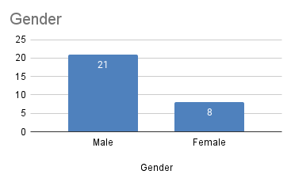
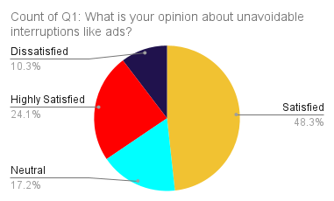
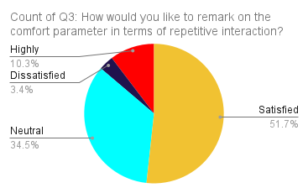
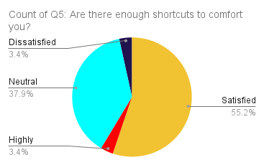
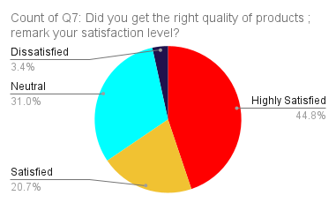
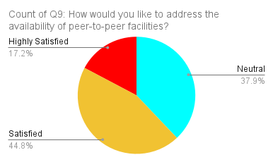
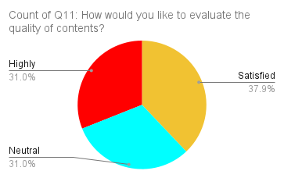

AC
OG

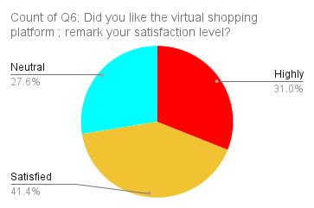
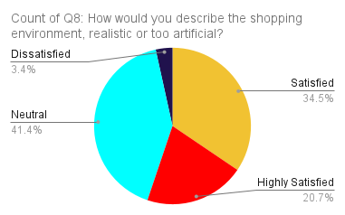
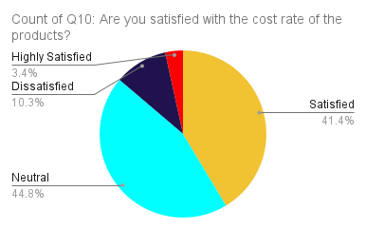
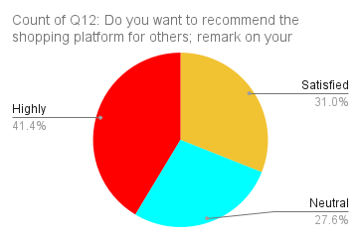
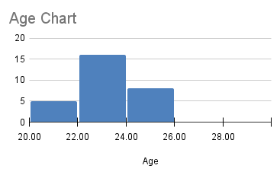
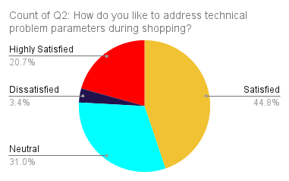
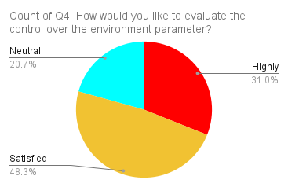

IE
C1 C2 C3

All Questions

