Algorithms_snapshot
Category | Problem Type | Algorithm Name | Nondeterministic / deterministic | Results interpretable by you? | Easy to explain algorithm to others? | Average predictive accuracy | Training speed | Prediction speed | Amount of parameter tuning needed (excluding feature selection) | Performs well with small number of observations? | Handles lots of irrelevant features well (separates signal from noise)? | Automatically learns feature interactions? | Gives calibrated probabilities of class membership? | Parametric? | Function to be used | Other functions used | Distance used | Diff methods of distance used | Default distance method | Data type | scaling | missing imputaion | Visualization | Uses | Concerns | Graphs
Un-supervised | Clustering | Mean clustering | Deterministic | Yes | Yes | NA | NA | NA | NA | No | NA | No | NA | No | stats::Kmeans() | mice::md.pattern() / scale()/factoextra::get_dist()/factoextra::fviz_nbclust() | Yes | Euclidean , Manhattan and Minkowski distance | Euclidean | Numeric | Yes | Yes | factoextra::fviz_cluster() / factoextra::fviz_dist() /cluster::clusplot() | Finding similar observations to form the groups in a dataset without labels | Standardizaton needed Finding an optimal no K Sensitive to missing values and outliers
Un-supervised | Clustering | Mode clustering | Deterministic | Yes | Yes | NA | NA | NA | NA | No | NA | No | NA | No | klaR::kmodes() | mice::md.pattern() /cluster::daisy()/ | Instead of distances it uses dissimilarities | NA | NA | Categorical | No | Yes | plot()/points()/factoextra::fviz_dist() | This is used to cluster categorical data. | Finding an optimal no K | 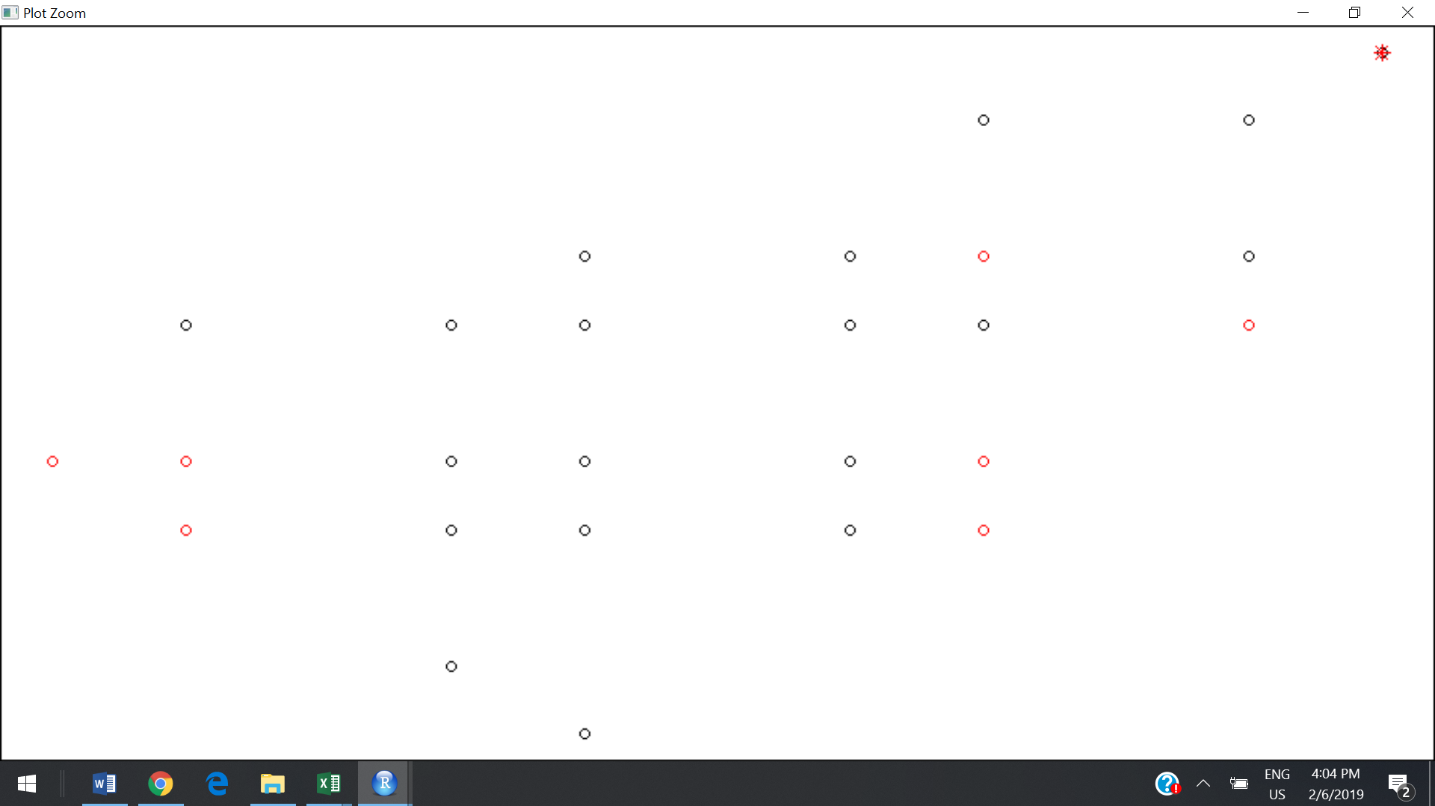
Un-supervised | Clustering | Median clustering | Deterministic | Yes | Yes | NA | NA | NA | NA | No | NA | No | NA | No | Gmedian::kGmedian() | mice::md.pattern() / scale() | Yes | Euclidean , Manhattan and Minkowski distance | Manhattan | Numeric | Yes | Yes | plot()/points() | Median is a statistic incredibly resistant to outliers | when operating on very large data sets. | 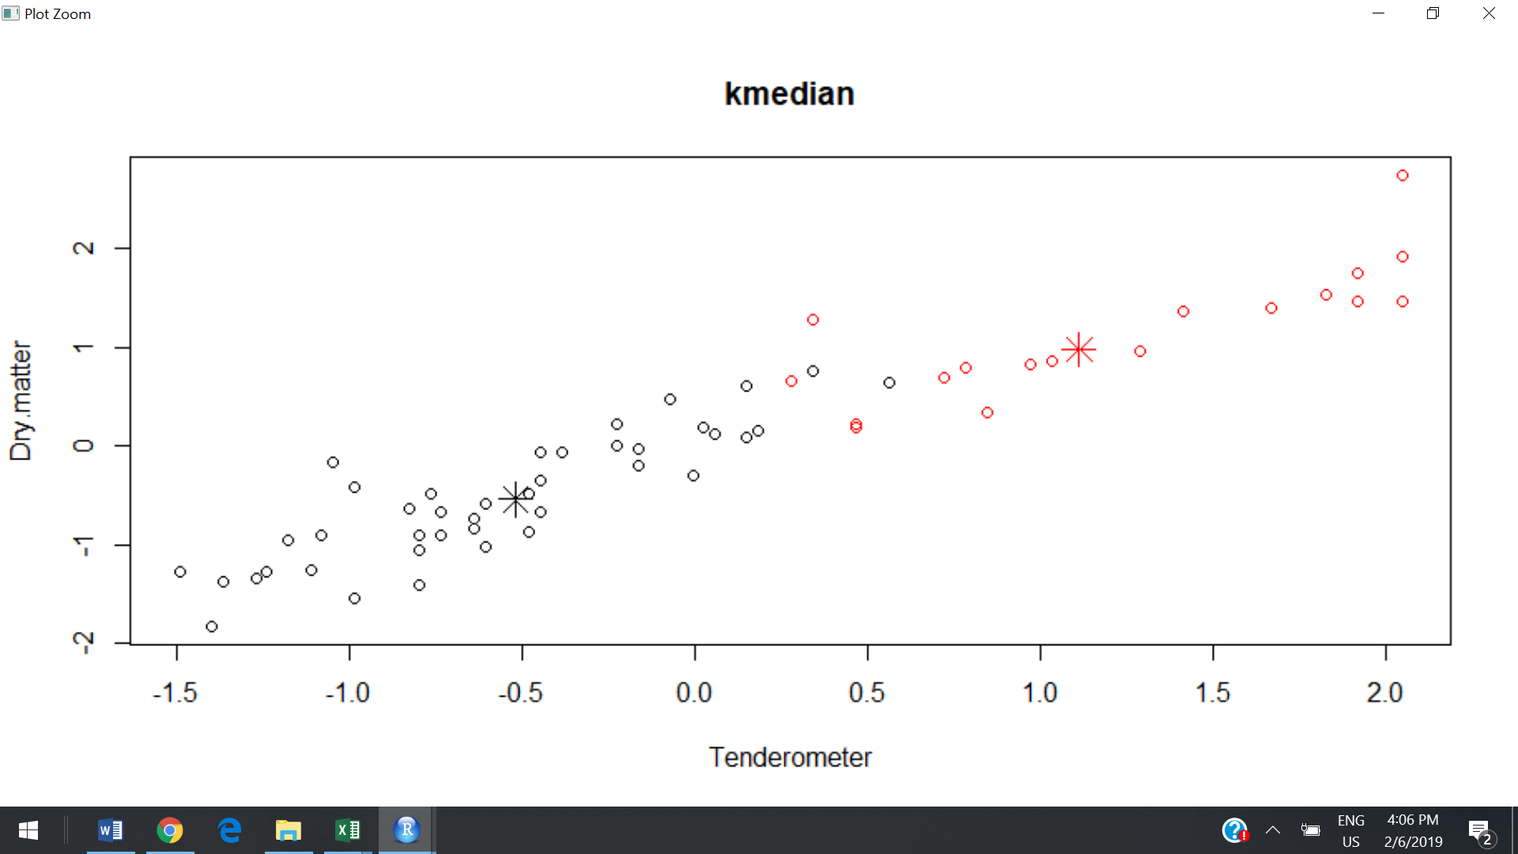
Un-supervised | Clustering | Meoids Clustering | Deterministic | Yes | Yes | NA | NA | NA | NA | No | NA | No | NA | No | kmed ::kmedoids() | cluster::pam() | Yes | pairwise distances of data points |  | Numeric | Yes | Yes | plot()/points() | It is more robust to noise and outliers as compared to k-means | k-medoid clustering is the Partitioning Around Medoids (PAM) algorithm. PAM uses a greedy search which may not find the optimum solution | 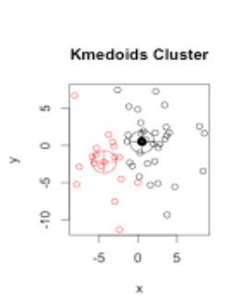
Un-supervised | Clustering | Hirerarichal Clustering | Deterministic | Yes | Somewhat | NA | NA | NA | NA | No | NA | No | NA | No | stats::hclust() | mice::md.pattern() / scale()/stats::dist()/stats::cutree()/cluster::diana()/cluster::pltree() | Yes | conventional distance matrices. |  | Numeric/categorical | Yes | Yes | plot()/stats::rect.hclust() | Create a known number of overlapping clusters of different sizes | Standardizaton needed An optimal no of clusters Sensitive to missing values and outliers Curse of dimensionality | 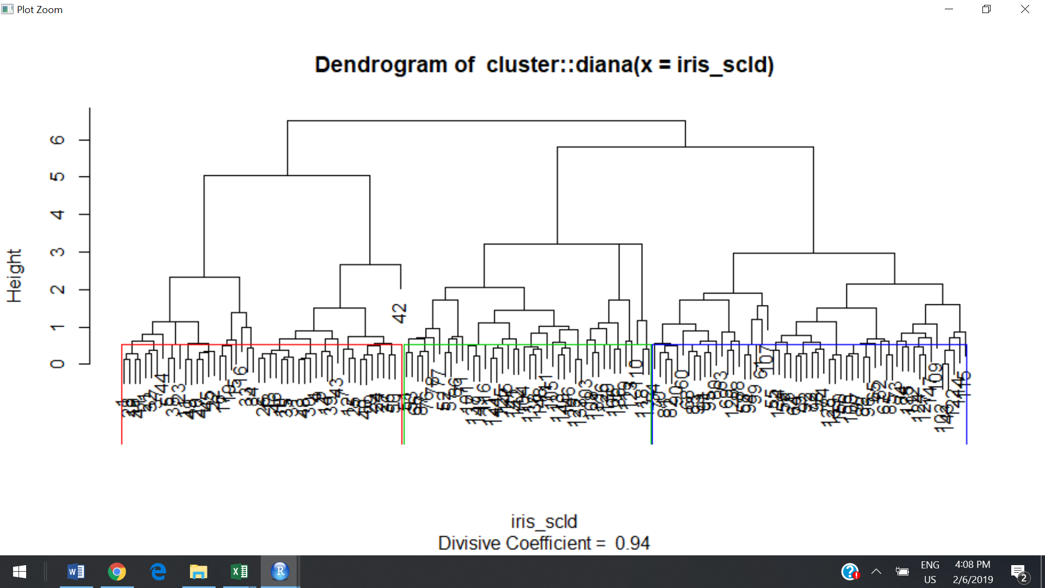
Un-supervised | Associataion /Affinity | Market Basket Analysis | Deterministic | No | No | NA | NA | NA | NA | NA | NA | No | NA | No | arules::apriori() /arules::eclat() | arules::read.transactions()/ as(gro_list1, "transactions") /arules::inspect() | NA | NA | NA | Transactional datatype | No | No(usually missing transaction will be traetd no transaction | arules::itemFrequencyPlot() | Market basket analysis (MBA) is a business intelligence technique used to predict future purchase decisions of the customers
Supervised | Classification | Naïve Bayes | Nondeterministic | Somewhat | Somewhat | Lower | Fast (excluding feature extraction) | Fast | Some for feature extraction | Yes | Yes | No | No | No | e1071::naiveBayes() | caret::createDataPartition()/caret::confusionMatrix()/arules::predict() | NA | NA | NA | Numeric / Text categorical | No | No | graphics::fourfoldplot() - confusion matrix | Naïve Bayes is mostly used in areas like spam mail classification. It perform well in case of categorical input variables compared to numerical variable(s). It is easy and fast to predict class of test data set. It also perform well in multi class prediction | Naive Bayes classifier assumes that all the features are unrelated to each other. Presence or absence of a feature does not influence the presence or absence of any other feature.
Supervised | Classification / Regression | KNN | Nondeterministic | Yes | Yes | Higher | NA | Depends on N | Minimal | Yes | No | No | Yes | No | class ::knn() | caret::createDataPartition()/caret::confusionMatrix()/arules::predict() | Yes | Euclidean , Manhattan, Jaccard,Tanimoto and Minkowski distance | Euclidean | Numeric | Yes | Yes | graphics::fourfoldplot() - confusion matrix | Gives more accurate results and It is commonly used for its easy of interpretation and low calculation time. | Lazy algorithm. Does not actually train any data. Rather each time we want to predict it executes whole model.
Supervised | Classification / Regression | Decision Tree | Deterministic | High | Somewhat | Lower | Fast | Fast | Some | No | No | Yes | Possibly | No | rpart::rpart() | caret::createDataPartition()/caret::confusionMatrix()/arules::predict() | NA | NA | NA | numerical / categorical | No | No | graphics::fourfoldplot() - confusion matrix | Tress handle the outliers and missing observations very well. Interactions considered automatically, but implicitly Essemble trees for ex, random forest and gradiant boosting have the ability to increase prediction accuracy and decrease overliftting to some extent | overfitting unstable with noisy and outliers data careful parameter training required | 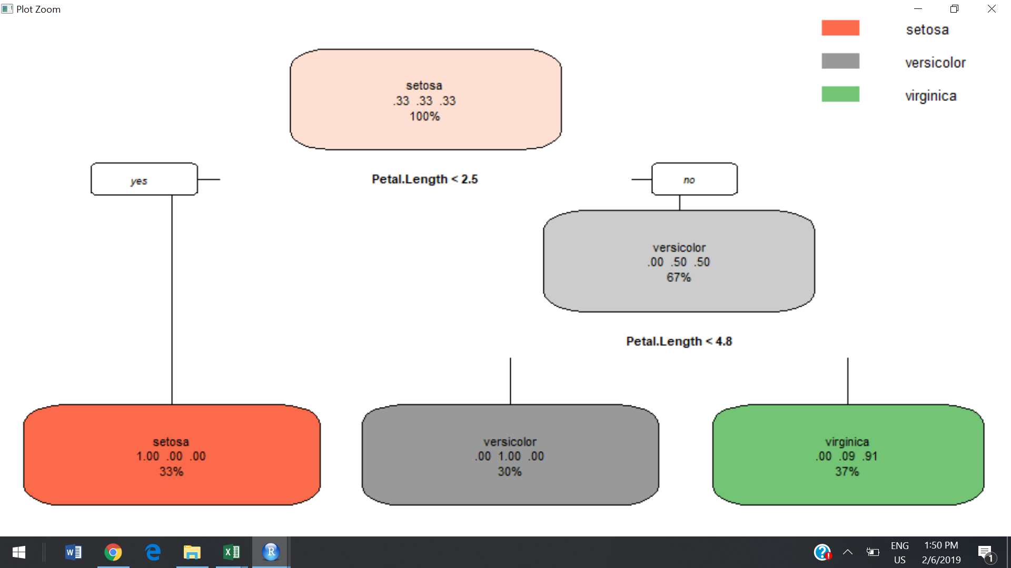
Supervised | Regression | Linear regression | Deterministic | Yes | Yes | Lower | Fast | Fast | None (excluding regularization) | Yes | No | No | N/A | Yes | stats::lm() | caret::createDataPartition()/arules::predict() /caret::RMSE() | Yes | NA | NA | Numeric | Yes | Yes | We can see regression line using qplot() | The goal of regression model is to build a mathematical equation that defines y as a function of the x variables. Next, this equation can be used to predict the outcome (y) on the basis of new values of the predictor variables (x). | Linear regression only looks at linear relationships between dependent and independent variables. Linear Regression Is Sensitive to Outliers. Data Must Be Independent. | 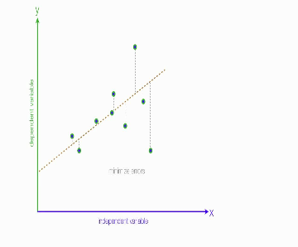
Supervised | Classification | Logistic regression | Deterministic | Somewhat | Somewhat | Lower | Fast | Fast | None (excluding regularization) | Yes | No | No | Yes | Yes | stats::glm() | caret::createDataPartition()/caret::confusionMatrix()/arules::predict() | No ….. It is Probablistic | NA | NA | Numeric | Yes | Yes | ggplot2::ggplot() | Logistic Regression is a classification algorithm. It is used to predict a binary outcome (1 / 0, Yes / No, True / False) given a set of independent variables. Binary logistic regression, binomial logistic regression and logit model. | Logistic regression does not return directly the class of observations. It allows us to estimate the probability (p) of class membership. The probability will range between 0 and 1. | 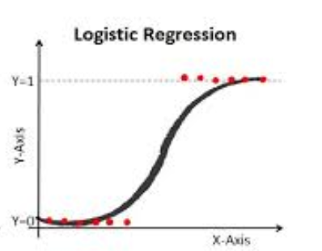
Supervised | Classification / Regression | Random Forests | Nondeterministic | A little | No | Higher | Slow | Moderate | Some | No | Yes (unless noise ratio is very high) | Yes | Possibly | No | randomForest::randomForest() | caret::createDataPartition()/arules::predict() /caret::RMSE() | No ….. It is Decision Tree Based | NA | NA | Numeric / Categorical | No | No | plot() | It is robust to correlated predictors. it is used to solve both regression and classification problems. It can handle thousands of input variables without variable selection. It can be used as a feature selection tool using its variable importance plot. It takes care of missing data internally in an effective manner. Essentially No Pre-Processing needed It is 'Robust' to Outliers | The Random Forest model is difficult to interpret. It can take longer than expected time to compute a large number of trees | 