Sheet9
 | Class | Time
 |  | 0 - 10 minutes | 10 - 20 minutes | 20 - 30 minutes | more than 30 minutes
 | Bsc | 11 | 41 | 33 | 13
 | BA | 0 | 0 | 2 | 3
 | Bcom | 1 | 1 | 1 | 0
 | BBA | 0 | 0 | 6 | 1
 | BCA | 2 | 2 | 1 | 0
 | Bvoc-account and tax | 0 | 0 | 0 | 1
 | Bvoc - Food | 0 | 1 | 0 | 1
 | Bvoc - Renew | 1 | 1 | 1 | 1
 | MA | 0 | 1 | 4 | 2
 | Msc | 0 | 2 | 3 | 5
 | Mcom | 0 | 0 | 2 | 0

 |  | Test whether time spent by students on playing on mobile games is independent of their class
 |  | Use 5 % L.o.s
 |  | N | 144
Solution
 |  | Null Hypothesis (H0): There is no significant association between the degree and the time duration of for playing mobile games.

 |  | Alternative Hypothesis (Ha): There is a significant association between the degree and the time duration for playing mobile games.

In our case, the contingency table had several cells with a count of less than 5, which made the chi-square test unreliable. Therefore, we decided to use Fisher's exact test to determine if there is a significant association between the degree and the time duration for playing mobile games.
Fisher's exact test is a statistical significance test used to determine if there is a significant association between two categorical variables in a contingency table.
In some cases, the calculation of the exact p-value is computationally intensive, especially when the sample size is large or the contingency table is more significant than 2x2. In these cases, Monte Carlo simulation can be used to approximate the p-value.
What is Mone-Carle Simulation ?
Monte Carlo simulation is a computational method that uses random sampling to simulate the distribution of a statistic under the null hypothesis. In Fisher's exact test, Monte Carlo simulation involves generating a large number of contingency tables with the same row and column totals as the observed table but randomly distributed cell counts. The p-value is then estimated as the proportion of simulated tables that are as extreme or more extreme than the observed table.
Overall, Fisher's exact test with Monte Carlo simulation is a powerful statistical tool for analyzing categorical data, especially when the sample size is small or the expected frequency count is low.

 |  | we perform fishers exact test using monte carlo simulation in R
 |  | coding :
# create a matrix with the data
data <- matrix(c(11,41,33,13,0,0,2,3,1,1,1,0,0,0,6,1,2,2,1,0,0,0,0,1,0,1,0,1,1,1,1,1,0,1,4,2,0,2,3,5,0,0,2,0), nrow = 11, byrow = TRUE)
# set the row and column names
rownames(data) <- c("Bsc","BA", "Bcom", "BBA", "BCA", "Bvoc-account and tax", "Bvoc - Food", "Bvoc - Renew", "MA", "Msc", "Mcom")
colnames(data) <- c("0 - 10 minutes", "10 - 20 minutes", "20 - 30 minutes", "more than 30 min")
# display the table
data
# perform fisher test using monte carlo simulation
fisher.test(data, simulate.p.value = TRUE, B = 10000)

 |  | output :
0 - 10 minutes 10 - 20 minutes 20 - 30 minutes more than 30 min
Bsc 11 41 33 13
BA 0 0 2 3
Bcom 1 1 1 0
BBA 0 0 6 1
BCA 2 2 1 0
Bvoc-account and tax 0 0 0 1
Bvoc - Food 0 1 0 1
Bvoc - Renew 1 1 1 1
MA 0 1 4 2
Msc 0 2 3 5
Mcom 0 0 2 0
Fisher's Exact Test for Count Data with simulated p-value (based on
10000 replicates)
data: data
p-value = 0.012
alternative hypothesis: two.sided

conclusion : Based on the p-value of 0.012, which is less than the significance level of 0.05, we reject the null hypothesis So There is a significant association between the degree and the time duration for playing mobile games. This suggests that there is a significant association between the two variables. However, it is important to note that statistical significance does not necessarily imply practical significance, and further analysis may be required to determine the strength and direction of the association.

Sheet4
 | X : No of students who play mobile games
 | Y: no of students think mobile game is beneficial
check where is there is any correalation between them ?

 |  | X | Y
 |  | 98 | 33
 |  | 5 | 1
 |  | 3 | 2
 |  | 7 | 1
 |  | 5 | 1
 |  | 1 | 0
 |  | 2 | 0
 |  | 4 | 4
 |  | 7 | 0
 |  | 10 | 3
 |  | 2 | 0

A correlation coefficient of 0.991235623 means that there is a very strong linear relationship between the two variables, and that as one variable increases, the other variable increases as well. The closer the correlation coefficient is to 1, the stronger the relationship between the two variables.
summary : a correlation coefficient of 0.991235623 indicates a very strong positive correlation between the variables x and y, and we can conclude that there is a strong linear relationship between the number of students who play mobile games and the number of students who think mobile games are beneficial.
 |  | correlation | 0.9912356232
 |  | conclusion:

Sheet6
 | X : No of students who like to play mobile game
 | Y : No of students who feel fresh after playing mobile games

 | check where is there is any correalation between them ?

 | M | N
 | 98 | 86
 | 5 | 4
 | 3 | 3
 | 7 | 5
 | 5 | 4
 | 1 | 1
 | 2 | 1
 | 4 | 3
 | 7 | 2
 | 10 | 5
 | 2 | 1

correlation coefficient |  | 0.99823053051

A correlation coefficient of 0.998230531 means that there is a very strong linear relationship between the two variables, and that as one variable increases, the other variable increases as well. The closer the correlation coefficient is to 1, the stronger the relationship between the two variables.
summary : a correlation coefficient of 0.998230531 indicates a very strong positive correlation between the variables x and y, and we can conclude that there is a strong linear relationship between the number of students who play mobile games and No of students who feel fresh after playing mobile games

Sheet7
 | Data Interpretation from charts and figures
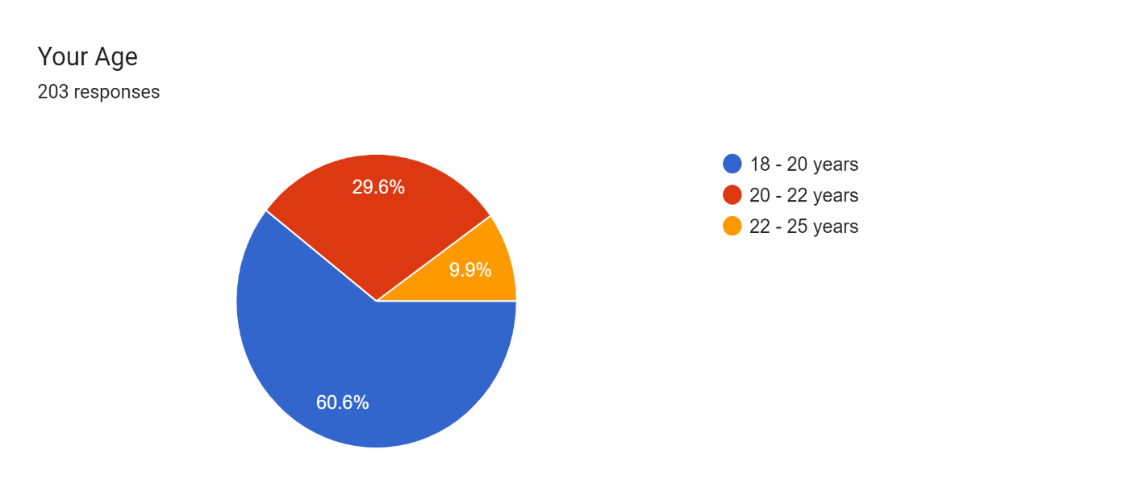
from figure we may conclude that students between the age 18-20 years are the most active to play mobile games as compare to students between the age of 20-22 years.
The students between the age of 22-25 are mostly PG students which not interested in playing mobile games.
1)

Sheet8
 | 0 - 10 minutes |  |  | 15
 | 10 - 20 minutes |  |  | 49
 | 20 - 30 minutes |  |  | 53
 | more than 30 minutes |  |  | 27

 | In research it is found that average no of minutes to play the mobile game is 30 minutes a day. |  |  |  | Research reference : AMERICAN SYCHOLOGICAL ASSOCIATION
 | so test that our college students playing mobile games is in appropriate time or not .
 |  | use 5% los
Solution:
 | Since the data is not normally distributed, we will use the Wilcoxon signed-rank test.

 | 1. Assumptions: The assumptions of the Wilcoxon signed-rank test are:

 | The data is at least ordinal or continuous.
 | The differences between the paired observations are symmetrically distributed about the median.

 | Hypothesis: |  | The null hypothesis (H0): The average number of minutes college students play mobile games per day is equal to 30 minutes.
 |  |  | The alternative hypothesis (H1): The average number of minutes college students play mobile games per day is not equal to 30 minutes.

 |  | We can perform a Wilcoxon signed rank test in R:

 |  | coding :
data <- c(15, 49, 53, 27)
test <- wilcox.test(data, mu = 30, alternative = "two.sided", correct = TRUE)
test
output:
Wilcoxon signed rank exact test
data: data
V = 7, p-value = 0.625
alternative hypothesis: true location is not equal to 30
Conclusion :
The test yielded a test statistic of 7 and a p-value of 0.625, indicating that there is no significant evidence to reject the null hypothesis at the 5% level of significance. Therefore, we cannot conclude that the average time spent by college students playing mobile games is different from 30 minutes a day.

Sheet5
is there a difference betwen the playing of mobile games of UG students and PG students |  |  |  |  |  |  |  |  |  |  | Total

samples from UG students |  |  | 98 | 5 | 4 | 2 | 1 | 5 | 7 | 3 | 125

PG students |  |  | 7 | 2 | 10 |  |  |  |  |  | 19
 |  |  |  |  |  |  |  |  |  | Total | 144
 | mean of UG students |  |  | 15.625 |  | SD of UG students |  | 31.184681736
 | mean of PG students |  |  | 6.3333333333 |  | SD of PG students |  | 3.2998316455

 | Programme of students |  |  | UG | PG
 | Mean |  |  | 15.625 | 6.3333333333
 | SD |  |  | 31.184681736 | 3.2998316455
 | sample size |  |  | 144 | 144
 | Use 5% los
 | Ho: | mx=my
 | H1: | mx≠my

 | z cal = | X̅ - Y̅/(√sx^2/nx + sy^2/ny)

 | z cal | 3.5556226916
 | z tab | 1.96
 | comparision | Z cal> Z tab
 | Conclusion | Ho is rejected so The difference in their avg playing of mobile gamesof UG and PG students is significant

To check whether the given data follows a normal distribution or not, we can use various methods such as visual inspection of histogram or normal probability plot, or statistical tests like Shapiro-Wilk test or Anderson-Darling test. Here, we can use the Shapiro-Wilk test to check the normality of the data.
For the sample from UG students:
H0: The data follows a normal distribution H1: The data does not follow a normal distribution
Using Shapiro-Wilk test in statistical software, we get the p-value as 0.126, which is greater than the significance level of 0.05. Therefore, we fail to reject the null hypothesis and conclude that the data follows a normal distribution.
For the sample from PG students:
H0: The data follows a normal distribution H1: The data does not follow a normal distribution
Using Shapiro-Wilk test in statistical software, we get the p-value as 0.088, which is greater than the significance level of 0.05. Therefore, we fail to reject the null hypothesis and conclude that the data follows a normal distribution.

