Pinout
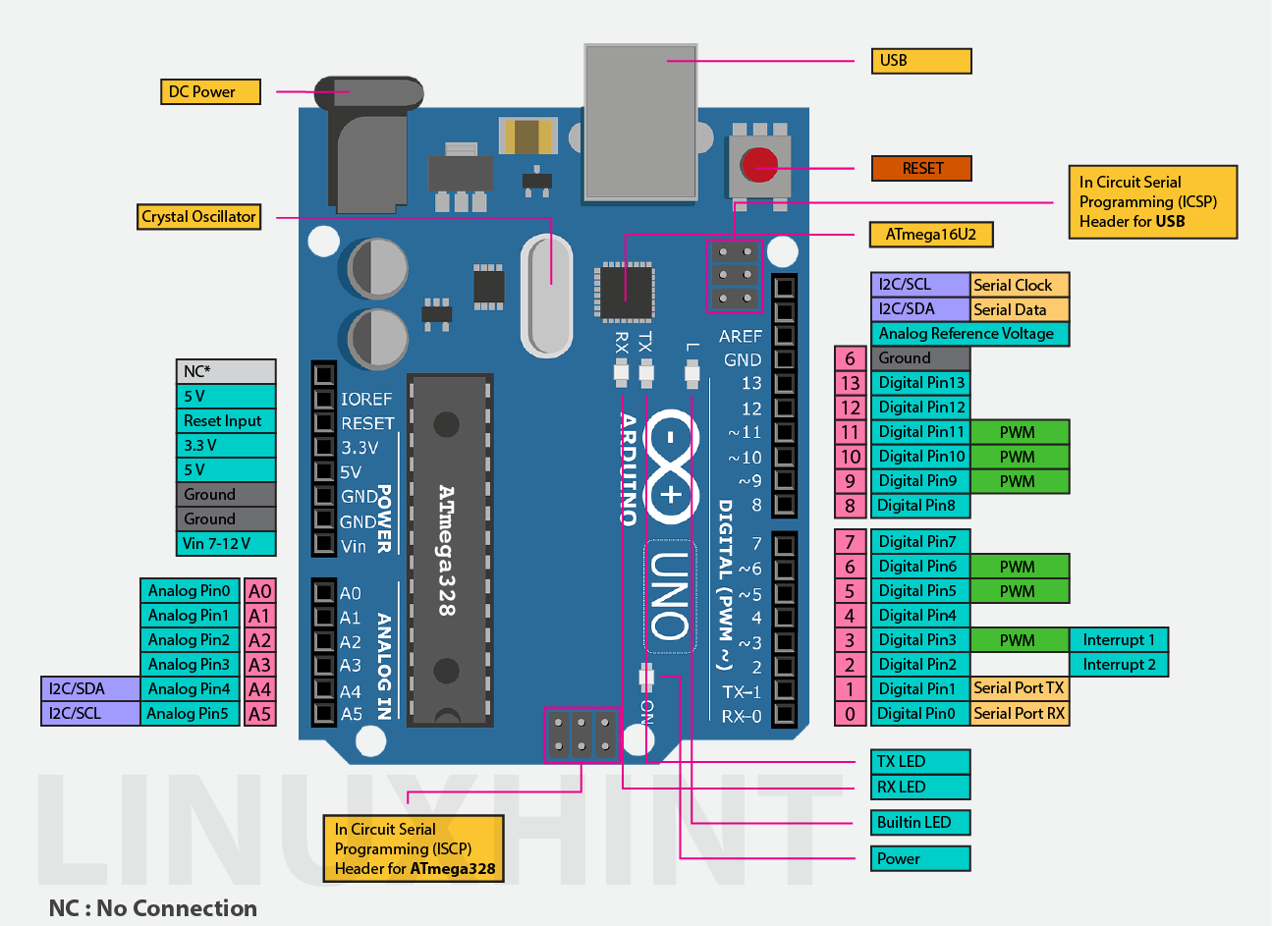
 | Arduino 1 | Arduino 2
RX-0
TX-1
2 | Endstop R+ | Endstop F+ | Endstop R+ | Endstop Z+
3 | Endstop R- | Endstop F- | Endstop R- | Endstop Z-
4 | Row 1 | Endstop X+ | Row 1 | Endstop F+
5 | Row 2 | Endstop X- | Row 2 | Endstop F-
6 | Row 3 | Endstop Y+ | Row 3 | DIR5
7 |  | Endstop Y- | Column 1 | STEP5
8 | Column 1 | Endstop Z+ | Column 2 | MS1.5
9 | Column 2 | Endstop Z- | Column 3 | MS2.5
10 | Column 3 | DIR5 | Column 4 | SER
11 | Column 4 | STEP5 | Column 5 | SRCLK / clockPin
12 | Column 5 | MS1.5 | Endstop X+ | RCLK / latchPin
13 | SER | MS2.5 | Endstop X- | LED
A0 | SRCLK / clockPin | LED | Endstop Y+ | Motor Relay 12V
A1 | RCLK / latchPin | Motor Relay 12V | Endstop Y-
A2 | SW Serial-TX | SW Serial-RX
A3 | SW Serial-RX | SW Serial-TX
A4/SDA
A5/SCL

 | Endstop X+ | 2 fire | Motor X | 4 fire |  | Register 1 | Register 2
 | Endstop X- | 2 fire | Motor Y | 4 fire | QA | DIR1 | DIR3
 | Endstop Y+ | 2 fire | Motor Z | 4 fire | QB | STEP1 | STEP3
 | Endstop Y- | 2 fire | Motor R | 4 fire | QC | MS1.1 | MS1.3
 | Endstop Z+ | 2 fire | Motor F | 4 fire | QD | MS2.1 | MS2.3
 | Endstop Z- | 2 fire | Row 1 | 1 fir | QE | DIR2 | DIR4
 | Endstop R+ | 2 fire | Row 2 | 1 fir | QF | STEP2 | STEP4
 | Endstop R- | 2 fire | Row 3 | 1 fir | QG | MS1.2 | MS1.4
 | Endstop F+ | 2 fire | Row 4 | 1 fir | QH | MS2.2 | MS2.4
 | Endstop F- | 2 fire | Column 1 | 1 fir | QH' | SER2
 |  |  | Column 2 | 1 fir | SER
 |  |  | Column 3 | 1 fir | OE
 |  |  | Column 4 | 1 fir | RCLK
 |  |  | Column 5 | 1 fir | SRCLK
 |  |  |  |  | SRCLR

