Comparison
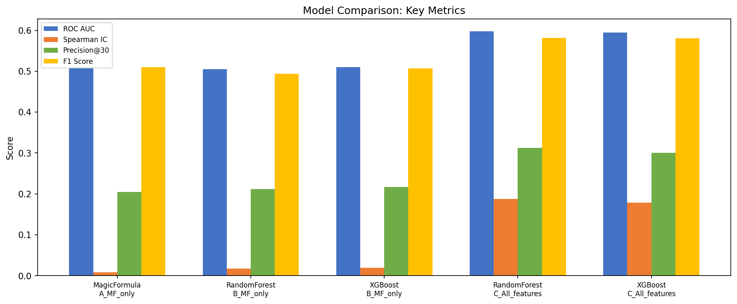
Model | Layer | Accuracy | Precision | Recall | F1 Score | ROC AUC | Spearman IC | NDCG@30 | Precision@30 | CAGR | Sharpe | Max Drawdown | Folds
MagicFormula | A_MF_only | 0.5038 | 0.5124 | 0.5073 | 0.5098 | 0.5081 | 0.0087 | 0.5962 | 0.2050 | 1.2955 | 0.0000 | 0.0000 | 47.0000
RandomForest | B_MF_only | 0.5078 | 0.5196 | 0.4739 | 0.4936 | 0.5046 | 0.0176 | 0.5915 | 0.2113 | 1.3154 | 0.0000 | 0.0000 | 47.0000
XGBoost | B_MF_only | 0.5062 | 0.5150 | 0.5020 | 0.5073 | 0.5096 | 0.0197 | 0.5799 | 0.2170 | 1.2695 | 0.0000 | 0.0000 | 47.0000
RandomForest | C_All_features | 0.5793 | 0.5890 | 0.5746 | 0.5813 | 0.5976 | 0.1881 | 0.6551 | 0.3128 | 2.7637 | 0.0000 | 0.0000 | 47.0000
XGBoost | C_All_features | 0.5700 | 0.5778 | 0.5852 | 0.5809 | 0.5943 | 0.1790 | 0.6520 | 0.3007 | 8.2069 | 0.0000 | 0.0000 | 47.0000

IC Over Time
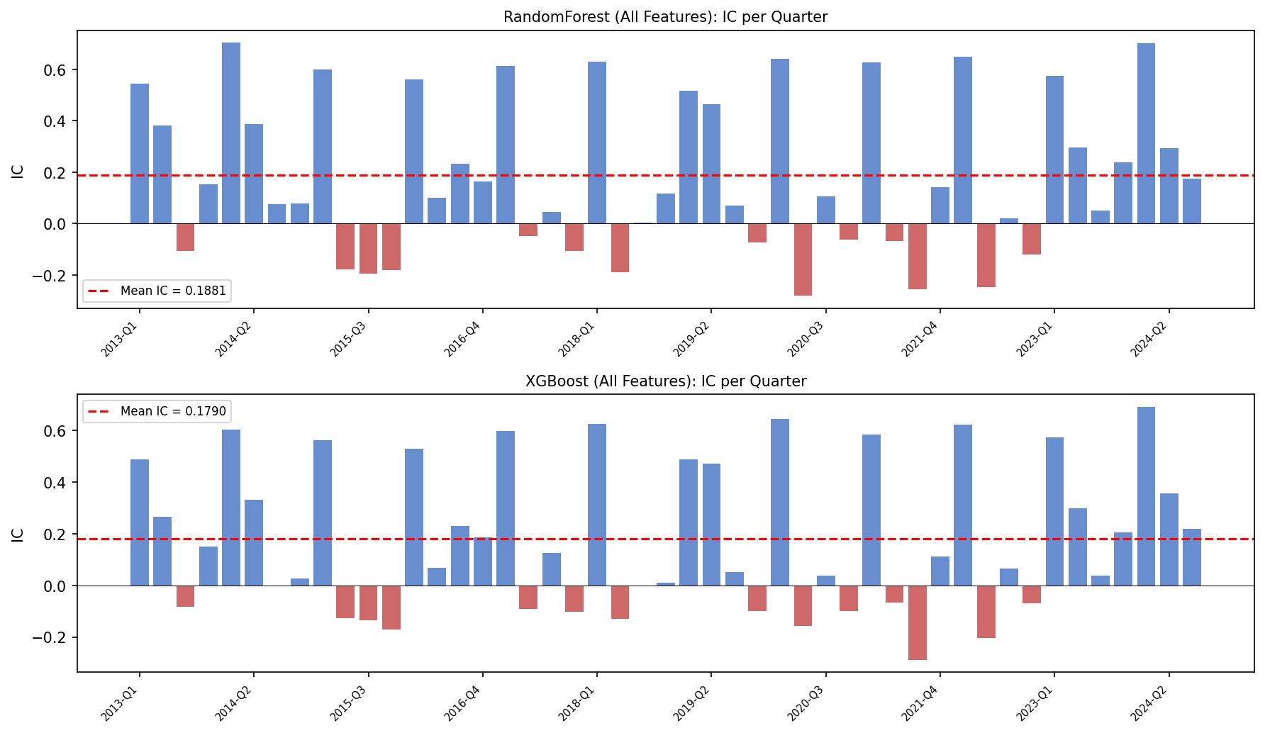
Spearman IC per quarter — Layer C models

Feature Importance
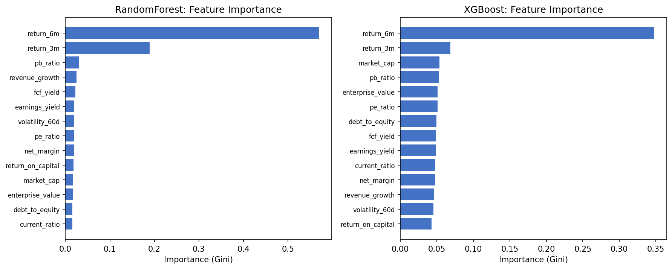
Feature importance (Gini) — last walk-forward fold

