Top20
Fold | Modelo1 | Modelo2 | Modelo3 | Modelo4 | Modelo5 | Modelo6 | Modelo7 | Modelo8 | Modelo9 | Modelo10 | Modelo11 | Modelo12 | Modelo13 | Modelo14 | Modelo15 | Modelo16 | Modelo17 | Modelo18 | Modelo19 | Modelo20
1 | 0.45 | 0.45 | 0.45 | 0.45 | 0.46 | 0.46 | 0.46 | 0.46 | 0.46 | 0.46 | 0.46 | 0.46 | 0.44 | 0.44 | 0.44 | 0.44 | 0.44 | 0.45 | 0.43 | 0.43
2 | 0.47 | 0.47 | 0.44 | 0.44 | 0.44 | 0.44 | 0.44 | 0.44 | 0.44 | 0.44 | 0.44 | 0.44 | 0.44 | 0.44 | 0.45 | 0.45 | 0.45 | 0.47 | 0.42 | 0.42 | Modelo1 | LogisticRegression_{'C': 1, 'penalty': 'l2', 'solver': 'saga', 'class_weight': 'balanced'}
3 | 0.49 | 0.49 | 0.48 | 0.48 | 0.49 | 0.49 | 0.49 | 0.49 | 0.49 | 0.49 | 0.49 | 0.49 | 0.46 | 0.46 | 0.52 | 0.52 | 0.52 | 0.48 | 0.47 | 0.47 | Modelo2 | LogisticRegression_{'C': 1, 'penalty': 'l2', 'solver': 'liblinear', 'class_weight': 'balanced'}
4 | 0.49 | 0.49 | 0.50 | 0.50 | 0.48 | 0.48 | 0.48 | 0.48 | 0.48 | 0.48 | 0.48 | 0.48 | 0.47 | 0.47 | 0.43 | 0.43 | 0.43 | 0.44 | 0.42 | 0.42 | Modelo3 | LogisticRegression_{'C': 1, 'penalty': 'l1', 'solver': 'liblinear', 'class_weight': 'balanced'}
5 | 0.44 | 0.44 | 0.43 | 0.43 | 0.44 | 0.44 | 0.44 | 0.44 | 0.44 | 0.44 | 0.44 | 0.44 | 0.46 | 0.46 | 0.47 | 0.47 | 0.47 | 0.47 | 0.44 | 0.44 | Modelo4 | LogisticRegression_{'C': 1, 'penalty': 'l1', 'solver': 'saga', 'class_weight': 'balanced'}
6 | 0.46 | 0.46 | 0.47 | 0.47 | 0.46 | 0.46 | 0.46 | 0.46 | 0.46 | 0.46 | 0.46 | 0.46 | 0.44 | 0.44 | 0.52 | 0.52 | 0.52 | 0.44 | 0.44 | 0.44 | Modelo5 | LogisticRegression_{'C': 10, 'penalty': 'l1', 'solver': 'saga', 'class_weight': 'balanced'}
7 | 0.46 | 0.46 | 0.46 | 0.46 | 0.46 | 0.46 | 0.46 | 0.46 | 0.46 | 0.46 | 0.46 | 0.46 | 0.45 | 0.45 | 0.44 | 0.44 | 0.44 | 0.44 | 0.45 | 0.45 | Modelo6 | LogisticRegression_{'C': 10, 'penalty': 'l2', 'solver': 'liblinear', 'class_weight': 'balanced'}
8 | 0.44 | 0.44 | 0.46 | 0.46 | 0.44 | 0.44 | 0.44 | 0.44 | 0.44 | 0.44 | 0.44 | 0.44 | 0.46 | 0.46 | 0.34 | 0.34 | 0.34 | 0.37 | 0.44 | 0.44 | Modelo7 | LogisticRegression_{'C': 100, 'penalty': 'l1', 'solver': 'liblinear', 'class_weight': 'balanced'}
9 | 0.47 | 0.47 | 0.46 | 0.46 | 0.47 | 0.47 | 0.47 | 0.47 | 0.47 | 0.47 | 0.47 | 0.47 | 0.50 | 0.48 | 0.49 | 0.49 | 0.49 | 0.40 | 0.46 | 0.46 | Modelo8 | LogisticRegression_{'C': 100, 'penalty': 'l1', 'solver': 'saga', 'class_weight': 'balanced'}
10 | 0.51 | 0.51 | 0.51 | 0.51 | 0.49 | 0.49 | 0.49 | 0.49 | 0.49 | 0.49 | 0.49 | 0.49 | 0.51 | 0.51 | 0.45 | 0.45 | 0.45 | 0.52 | 0.49 | 0.49 | Modelo9 | LogisticRegression_{'C': 100, 'penalty': 'l2', 'solver': 'liblinear', 'class_weight': 'balanced'}
Total general | 0.47 | 0.47 | 0.47 | 0.47 | 0.46 | 0.46 | 0.46 | 0.46 | 0.46 | 0.46 | 0.46 | 0.46 | 0.46 | 0.46 | 0.45 | 0.45 | 0.45 | 0.45 | 0.45 | 0.45 | Modelo10 | LogisticRegression_{'C': 100, 'penalty': 'l2', 'solver': 'saga', 'class_weight': 'balanced'}
 |  |  |  |  |  |  |  |  |  |  |  |  |  |  |  |  |  |  |  |  | Modelo11 | LogisticRegression_{'C': 10, 'penalty': 'l1', 'solver': 'liblinear', 'class_weight': 'balanced'}
 |  |  |  |  |  |  |  |  |  |  |  |  |  |  |  |  |  |  |  |  | Modelo12 | LogisticRegression_{'C': 10, 'penalty': 'l2', 'solver': 'saga', 'class_weight': 'balanced'}
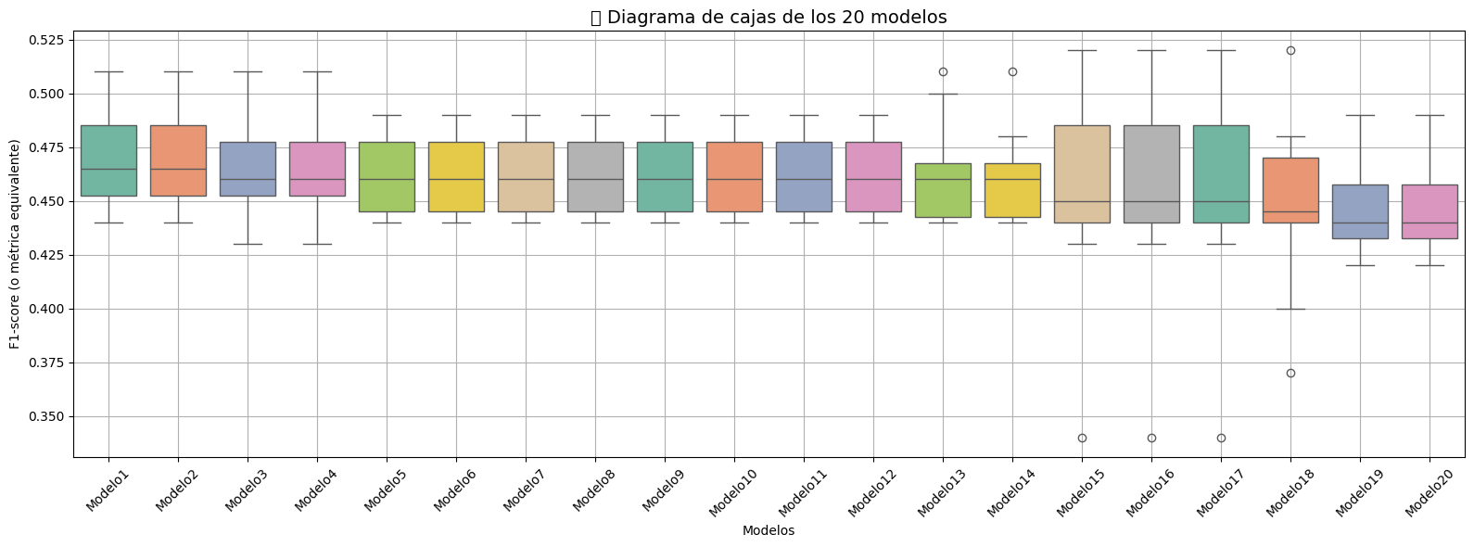
 |  |  |  |  |  |  |  |  |  |  |  |  |  |  |  |  |  |  |  |  | Modelo13 | LogisticRegression_{'C': 0.1, 'penalty': 'l2', 'solver': 'liblinear', 'class_weight': 'balanced'}
 |  |  |  |  |  |  |  |  |  |  |  |  |  |  |  |  |  |  |  |  | Modelo14 | LogisticRegression_{'C': 0.1, 'penalty': 'l2', 'solver': 'saga', 'class_weight': 'balanced'}
 |  |  |  |  |  |  |  |  |  |  |  |  |  |  |  |  |  |  |  |  | Modelo15 | SVM_{'C': 10, 'kernel': 'rbf', 'gamma': 'auto', 'degree': 2}
 |  |  |  |  |  |  |  |  |  |  |  |  |  |  |  |  |  |  |  |  | Modelo16 | SVM_{'C': 10, 'kernel': 'rbf', 'gamma': 'auto', 'degree': 4}
 |  |  |  |  |  |  |  |  |  |  |  |  |  |  |  |  |  |  |  |  | Modelo17 | SVM_{'C': 10, 'kernel': 'rbf', 'gamma': 'auto', 'degree': 3}
 |  |  |  |  |  |  |  |  |  |  |  |  |  |  |  |  |  |  |  |  | Modelo18 | SVM_{'C': 10, 'kernel': 'poly', 'gamma': 'auto', 'degree': 2}
 |  |  |  |  |  |  |  |  |  |  |  |  |  |  |  |  |  |  |  |  | Modelo19 | LogisticRegression_{'C': 0.1, 'penalty': 'l1', 'solver': 'liblinear', 'class_weight': 'balanced'}
 |  |  |  |  |  |  |  |  |  |  |  |  |  |  |  |  |  |  |  |  | Modelo20 | LogisticRegression_{'C': 0.1, 'penalty': 'l1', 'solver': 'saga', 'class_weight': 'balanced'}

