Prob1
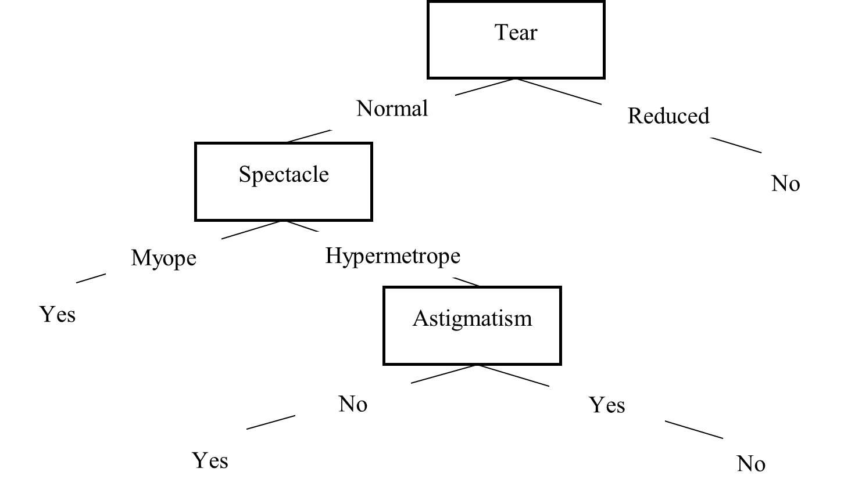
Age | Spectacle | Astigmatism | Tear | Lenses (ground truth) | Prediction | Evaluation
Young | Hypermetrope | Yes | Normal | Yes | No | False Negative
Young | Hypermetrope | No | Normal | Yes | Yes | True Positive
Young | Myope | No | Reduced | No | No | True Negative
Presbyopic | Hypermetrope | No | Reduced | No | No | True Negative
Presbyopic | Myope | No | Normal | No | Yes | False Positive
Presbyopic | Myope | Yes | Reduced | No | No | True Negative
Prepresbyopic | Myope | Yes | Normal | Yes | Yes | True Positive
Prepresbyopic | Myope | No | Reduced | No | No | True Negative

 |  |  |  |  |  | 0.66666666667 | 0.66666666667

