Prob 4
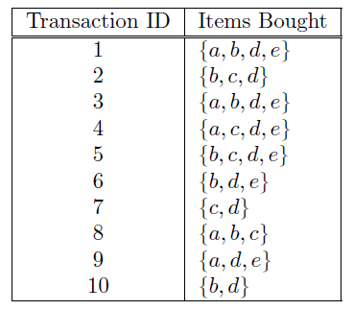
Transaction ID | Items Bought
1 | {a,b,d,e} |  | a | b | c | d | e
2 | {b,c,d} |  |  | b | c | d
3 | {a,b,d,e} |  | a | b |  | d | e
4 | {a,c,d,e} |  | a |  | c | d | e
5 | {b,c,d,e} |  |  | b | c | d | e
6 | {b,d,e} |  |  | b |  | d | e
7 | {c,d} |  |  |  | c | d
8 | {a,b,c} |  | a | b | c
9 | {a,d,e} |  | a |  |  | d | e
10 | {b,d} |  |  | b |  | d
 |  |  | 5 | 7 | 6 | 9 | 6
a | 5 | removed
b | 7
c | 5 | removed
d | 9
e | 6 |  |  |  |  |  |  | 1-itemsets |  |  | 2-itemsets |  |  | 3-itemsets |  |  | 4-itemsets
 |  |  |  |  |  |  |  | set | count | support | set | count | support | set | count | support | set | count | support
 |  |  |  |  |  |  |  | a | 5 | 0.5 | ab | 3 | 0.3 | abc | 1 | 0.1 | abcd | 0 | 0
ab |  | removed |  |  |  |  |  | b | 7 | 0.7 | ac | 2 | 0.2 | abd | 2 | 0.2 | abce | 0 | 0
ac |  | removed |  |  |  |  |  | c | 6 | 0.6 | ad | 4 | 0.4 | abe | 2 | 0.2 | abde | 2 | 0.2
ad |  | removed |  |  |  |  |  | d | 9 | 0.9 | ae | 4 | 0.4 | acd | 1 | 0.1 | acde | 1 | 0.1
ae |  | removed |  |  |  |  |  | e | 6 | 0.6 | bc | 3 | 0.3 | ace | 1 | 0.1 | bcde | 1 | 0.1
bc |  | removed |  |  |  |  |  |  |  |  | bd | 6 | 0.6 | ade | 4 | 0.4
bd |  |  |  |  |  |  |  |  |  |  | be | 4 | 0.4 | bcd | 2 | 0.2
be |  |  |  |  |  |  |  |  |  |  | cd | 4 | 0.4 | bce | 1 | 0.1
cd |  | removed |  |  |  |  |  |  |  |  | ce | 2 | 0.2 | bde | 4 | 0.4
ce |  | removed |  |  |  |  |  |  |  |  | de | 6 | 0.6 | cde | 2 | 0.2
de

 |  |  |  |  |  |  |  |  |  |  | abd | infrequent
 |  |  |  |  |  |  |  |  |  |  | abe | infrequent
 |  |  |  |  |  |  |  |  |  |  | ade | pass |  | ade -Rule | Confidence |  | bde -Rule | Confidence
 |  |  |  |  |  |  |  |  |  |  | bcd | infrequent |  | a→de | 0.8 |  | b→de | 0.57142857143
 |  |  |  |  |  |  |  |  |  |  | bce | infrequent |  | ad→e | 1 |  | bd→e | 0.66666666667
 |  |  |  |  |  |  |  |  |  |  | bde | pass |  | ae→d | 1 |  | be→d | 1
 |  |  |  |  |  |  |  |  |  |  |  |  |  | d→ae | 0.44444444444 |  | d→be | 0.44444444444
 |  |  |  |  |  |  |  |  |  |  |  |  |  | de→a | 0.66666666667 |  | de→b | 0.66666666667
 |  |  |  |  |  |  |  |  |  |  |  |  |  | e→ad | 0.66666666667 |  | e→bd | 0.66666666667

