Weigh Feeders
RMP control

Wet Basis
 | M1 | M2 | M3
Moisture % | 1.5 | 4.5 | 4.5
SiO2 % | 2.2 | 65.5 | 53.4
Al2O3 % | 0.3 | 13.0 | 18.2
Fe2O3 % | 0.11 | 0.25 | 0.52
CaO % | 51.38 | 2.60 | 1.53
LOI Expect | 42.66 | 7.37 | 6.53
Undetermined | 3.4 | 11.3 | 19.8

 | 2.18 | 68.46 | 55.80
Dry basis | 0.31 | 13.56 | 19.02
 | 0.11 | 0.26 | 0.54
 | 52.15 | 2.72 | 1.60

3 Component RMC
RMP Rawmeal Proportional Control System
Weigh Feeders Correction
Reset All
Calculate New SET POINT
Accept & save Results
 |  |  |  |  |  |  |  |  |  |  |  |  |  |  |  |  |  |  |  |  | 10.00%
 |  |  |  |  |  |  |  |  |  |  |  |  |  |  |  |  |  |  |  |  | 25.00%
 |  |  |  |  |  |  |  |  |  |  |  |  |  |  |  |  |  |  |  |  | 50.00%
3
 | RM SET POINT |  |  |  |  |  |  |  |  | Avg | 80.44% |  | 6.18% |  | 13.38% |  |  |  |  |  | 75.00%
 |  |  |  |  |  |  |  |  |  |  | MAT 1 |  | MAT 2 |  | MAT 3 |  |  |  |  |  | 100.00%
L.S.F. | 97.00% |  |  |  |  |  |  |  | -0.430 | SiO2 | 2.18 |  | 68.46 |  | 55.80 |  | 2.61
 |  |  |  |  |  |  |  |  | 0.245 | Al2O3 | 0.31 |  | 13.56 |  | 19.02 |  | 0.07
S.M. | 3.50 |  |  |  |  |  |  |  | -0.009 | Fe2O3 | 0.11 |  | 0.26 |  | 0.54 |  | 0.12
 |  |  |  |  |  |  |  |  | -1.774 | CaO | 52.15 |  | 2.72 |  | 1.60 |  | 53.92
Control level | 50% |  |  |  |  |  |  |  |  |  |  |  |  |  |  |  |  | 79.69% | 5.92% | 14.39%
 |  |  |  |  |  |  |  |  |  |  |  |  |  |  |  |  |  | 20.31% | 94.08% | 85.61%
D-LSF-CF level | 0.25 |  |  |  |  |  |  |  |  |  | 79.69% |  | 5.92% |  | 14.39%

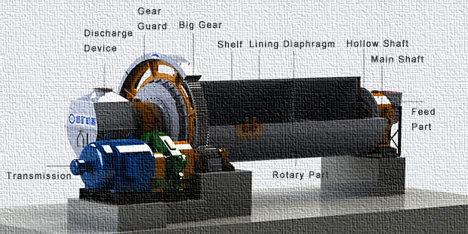
1
D-SM-CF level | 0.1
 |  | 96.75% | 96.8%
Date/Time | 1900-01-08 04:00:00 | 3.48 | 3.48
2
 | 5/17/25

 |  |  |  |  |  |  |  |  |  |  |  | Delta |  | Real Time RM | SiO2
 |  |  |  |  |  |  |  |  |  |  |  | -0.86 | SiO2 | 14.68 | Al2O3 |  |  | 13.82
 |  |  |  |  |  |  |  |  |  |  |  | 0.49 | Al2O3 | 3.30 | Fe2O3 | 98.00% |  | 3.79
 |  |  |  |  |  |  |  |  |  |  |  | -0.02 | Fe2O3 | 0.20 | CaO | 3.70 |  | 0.18
 |  |  |  |  |  |  |  |  |  |  |  | -3.55 | CaO | 45.50 |  |  |  | 41.95
 |  |  |  |  |  |  |  |  |  |  |  |  |  |  | L.S.F. |  |  | 96.75%
 |  |  |  |  |  |  |  |  |  |  |  |  |  | 100.68% | S.M. | Clinker /KF silo |  | 3.48
 |  |  |  |  |  |  |  |  |  |  |  |  |  | 4.19 | A.M. |  |  | 20.94
 |  |  |  |  |  |  |  |  |  |  |  |  |  | 16.50

 |  | a | b | LSF | SM | MAT 1 | MAT 2 | MAT 3
1
0
0

12.274152
0

72878.790731
 |  | 1 | 1 | 1 |  | Equation 1
 |  | -45.804738822 | 198.64780024 | 171.99426668 |  | Equation 2
 |  | -0.7057904 | -20.345732 | 12.274152 |  | Equation 3

 |  | a | b
 |  | 12.9799424 | 32.619884
 |  | -440.82242435 | 5937.58255

 |  | 91449.055841

