Defects
Defect ID | Defect Description | Defect Reason | Defect Solution | Defect Screenshot | Fixed Screenshot
defectCase1 | VendItem(s) were not sorted in the stock array, causing them to be ordered by ID like 1,2,3,5,4. | VendingMachine had no algorithm in place to sort stock. | Implement a bubble sort algorithm which sorted the stock based on Item ID.
defectCase2 | Attempting to purchase an item which does not exist threw a NullPointerException. This exception was thrown by the findItem() method. | NullPointerException was thrown by the findItem() method, but was not caught by the purchaseItem() method. | Catch the NullPointerException in the purchaseItem() method.
defectCase3 | Defect was an infinite loop caused by a floating point precision error. I didn't realise this happening originally and had a CPU core running at 100% usage for a bit before I did. The error happened at referencePoint1 in the VendingMachineTester code, where I input 0.80 altogether in userMoney. | Although I had mostly changed to using int for all money calculations, the 0.80 in userMoney was actually being stored as 0.799999999999..., meaning when I *100 and converted it to an integer, it would be 79, and the while loop in the chooseReturnCoins() method would never terminate. | I ensured that userMoney was rounded to the next 10 using Math.round(float) AFTER it was multiplied by 100. So for example, 0.79999999 * 100 would be 79 when casted to an integer, then Math.round() brought it to 80. | 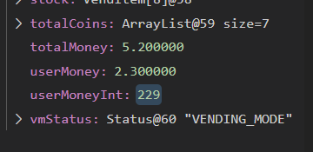 NOTE: The screenshot is of the same defect as described, but just a different amount of userMoney. Also note, the debugging utility in the IDE I use automatically rounds up/down floating point values so it claims userMoney=2.3000000 when it really isn't, but the problem can be seen in userMoneyInt.
defectCase4 | The deliver() method was instead just returning null, rather than the String stated in testCase13. | I hadn't implemented the String stated in the test. | Instead of returning null when deliver() is called on a VendItem with qtyAvailable=0, instead return a String that says it's out of stock.
defectCase5 | The user is returned to where they can make a choice when they input an out of range number, but no message is displayed to indicate them of their error. | The message was not implemented. | Implement the message in the switch case of the VendingMachineApp.processChoice() method. | 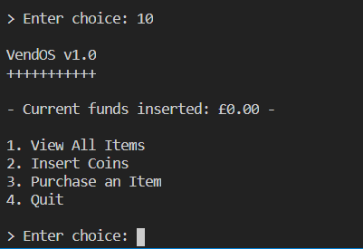 | 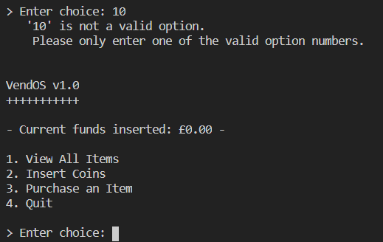
defectCase6 | After implementing defectCase5, the "'int' is not a valid option." message appeared when choosing option 4 (Quit). | The switch case in processChoice() was ignoring option 4 as I had assumed it would just terminate with the while loop, but it instead runs processChoice() before terminating, therefore processChoice(4) would result in the default case. | Originally I decided to update the processChoice() method to catch option 4 to ensure it is definitely caught and the system quits WITHOUT showing the 'is not a valid option' output. I instead decided that it would be best to ONLY run the processChoice() method IF choice != options.length. This allows for more expandability and future proofing if more menu options were to be added. | 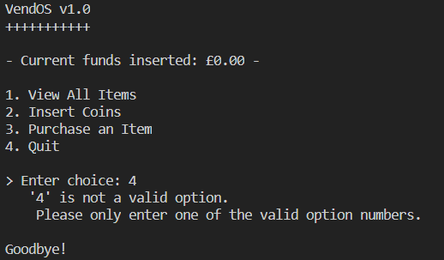 | 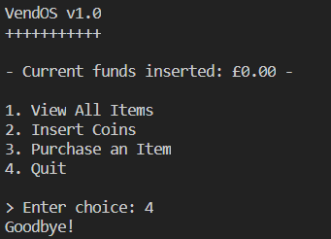
defectCase7 | With the machine containing no VendItem(s), listAll() just output a blank area, rather than a String informing the user of the problem. | The message was not implemented. | Implement the message to tell the user that no items(VendItem(s)) have been added to the machine. | 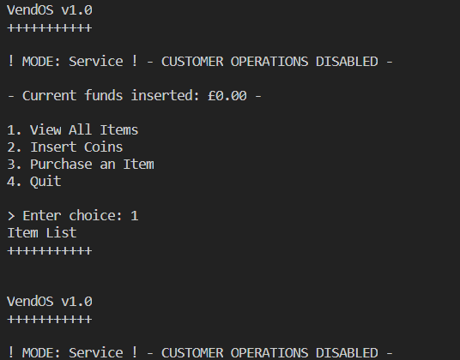 | 