Overview
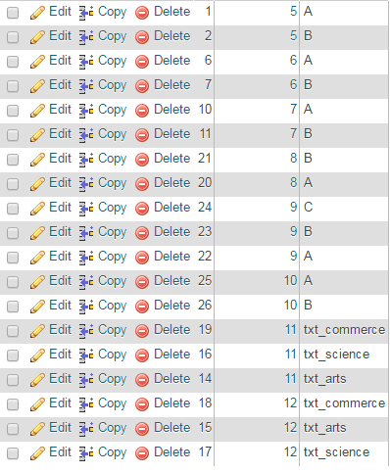
Student Selection |  |  |  | SectionId | ClassId | Class Text
 |  | Text | ID
Select Class |  | V | 5
 |  | VI | 6
 |  | VII | 7
Select Section |  | VIII | 8
 |  | IX | 9
 |  | X | 10
 |  | XI | 11
 |  | XII | 12

 | Submit

First users will have to select class. Then section list for that selected class will appear in the section select box. For class V to VIII A & B two sections.

For class 9 3 sections A, B, C will be displayed in the section list. How Section id are linked Class 5(V) has two sections A & B. A has section id 1and B has section Id 2. Class 9(IX) has 3 sections A,B, C . Here A has id 22, B has 23 and C has 24. Class 10(X) has 2 sections A & B with id 25 and 26 respectively.

RestAPI
Users will select class and then section. Then when submit button is clicked app will go to server to fetch students data if not available in side app ( SQLite DB). Then fetch the data insert into the DB.
If data available will just display the data .
If users select class V(5) and section A(1) then the following REST API will be called in casse data does not exist.
http://54.248.218.27/api/students/search?class=5&section=1
In Users selected class V(5) and Section B (2) then below API will be called
http://54.248.218.27/api/students/search?class=5&section=2, just see section id is different.
In case Users selects class VI(6) and section A ( id =6) then followin API will be called
http://54.248.218.27/api/students/search?class=6&section=6
AT this moment data for these 3 is only available.
So please implement Villey JSON to fetch Students data from Server and insert into SQLIte DB.
But please be remembered that it is only one time. If data is inserted it will not go to fetch again.

