smoothierock-marginquizzes
 | Total Revenue | $500,000 | Gross Margin = (Total Sales Revenue - COGS)/Total Sales Revenue or Gross Profit/Total Sales Revenue

variable | Cost of fruits and vegetables | $325,000 | Gross Profit | $165,000.00
variable | Cost of smoothie cups and straws | $10,000 | Gross Margin | 0.33

 | Salary of staff | $27,500 | Contribution Margin = Total SalesRevenue - Total Variable Cost
 | Cost of cash machine | $534
 | Cost of sales and marketing | $7,243 | price per unit | $8.21
 | Cost of laptop | $790 | variable cost per unit | $5.50
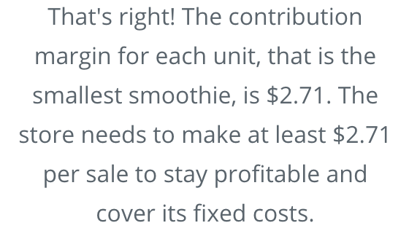
 | Cost of furniture | $5,783 | contribution margin per unit | $2.71

 | Rent | $10,500
 | Utilities | $2,000

 | Number of units sold | 60895

