Evidence - Email Bug
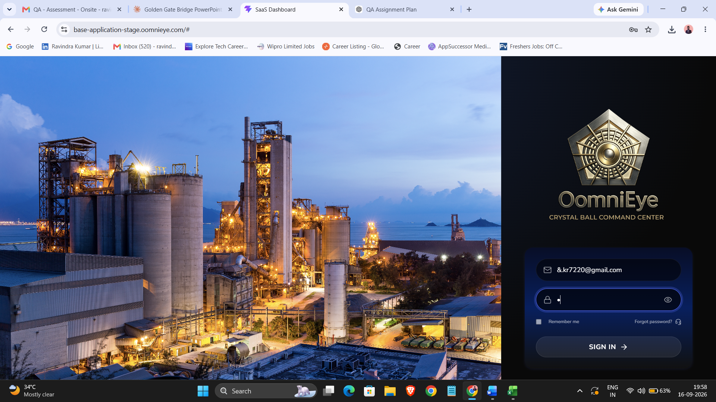
BUG-001 Evidence — Email Field Validation

Observed input | &.kr7220@gmail.com
Observation | Email field accepts an address beginning with '&.' without showing a visible validation error.
Expected | Malformed email should be rejected with a clear validation message.

