Questions
 | Questionnaire for Simulation documentation for LEAP GWU 2015 | Sample Answers
 | Version of Questionnaire | March 25 2015
1 | Dates questionnaire completed | 25-Mar-15
2 | Name of persons filling out the questionnaire | Bruce Kutter
3 | Identification of simulations for which this questionnaire data is applicable. | Class B prediction of Motion #4 results for Zhejiang U. and NCU for LEAP GWU 2015
4 | What is the name and version of the constitutive models used? | Hypolasticity Model for sands, as described by Wang et al (1990)
5 | What are the mathematical equations for stress and strain parameters used in the constitutive model | p = (s1+s2+s3)/3, q = SQRT(((s1-s2)^2+(s2-s3)^2+(s1-s3)^2)/2), Lode angle, b = (s2 - s3)/(s1 - s3), shear strain
6 | Is the model formulated in the general stress-strain pace or is it designed for a special case such as plane strain condition? | general stress space
7 | Does the model account for rotation of the direction of the principle stresses? How? | yes, it uses a hypoplasticity theory desribed by Wang et al (1990)
8a | a. Does the model prescribe a critical state for which the void ratio or relative density at critical state is a function of the confining pressure? | yes
8b | b. Does the model prescribe a critical state friction angle? If yes, what value was chosen? | yes, M = 1.2, f'crit = 29.5 degrees.
9 | What are the dependent (embedded in code) and independent (user specified) parameters of the constitutive model and what behaviors they control? | see the list below
10 | What is the flow rule in the deviatoric plane and in various planes that contain the hydrostatic axis? | In the deviatoric plane a hypoplasticity flow rule is used. In the triaxial plane...
11 | Does the model account for effects of grain crushing on the location of the critical state and normal compression lines in the e-p space? | no
 | Does the model include an ingredient to capture size effects and post-localization response? | no
12 | Are strain-rate or aging effects included? If yes, describe the rate and aging effects. | no
13a | a. Does the constitutive model include damping or hysteretic energy dissipation at very small strains? | no
13b | b. Is it expected or typical to use numerical damping at the system equation level (e.g. Rayleigh damping) to account for energy dissipation at the constitutive level? | yes, typically 2% Rayleigh damping is used for …
14 | 8. What are other important limitations and capabilities of the constitutive model?

15 | What is the discretization approach (Finite Element, Finite Difference, a meshless method, or otherwise)? | FLAC version # - Finite difference procedure
16 | What types of elements (number of nodes and integration points are used in the simulation, u-p, u-p-U, etc)? | Linear strain triangles with u-p-U integration as described by (reference?)
17 | Is the approach capable of accounting for large deformations and large rotations? How? | No
18 | What time integration procedure is used? If you use a Newmark integration scheme, for example, what are the values of Newmark Integration parameters? | Newmark alpha = ___ beta = ____
19 | Is Rayleigh damping used? If so, is the damping matrix determined by the tangent stiffness, the initial stiffness, or both? What are the rayleigh damping parameters? | damping is based on the last converged stiffness matrix. Set 2% damping at 0.3 Hz and 2Hz
 | Is other damping used as part of the solution process? If so, please quantify this damping. | no
 | How many nodes are in the mesh | 200
 | How many elements are in the mesh | 150
 | How did you model the side boundaries between the container of the soil | horizontal displacments are set to zero and shear stress on vertical sides is limited by a effective friction angle of 30 degrees
 | How did you model the bottom boundary conditions | Zero vertical and horizontal displacements at boundary nodes, …
 | How do you model the pore water pressure boundary condition at the top surface of the soil. | The water pressure at the boundary is set to represent a hydrostatic condition at the top of the sand
 | Provide an image to illustrate the discretization. | 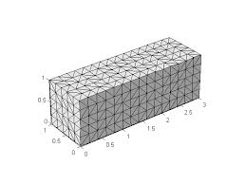
 | Did you conduct any mesh converence study for the reported simulations? If not, how did you choose the eleent size?
 | Provide a contour plot of distribution of s'x at the beginning of one of the motion 4 simulations | 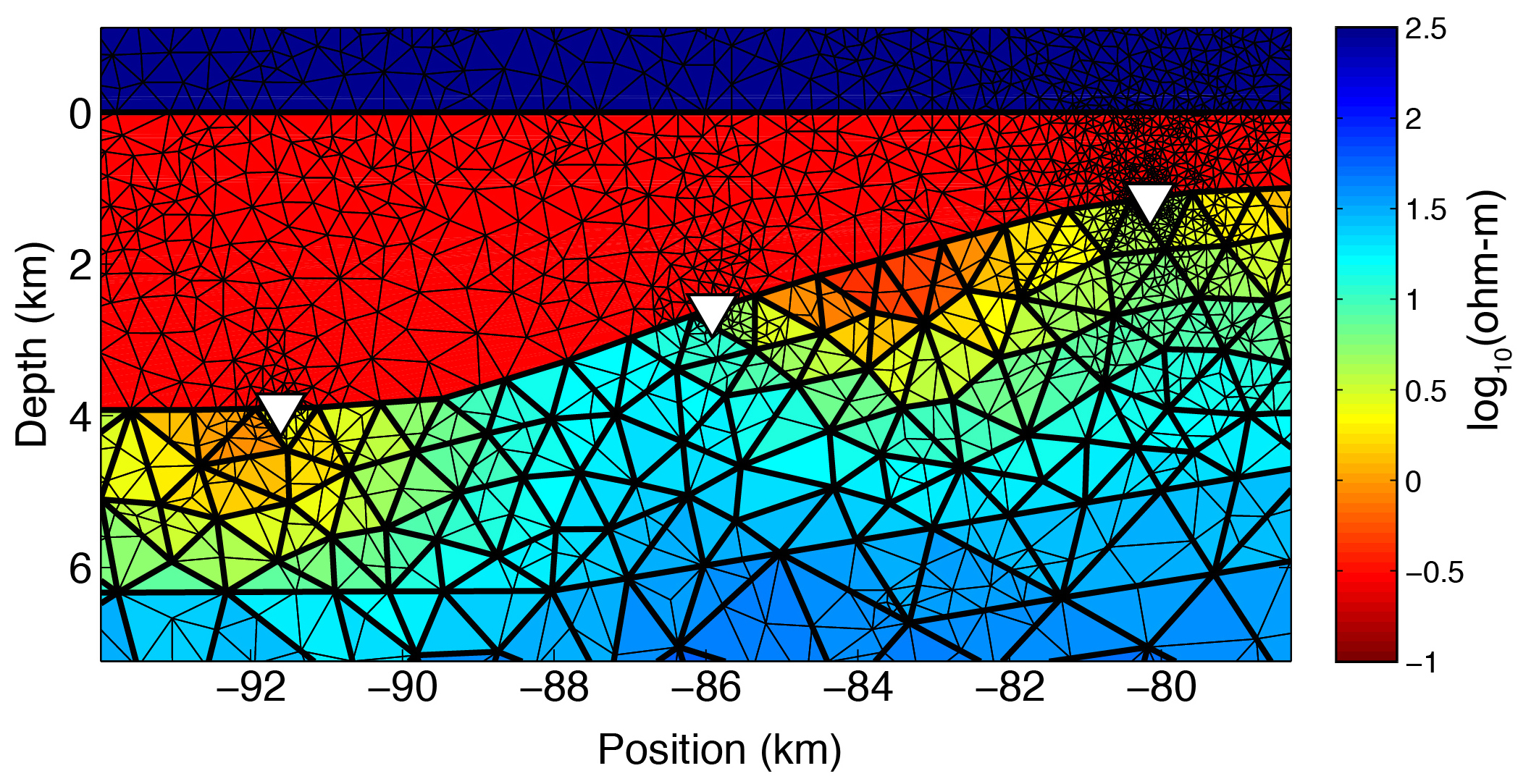
 | Provide a contour plot of distribution of s'y at the beginning of one of the motion 4 simulations
 | Provide a contour plot of distribution of s'z at the beginning of one of the motion 4 simulations
 | Provide a contour plot of distribution of txy at the beginning of one of the motion 4 simulations
 | Provide a contour plot of distribution of s'x at the end of one of the motion 4 simulations
 | Provide a contour plot of distribution of s'y at the end of one of the motion 4 simulations
 | Provide a contour plot of distribution of s'z at the end of one of the motion 4 simulations
 | Provide a contour plot of distribution of txy at the end of one of the motion 4 simulations

para-meter symbol | parameter description | parameter values
G | shear modulus | G = Ap'^n; A = 1.11, p' = mean normal stress; n = 0.5
n | Poisson's ratio | 0.25
l | lambda | 0.1
k | kappa | 0.02
M | M | 1.2
 | Other parameters
 | Other parameters
 | Other parameters
 | Other parameters

 | What value did you use for the coeffeicuent of permeability
 | Did you keep the coefficient of permeability constant or did you change it based on some rules, say as a funaction of excess pore water pressure?

