Sheet1
Titel | Step to Reproduce | Attachment | Affected devices/Network | Severity | Priority
The user is not able to add more than 1 item | 1- User open the browser successfully 2-User redirected to Swag Labs successfully( Via websit link :https://www.saucedemo.com/) 3- User logged in successfully and redirected to Product page 4- Click on the add to Cart button 5- user click on cart icon and is redirected to your cart page 6- The user tries to change the quantities | 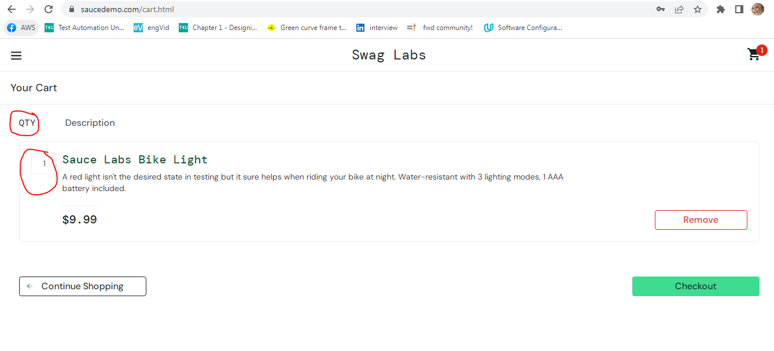 | Device: Asus Laptop OS: Windows 7 Brwoser: Chrome -Version 109.0.5414.120 Network details: Mobile Network - 4G | High | High
User able to complete the journey without items added | 1- User open the browser successfully 2-User redirected to Swag Labs successfully( Via websit link :https://www.saucedemo.com/) 3- User logged in successfully and redirected to Product page 4- user click on cart icon and redirect to yor cart page 5- Click on Checkout boutton 6-user redirect to checkout: yur information and fill all info 7- user click on continue button 8- user redirect to overview page and click on finish button 9- User completes the journey successfully |  | Device: Asus Laptop OS: Windows 7 Brwoser: Chrome -Version 109.0.5414.120 Network details: Mobile Network - 4G | Meduim | Meduim
The cart not cleared after the user is logged out and login with diffrent user | 1- User open the browser successfully 2-User redirected to Swag Labs successfully( Via websit link :https://www.saucedemo.com/) 3- User logged in successfully and redirected to Product page by user X 4- User click on Add to cart button 5- User logged out 6-user login by user Y 7- The cart not cleared |  | Device: Asus Laptop OS: Windows 7 Brwoser: Chrome -Version 109.0.5414.120 Network details: Mobile Network - 4G | High | High
Error message usability | 1- User open the browser successfully 2-User redirected to Swag Labs successfully( Via websit link :https://www.saucedemo.com/) 3- User logged in successfully and redirected to Product page 4- Session timeout 5- user is redirected to login screen and error message appears | 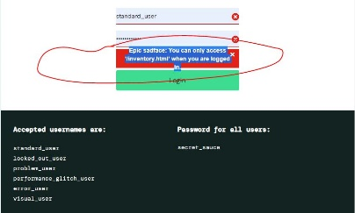 | Device: Asus Laptop OS: Windows 7 Brwoser: Chrome -Version 109.0.5414.120 Network details: Mobile Network - 4G | Low | High
Error message not unified in requierd Fields case | 1- User open the browser successfully 2-User redirected to Swag Labs successfully( Via websit link :https://www.saucedemo.com/) 3- User logged in successfully and redirected to Product page 4- Click on the add to Cart button 5- User click on cart icon and is redirected to your cart page 6- User click on continue and is redirected to your information page. 7- User missing field empty and click on continue |  | Device: Asus Laptop OS: Windows 7 Brwoser: Chrome -Version 109.0.5414.120 Network details: Mobile Network - 4G | Meduim | Meduim
Product titles are inconsistent. | 1- User open the browser successfully 2-User redirected to Swag Labs successfully( Via websit link :https://www.saucedemo.com/) 3- User logged in successfully and redirected to Product page 4- user chcek the products |  | Device: Asus Laptop OS: Windows 7 Brwoser: Chrome -Version 109.0.5414.120 Network details: Mobile Network - 4G | Low | High
The add to cart/removed button is not updated after click on reset app State | 1- User open the browser successfully 2-User redirected to Swag Labs successfully( Via websit link :https://www.saucedemo.com/) 3- User logged in successfully and redirected to Product page 4-User add to items in the cart 5- user selects reset app state button from side menu 6- The cart is clear and product status is not updated |  | Device: Asus Laptop OS: Windows 7 Brwoser: Chrome -Version 109.0.5414.120 Network details: Mobile Network - 4G | Meduim | Low

