Electric car charging stations
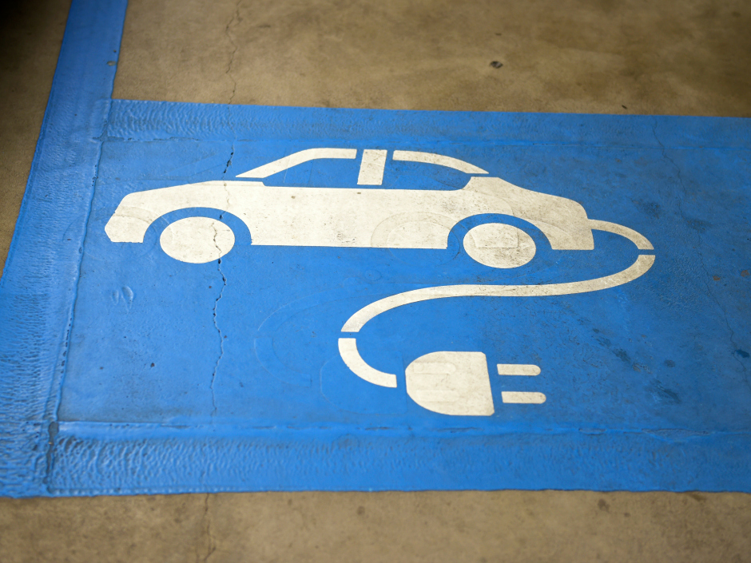
Country | Charging Stations | Country | Charging Stations
Azerbaijan | 1 | United States | 25494
China | 1163
Cyprus | 21 | Continent | Count
Hong Kong | 1054 | Asia | 3995
India | 9 | Europe | 83782
Israel | 6 | North America | 29123
Japan | 1529 | Oceania | 1026
Jordan | 15 | South America | 56
Macao | 4 | Africa | 21
Malaysia | 33
Pakistan | 2
Singapore | 9
Sri Lanka | 14
Taiwan, Province Of China | 23
United Arab Emirates | 112
Albania | 2
Andorra | 2
Austria | 1959
Belarus | 7
Belgium | 1336
Bosnia And Herzegovina | 6
Bulgaria | 18
Croatia | 131
Czech Republic | 355
Denmark | 747
Estonia | 164
Faroe Islands | 8
Finland | 905
France | 3155
Germany | 25053
Gibraltar | 3
Greece | 14
Guernsey | 8
Hungary | 455
Iceland | 122
Ireland | 1062
Isle Of Man | 23
Italy | 4656
Jersey | 14
Latvia | 11
Liechtenstein | 18
Lithuania | 24
Luxembourg | 100
Macedonia | 3
Malta | 53
Monaco | 36
Netherlands | 10273
Norway | 8349
Poland | 325
Portugal | 1164
Romania | 455
Russian Federation | 18
San Marino | 8
Serbia | 9
Slovakia | 129
Slovenia | 129
Spain | 1901
Svalbard And Jan Mayen | 1
Sweden | 4373
Switzerland | 1032
Turkey | 13
Ukraine | 6
United Kingdom | 15147
Aruba | 1
Barbados | 10
Bermuda | 2
Canada | 2652
Costa Rica | 1
Dominican Republic | 1
Mexico | 950
Puerto Rico | 12
United States | 25494
Australia | 249
New Zealand | 777
Argentina | 2
Brazil | 9
Chile | 8
Colombia | 35
Ecuador | 2
Egypt | 2
Kenya | 3
Morocco | 7
Reunion | 4
South Africa | 4
Uganda | 1

