QR Records
ID | Serial Number | Verification Code | DevUID | Device Name | QR Code | Created At
1 | TEST261502227098 | 260276 | E5DDA7D74D91EC53 |  | 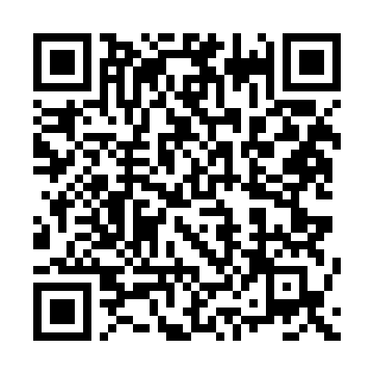 | 2025-07-09 19:14:18

