Payment Terms&ApplicationForm
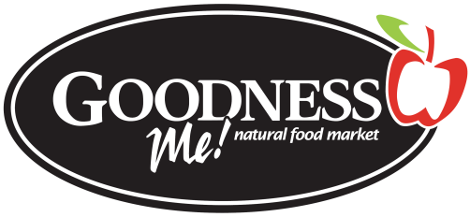

Discover the power of food.

Attention: Accounts Receivable
Goodness Me Natural Food Markets pays all our suppliers in an electronic payment program offered through our bank, TD Canada Trust. This program ensures that you get your payments quickly and securely, and eliminates your need to bring a cheque to the bank and wait for the funds to clear. Invoice payments will be directly deposited into your bank account, and will be available to you immediately. You will receive your payment detail by e-mail, included the total payment, invoice numbers, at least two days before the actual payment date.

We are excited about this program because it protects against the serious problem of cheque fraud. Additionally, it streamlines the administration of payments, increasing accuracy, reducing lost payments and eliminating paper waste.

In order to process your invoices, we need some information from you that will ensure you receive our payment accurately and on-time. Please complete the attached application form and return it promptly with a VOID Cheque. This will allow you to have your payment processed quickly.

If you have any questions or concerns please contact Kim Marquis at accounts@goodnessme.ca.

Yours truly,

Kim Marquis
Accounts Payable
Goodness Me! Natural Food Markets

 | 1000 Upper Gage Avenue - Hamilton Ontario L8V 4R5
 | Tel: 905-388-8400
 | goodnessme.ca

Account Information: | CAD$ Account

Bank # (3 digits)

Transit # (5 digits)

Account #

Company Information:

Company Name

Contact Name

Title/Position

Phone

Fax

Company Address

E-mail address

Signature

Date

PLEASE email COMPLETED FORM AND "VOID CHEQUE" to the Category Manager

