FAQs
 | FREQUENTLY ASKED QUESTIONS (FAQs)

GENERAL INFORMATION
Please use Microsoft Excel's ZOOM feature to make the font larger as needed. Cells highlighted in YELLOW are to be completed and have been left Unprotected. Cells highlighted in GREY are dummy cells to be ignored. Cells highlighted in BLUE are section headers. Some fields have drop down values to select from. Please do not leave any fields blank unless they do not apply to you. Please ensure that the form is completely and accurately completed even when the form is first submitted.

FAQs - GENERAL
"What should I do if there are no checkboxes where indicated?" |  |  |  | If you are a Mac user, please try working with Windows. Otherwise, please contact the Product Data team.
"What should I do if the cell comments are not viewable?" |  |  |  | Sometimes the Comments box may get reformatted due to compatibility issues. Check to see if the field is explained in the FAQs. If you need help, please contact the Product Data team.
"What should I do with formatting issues?" |  |  |  | Ensure that the view of the spreadsheet is set to 100% zoom.
"Who can I contact at Longo's with additional questions?" |  |  |  | Please email productdata@longos.com and include your direct phone number OR at 905-264-4110 x 4551
FAQs - SUPPLIER ITEM FORM
Basic Item Information |  | Basic general item information
 | Online Marketing Product Description | This is the product description to list the product online and on mobile Apps. How will you make your product stand out amongst other competing products? Please restrict your claims only to those that you have made on the product package.
 |  | Recommended Format | [BRAND] [SUB-BRAND] [UNIQUE CLAIMS] [PRODUCT TYPE], [STRENGTH, FLAVOUR, COLOR, SMELL Etc.)] [SIZE " " UNIT OF MEASURE]. Discretion to be used to make it more readable.
 |  | Example | Brand-Name Organic Gluten Free Thick & Rich Pasta Sauce, Original 100 mL
 | Drug Schedule | Schedule 1 = Require prescription for sale & provided by on-site pharmacist; Schedule 2 = Require on-site pharmacist to provide drugs; Schedule 3 = self-selection, but with on-site supervision of pharmacist ; Schedule 4 = self-selection and drugs that can be sold unsupervised; Refer to http://napra.ca/Content_Files/Files/Schedules-Outline.pdf
 | Moisture Content | Enter if applicable. Mandatory for cheese products. The % of water content in cheese to classify type of cheese.
 | Milk Fat Content | Enter if applicable. Mandatory for cheese products. The % of milk fat in cheese to classify the type of cheese.
Lowest Selling Unit (SU) |  | The lowest item broken down from the shipping case. This sellable item should have a UPC.
 | UPC's | Scan-able Retail UPC. Please include the UPC check digit in the typical 12 digit UPC code
 | Supplier Product code | This is YOUR internal product code if it is listed on your invoice, bill of lading or on the package. Limit to 14 characters.
 | Dimensions of SU | See Fig 1. The width measures the default/assumed FRONT of the product that is facing the customer. Include any overhang in the dimensions.
 | Gross Weight (g) | The weight of the item that includes both the weight of the selling unit as well as the weight of the packaging material
 | Tare (g) | The weight of the packaging/container excluding the weight of the content inside the package/container.
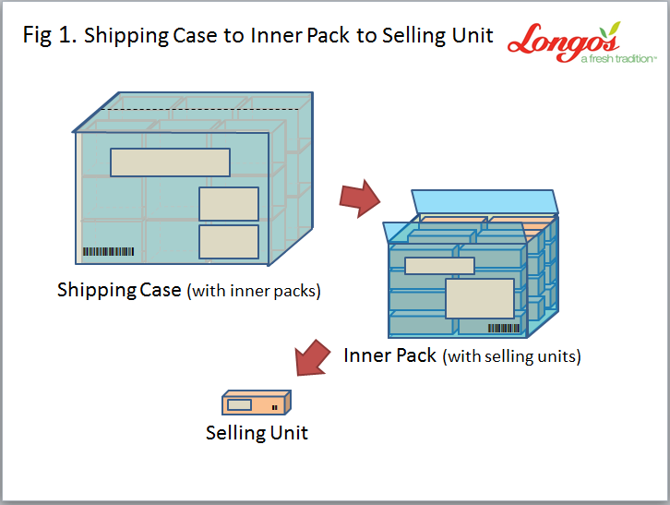
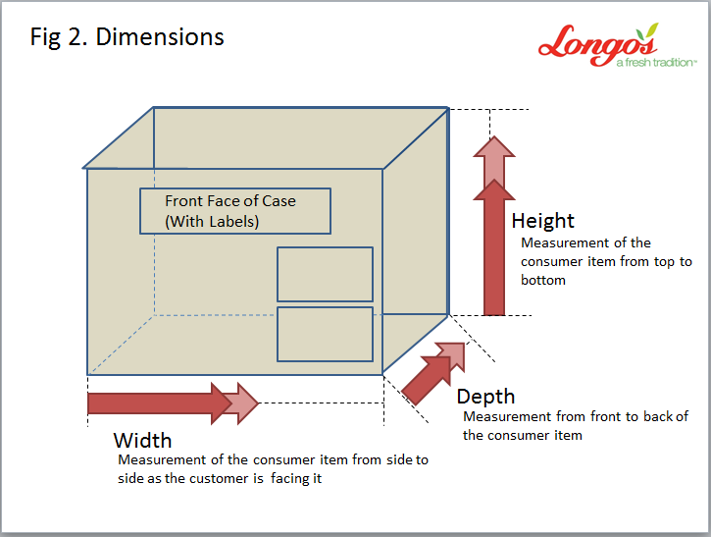
 | Fig 1 & 2

Inner Pack (if applicable) |  | Inner pack is the smallest package within the shipping case other than the lowest unit. This applies mostly to shelf packs such as the displays you see near retailer checkouts
 | # of inner packs per shipping case | How many inner packs are within the shipping case?
 | Sellable Unit | Are these inner packs sellable? The Inner Packs will be sellable if they indicate a UPC
Shipping Case Information |  | This is the outer case that encompasses the sellable unit. It is the typical shipping unit.
 | GTIN/SCC-14 | 14 character barcode pertaining to the shipping case (Inclusive of check digit)
 | # of Selling Units per Shipping Case | This is the number of selling units within the Shipping Case.
 | Storage Temperature | Standard Min Temp | What is the minimum temperature at which the product must be stored at the DC/Store?
 |  | Standard Max Temp | What is the maximum temperature at which the product can be stored at the DC/Store?
 | Gross Weight (lb/kg) | Entire weight of the shipping case including the sellable units inside. This is the gross shipping weight.
Pallet Configuration |  | The pallets and palletization configuration and dimensions
 | Hi, Tie, Pallet Dimension | See Figures 3, 4, & 5 below
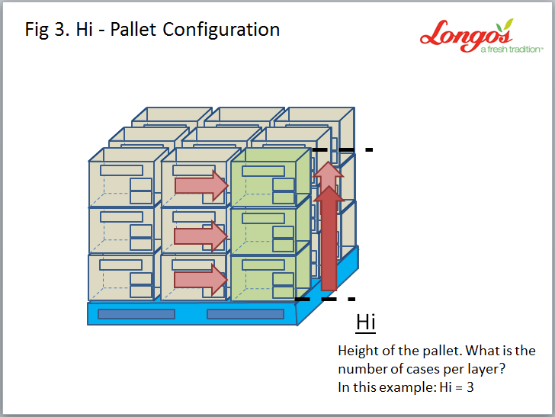
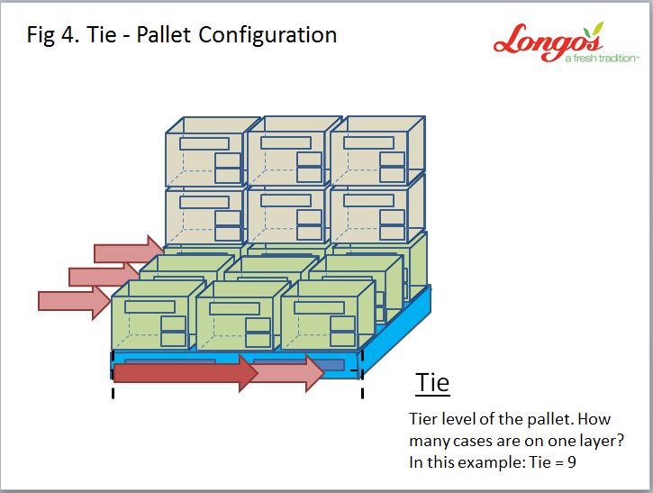
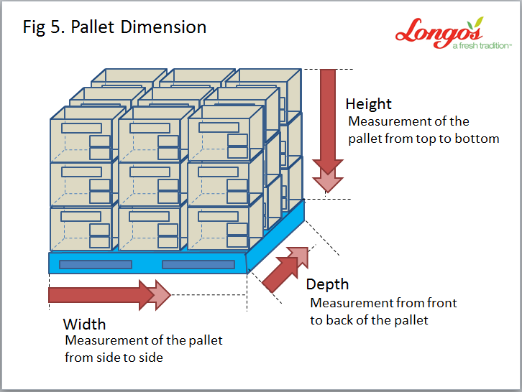

Costs & Suggested Retail |  | Costs listed in this section are Every Day Costs broken down by List Cost and Ongoing Deals. If there are any cost changes, please use Longo's Cost Change Form.
 | Purchasing/Sales Tax Applicable | You must select one of the options from the dropdown list indicating the taxes applicable for purchasing from you and selling to the customer.
 | Deposit when purchased? | If applicable, specify any deposit that will be charged on the Invoice for Bottles, Crates and Barrels pertaining to any product purchased.
 | Deposit when Sold? | If applicable, specify any deposit to be collected from customers when the product is sold to them.
 | Guaranteed Sale | Is this a guaranteed sale product? Will you take back products that remain unsold after a pre-determined period?
 | Freight Allowance | Allowance that you will pay if Longo's were to pick up the goods from your facility. This is typically the difference between delivered cost and FOB cost
 | Market Retail Audit | List other retailers who sell this product and their everyday retail prices
 | Quantity Break | Price break given by you for reaching purchasing quantity thresholds for this item. Example: If Longo's were to buy 50 cases of this product on one PO, then $X/case; and $Y/case if 51 cases - 100 cases are purchased
 | # of units the cost pertains to | How many units are within the pack that the cost pertains to? So, if you have provided the cost per case, then how many units are within the case. If you have provided the cost per kg or lb, then enter 1.
Product Marketing Story |  | Share your product's story with any product claims and origin that will entice an online customer to try your product. Is there a history or origin or manufacturing process that might appeal to a customer?
Suggested Delisting |  | What products do you recommend should be delisted to gain shelf space for this product
Consumer Packaging |  | This applies to our private label products : refer to http://stewardshipontario.ca/stewards-bluebox/designated-materials/
FAQs - CATEGORY MANAGER SECTION
Longo's Category Manager Use |  | General information to set up classification for our products
 | Department Group Hierarchy | If a hierarchy needs to be adjusted, you must delete the current listed cell before selecting another from the dropdown list.
 |  | If you are going to include a new node within an existing DDCL - Department group, Department, Category and Line/sub-categories - contact productdata@longos.com with any new category or sub category that you want to add.
 | TM - DISABLE DISCCOUNT | Check where products are unavailable for team member discounts (i.e.. Alcohol products)
 | List of Authorized Sites | Legend: B = Beer ; C = Corks ; P = Pharmacy ; S = Starbucks
PLUM Scale & Longo's Products |  | This applies to the Fresh departments that use the PLUM scale
Attributes |  | Check all that apply. This will help us further classify our listed items
Net Content Value |  | Use this to identify other SKUs that are similar and comparable to
 | Comparison SKUs | Indicate other listed SKUs that are comparable to our private label products
 | Comparison Type | If comparison is price/unit, specify the unit of measure for the unit being compared at. (i.e. $1.99 per 125g)

