Well.ca Completed Product Page
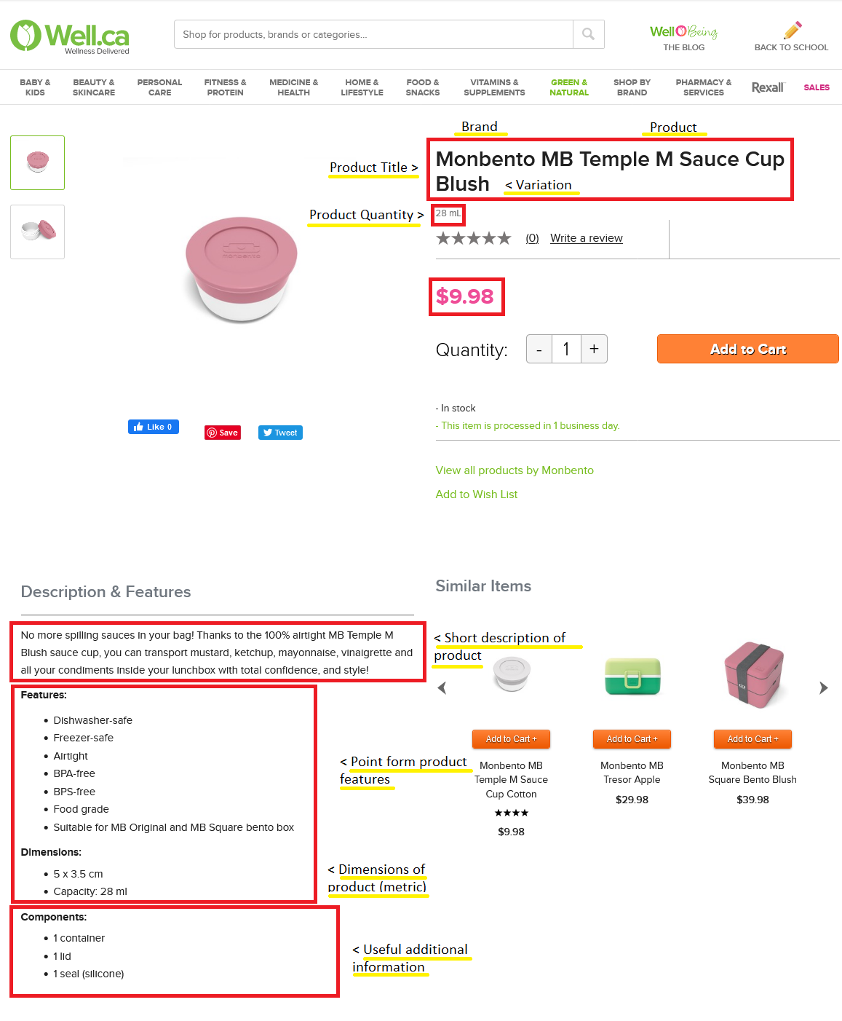
Snapshot of a completed product page

