Whole Body Category Review

 |  |  |  |  |  |  |  |  |  |  | LAST EDITED 16/6/20

 | 2022 Whole Body Category Review Calendar

 |  |  |  | SUPPLIER DEADLINES
Round | Department | Category | Sub-Categories Included in Review | New Item Submission Window (NISF,1 Page PowerPoint & Sample) | Meeting Week | Supplier Notification | Contact GS1 Deadline | Data Deadline to GS1 | Sample Image Deadline to GS1 | Free Fill Delivery to Stores | In-Store Execution
Round 01 - January 2021 In-Store Execution | Supplements | Specialty Supplements | Hair, Skin, & Nails , Beauty Supplements | 2-Aug-6-Aug | 9-Aug-13-Aug | 2021-08-27 | 2021-09-03 | 2021-09-10 | 2021-09-24 | December 27th - 31st | 2022-01-01
Round 01 - January 2021 In-Store Execution | Supplements | Functional Foods | Bee Foods, Green Foods, Lecithin & Yeast, Superfoods, Seeds (including Chia & Hemp) | 2-Aug-6-Aug | 9-Aug-13-Aug | 2021-08-27 | 2021-09-03 | 2021-09-10 | 2021-09-24 | December 27th - 31st | 2022-01-01
Round 01 - January 2021 In-Store Execution | Supplements | Sports Nutrition and Weight Management | Plant Protein, Animal Protein, Meal Replacement, Collagen, Sports Nutrition, Energy, Adrenals, MCT, Weight Management | 2-Aug-6-Aug | 9-Aug-13-Aug | 2021-08-27 | 2021-09-03 | 2021-09-10 | 2021-09-24 | December 27th - 31st | 2022-01-01
Round 02 - February 2021 In-Store Execution | Body Care | Beauty: Face Care & Cosmetics | Beauty Kits, Facial Care, Perfume, Spa Treatments, Cosmetics | 30-Aug-3-Sept | 06-Sep-10-Sep | 2021-09-24 | 2021-10-01 | 2021-10-08 | 2021-10-22 | January 24th - 28th | 2022-02-01
Round 02 - February 2021 In-Store Execution | Body Care | Beauty: Impulse Fixture | Beauty: Impulse Fixture | 30-Aug-3-Sept | 06-Sep-10-Sep | 2021-09-24 | 2021-10-01 | 2021-10-08 | 2021-10-22 | January 24th - 28th | 2022-02-01
Round 02 - February 2021 In-Store Execution | Body Care | Personal Care: Oral Care | Breath, Mouthwash, Tools, Tooth Cleaning, Treatments | 30-Aug-3-Sept | 06-Sep-10-Sep | 2021-09-24 | 2021-10-01 | 2021-10-08 | 2021-10-22 | January 24th - 28th | 2022-02-01
Round 03 - March 2021 In-Store Execution | Body Care | Beauty: Hair Care | Shampoo, Conditioner, Colour Products, Styling, Scalp & Hair Treatments, Hair Accessories, Hair Wipes, Dry Shampoo, Treatment Shampoos | 27-Sep-1-Oct | 4-Oct-8-Oct | 2021-10-29 | 2021-11-05 | 2021-11-12 | 2021-11-26 | February 21st - 25th | 2022-03-01
Round 03 - March 2021 In-Store Execution | Body Care | Men's Body Care | Hair Care, Body, Bath, Shave, Deodorants, Face Care etc. | 27-Sep-1-Oct | 4-Oct-8-Oct | 2021-10-29 | 2021-11-05 | 2021-11-12 | 2021-11-26 | February 21st - 25th | 2022-03-01
Round 03 - March 2021 In-Store Execution | Supplements | Specialty Supplements | EFAs - Fish Based, Plant Based, Liquid, Capsules | 27-Sep-1-Oct | 4-Oct-8-Oct | 2021-10-29 | 2021-11-05 | 2021-11-12 | 2021-11-26 | February 21st - 25th | 2022-03-01
Round 03 - March 2021 In-Store Execution | Supplements | Specialty Supplements | Cleanse, Detox, Digest, Fibre, Laxatives, Probiotics | 27-Sep-1-Oct | 4-Oct-8-Oct | 2021-10-29 | 2021-11-05 | 2021-11-12 | 2021-11-26 | February 21st - 25th | 2022-03-01
Round 04 - April 2021 In-Store Execution | Body Care | Aromatherapy | Aromatherapy Kits, Carrier Oils, Diffusers, Essential Oils (Singles, Blends, Roll-Ons), Mists & Hydrosols | 1-Nov-5-Nov | 8-Nov-12-Nov | 2021-11-26 | 2021-12-03 | 2021-12-10 | 2021-12-24 | March 28th - April 1st | 2022-04-01
Round 04 - April 2021 In-Store Execution | Body Care | Personal Care: Sun and Bug | Sun SCreen, After Sun, Self Tan and Bug | 1-Nov-5-Nov | 8-Nov-12-Nov | 2021-11-26 | 2021-12-03 | 2021-12-10 | 2021-12-24 | March 28th - April 1st | 2022-04-01
Round 04 - April 2021 In-Store Execution | Body Care | Travel | Accessories, Bath, Body Lotion & Cream, Deodorant, Hair Care, Oral Care, Shave, Travel | 1-Nov-5-Nov | 8-Nov-12-Nov | 2021-11-26 | 2021-12-03 | 2021-12-10 | 2021-12-24 | March 28th - April 1st | 2022-04-01
Round 04 - April 2021 In-Store Execution | Body Care | Bath and Body: Lotion | Body, Hand, Single Ingredient Body, Foot Care | 1-Nov-5-Nov | 8-Nov-12-Nov | 2021-11-26 | 2021-12-03 | 2021-12-10 | 2021-12-24 | March 28th - April 1st | 2022-04-01
Round 04 - April 2021 In-Store Execution | Supplements | Functional Supplements | Antiox, Brain, Cardio, Vision, Glandular, Stress, Mood, Relax, Sleep | 1-Nov-5-Nov | 8-Nov-12-Nov | 2021-11-26 | 2021-12-03 | 2021-12-10 | 2021-12-24 | March 28th - April 1st | 2022-04-01
Round 05- May 2021In-Store Execution | Body Care | Personal Care: Deodorants | Body Powder, Deodorant | 29-Nov-3-Dec | 6-Dec-10-Dec | 2021-12-23 | 2021-01-07 | 2021-01-14 | 2021-01-28 | April 25th - 29th | 2022-05-01
Round 05- May 2021In-Store Execution | Body Care | Personal Care: Shave | Hair Removal, Shave | 29-Nov-3-Dec | 6-Dec-10-Dec | 2021-12-23 | 2021-01-07 | 2021-01-14 | 2021-01-28 | April 25th - 29th | 2022-05-01
Round 05- May 2021In-Store Execution | Body Care | Bath and Body - Baby and Child | Accessories, Bath Products, Diaper Products, DUOS, Bundle Packs, Gift Sets, Hair Care, Skin Care, pre/post natal care | 29-Nov-3-Dec | 6-Dec-10-Dec | 2021-12-23 | 2021-01-07 | 2021-01-14 | 2021-01-28 | April 25th - 29th | 2022-05-01
Round 05- May 2021In-Store Execution | Supplements | Children's Health | Functional Foods, Functional Supplements, Herbs & Homeopathy, Specialty Supplements, Sports Nutrition & Weight Management, Vitamins & Minerals, Wellness & Seasonal | 29-Nov-3-Dec | 6-Dec-10-Dec | 2021-12-23 | 2021-01-07 | 2021-01-14 | 2021-01-28 | April 25th - 29th | 2022-05-01
Round 06 - June 2021 In-Store Execution | Body Care | Experiential Bath | Bulk - Bar Soap, Bath Bombs and Tabs, Bath Salts, Multipurpose | 27-Dec-7-Jan | 10-Jan-14-Jan | 2021-01-28 | 2021-02-04 | 2021-02-11 | 2021-02-25 | May 30th - June 3rd | 2022-06-01
Round 06 - June 2021 In-Store Execution | Body Care | Bath and Body | Soap (Bar soap, Hand soap, Multiuse soap), Hand sanitizers, Body Wash, Bath, Lotion | 27-Dec-7-Jan | 10-Jan-14-Jan | 2021-01-28 | 2021-02-04 | 2021-02-11 | 2021-02-25 | May 30th - June 3rd | 2022-06-01
Round 06 - June 2021 In-Store Execution | Body Care | Personal Care: First Aid | First Aid Materials, Topical Remedies, Pain | 27-Dec-7-Jan | 10-Jan-14-Jan | 2021-01-28 | 2021-02-04 | 2021-02-11 | 2021-02-25 | May 30th - June 3rd | 2022-06-01
Round 07 - July 2021 In-Store Execution | Supplements | Specialty Supplements (2nd Review) | Hair, Skin, & Nails , Beauty Supplements | 31-Jan-4-Feb | 7-Feb-11-Feb | 2021-02-25 | 2021-03-04 | 2021-03-11 | 2021-03-25 | June 27th - July 1st | 2022-07-01
Round 07 - July 2021 In-Store Execution | Supplements | Functional Foods (2nd Review) | Bee Foods, Green Foods, Lecithin & Yeast, Superfoods, Seeds (including Chia & Hemp) | 31-Jan-4-Feb | 7-Feb-11-Feb | 2021-02-25 | 2021-03-04 | 2021-03-11 | 2021-03-25 | June 27th - July 1st | 2022-07-01
Round 07 - July 2021 In-Store Execution | Supplements | Sports Nutrition and Weight Management (2nd Review) | Plant Protein, Animal Protein, Meal Replacement, Collagen, Sports Nutrition, Energy, Adrenals, MCT, Weight Management | 31-Jan-4-Feb | 7-Feb-11-Feb | 2021-02-25 | 2021-03-04 | 2021-03-11 | 2021-03-25 | June 27th - July 1st | 2022-07-01
Round 08 - August 2021 In-Store Execution | Body Care | Personal Care: Oral Care (2nd Review) | Breath, Mouthwash, Tools, Tooth Cleaning, Treatments | 28-Feb-4-Mar | 7-Mar-11-Mar | 2021-03-25 | 2021-04-01 | 2021-04-08 | 2021-04-22 | July 25th - 29th | 2022-08-01
Round 08 - August 2021 In-Store Execution | Body Care | Beauty: Face Care & Cosmetics (2nd Review) | Beauty Kits, Facial Care, Perfume, Spa Treatments, Cosmetics | 28-Feb-4-Mar | 7-Mar-11-Mar | 2021-03-25 | 2021-04-01 | 2021-04-08 | 2021-04-22 | July 25th - 29th | 2022-08-01
Round 08 - August 2021 In-Store Execution | Body Care | Beauty: Impulse Fixture (2nd Review) | Beauty: Impulse Fixture | 28-Feb-4-Mar | 7-Mar-11-Mar | 2021-03-25 | 2021-04-01 | 2021-04-08 | 2021-04-22 | July 25th - 29th | 2022-08-01
Round 08 - August 2021 In-Store Execution | Supplements | Specialty Supplements (2nd Review) | EFAs - Fish Based, Plant Based, Liquid, Capsules | 28-Feb-4-Mar | 7-Mar-11-Mar | 2021-03-25 | 2021-04-01 | 2021-04-08 | 2021-04-22 | July 25th - 29th | 2022-08-01
Round 08 - August 2021 In-Store Execution | Supplements | Specialty Supplements (2nd Review) | Cleanse, Detox, Digest, Fibre, Laxatives, Probiotics | 28-Feb-4-Mar | 7-Mar-11-Mar | 2021-03-25 | 2021-04-01 | 2021-04-08 | 2021-04-22 | July 25th - 29th | 2022-08-01
Round 09 - September 2021 In-Store Execution | Body Care | Aromatherapy (2nd Review) | Aromatherapy Kits, Carrier Oils, Diffusers, Essential Oils (Singles, Blends, Roll-Ons), Mists & Hydrosols | 28-Mar-1-Apr | 4-Apr-8-Apr | 2021-04-29 | 2021-05-06 | 2021-05-13 | 2021-05-27 | August 29th - September 2nd | 2022-09-01
Round 09 - September 2021 In-Store Execution | Body Care | Beauty: Hair Care (2nd Review) | Shampoo, Conditioner, Colour Products, Styling, Scalp & Hair Treatments, Hair Accessories, Hair Wipes, Dry Shampoo, Treatment Shampoos | 28-Mar-1-Apr | 4-Apr-8-Apr | 2021-04-29 | 2021-05-06 | 2021-05-13 | 2021-05-27 | August 29th - September 2nd | 2022-09-01
Round 09 - September 2021 In-Store Execution | Body Care | Men's Body Care (2nd Review) | Hair Care, Body, Bath, Shave, Deodorants, Face Care etc. | 28-Mar-1-Apr | 4-Apr-8-Apr | 2021-04-29 | 2021-05-06 | 2021-05-13 | 2021-05-27 | August 29th - September 2nd | 2022-09-01
Round 09 - September 2021 In-Store Execution | Supplements | Herbs and Homeopathy | Homeopathic Remedies, Medicinal Herbs, Mushrooms | 28-Mar-1-Apr | 4-Apr-8-Apr | 2021-04-29 | 2021-05-06 | 2021-05-13 | 2021-05-27 | August 29th - September 2nd | 2022-09-01
Round 09 - September 2021 In-Store Execution | Supplements | Wellness and Seasonal | Cold & Flu, Immune Support, Pain & First Aid, Sinus & Allergy | 28-Mar-1-Apr | 4-Apr-8-Apr | 2021-04-29 | 2021-05-06 | 2021-05-13 | 2021-05-27 | August 29th - September 2nd | 2022-09-01
Round 10 - November 2021 In-Store Execution | Body Care | Personal Care | Feminine Care, Incontinence, Intimate, Wipes | 3-May-6-May | 9-May-13-May | 2021-05-27 | 2021-06-03 | 2021-06-10 | 2021-06-24 | October 24th - 28th | 2022-11-01
Round 10 - November 2021 In-Store Execution | Supplements | Specialty Supplements: Bone & Joint | Combination and Single Nutrient | 3-May-6-May | 9-May-13-May | 2021-05-27 | 2021-06-03 | 2021-06-10 | 2021-06-24 | October 24th - 28th | 2022-11-01
Round 10 - November 2021 In-Store Execution | Supplements | Vitamins and Minerals | Calcium, Iron, Magnesium, Mineral Combinations, Misc. Single Minerals, Trace Minerals, Vitamins A-K, Multivitamins, Men's/Women's Formulas | 3-May-6-May | 9-May-13-May | 2021-05-27 | 2021-06-03 | 2021-06-10 | 2021-06-24 | October 24th - 28th | 2022-11-01
No New Items in October & December 2022

UPC Info
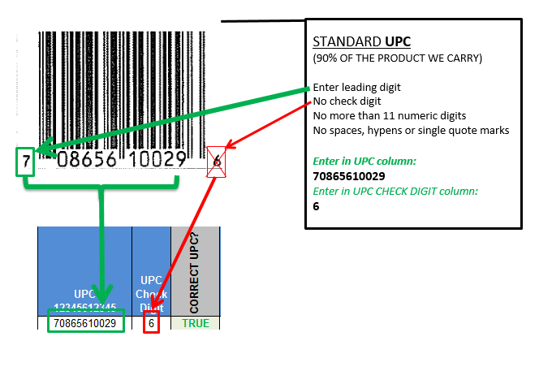
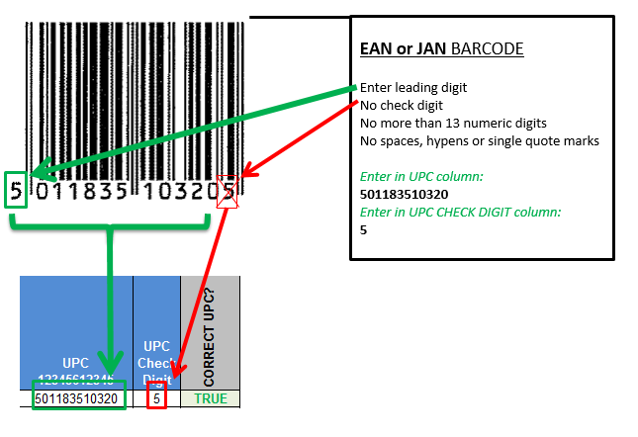
HOW TO ENTER A UPC or EAN PROPERLY ON THE NISF

