SUBMISSION & UPC INFO
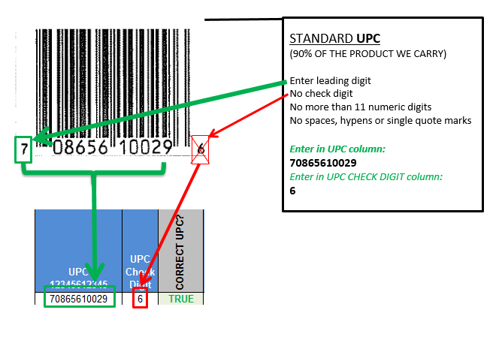
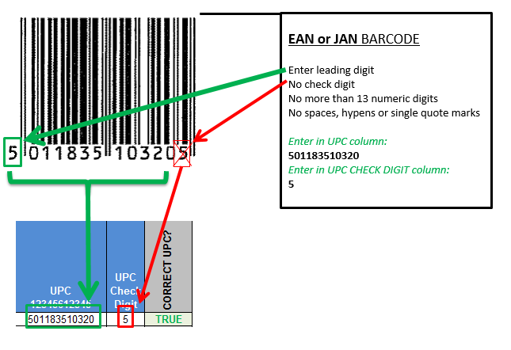
 | CLICK TO SUBMIT GROCERY ITEMS
 | Subteams: Bulk, Dairy, Frozen, Grocery
 | Buyer Contact: Richard.Williams@wholefoods.com

 | CLICK TO SUBMIT WHOLE BODY ITEMS
 | Subteams: Bodycare, Supplements
 | Buyer Contact: Mary.Frewen@wholefoods.com

HOW TO ENTER A UPC PROPERLY ON THE NISF: |  | HOW TO ENTER AN EAN PROPERLY ON THE NISF:

