装箱清单
山东铭盛机械集团有限公司 SHANDONG MING SHENG MACHINERY GROUP CO., LTD 山东省济宁市任城区仙营街道建设北路高鸿智汇大厦1722室 No. 68 Tongji Road, High-tech Development Zone, Jining City, Shandong Province

装 箱 清 单
PACKING LIST

 |  |  |  |  | 合 同 号 码 CONTRACT NO.： |  | 8278029-43-I-1
 |  |  |  |  | 日 期 DATE： |  | 2026-08-20

To： | DAVID JOHN GIRLING 133 Cedar Ave, EskQLD 4312 AUS

唛头 | Product Name | Model/Specification | QUANTITY |  | NET WEIGHT(KGS) | GROSS WEIGHT(KGS) | Volume | Picture
Mark & Nos | DESCRIPTION |  | QUANTITY |  | N.W. | G.W. | CBM
N/M | Forklift truck | MS-35 | 3 | units | 12950KGS |  | 50.74 | 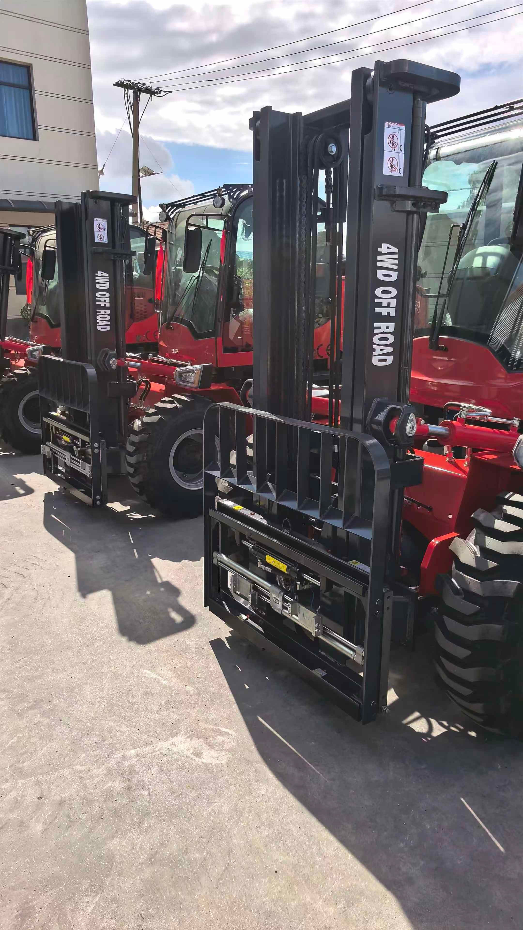
 | Bucket attachment | No model specified | 3 | units | 1080KG |  | 4.25 | 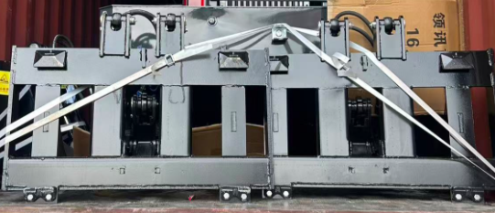
 | Forklift wheels | Brand and model not specified | 4 | pieces | 260KG |  | 1.01 | 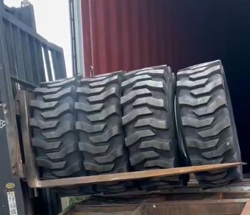
TOTAL: |  |  | 10 |  | 14290KGS |  | 56.00CBM |  | 11090 | 9997

Packaging method: Unpackaged / Naked packaging

