BT
TECH-428057711-29 version 2.0 PROCESS FAILURE MODE & EFFECT ANALYSIS
 | Item |  | CHARACTERISTICS OF FAILURE |  |  |  | Current controls |  |  | 1st Rating |  | ACTION-STATUS |  |  |  |  | 2nd RATING |  |  |  | Classification SC/CC
No | Function / part / operation/action | Requirement | Potential failure mode | Potential Effect(s) of Failure | S | Potential causes of failure | Controls prevention | Po | Controls detection (on action level) | Pd | RPN1 | Recommended action | Responsible | Target completion date | Actions taken | Actual Completion Date | S | Po | Pd | RPN2 |  | Closed
1 | Move | The blue box position is given | 1.Robot collides | Human is injured Non human resources damaged process delayed | 9 | 1.Human comming in the area where the robot moves and does not see it. 2.Robot moves outside its expected zone. | Educated operator (1) constraint on robot work space (2) |  | Checking the input moving position againt expected robot workspace (2) setting collision force threshold - if exeeded robot collided and need to stop (1) Operator detect failures (1,2) |  |  | stop the system System to notify human and robot
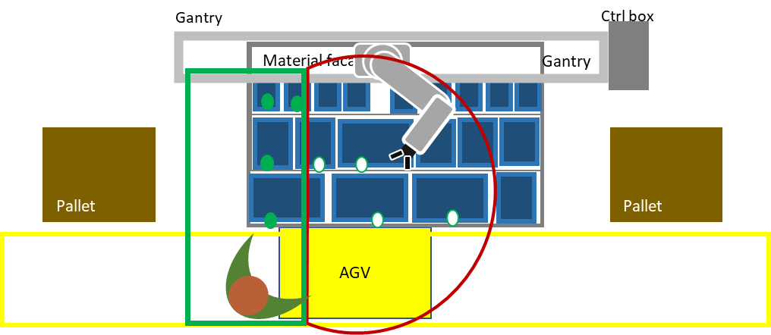
2 | Pick | The part position is scanned by the scanner. The blue box position is identified by the vision system. The robot has equipped the correct tool. The part should be picked based on the order. | 1.no part picked | process delayed | 7 | 1.Robot moves outside its expected zone. 2.Scanning input not correct 3.grasping point not accurate 4.gripper performance deteriorated | constraint on robot work space (1) NA (2,3,4) |  | Operator detect failures (1,2,3) enabled force/torque sensor detecting if part in gripper (1,2,3,4 ) |  |  | (after # attempts) stopp execution and hand the task to operator is it valubable to check cases nr 2,3,4? |  |  |  |  |  |  |  | 0
 |  |  | 2.picked and dropped | process delayed | 7 | 1.Scanning input not correct 2.grasping point not accurate 3.gripper performance deteriorated | NA |  | Operator detect failures (1,2,3) |  |  | after # attempts) stopp execution and hand the task to operator
3 | Place | Part is picked trolley in right place(in front of facade) Placing position provided by the ctrl system | 1.placed outside box | part will be damaged process delayed (human injured when part falling on him/her ) | 7 | 1. trolly is not in the right place | NA |  | if operator in the area, then they can detect it |  |  | operator intervention
 |  |  | 2.placed on the wrong position in the box | process delayed (later process is delayed) | 7 | 1. position provided by the ctrl system is wrong 2. trolly is not in the right place | NA |  | if operator in the area, then they can detect it |  |  | operator intervention
 |  |  | 3. part dropped | process delayed Human is injured Non human resources damaged | 7 | 1. gripper performance deteriorated 2. grasping point not accurate | NA |  | Operator detect failures enabled force/torque sensor detecting if part in gripper |  |  | operator intervention
4 | Scan | gripper with a camera is attched | 1.Wrong scanning | process delayed (later process is delayed) | 7 | 1. starting position of scanning is wrong 2. wrong trolley is given 3. wrong positions are calculated from the scanning | NA |  | NA(1,3) if operator in the area, then they can detect it (2) |  |  | operator intervention and checking the output of the scan
 |  |  | 2. No scanning | process delayed (later process is delayed) | 7 | 1. the algorithm is faulty | NA |  | Operator detect failures in the later process |  |  |  |  |  |  |  |  |  |  | 0
 |  |  |  |  |  |  |  |  |  |  |  |  |  |  |  |  |  |  |  | 0
 |  |  |  |  |  |  |  |  |  |  | 0 |  |  |  |  |  |  |  |  | 0
 |  |  |  |  |  |  |  |  |  |  | 0 |  |  |  |  |  |  |  |  | 0
 |  |  |  |  |  |  |  |  |  |  | 0 |  |  |  |  |  |  |  |  | 0
 |  |  |  |  |  |  |  |  |  |  | 0 |  |  |  |  |  |  |  |  | 0
 |  |  |  |  |  |  |  |  |  |  | 0 |  |  |  |  |  |  |  |  | 0
 |  |  |  |  |  |  |  |  |  |  | 0 |  |  |  |  |  |  |  |  | 0
 |  |  |  |  |  |  |  |  |  |  | 0 |  |  |  |  |  |  |  |  | 0
 |  |  |  |  |  |  |  |  |  |  | 0 |  |  |  |  |  |  |  |  | 0
 |  |  |  |  |  |  |  |  |  |  | 0 |  |  |  |  |  |  |  |  | 0
 |  |  |  |  |  |  |  |  |  |  | 0 |  |  |  |  |  |  |  |  | 0
 |  |  |  |  |  |  |  |  |  |  | 0 |  |  |  |  |  |  |  |  | 0
 |  |  |  |  |  |  |  |  |  |  | 0 |  |  |  |  |  |  |  |  | 0
 |  |  |  |  |  |  |  |  |  |  | 0 |  |  |  |  |  |  |  |  | 0
 |  |  |  |  |  |  |  |  |  |  | 0 |  |  |  |  |  |  |  |  | 0
 |  |  |  |  |  |  |  |  |  |  | 0 |  |  |  |  |  |  |  |  | 0
 |  |  |  |  |  |  |  |  |  |  | 0 |  |  |  |  |  |  |  |  | 0
 |  |  |  |  |  |  |  |  |  |  | 0 |  |  |  |  |  |  |  |  | 0
 |  |  |  |  |  |  |  |  |  |  | 0 |  |  |  |  |  |  |  |  | 0
 |  |  |  |  |  |  |  |  |  |  | 0 |  |  |  |  |  |  |  |  | 0
 |  |  |  |  |  |  |  |  |  |  | 0 |  |  |  |  |  |  |  |  | 0
 |  |  |  |  |  |  |  |  |  |  | 0 |  |  |  |  |  |  |  |  | 0
 |  |  |  |  |  |  |  |  |  |  | 0 |  |  |  |  |  |  |  |  | 0
 |  |  |  |  |  |  |  |  |  |  | 0 |  |  |  |  |  |  |  |  | 0
 |  |  |  |  |  |  |  |  |  |  | 0 |  |  |  |  |  |  |  |  | 0

