Feuil1
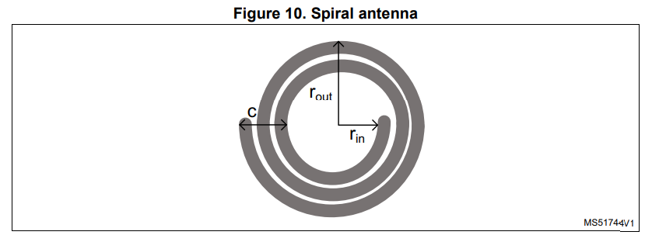
Rectangular Antenna Calculator |  |  | Circular Antenna Calculator
by Loann BOUDIN | 2019 |  |  | by Rahim Aziz | 2019
based on NXP antenna design guide |  |  | based on NXP antenna design guide
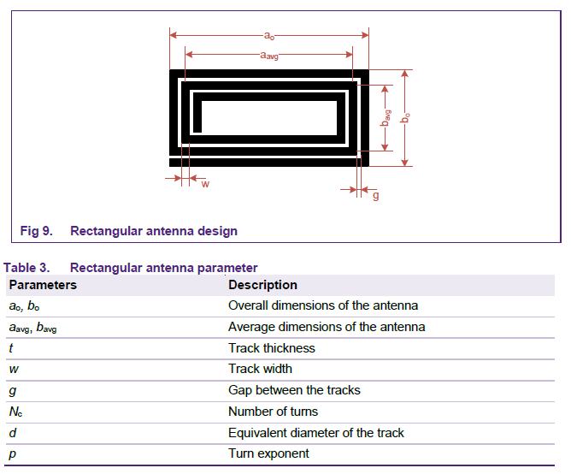
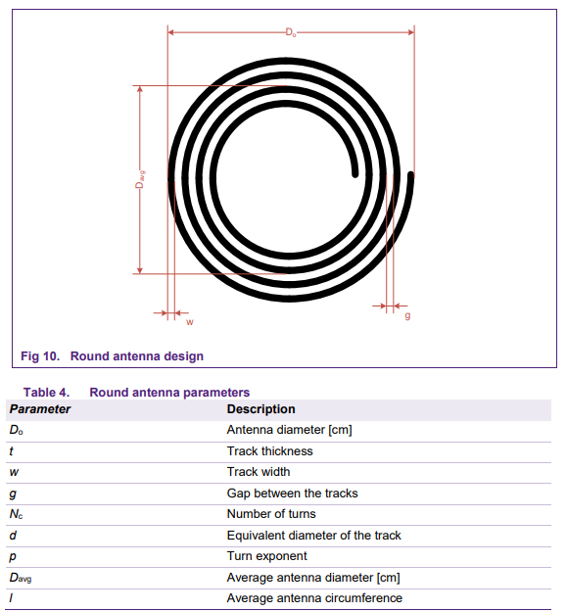
 | variables |  |  | variables
 | a0 (m) | 5.00E-02 |  | D0 | 4.00E-02
 | b0 (m) | 3.70E-02 |  | t (m) | 3.50E-05
 | t (m) | 3.48E-05 |  | w (m) | 3.00E-04
 | w (m) | 3.00E-04 |  | g (m) | 3.00E-04
 | g (m) | 3.00E-04 |  | Nant | 6.00E+00
 | Nant | 5.00E+00

 | results |  |  | results
 | d | 0.00021313393359 |  | d (m) | 3.82E-04

 | aAvg | 4.70E-02 |  | Dvag (m) | 3.64E-02
 | bAvg | 3.40E-02
 |  |  |  | l | 1.14E-01
 | x1 | 2.33E-01
 | x2 | 1.73E-01 |  | Lant (nH) | 2.665E+03
 | x3 | 4.60E-02 |  | Lant (uH) | 2.665E+00
 | x4 | 0.02025 |  | Lant (H) | 2.665E-06

 | Lant (H) | 2.759E-06

Circular Antenna Calculator
by Rahim Aziz | 2019
based on STM antenna design guide

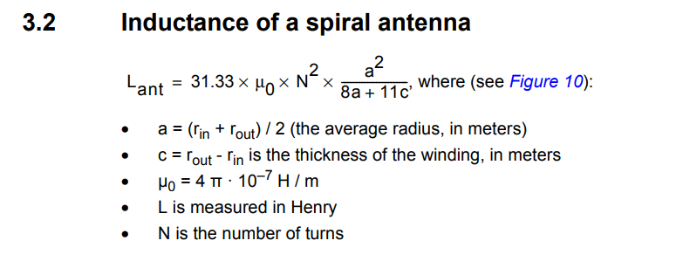
 | variables
 | rin (m) | 1.75E-02
 | rout (m) | 2.05E-02
 | Nant | 6.00E+00

 | results
 | a (m) | 1.90E-02

 | c (m) | 3.00E-03

 | Lant (H) | 2.766E-06
 | Lant (uH) | 2.766E+00

