Summary
Summary: one row per Tier 1 workload (1B instructions, QV100-SASS-PAPER_V100, Snake = exact footprint, default config) and the 7-app average.
Sources: sim_run_baseline / sim_run_snake (Tier 1), sim_run_snake_gate/D1_pl1d and D1_pmem (ceilings), SPEC.md §5 (paper). Key findings and charts below.
workload | paper IPC gain (Fig. 18) | Snake IPC gain (whole run, exact) | perfect-L1 ceiling | perfect-memory ceiling | paper coverage (Fig. 16) | predicted coverage (coverage_pred) | delivered coverage (coverage_paper) | paper accuracy (Fig. 17) | timely accuracy (accuracy_paper) | L1 hit baseline | L1 hit Snake | paper L1 hit baseline (Fig. 25, avg) | paper L1 hit Snake (Fig. 25, avg) | Status | Notes
backprop | +1.0% | -0.2% | +41.7% | +46.7% | 83.0% | 64.6% | 12.4% | 68.0% | 0.2% | 41.7% | 42.3% | n/a | n/a | Verified (1B final run) | paper values per benchmark (both inputs share them); Fig. 25 gives only the average
hotspot 1024 | +13.0% | +0.2% | +0.1% | +0.6% | 88.0% | 93.3% | 69.1% | 85.0% | 27.0% | 0.7% | 27.9% | n/a | n/a | Verified (1B final run) | paper values per benchmark (both inputs share them); Fig. 25 gives only the average
hotspot 512 | +13.0% | +0.1% | +0.3% | +0.9% | 88.0% | 90.6% | 59.5% | 85.0% | 26.4% | 0.2% | 26.6% | n/a | n/a | Verified (1B final run) | paper values per benchmark (both inputs share them); Fig. 25 gives only the average
lud 512 | +18.0% | +0.1% | +3.6% | +4.8% | 91.0% | 82.2% | 28.4% | 82.0% | 2.7% | 4.2% | 6.8% | n/a | n/a | Verified (1B final run) | paper values per benchmark (both inputs share them); Fig. 25 gives only the average
lud 256 | +18.0% | +0.1% | +3.0% | +4.4% | 91.0% | 74.9% | 33.4% | 82.0% | 0.7% | 0.0% | 0.7% | n/a | n/a | Verified (1B final run) | paper values per benchmark (both inputs share them); Fig. 25 gives only the average
nw | +5.0% | 0.0% | +16.6% | +19.0% | 12.0% | 0.0% | 0.0% | 10.0% | 0.0% | 1.5% | 1.5% | n/a | n/a | Verified (1B final run) | paper values per benchmark (both inputs share them); Fig. 25 gives only the average
histo | +33.0% | -1.9% | +39.2% | +29.6% | 97.0% | 34.4% | 23.6% | 96.0% | 10.8% | 59.1% | 69.3% | n/a | n/a | Verified (1B final run) | paper values per benchmark (both inputs share them); Fig. 25 gives only the average
mri-q | +4.0% | +0.1% | +2.2% | +1.7% | 72.0% | 88.0% | 9.3% | 60.0% | 0.0% | 0.0% | 0.0% | n/a | n/a | Verified (1B final run) | paper values per benchmark (both inputs share them); Fig. 25 gives only the average
srad_v1 | +29.0% | -0.2% | +20.6% | +22.5% | 87.0% | 84.8% | 12.5% | 83.0% | 3.5% | 25.7% | 32.0% | n/a | n/a | Verified (1B final run) | paper values per benchmark (both inputs share them); Fig. 25 gives only the average
7-app GMEAN / mean | +14.1% | -0.3% | +16.6% | +16.8% | 75.7% | 63.2% | 21.9% | 69.1% | 6.1% | 18.7% | 25.2% | 45.0% | 79.0% | Verified (1B final run) | IPC gains: GMEAN over apps (inputs averaged first); rates: mean over apps. Paper averages over the same 7 apps; Fig. 25 over the paper's 11 apps (Isolated-Snake 84.0%)

Key findings
1. Prediction is close to the paper: predicted coverage 63.2% vs the paper's 75.7% (7-app means); hotspot, srad_v1, mri-q 85-93%. |  |  |  |  |  |  |  |  |  |  |  |  |  | final_tier1.md §3; SPEC §8 K1
2. Timeliness is far below the paper: timely accuracy 6.1% vs 69.1%; inter-warp predictions come 18-184 cycles (p50) before use, against average memory latencies of 240-1015 cycles. |  |  |  |  |  |  |  |  |  |  |  |  |  | S6_ipc.md §3; SPEC §8
3. IPC: Snake -0.3% vs the paper's +14.1% (GMEAN); the six ablations span -0.31% to -0.10%. |  |  |  |  |  |  |  |  |  |  |  |  |  | final_tier1.md §3; Ablations sheet
4. Headroom ceilings: a perfect L1 gives +16.6% and perfect memory +16.8% (GMEAN), about the paper's average, but in other apps. |  |  |  |  |  |  |  |  |  |  |  |  |  | D1_ceilings.md
5. hotspot and lud cannot reach the paper's gains here: a perfect L1 gives hotspot at most +0.3% and lud at most +3.6% (best lud kernel +8.4%), vs the paper's +13% / +18%. |  |  |  |  |  |  |  |  |  |  |  |  |  | D1_ceilings.md; K1_best_kernel.md
6. backprop and histo are DRAM-queue bound, srad_v1 and mri-q miss-queue/MSHR bound: prefetching moves the same bytes (backprop DRAM reads 434,188 baseline vs 434,188 Snake; average memory latency 1015 -> 1065 cycles). |  |  |  |  |  |  |  |  |  |  |  |  |  | S6_ipc.md §2
7. Trace decoding: pre-756ed33 traces mis-decode predicated lanes; fixed in accel-sim fe8f37e (backprop L1D read hits -76%, cycles -0.67%, 100M). |  |  |  |  |  |  |  |  |  |  |  |  |  | VERSION_DIFF.md 'Pre-756ed33 traces'; Trace_fix sheet
8. Best-performing kernel (Best_kernel sheet): predicted coverage 73.1% vs the paper's 75.7%, timely accuracy 5.2% vs 69.1%, speedup +2.1% vs +14.1% (GMEAN; whole run -0.3%). Closest: backprop +0.07% (best over variants +1.37%) vs +1%; histo +11.5% (35% of the paper's +33%). |  |  |  |  |  |  |  |  |  |  |  |  |  | K1_best_kernel.md; Best_kernel sheet
9. Energy (Fig. 19) is unavailable: AccelWattch costs +55% simulation time (paired run), above the 30% limit. |  |  |  |  |  |  |  |  |  |  |  |  |  | SPEC §8; final_tier1.md §0

(a) IPC gain: paper vs Snake vs perfect-L1 ceiling

(b) Coverage: paper vs predicted vs delivered

(c) Accuracy: paper vs Snake (timely)

Best_kernel
Best-performing kernel per workload vs the paper's per-benchmark values (the mentor's hypothesis: the paper may report its best kernel). Tier 1 runs, 1B, PAPER_V100; ceilings from D1_pl1d.
Caveat: the kernel is selected by Snake's own speedup (>= 1% of run time), so it is an optimistic view. Same data as PerKernel and K1_best_kernel.md; last columns: best kernel over all 7 Tier 1 Snake variants.
workload | best kernel (Snake exact) | run-time share | paper IPC gain (Fig. 18) | best-kernel speedup | whole-run speedup (full run, incl. capped last launch) | kernel perfect-L1 ceiling | paper coverage (Fig. 16) | best kernel: predicted coverage | best kernel: delivered coverage | paper accuracy (Fig. 17) | best kernel: timely accuracy | best kernel: L1 hit base | best kernel: L1 hit Snake | best over 7 Tier 1 variants: speedup | that variant | that kernel | Status | Notes
backprop | _Z22bpnn_layerforward_CUDAPfS_S_S_ii | 46.3% | +1.0% | +0.07% | -0.20% | +0.3% | 83.0% | 71.9% | 43.7% | 68.0% | 0.9% | 3.4% | 5.7% | +1.37% | Snake (line) | _Z24bpnn_adjust_weights_cudaPfiS_iS_S_ | Diagnostic only | best = largest Snake speedup among kernels with >= 1% of the run time (selection uses Snake's own result)
hotspot 1024 | _Z14calculate_tempiPfS_S_iiiiffffff | 100.0% | +13.0% | +0.16% | +0.16% | +0.1% | 88.0% | 93.3% | 69.1% | 85.0% | 27.0% | 0.7% | 27.9% | +0.18% | Snake (line) | _Z14calculate_tempiPfS_S_iiiiffffff | Diagnostic only | best = largest Snake speedup among kernels with >= 1% of the run time (selection uses Snake's own result)
hotspot 512 | _Z14calculate_tempiPfS_S_iiiiffffff | 100.0% | +13.0% | +0.13% | +0.13% | +0.3% | 88.0% | 90.6% | 59.5% | 85.0% | 26.4% | 0.2% | 26.6% | +0.32% | Snake-ISO | _Z14calculate_tempiPfS_S_iiiiffffff | Diagnostic only | best = largest Snake speedup among kernels with >= 1% of the run time (selection uses Snake's own result)
lud 512 | _Z12lud_internalPfii | 21.3% | +18.0% | +0.59% | +0.12% | +8.4% | 91.0% | 86.2% | 29.8% | 82.0% | 2.8% | 4.4% | 7.1% | +0.85% | PAPER_LAT Snake (exact) | _Z12lud_internalPfii | Diagnostic only | best = largest Snake speedup among kernels with >= 1% of the run time (selection uses Snake's own result)
lud 256 | _Z12lud_internalPfii | 18.4% | +18.0% | +0.43% | +0.08% | +6.0% | 91.0% | 82.5% | 36.8% | 82.0% | 0.8% | 0.0% | 0.8% | +1.03% | PAPER_LAT Snake (exact) | _Z12lud_internalPfii | Diagnostic only | best = largest Snake speedup among kernels with >= 1% of the run time (selection uses Snake's own result)
nw | _Z20needle_cuda_shared_1PiS_iiii | 50.1% | +5.0% | 0.00% | 0.00% | +16.3% | 12.0% | 0.0% | 0.0% | 10.0% | 0.0% | 1.5% | 1.5% | 0.00% | Snake (exact) | _Z20needle_cuda_shared_1PiS_iiii | Diagnostic only | best = largest Snake speedup among kernels with >= 1% of the run time (selection uses Snake's own result)
histo | _Z26histo_intermediates_kernelP5uint2jjjP6uchar4 | 17.1% | +33.0% | +11.48% | -1.93% | +131.1% | 97.0% | 83.3% | 52.2% | 96.0% | 7.0% | 1.5% | 8.0% | +12.00% | PAPER_LAT Snake (exact) | _Z26histo_intermediates_kernelP5uint2jjjP6uchar4 | Diagnostic only | best = largest Snake speedup among kernels with >= 1% of the run time (selection uses Snake's own result); last launch at the 1B cap excluded
mri-q | _Z12ComputeQ_GPUiiPfS_S_S_S_ | 97.6% | +4.0% | +0.10% | +0.09% | +2.0% | 72.0% | 88.4% | 9.2% | 60.0% | 0.0% | 0.0% | 0.0% | +0.29% | PAPER_LAT Snake (exact) | _Z12ComputeQ_GPUiiPfS_S_S_S_ | Diagnostic only | best = largest Snake speedup among kernels with >= 1% of the run time (selection uses Snake's own result); last launch at the 1B cap excluded
srad_v1 | _Z7extractlPf | 1.3% | +29.0% | +2.56% | -0.21% | +6.9% | 87.0% | 92.0% | 50.8% | 83.0% | 0.1% | 0.0% | 0.1% | +2.56% | Snake (exact) | _Z7extractlPf | Diagnostic only | best = largest Snake speedup among kernels with >= 1% of the run time (selection uses Snake's own result); last launch at the 1B cap excluded
7-app GMEAN / mean | n/a | n/a | +14.1% | +2.05% | -0.29% | +17.9% | 75.7% | 73.1% | 36.2% | 69.1% | 5.2% | 1.3% | 6.6% | +2.41% | n/a | n/a | Diagnostic only | speedups: GMEAN over apps (inputs averaged first); rates: mean over apps; kernel and share n/a for an average

Best kernel: IPC gain, paper vs best kernel vs whole run vs kernel ceiling

Best kernel: coverage and accuracy vs the paper

vs Snake paper
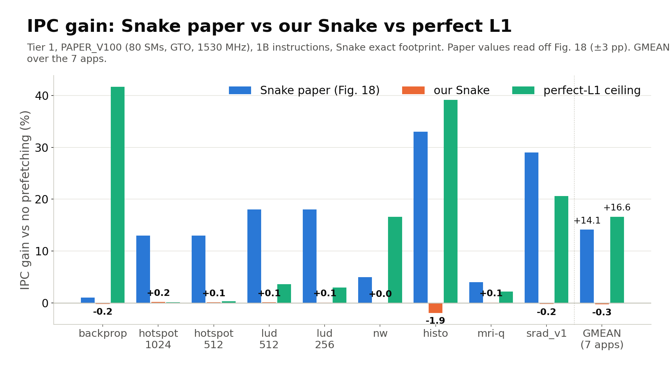
Slide 1. Our Snake vs the Snake paper (Mostofi et al., MICRO 2023). Tier 1: PAPER_V100 (QV100 config, the Snake paper's V100): 80 SMs, GTO, 1530 MHz, 1B instructions (-gpgpu_max_insn 1000000000; whole run if shorter), Snake = exact footprint, default config; 7 apps, 9 workloads.
Coverage and accuracy in % of demand sectors (paper definitions, SPEC OQ-14); IPC gain vs no prefetching. Definitions: Footnotes; every value's source: Provenance.
workload | paper coverage (Fig. 16) | our predicted coverage (coverage_pred) | our delivered coverage (coverage_paper) | paper accuracy, timely (Fig. 17) | our timely accuracy (accuracy_paper) | paper IPC gain (Fig. 18) | our IPC gain | perfect-L1 ceiling | L1 hit baseline | L1 hit Snake | paper L1 hit baseline (Fig. 25 avg) | paper L1 hit Snake (Fig. 25 avg) | Status | Notes
backprop | 83.0% | 64.6% | 12.4% | 68.0% | 0.2% | +1.0% | -0.2% | +41.7% | 41.7% | 42.3% | n/a | n/a | Verified (1B final run) | paper values per app, read off bar charts (±3 pp); paper L1 hit: n/a, Fig. 25 gives only the average over the paper's 11 apps
hotspot 1024 | 88.0% | 93.3% | 69.1% | 85.0% | 27.0% | +13.0% | +0.2% | +0.1% | 0.7% | 27.9% | n/a | n/a | Verified (1B final run) | paper values per app, read off bar charts (±3 pp); both inputs share the paper's app value; paper L1 hit: n/a, Fig. 25 gives only the average over the paper's 11 apps
hotspot 512 | 88.0% | 90.6% | 59.5% | 85.0% | 26.4% | +13.0% | +0.1% | +0.3% | 0.2% | 26.6% | n/a | n/a | Verified (1B final run) | paper values per app, read off bar charts (±3 pp); both inputs share the paper's app value; paper L1 hit: n/a, Fig. 25 gives only the average over the paper's 11 apps
lud 512 | 91.0% | 82.2% | 28.4% | 82.0% | 2.7% | +18.0% | +0.1% | +3.6% | 4.2% | 6.8% | n/a | n/a | Verified (1B final run) | paper values per app, read off bar charts (±3 pp); both inputs share the paper's app value; paper L1 hit: n/a, Fig. 25 gives only the average over the paper's 11 apps
lud 256 | 91.0% | 74.9% | 33.4% | 82.0% | 0.7% | +18.0% | +0.1% | +3.0% | 0.0% | 0.7% | n/a | n/a | Verified (1B final run) | paper values per app, read off bar charts (±3 pp); both inputs share the paper's app value; paper L1 hit: n/a, Fig. 25 gives only the average over the paper's 11 apps
nw | 12.0% | 0.0% | 0.0% | 10.0% | 0.0% | +5.0% | 0.0% | +16.6% | 1.5% | 1.5% | n/a | n/a | Verified (1B final run) | paper values per app, read off bar charts (±3 pp); paper L1 hit: n/a, Fig. 25 gives only the average over the paper's 11 apps
histo | 97.0% | 34.4% | 23.6% | 96.0% | 10.8% | +33.0% | -1.9% | +39.2% | 59.1% | 69.3% | n/a | n/a | Verified (1B final run) | paper values per app, read off bar charts (±3 pp); paper L1 hit: n/a, Fig. 25 gives only the average over the paper's 11 apps
mri-q | 72.0% | 88.0% | 9.3% | 60.0% | 0.0% | +4.0% | +0.1% | +2.2% | 0.0% | 0.0% | n/a | n/a | Verified (1B final run) | paper values per app, read off bar charts (±3 pp); paper L1 hit: n/a, Fig. 25 gives only the average over the paper's 11 apps
srad_v1 | 87.0% | 84.8% | 12.5% | 83.0% | 3.5% | +29.0% | -0.2% | +20.6% | 25.7% | 32.0% | n/a | n/a | Verified (1B final run) | paper values per app, read off bar charts (±3 pp); paper L1 hit: n/a, Fig. 25 gives only the average over the paper's 11 apps
7 apps: GMEAN (IPC) / mean (rates) | 75.7% | 63.2% | 21.9% | 69.1% | 6.1% | +14.1% | -0.3% | +16.6% | 18.7% | 25.2% | 45.0% | 79.0% | Verified (1B final run) | IPC: GMEAN over apps; rates: mean over apps. Paper columns: the same 7 apps (its own 11-app averages: coverage 80.0, accuracy 75.0, IPC gain +17%, SPEC §5); paper L1 hit: 11-app average (Isolated-Snake 84.0)

vs SnakeCharmer
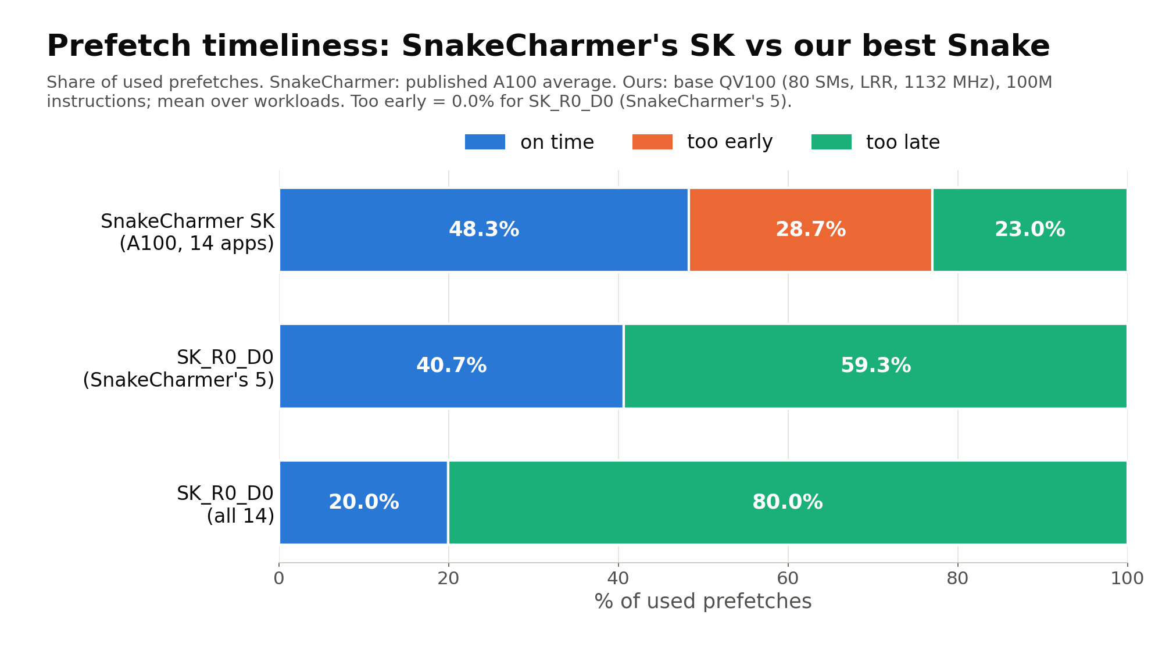
Slide 2. Snake as SnakeCharmer's SK (Tang et al., MICRO 2026) vs SnakeCharmer's published SK averages. Ours: base QV100 (SnakeCharmer's V100 setup): 80 SMs, LRR, 1132 MHz, 100M instructions (-gpgpu_max_insn 100000000; whole run if shorter).
SnakeCharmer's metrics per 32 B sector (SPEC OQ-36); on time / too early / too late are shares of used prefetches. Means are arithmetic over workloads, IPC a GMEAN.
config | scope | workloads | coverage_sc, on-time only | coverage_sc, incl. late | accuracy_sc | on time | too early | too late | prefetch-induced eviction share | IPC vs no prefetching (GMEAN) | Status | Notes
SnakeCharmer SK (A100) | 14 apps, A100 average | 14 | 11.5% | n/a | 23.1% | 48.3% | 28.7% | 23.0% | 34.0% | not reported | Published value | coverage incl. late: n/a, SnakeCharmer reports one coverage (H / (H + M), late uses not separated; SPEC OQ-36). Eviction share: from the task brief, its definition not checked against ours. Full runs, zero-compressed cache
SK (reserve 8, decoupling on) | SnakeCharmer's 5 workloads | 5 | 17.8% | 23.6% | 72.6% | 42.2% | 0.0% | 57.8% | 11.2% | +13.6% | Preliminary (100M run) | means over workloads (IPC: GMEAN); n with a value: accuracy 5, timeliness 5, evictions 3 of 5 (no prefetch used or no eviction: '-' in SK_match_qv100.md)
SK_R0 (reserve 0) | SnakeCharmer's 5 workloads | 5 | 17.8% | 25.0% | 73.6% | 40.3% | 0.0% | 59.6% | 12.0% | +13.6% | Preliminary (100M run) | means over workloads (IPC: GMEAN); n with a value: accuracy 5, timeliness 5, evictions 3 of 5 (no prefetch used or no eviction: '-' in SK_match_qv100.md)
SK_R0_D0 (reserve 0, decoupling off) | SnakeCharmer's 5 workloads | 5 | 17.8% | 24.2% | 72.9% | 40.7% | 0.0% | 59.3% | 12.3% | +14.0% | Preliminary (100M run) | means over workloads (IPC: GMEAN); n with a value: accuracy 5, timeliness 5, evictions 2 of 5 (no prefetch used or no eviction: '-' in SK_match_qv100.md)
SK (reserve 8, decoupling on) | all 14 workloads | 14 | 8.3% | 20.4% | 76.3% | 21.9% | 0.4% | 77.7% | 16.4% | +4.0% | Preliminary (100M run) | means over workloads (IPC: GMEAN); n with a value: accuracy 13, timeliness 13, evictions 9 of 14 (no prefetch used or no eviction: '-' in SK_match_qv100.md)
SK_R0 (reserve 0) | all 14 workloads | 14 | 8.3% | 22.3% | 76.4% | 20.8% | 0.4% | 78.8% | 16.1% | +3.7% | Preliminary (100M run) | means over workloads (IPC: GMEAN); n with a value: accuracy 13, timeliness 13, evictions 9 of 14 (no prefetch used or no eviction: '-' in SK_match_qv100.md)
SK_R0_D0 (reserve 0, decoupling off) | all 14 workloads | 14 | 7.1% | 18.0% | 75.5% | 20.0% | 0.0% | 80.0% | 10.7% | +4.8% | Preliminary (100M run) | means over workloads (IPC: GMEAN); n with a value: accuracy 13, timeliness 13, evictions 7 of 14 (no prefetch used or no eviction: '-' in SK_match_qv100.md)

Per 100 prefetched sectors
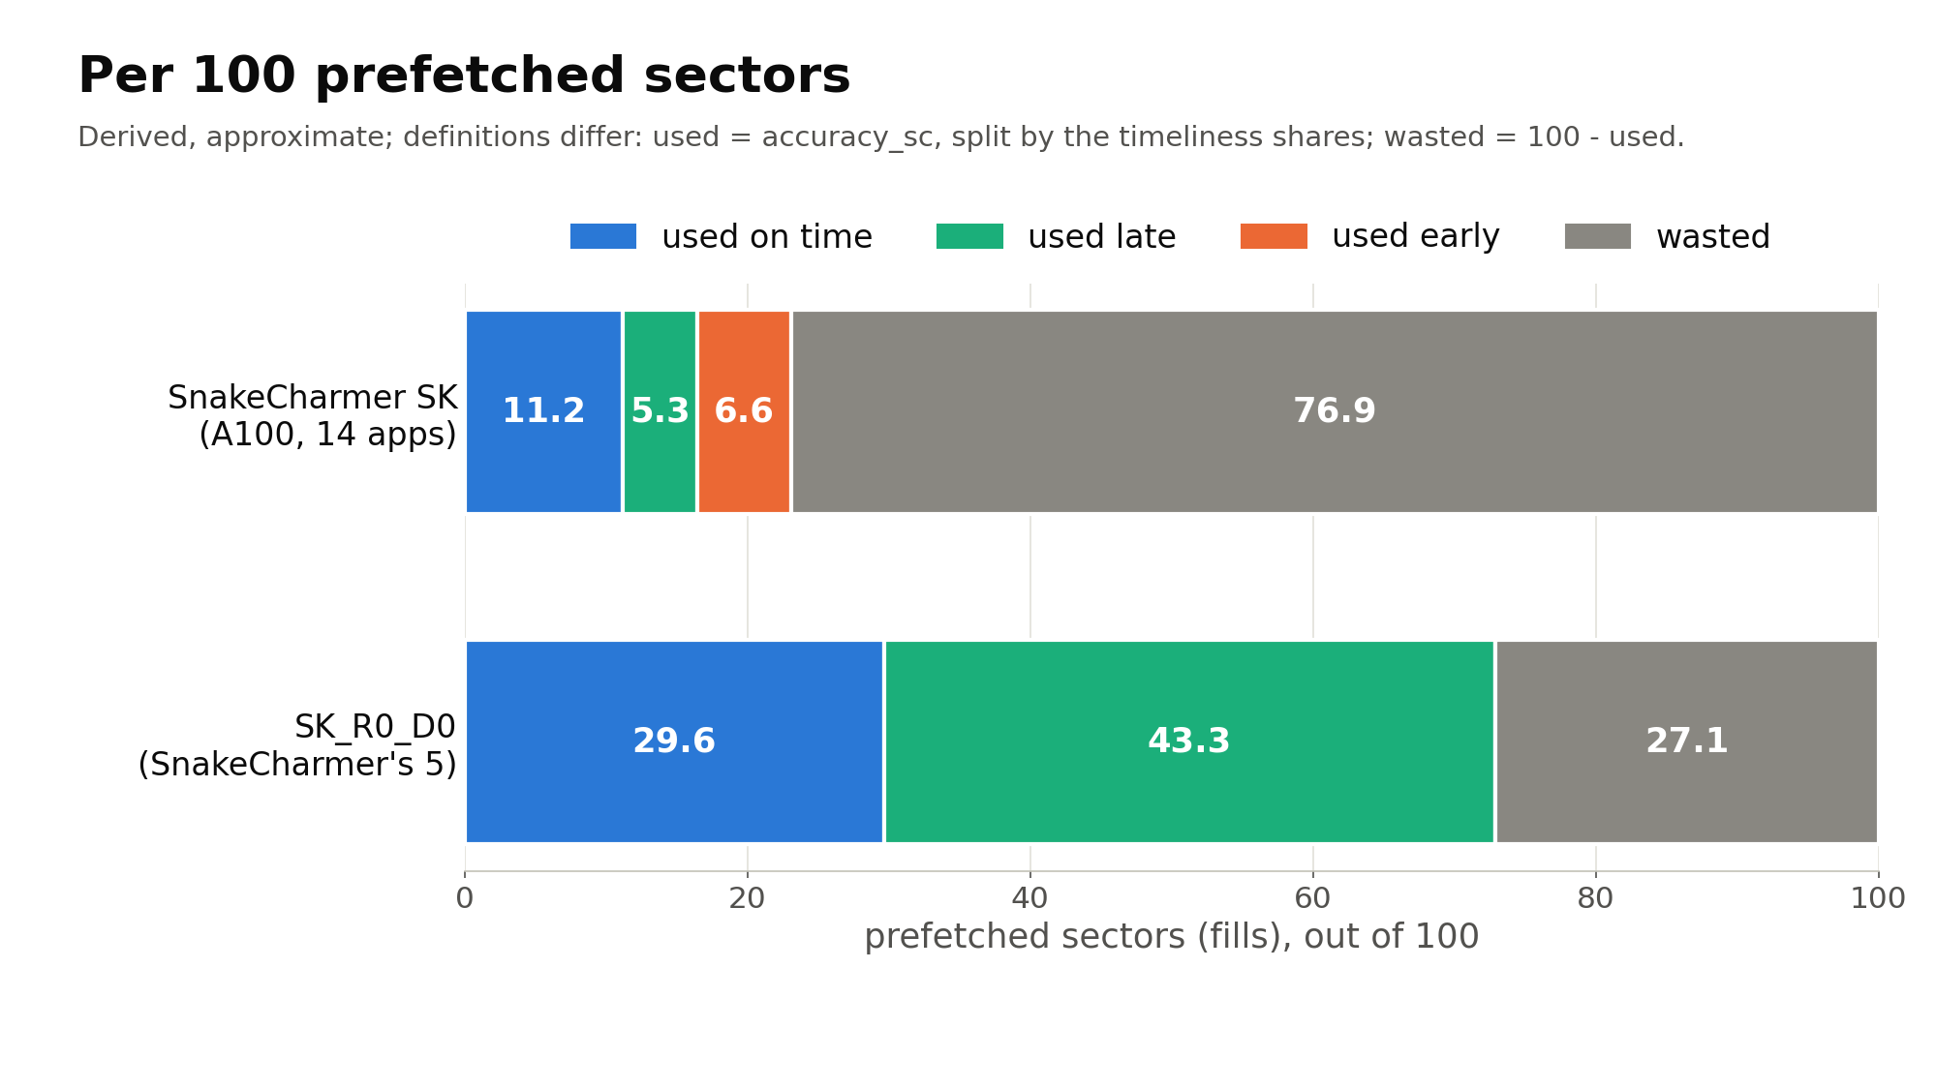
Slide 3. Per 100 prefetched sectors (fills): derived from sheet 'vs SnakeCharmer'. Derived, approximate; definitions differ.
used = accuracy_sc; used on time / late / early = accuracy_sc x on-time / too-late / too-early share; wasted = 100 - used.
config | scope | used | used on time | used late | used early | wasted | Status | Notes
SnakeCharmer SK (A100) | 14 apps, A100 average | 23.1 | 11.2 | 5.3 | 6.6 | 76.9 | Derived | derived, approximate; definitions differ (Footnotes): the shares are of used prefetches, our too-early sectors are not counted in our accuracy_sc, and products of means are not means of products
SK_R0_D0 (reserve 0, decoupling off) | SnakeCharmer's 5 workloads | 72.9 | 29.6 | 43.3 | 0.0 | 27.1 | Derived | derived, approximate; definitions differ (Footnotes): the shares are of used prefetches, our too-early sectors are not counted in our accuracy_sc, and products of means are not means of products

Best Snake vs no prefetching
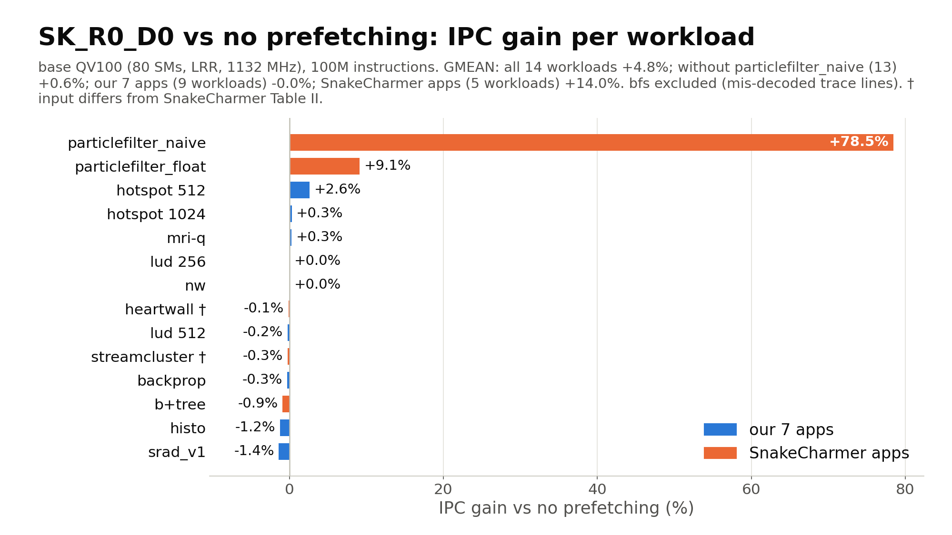
Slide 4. Best Snake variant (SK_R0_D0: SK settings, same-CTA inter-warp targets, per-warp Head, miss-queue reserve 0, decoupling off) vs no prefetching; base QV100 (SnakeCharmer's V100 setup): 80 SMs, LRR, 1132 MHz, 100M instructions (-gpgpu_max_insn 100000000; whole run if shorter).
Workloads sorted by IPC gain within each group. † input differs from SnakeCharmer Table II. bfs excluded (mis-decoded trace lines).
workload | group | IPC, no prefetching | IPC, SK_R0_D0 | IPC gain | Status | Notes
hotspot 512 | our 7 apps | 4,365.9 | 4,481.1 | +2.6% | Preliminary (100M run)
hotspot 1024 | our 7 apps | 4,880.3 | 4,894.7 | +0.3% | Preliminary (100M run)
mri-q | our 7 apps | 3,329.5 | 3,337.9 | +0.3% | Preliminary (100M run)
lud 256 | our 7 apps | 47.4 | 47.4 | +0.0% | Preliminary (100M run)
nw | our 7 apps | 67.4 | 67.4 | 0.0% | Preliminary (100M run)
lud 512 | our 7 apps | 395.7 | 394.8 | -0.2% | Preliminary (100M run)
backprop | our 7 apps | 3,486.9 | 3,475.8 | -0.3% | Preliminary (100M run)
histo | our 7 apps | 724.4 | 715.4 | -1.2% | Preliminary (100M run)
srad_v1 | our 7 apps | 1,416.8 | 1,397.1 | -1.4% | Preliminary (100M run)
particlefilter_naive | SnakeCharmer apps | 39.9 | 71.2 | +78.5% | Preliminary (100M run) | dominates the means: latency-bound, low occupancy (SK_SC.md §5)
particlefilter_float | SnakeCharmer apps | 66.1 | 72.1 | +9.1% | Preliminary (100M run)
heartwall † | SnakeCharmer apps | 763.9 | 762.9 | -0.1% | Preliminary (100M run) | † input differs from SnakeCharmer Table II (SK_SC.md §1)
streamcluster † | SnakeCharmer apps | 17.7 | 17.7 | -0.3% | Preliminary (100M run) | † input differs from SnakeCharmer Table II (SK_SC.md §1); 2.3% of the trace's global memory lines mis-decoded (SK_SC.md §1)
b+tree | SnakeCharmer apps | 3,431.9 | 3,401.3 | -0.9% | Preliminary (100M run)
GMEAN, all 14 workloads | summary |  |  | +4.8% | Preliminary (100M run) | GMEAN over workloads
GMEAN without particlefilter_naive (13) | summary |  |  | +0.6% | Preliminary (100M run) | not in the results docs; computed here from the same runs
GMEAN, our 7 apps (9 workloads) | summary |  |  | -0.0% | Preliminary (100M run) | GMEAN over workloads
GMEAN, SnakeCharmer apps (5 workloads) | summary |  |  | +14.0% | Preliminary (100M run) | GMEAN over workloads
bfs (excluded) | SnakeCharmer apps | n/a | n/a | n/a | n/a | excluded: 24.8% of its global memory lines are mis-decoded after the parser fix, a tracer bug the fix cannot repair (SK_SC.md §1); no SK match runs

