Sheet1
Momentum Indicators | Description | Mathematical Formula | TA-Lib Code

ADX - Average Directional Movement Index | The ADX is a Welles Wilder style moving average of the Directional Movement Index (DX). The values range from 0 to 100, but rarely get above 60. To interpret the ADX, consider a high number to be a strong trend, and a low number, a weak trend. |  | real = ADX(high, low, close, timeperiod=14)
ADXR - Average Directional Movement Index Rating | The ADXR is equal to the current ADX plus the ADX from n bars ago divided by 2. In effect, it is the average of the two ADX values. The ADXR smoothes the ADX, and is therefore less responsive, however, the ADXR filters out excessive tops and bottoms. To interpret the ADXR, consider a high number to be a strong trend, and a low number, a weak trend. |  | real = ADXR(high, low, close, timeperiod=14)
APO - Absolute Price Oscillator |  |  | real = APO(close, fastperiod=12, slowperiod=26, matype=0)
AROON - Aroon | The word aroon is Sanskrit for "dawn's early light." The Aroon indicator attempts to show when a new trend is dawning. The indicator consists of two lines (Up and Down) that measure how long it has been since the highest high/lowest low has occurred within an n period range. When the Aroon Up is staying between 70 and 100 then it indicates an upward trend. When the Aroon Down is staying between 70 and 100 then it indicates an downward trend. A strong upward trend is indicated when the Aroon Up is above 70 while the Aroon Down is below 30. Likewise, a strong downward trend is indicated when the Aroon Down is above 70 while the Aroon Up is below 30. Also look for crossovers. When the Aroon Down crosses above the Aroon Up, it indicates a weakening of the upward trend (and vice versa). |  | aroondown, aroonup = AROON(high, low, timeperiod=14)
AROONOSC - Aroon Oscillator | The Aroon Oscillator is calculated by subtracting the Aroon Down from the Aroon Up. The resultant number will oscillate between 100 and -100. The Aroon Oscillator will be high when the Aroon Up is high and the Aroon Down is low, indicating a strong upward trend. The Aroon Oscillator will be low when the Aroon Down is high and the Aroon Up is low, indicating a strong downward trend. When the Up and Down are approximately equal, the Aroon Oscillator will hover around zero, indicating a weak trend or consolidation. See the Aroon indicator for more information. |  | real = AROONOSC(high, low, timeperiod=14)
BOP - Balance Of Power | similar to Williams R per Weirong |  | real = BOP(open, high, low, close)
CCI - Commodity Channel Index | The CCI is designed to detect beginning and ending market trends. The range of 100 to -100 is the normal trading range. CCI values outside of this range indicate overbought or oversold conditions. You can also look for price divergence in the CCI. If the price is making new highs, and the CCI is not, then a price correction is likely. | 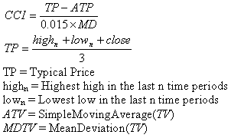 | real = CCI(high, low, close, timeperiod=14)
CMO - Chande Momentum Oscillator | The Chande Momentum Oscillator is a modified RSI. Where the RSI divides the upward movement by the net movement (up / (up + down)), the CMO divides the total movement by the net movement ((up - down) / (up + down)). There are several ways to interpret the CMO. Values over 50 indicate overbought conditions, while values under -50 indicate oversold conditions. High CMO values indicate strong trends. When the CMO crosses above a moving average of the CMO, it is a buy signal, crossing down is a sell signal. | 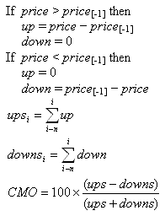 | real = CMO(close, timeperiod=14)
DX - Directional Movement Index | The DX is usually smoothed with a moving average (i.e. the ADX). The values range from 0 to 100, but rarely get above 60. To interpret the DX, consider a high number to be a strong trend, and a low number, a weak trend. |  | real = DX(high, low, close, timeperiod=14)
MACD - Moving Average Convergence/Divergence |  |  | macd, macdsignal, macdhist = MACD(close, fastperiod=12, slowperiod=26, signalperiod=9)
MACDEXT - MACD with controllable MA type |  |  | macd, macdsignal, macdhist = MACDEXT(close, fastperiod=12, fastmatype=0, slowperiod=26, slowmatype=0, signalperiod=9, signalmatype=0)
MACDFIX - Moving Average Convergence/Divergence Fix 12/26 |  |  | macd, macdsignal, macdhist = MACDFIX(close, signalperiod=9)
MFI - Money Flow Index | The Money Flow Index calculates the ratio of money flowing into and out of a security. To interpret the Money Flow Index, look for divergence with price to signal reversals. Money Flow Index values range from 0 to 100. Values above 80/below 20 indicate market tops/bottoms. | 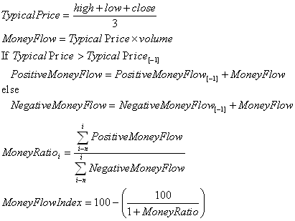 | real = MFI(high, low, close, volume, timeperiod=14)
MINUS_DI - Minus Directional Indicator |  |  | real = MINUS_DM(high, low, timeperiod=14)
MOM - Momentum | The Momentum is a measurement of the acceleration and deceleration of prices. It indicates if prices are increasing at an increasing rate or decreasing at a decreasing rate. The Momentum function can be applied to the price, or to any other data series. |  | real = MOM(close, timeperiod=10)
PLUS_DI - Plus Directional Indicator |  |  | real = PLUS_DI(high, low, close, timeperiod=14)
PLUS_DM - Plus Directional Movement |  |  | real = PLUS_DM(high, low, timeperiod=14)
PPO - Percentage Price Oscillator |  |  | real = PPO(close, fastperiod=12, slowperiod=26, matype=0)
ROC - Rate of change : ((price/prevPrice)-1)*100 |  |  | real = ROC(close, timeperiod=10)
ROCP - Rate of change Percentage: (price-prevPrice)/prevPrice |  |  | real = ROCP(close, timeperiod=10)
ROCR100 - Rate of change ratio 100 scale: (price/prevPrice)*100 |  |  | real = ROCR100(close, timeperiod=10)
RSI - Relative Strength Index | The Relative Strength Index (RSI) calculates a ratio of the recent upward price movements to the absolute price movement. The RSI ranges from 0 to 100. The RSI is interpreted as an overbought/oversold indicator when the value is over 70/below 30. You can also look for divergence with price. If the price is making new highs/lows, and the RSI is not, it indicates a reversal. | 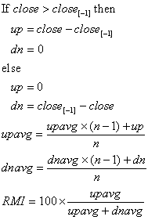 | real = RSI(close, timeperiod=14)
STOCH - Stochastic |  |  | slowk, slowd = STOCH(high, low, close, fastk_period=5, slowk_period=3, slowk_matype=0, slowd_period=3, slowd_matype=0)
STOCHF - Stochastic Fast |  |  | fastk, fastd = STOCHF(high, low, close, fastk_period=5, fastd_period=3, fastd_matype=0)
STOCHRSI - Stochastic Relative Strength Index | Stochastic RSI (StochRSI) is an indicator of an indicator. It calculates the RSI relative to its range in order to increase the sensitivity of the standard RSI. The values of the StochRSI are from zero to one. The Stochastic RSI can be interpreted several ways. Overbought/oversold conditions are indicated when the StochRSI crosses above .20 / below .80. A buy signal is generated when the StochRSI moves from oversold to above the midpoint (.50). A sell signal is generated when the StochRSI moves from overbought to below the midpoint. Also look for divergence with the price to indicate the end of a trend. |  | fastk, fastd = STOCHRSI(close, timeperiod=14, fastk_period=5, fastd_period=3, fastd_matype=0)
TRIX - 1-day Rate-Of-Change (ROC) of a Triple Smooth EMA | The TRIX indicator calculates the rate of change of a triple exponential moving average. The values oscillate around zero. Buy/sell signals are generated when the TRIX crosses above/below zero. A (typically) 9 period exponential moving average of the TRIX can be used as a signal line. A buy/sell signals are generated when the TRIX crosses above/below the signal line and is also above/below zero. |  | real = TRIX(close, timeperiod=30)
ULTOSC - Ultimate Oscillator | The Ultimate Oscillator is the weighted sum of three oscillators of different time periods. The typical time periods are 7, 14 and 28. The values of the Ultimate Oscillator range from zero to 100. Values over 70 indicate overbought conditions, and values under 30 indicate oversold conditions. Also look for agreement/divergence with the price to confirm a trend or signal the end of a trend. | 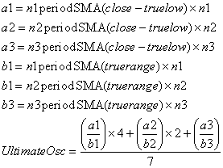 | real = ULTOSC(high, low, close, timeperiod1=7, timeperiod2=14, timeperiod3=28)
WILLR - Williams' %R | The Williams %R is similar to an unsmoothed Stochastic %K. The values range from zero to 100, and are charted on an inverted scale, that is, with zero at the top and 100 at the bottom. Values below 20 indicate an overbought condition and a sell signal is generated when it crosses the 20 line. Values over 80 indicate an oversold condition and a buy signal is generated when it crosses the 80 line. |  | real = WILLR(high, low, close, timeperiod=14)

