Break Even Calculation
Team Travi - Break-Even Calculation

Commission Rate (Travi) | 5%
Booking Value/User | 370.00 €
Revenue/Booking | 18.50 €
Fixed Costs | 2,920.00 €

Break-Even Calculation (bookings/month) | 158.00

Bookings | Revenue (€) | Fixed Cost (€) | Profit (EBITDA)
0 | 0 | 2,920.00 € | -2,920.00 €
50 | 925.00 € | 2,920.00 € | -1,995.00 €
100 | 1,850.00 € | 2,920.00 € | -1,070.00 €
150 | 2,775.00 € | 2,920.00 € | -145.00 €
158 | 2,923.00 € | 2,920.00 € | 3.00 €
200 | 3,700.00 € | 2,920.00 € | 780.00 €
300 | 5,550.00 € | 2,920.00 € | 2,630.00 €

Break-Even Calculation (bookings/month)

Customer Aquisition Costs
Team Travi - Customer Aquisition Costs (CAC)

 | Jan-25 | Feb-25 | Mar-25 | Apr-25 | May-25 | Jun-25 | Jul-25 | Aug-25 | Sep-25 | Oct-25 | Nov-25 | Dec-25 | Jan-26 | Feb-26 | Mar-26 | Apr-26 | May-26 | Jun-26 | Jul-26 | Aug-26 | Sep-26 | Oct-26 | Nov-26 | Dec-26 | Jan-27 | Feb-27 | Mar-27 | Apr-27 | May-27 | Jun-27 | Jul-27 | Aug-27 | Sep-27 | Oct-27 | Nov-27 | Dec-27
CAC Calculation
Total CAC Spend | 2,000 € | 2,000 € | 1,500 € | 1,500 € | 1,500 € | 1,500 € | 1,500 € | 1,500 € | 1,000 € | 1,000 € | 1,000 € | 1,000 € | 1,000 € | 1,000 € | 1,000 € | 1,000 € | 1,000 € | 1,000 € | 1,000 € | 1,000 € | 1,000 € | 1,000 € | 1,000 € | 1,000 € | 1,000 € | 1,000 € | 1,000 € | 1,000 € | 1,000 € | 1,000 € | 1,000 € | 1,000 € | 1,000 € | 1,000 € | 1,000 € | 1,000 €

Number of New Customers | 300.00 | 300.00 | 400.00 | 412.50 | 550.00 | 412.50 | 412.50 | 412.50 | 412.50 | 525.00 | 700.00 | 525.00 | 525.00 | 525.00 | 630.00 | 630.00 | 840.00 | 750.00 | 750.00 | 750.00 | 1000.00 | 1750.00 | 750.00 | 750.00 | 750.00 | 400.00 | 750.00 | 300.00 | 750.00 | 400.00 | 300.00 | 750.00 | 750.00 | 750.00 | 1000.00 | 750.00

CAC (per booking customer) | 6.67 € | 6.67 € | 3.75 € | 3.64 € | 2.73 € | 3.64 € | 3.64 € | 3.64 € | 2.42 € | 1.90 € | 1.43 € | 1.90 € | 1.90 € | 1.90 € | 1.59 € | 1.59 € | 1.19 € | 1.33 € | 1.33 € | 1.33 € | 1.00 € | 0.57 € | 1.33 € | 1.33 € | 1.33 € | 2.50 € | 1.33 € | 3.33 € | 1.33 € | 2.50 € | 3.33 € | 1.33 € | 1.33 € | 1.33 € | 1.00 € | 1.33 €

Customer Aquisition Costs (CAC) per booking customer

Market Size
Market Size - Understanding the Market

TAM (Total Addressable Market) |  |  | Sources

2.5 | Billion Gen Z worldwide |  | https://cropink.com/generation-z-marketing-statistics
0.6 | Gen - Z which are travelling (25%) |  | https://www.peekpro.com/blog/gen-z-travel-trends
800 | € Travel expenses (annually) 2-3x 400€ trips |  | https://explodingtopics.com/blog/gen-z-stats?utm_source=chatgpt.com#top-2025-generation-z-statistics
 |  |  | https://www.gfk.com/hubfs/Global%20Gen%20Z%20and%20Millennails_New%20Preview%20Report-1.pdf?utm
TAM | 480.00 | Billion (yearly) | https://media.market.us/gen-z-statistics/?utm

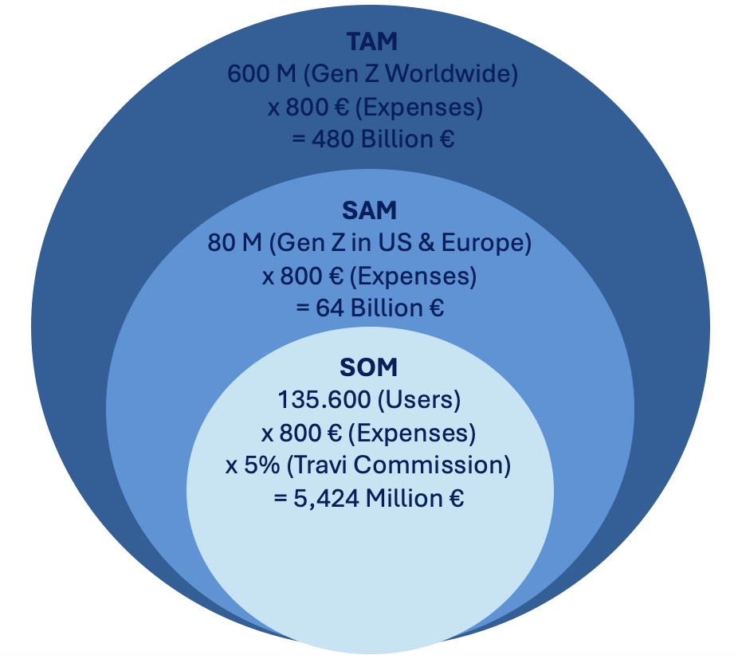
SAM (Serviceable Addressable Market)

Target group → Gen Z in Europe & USA, smartphone-savvy, willing to travel in groups (25%)

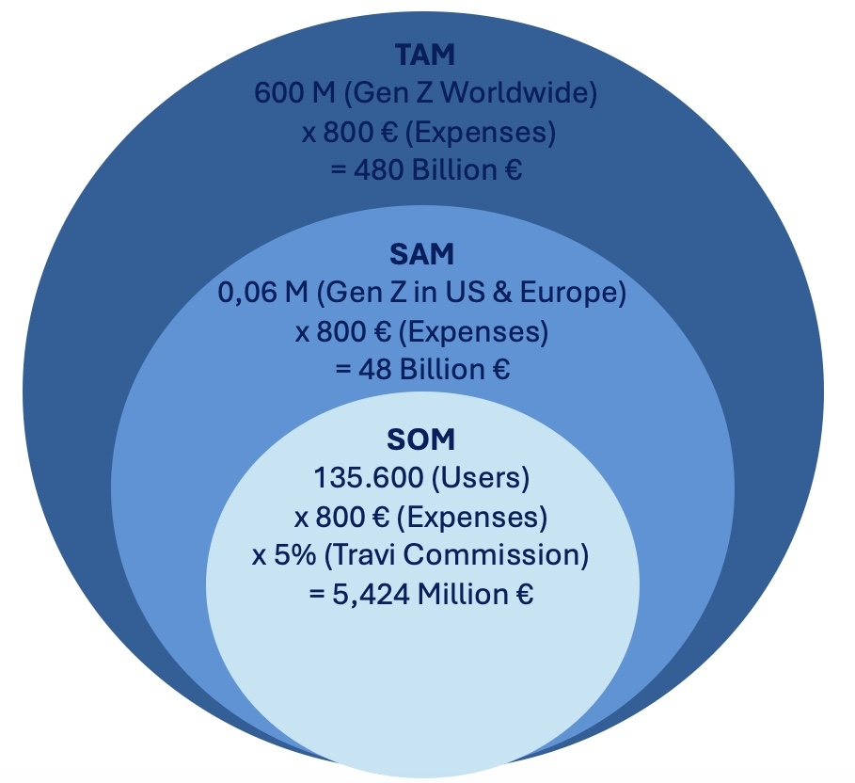
0.06 | Gen Z
800 | € expenditure (estimate between € 700 - 1000 per year)

SAM | 48.00 | Billion (yearly)

SOM (Service Obtainable Market)

Target group → Users in Western Europe who can be reached at short notice

135,600.00 | Estimate of our users (until 2027)
800 | € average booking value per year/user
5% | Travi commission

SOM | 5,424,000.00 | (yearly)
 |  | own assumptions

