BTC-USD
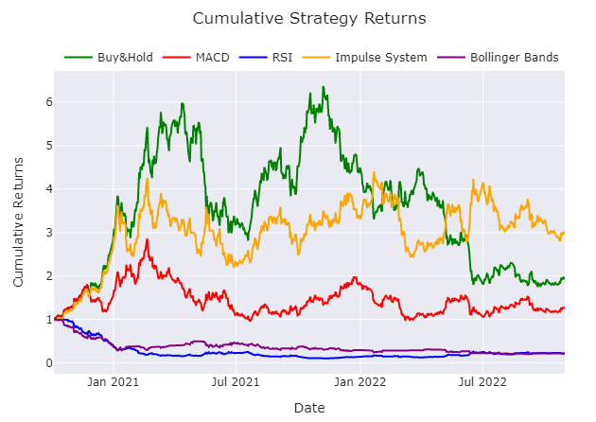
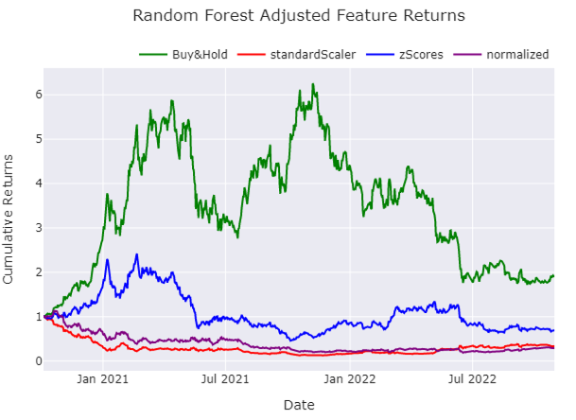
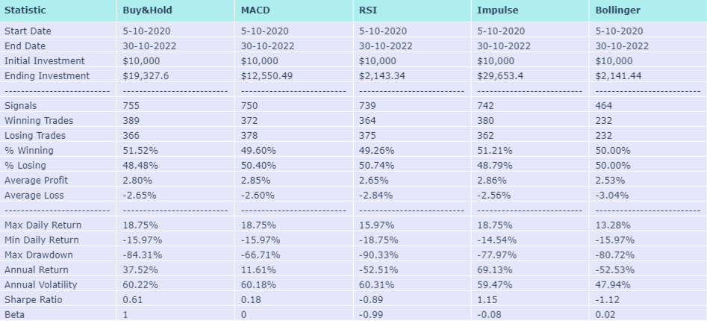
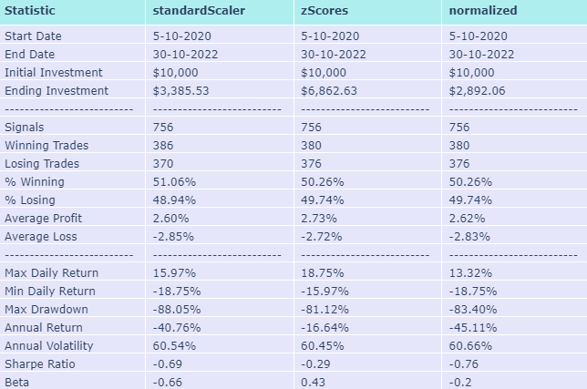
 |  | Strategy Results |  |  |  | Random Forest Model |  |  | Neural Network Results
Statistic | Buy&Hold | MACD | RSI | Impulse | Bollinger | standardScaler | zScores | normalized | ANN
Start Date | 5-10-2020 | 5-10-2020 | 5-10-2020 | 5-10-2020 | 5-10-2020 | 5-10-2020 | 5-10-2020 | 5-10-2020 | 5-10-2020
End Date | 30-10-2022 | 30-10-2022 | 30-10-2022 | 30-10-2022 | 30-10-2022 | 30-10-2022 | 30-10-2022 | 30-10-2022 | 30-10-2022
Initial Investment | $10,000 | $10,000 | $10,000 | $10,000 | $10,000 | $10,000 | $10,000 | $10,000 | $10,000
Ending Investment | $19,327.6 | $12,550.49 | $2,143.34 | $29,653.4 | $2,141.44 | $3,385.53 | $6,862.63 | $2,892.06 | 12,831.44
-------------------------- | -------------------------- | -------------------------- | -------------------------- | -------------------------- | -------------------------- | -------------------------- | -------------------------- | -------------------------- | --------------------------
Signals | 755 | 750 | 739 | 742 | 464 | 756 | 756 | 756 | 756
Winning Trades | 389 | 372 | 364 | 380 | 232 | 386 | 380 | 380 | 395
Losing Trades | 366 | 378 | 375 | 362 | 232 | 370 | 376 | 376 | 361
% Winning | 51.52% | 49.60% | 49.26% | 51.21% | 50.00% | 51.06% | 50.26% | 50.26% | 52.25%
% Losing | 48.48% | 50.40% | 50.74% | 48.79% | 50.00% | 48.94% | 49.74% | 49.74% | 47.75%
Average Profit | 2.80% | 2.85% | 2.65% | 2.86% | 2.53% | 2.60% | 2.73% | 2.62% | 2.71%
Average Loss | -2.65% | -2.60% | -2.84% | -2.56% | -3.04% | -2.85% | -2.72% | -2.83% | -2.74%
-------------------------- | -------------------------- | -------------------------- | -------------------------- | -------------------------- | -------------------------- | -------------------------- | -------------------------- | -------------------------- | --------------------------
Max Daily Return | 18.75% | 18.75% | 15.97% | 18.75% | 13.28% | 15.97% | 18.75% | 13.32% | 14.54%
Min Daily Return | -15.97% | -15.97% | -18.75% | -14.54% | -15.97% | -18.75% | -15.97% | -18.75% | -18.75%
Max Drawdown | -84.31% | -66.71% | -90.33% | -77.97% | -80.72% | -88.05% | -81.12% | -83.40% | -53.26%
Annual Return | 37.52% | 11.61% | -52.51% | 69.13% | -52.53% | -40.76% | -16.64% | -45.11% | 12.81%
Annual Volatility | 60.22% | 60.18% | 60.31% | 59.47% | 47.94% | 60.54% | 60.45% | 60.66% | 60.50%
Sharpe Ratio | 0.61 | 0.18 | -0.89 | 1.15 | -1.12 | -0.69 | -0.29 | -0.76 | 0.2
Beta | 1 | 0 | -0.99 | -0.08 | 0.02 | -0.66 | 0.43 | -0.2 | 0.323

crudeOil
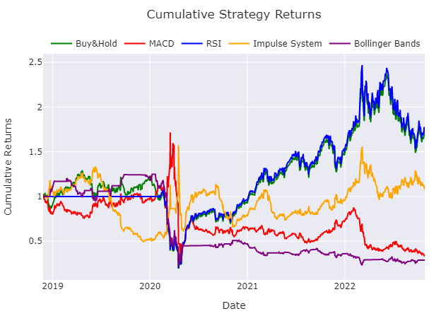
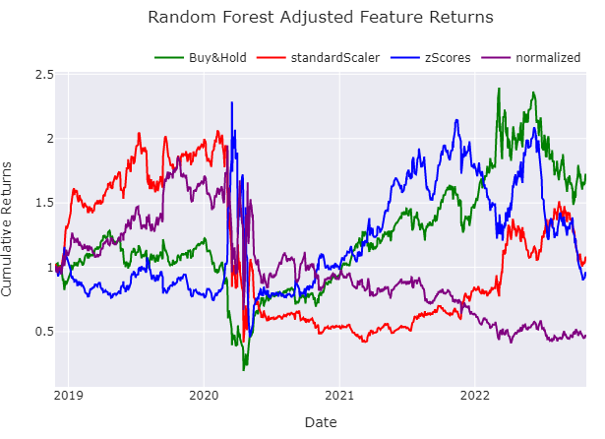
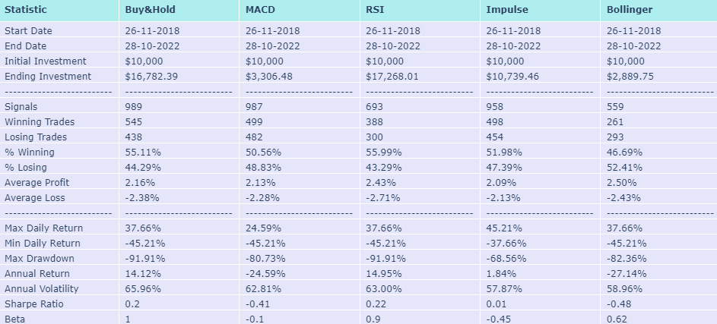
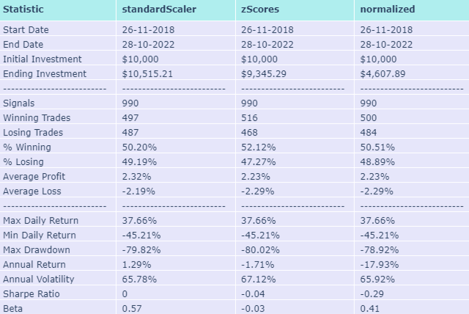
 |  | Strategy Results |  |  |  | Random Forest Model |  |  | Neural Network Results
Statistic | Buy&Hold | MACD | RSI | Impulse | Bollinger | standardScaler | zScores | normalized | ANN
Start Date | 26-11-2018 | 26-11-2018 | 26-11-2018 | 26-11-2018 | 26-11-2018 | 26-11-2018 | 26-11-2018 | 26-11-2018 | 26-11-2018
End Date | 28-10-2022 | 28-10-2022 | 28-10-2022 | 28-10-2022 | 28-10-2022 | 28-10-2022 | 28-10-2022 | 28-10-2022 | 28-10-2022
Initial Investment | $10,000 | $10,000 | $10,000 | $10,000 | $10,000 | $10,000 | $10,000 | $10,000 | $10,000
Ending Investment | $16,782.39 | $3,306.48 | $17,268.01 | $10,739.46 | $2,889.75 | $10,515.21 | $9,345.29 | $4,607.89 | 2,220.16
-------------------------- | -------------------------- | -------------------------- | -------------------------- | -------------------------- | -------------------------- | -------------------------- | -------------------------- | -------------------------- | --------------------------
Signals | 989 | 987 | 693 | 958 | 559 | 990 | 990 | 990 | 990
Winning Trades | 545 | 499 | 388 | 498 | 261 | 497 | 516 | 500 | 501
Losing Trades | 438 | 482 | 300 | 454 | 293 | 487 | 468 | 484 | 483
% Winning | 55.11% | 50.56% | 55.99% | 51.98% | 46.69% | 50.20% | 52.12% | 50.51% | 50.61%
% Losing | 44.29% | 48.83% | 43.29% | 47.39% | 52.41% | 49.19% | 47.27% | 48.89% | 48.79%
Average Profit | 2.16% | 2.13% | 2.43% | 2.09% | 2.50% | 2.32% | 2.23% | 2.23% | 2.15%
Average Loss | -2.38% | -2.28% | -2.71% | -2.13% | -2.43% | -2.19% | -2.29% | -2.29% | -2.37%
-------------------------- | -------------------------- | -------------------------- | -------------------------- | -------------------------- | -------------------------- | -------------------------- | -------------------------- | -------------------------- | --------------------------
Max Daily Return | 37.66% | 24.59% | 37.66% | -37.66% | 37.66% | 37.66% | 37.66% | 37.66% | 37.66%
Min Daily Return | -45.21% | -45.21% | -45.21% | -45.21% | -45.21% | -45.21% | -45.21% | -45.21% | -45.21%
Max Drawdown | -91.91% | -80.73% | -91.91% | -68.56% | -82.36% | -79.82% | -80.02% | -78.92% | -93.19%
Annual Return | 14.12% | -24.59% | 14.95% | 1.84% | -27.14% | 1.29% | -1.71% | -17.93% | -31.86%
Annual Volatility | 65.96% | 62.81% | 63.00% | 57.87% | 58.96% | 65.78% | 67.12% | 65.92% | 66.85%
Sharpe Ratio | 0.2 | -0.41 | 0.22 | 0.01 | -0.48 | 0.00 | -0.04 | -0.29 | -0.49
Beta | 1 | -0.1 | 0.9 | -0.45 | 0.62 | 0.57 | -0.03 | 0.41 | 0.011

ETH-USD
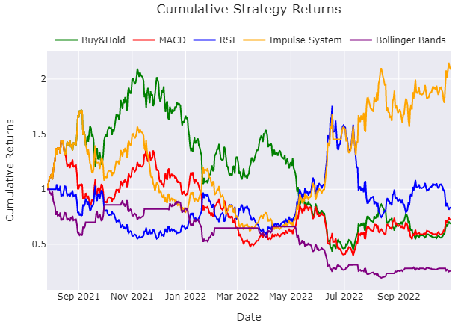
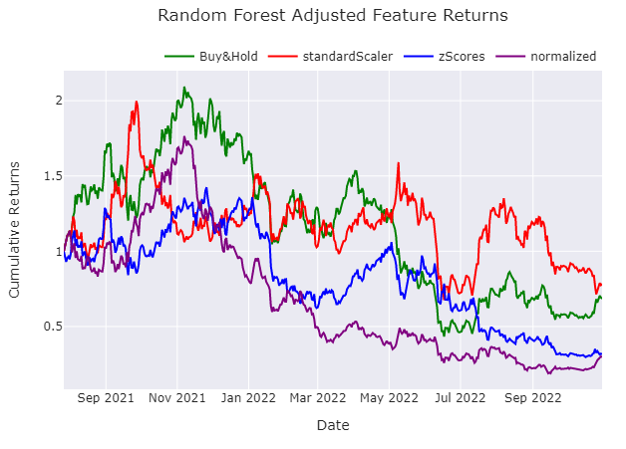
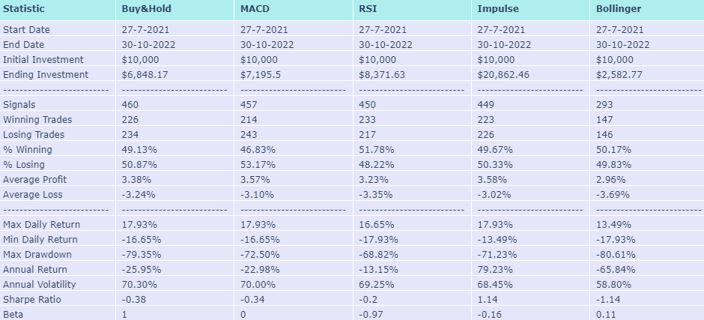
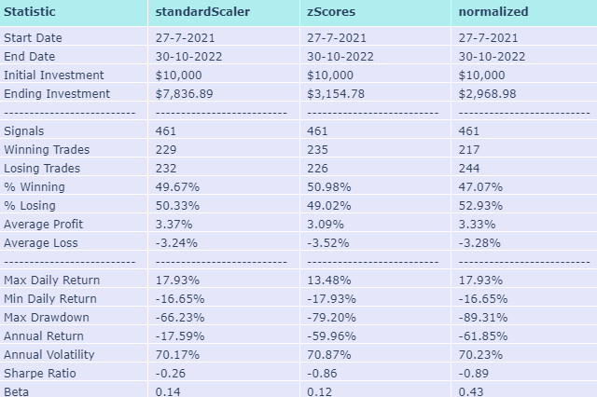
 |  | Strategy Results |  |  |  | Random Forest Model |  |  | Neural Network Results
Statistic | Buy&Hold | MACD | RSI | Impulse | Bollinger | standardScaler | zScores | normalized | ANN
Start Date | 27-7-2021 | 27-7-2021 | 27-7-2021 | 27-7-2021 | 27-7-2021 | 27-7-2021 | 27-7-2021 | 27-7-2021 | 27-7-2021
End Date | 30-10-2022 | 30-10-2022 | 30-10-2022 | 30-10-2022 | 30-10-2022 | 30-10-2022 | 30-10-2022 | 30-10-2022 | 30-10-2022
Initial Investment | $10,000 | $10,000 | $10,000 | $10,000 | $10,000 | $10,000 | $10,000 | $10,000 | $10,000
Ending Investment | $6,848.17 | $7,195.5 | $8,371.63 | $20,862.46 | $2,582.77 | $7,836.89 | $3,154.78 | $2,968.98 | 17337.08
-------------------------- | -------------------------- | -------------------------- | -------------------------- | -------------------------- | -------------------------- | -------------------------- | -------------------------- | -------------------------- | --------------------------
Signals | 460 | 457 | 450 | 449 | 293 | 461 | 461 | 461 | 461
Winning Trades | 226 | 214 | 233 | 223 | 147 | 229 | 235 | 217 | 230
Losing Trades | 234 | 243 | 217 | 226 | 146 | 232 | 226 | 244 | 231
% Winning | 49.13% | 46.83% | 51.78% | 49.67% | 50.17% | 49.67% | 50.98% | 47.07% | 49.89%
% Losing | 50.87% | 53.17% | 48.22% | 50.33% | 49.83% | 50.33% | 49.02% | 52.93% | 50.11%
Average Profit | 3.38% | 3.57% | 3.23% | 3.58% | 2.96% | 3.37% | 3.09% | 3.33% | 3.53%
Average Loss | -3.24% | -3.10% | -3.35% | -3.02% | -3.69% | -3.24% | -3.52% | -3.28% | -3.08%
-------------------------- | -------------------------- | -------------------------- | -------------------------- | -------------------------- | -------------------------- | -------------------------- | -------------------------- | -------------------------- | --------------------------
Max Daily Return | 17.93% | 17.93% | 16.65% | 17.93% | 13.49% | 17.93% | 13.48% | 17.93% | 17.93%
Min Daily Return | -16.65% | -16.65% | -17.93% | -13.49% | -17.93% | -16.65% | -17.93% | -16.65% | -14.77%
Max Drawdown | -79.35% | -72.50% | -68.82% | -71.23% | -80.61% | -66.23% | -79.20% | -89.31% | -74.61%
Annual Return | -25.95% | -22.98% | -13.15% | 79.23% | -65.84% | -17.59% | -59.96% | -61.85% | 54.75%
Annual Volatility | 70.30% | 70.00% | 69.25% | 68.45% | 58.80% | 70.17% | 70.87% | 70.23% | 69.59%
Sharpe Ratio | -0.38 | -0.34 | -0.2 | 1.14 | -1.14 | -0.26 | -0.86 | -0.89 | 0.77
Beta | 1 | 0 | -0.97 | -0.16 | 0.11 | 0.14 | 0.12 | 0.43 | 0.001

EUR-USD
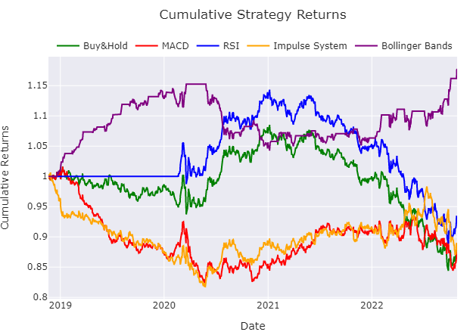
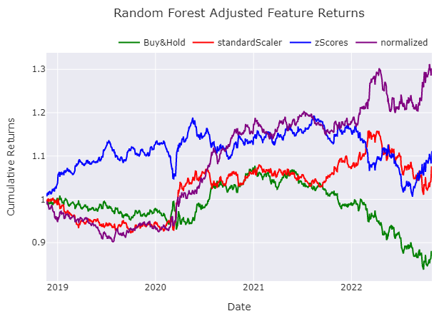
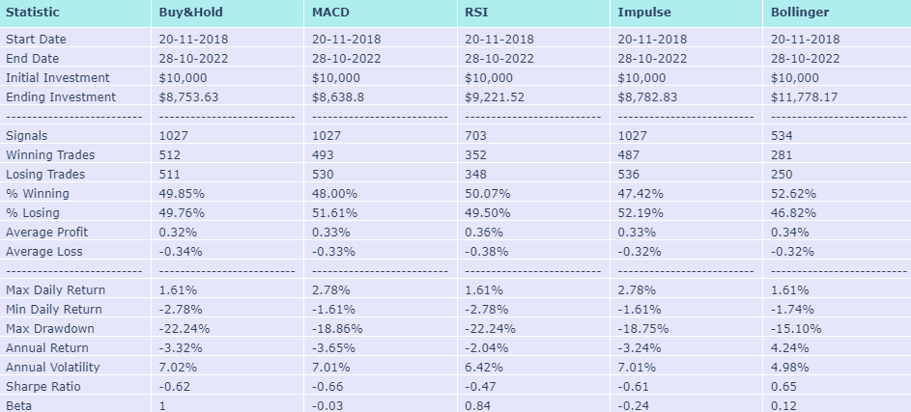
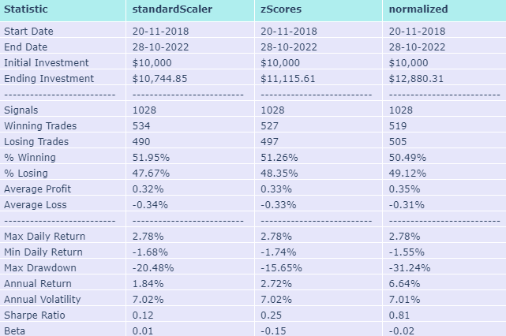
 |  | Strategy Results |  |  |  | Random Forest Model |  |  | Neural Network Results
Statistic | Buy&Hold | MACD | RSI | Impulse | Bollinger | standardScaler | zScores | normalized | ANN
Start Date | 20-11-2018 | 20-11-2018 | 20-11-2018 | 20-11-2018 | 20-11-2018 | 20-11-2018 | 20-11-2018 | 20-11-2018 | 20-11-2018
End Date | 28-10-2022 | 28-10-2022 | 28-10-2022 | 28-10-2022 | 28-10-2022 | 28-10-2022 | 28-10-2022 | 28-10-2022 | 27-10-2022
Initial Investment | $10,000 | $10,000 | $10,000 | $10,000 | $10,000 | $10,000 | $10,000 | $10,000 | $10,000
Ending Investment | $8,753.63 | $8,638.8 | $9,221.52 | $8,782.83 | $11,778.17 | $10,744.85 | $11,115.61 | $12,880.31 | 8824.27
-------------------------- | -------------------------- | -------------------------- | -------------------------- | -------------------------- | -------------------------- | -------------------------- | -------------------------- | -------------------------- | --------------------------
Signals | 1027 | 1027 | 703 | 1027 | 534 | 1028 | 1028 | 1028 | 1028
Winning Trades | 512 | 493 | 352 | 487 | 281 | 534 | 527 | 519 | 492
Losing Trades | 511 | 530 | 348 | 536 | 250 | 490 | 497 | 505 | 532
% Winning | 49.85% | 48.00% | 50.07% | 47.42% | 52.62% | 51.95% | 51.26% | 50.49% | 47.86%
% Losing | 49.76% | 51.61% | 49.50% | 52.19% | 46.82% | 47.67% | 48.35% | 49.12% | 51.75%
Average Profit | 0.32% | 0.33% | 0.36% | 0.33% | 0.34% | 0.32% | 0.33% | 0.35% | 0.33%
Average Loss | -0.34% | -0.33% | -0.38% | -0.32% | -0.32% | -0.34% | -0.33% | -0.31% | -0.33%
-------------------------- | -------------------------- | -------------------------- | -------------------------- | -------------------------- | -------------------------- | -------------------------- | -------------------------- | -------------------------- | --------------------------
Max Daily Return | 1.61% | 2.78% | 1.61% | 2.78% | 1.61% | 2.78% | 2.78% | 2.78% | 1.68%
Min Daily Return | -2.78% | -1.61% | -2.78% | -1.61% | -1.74% | -1.68% | -1.74% | -1.55% | -2.78%
Max Drawdown | -22.24% | -18.86% | -22.24% | -18.75% | -15.10% | -20.48% | -15.65% | -31.24% | -16.54%
Annual Return | -3.32% | -3.65% | -2.04% | -3.24% | 4.24% | 1.84% | 2.72% | 6.64% | -3.13%
Annual Volatility | 7.02% | 7.01% | 6.42% | 7.01% | 4.98% | 7.02% | 7.02% | 7.01% | 7.03%
Sharpe Ratio | -0.62 | -0.66 | -0.47 | -0.61 | 0.65 | 0.12 | 0.25 | 0.81 | -0.59
Beta | 1 | -0.03 | 0.84 | -0.24 | 0.12 | 0.01 | -0.15 | -0.02 | -0.003

GBP-JPY
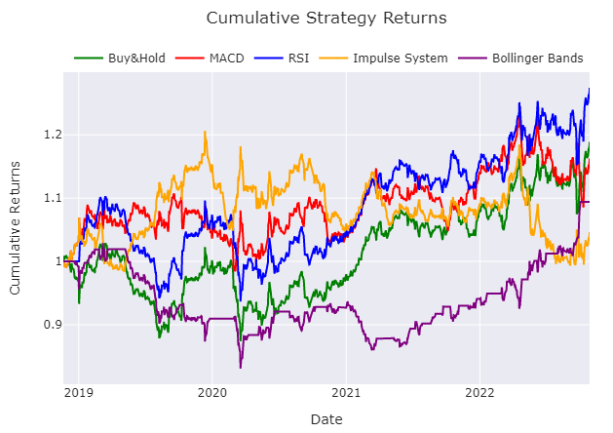
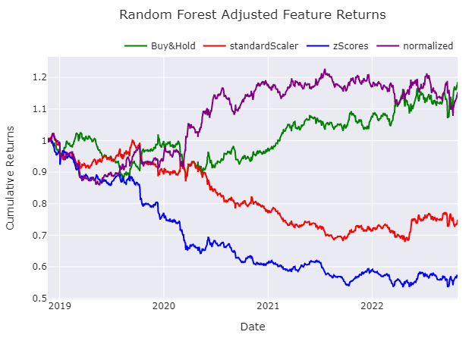
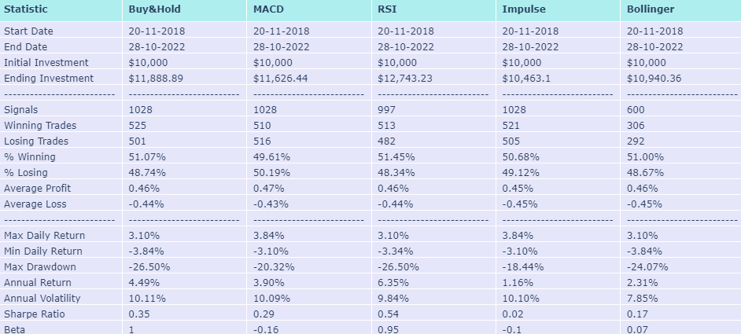
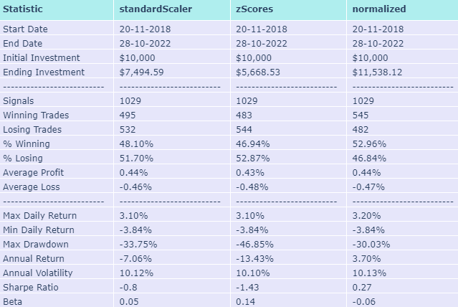
 |  | Strategy Results |  |  |  | Random Forest Model |  |  | Neural Network Results
Statistic | Buy&Hold | MACD | RSI | Impulse | Bollinger | standardScaler | zScores | normalized | ANN
Start Date | 20-11-2018 | 20-11-2018 | 20-11-2018 | 20-11-2018 | 20-11-2018 | 20-11-2018 | 20-11-2018 | 20-11-2018 | 20-11-2018
End Date | 28-10-2022 | 28-10-2022 | 28-10-2022 | 28-10-2022 | 28-10-2022 | 28-10-2022 | 28-10-2022 | 28-10-2022 | 27-10-2022
Initial Investment | $10,000 | $10,000 | $10,000 | $10,000 | $10,000 | $10,000 | $10,000 | $10,000 | $10,000
Ending Investment | $11,888.89 | $11,626.44 | $12,743.23 | $10,463.1 | $10,940.36 | $7,494.59 | $5,668.53 | $11,538.12 | 12053.21
-------------------------- | -------------------------- | -------------------------- | -------------------------- | -------------------------- | -------------------------- | -------------------------- | -------------------------- | -------------------------- | --------------------------
Signals | 1028 | 1028 | 997 | 1028 | 600 | 1029 | 1029 | 1029 | 1029
Winning Trades | 525 | 510 | 513 | 521 | 306 | 495 | 483 | 545 | 527
Losing Trades | 501 | 516 | 482 | 505 | 292 | 532 | 544 | 482 | 500
% Winning | 51.07% | 49.61% | 51.45% | 50.68% | 51.00% | 48.10% | 46.94% | 52.96% | 51.21%
% Losing | 48.74% | 50.19% | 48.34% | 49.12% | 48.67% | 51.70% | 52.87% | 46.84% | 48.59%
Average Profit | 0.46% | 0.47% | 0.46% | 0.45% | 0.46% | 0.44% | 0.43% | 0.44% | 0.46%
Average Loss | -0.44% | -0.43% | -0.44% | -0.45% | -0.45% | -0.46% | -0.48% | -0.47% | -0.44%
-------------------------- | -------------------------- | -------------------------- | -------------------------- | -------------------------- | -------------------------- | -------------------------- | -------------------------- | -------------------------- | --------------------------
Max Daily Return | 3.10% | 3.84% | 3.10% | 3.84% | 3.10% | 3.10% | 3.10% | 3.20% | 3.84%
Min Daily Return | -3.84% | -3.10% | -3.34% | -3.10% | -3.84% | -3.84% | -3.84% | -3.84% | -3.34%
Max Drawdown | -26.50% | -20.32% | -26.50% | -18.44% | -24.07% | -33.75% | -46.85% | -30.03% | -22.55%
Annual Return | 4.49% | 3.90% | 6.35% | 1.16% | 2.31% | -7.06% | -13.43% | 3.70% | 4.86%
Annual Volatility | 10.11% | 10.09% | 9.84% | 10.10% | 7.85% | 10.12% | 10.10% | 10.13% | 10.11%
Sharpe Ratio | 0.35 | 0.29 | 0.54 | 0.02 | 0.17 | -0.8 | -1.43 | 0.27 | 0.38
Beta | 1 | -0.16 | 0.95 | -0.1 | 0.07 | 0.05 | 0.14 | -0.06 | 0.169

Gold
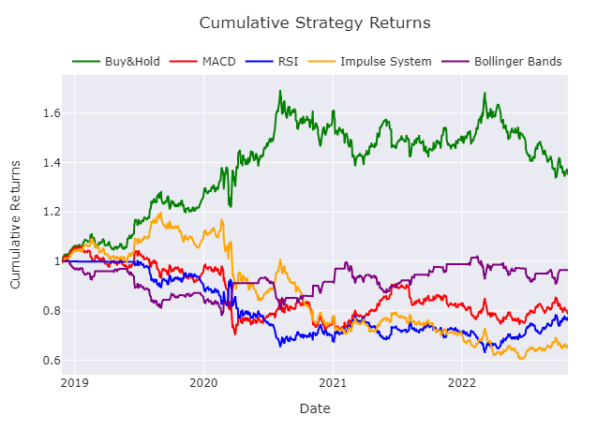
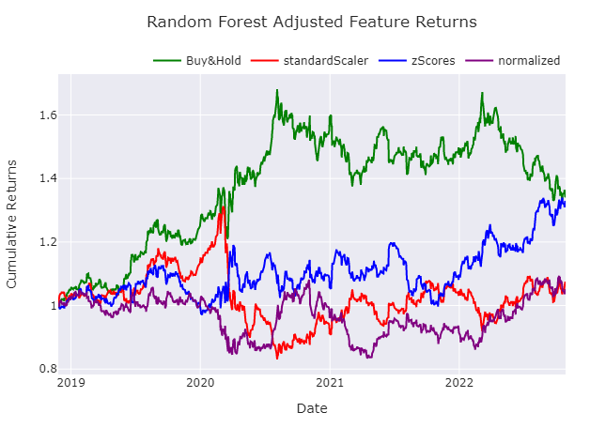
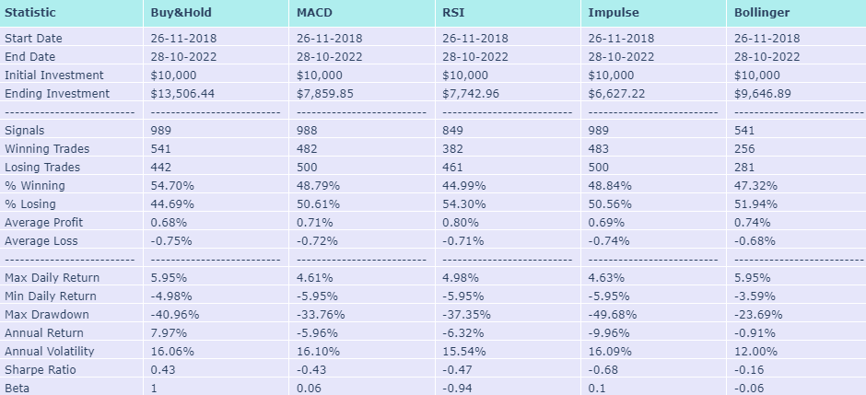
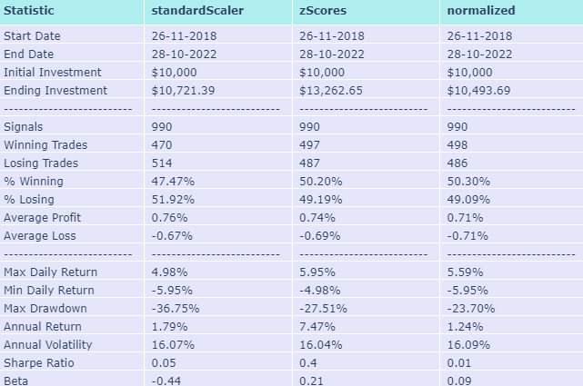
 |  | Strategy Results |  |  |  | Random Forest Model |  |  | Neural Network Results
Statistic | Buy&Hold | MACD | RSI | Impulse | Bollinger | standardScaler | zScores | normalized | ANN
Start Date | 26-11-2018 | 26-11-2018 | 26-11-2018 | 26-11-2018 | 26-11-2018 | 26-11-2018 | 26-11-2018 | 26-11-2018 | 26-11-2018
End Date | 28-10-2022 | 28-10-2022 | 28-10-2022 | 28-10-2022 | 28-10-2022 | 28-10-2022 | 28-10-2022 | 28-10-2022 | 28-10-2022
Initial Investment | $10,000 | $10,000 | $10,000 | $10,000 | $10,000 | $10,000 | $10,000 | $10,000 | $10,000
Ending Investment | $13,506.44 | $7,859.85 | $7,742.96 | $6,627.22 | $9,646.89 | $10,721.39 | $13,262.65 | $10,493.69 | 13109.47
-------------------------- | -------------------------- | -------------------------- | -------------------------- | -------------------------- | -------------------------- | -------------------------- | -------------------------- | -------------------------- | --------------------------
Signals | 989 | 988 | 849 | 989 | 541 | 990 | 990 | 990 | 990
Winning Trades | 541 | 482 | 382 | 483 | 256 | 470 | 497 | 498 | 499
Losing Trades | 442 | 500 | 461 | 500 | 281 | 514 | 487 | 486 | 485
% Winning | 54.70% | 48.79% | 44.99% | 48.84% | 47.32% | 47.47% | 50.20% | 50.30% | 50.40%
% Losing | 44.69% | 50.61% | 54.30% | 50.56% | 51.94% | 51.92% | 49.19% | 49.09% | 48.99%
Average Profit | 0.68% | 0.71% | 0.80% | 0.69% | 0.74% | 0.76% | 0.74% | 0.71% | 0.74%
Average Loss | -0.75% | -0.72% | -0.71% | -0.74% | -0.68% | -0.67% | -0.69% | -0.71% | -0.69%
-------------------------- | -------------------------- | -------------------------- | -------------------------- | -------------------------- | -------------------------- | -------------------------- | -------------------------- | -------------------------- | --------------------------
Max Daily Return | 5.95% | 4.61% | 4.98% | 4.63% | 5.95% | 4.98% | 5.95% | 5.59% | 5.59%
Min Daily Return | -4.98% | -5.95% | -5.95% | -5.95% | -3.59% | -5.95% | -4.98% | -5.95% | -5.95%
Max Drawdown | -40.96% | -33.76% | -37.35% | -49.68% | -23.69% | -36.75% | -27.51% | -23.70% | -38.62%
Annual Return | 7.97% | -5.96% | -6.32% | -9.96% | -0.91% | 1.79% | 7.47% | 1.24% | 7.14%
Annual Volatility | 16.06% | 16.10% | 15.54% | 16.09% | 12.00% | 16.07% | 16.04% | 16.09% | 16.06%
Sharpe Ratio | 0.43 | -0.43 | -0.47 | -0.68 | -0.16 | 0.05 | 0.4 | 0.01 | 0.38
Beta | 1 | 0.06 | -0.94 | 0.1 | -0.06 | -0.44 | 0.21 | 0.09 | 0.023

Russel2000
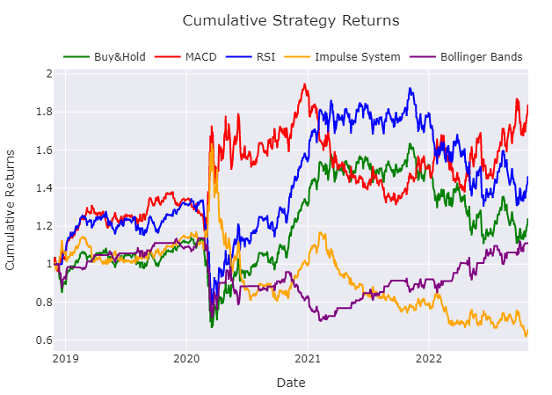
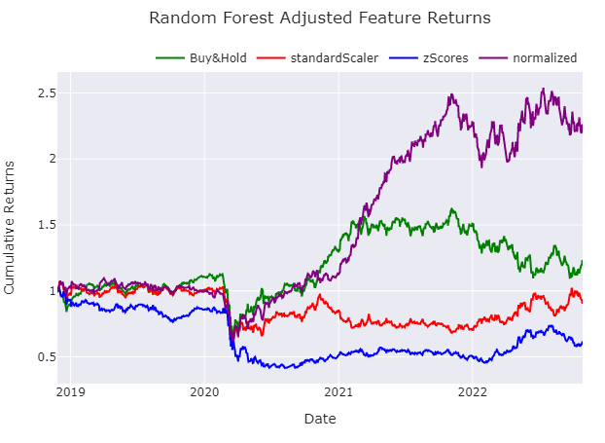
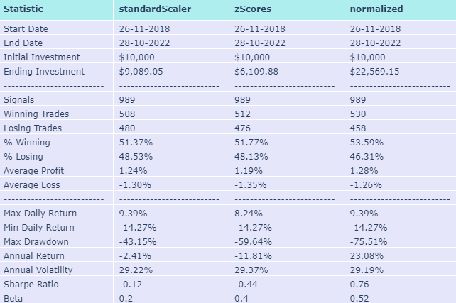
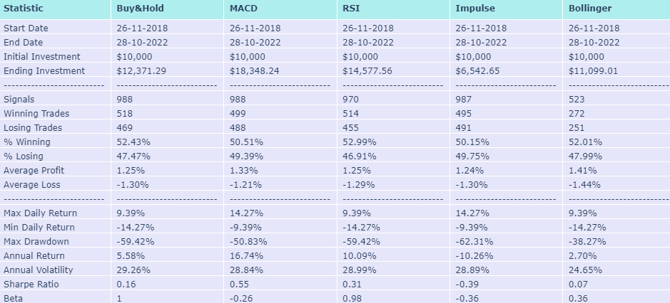
 |  | Strategy Results |  |  |  | Random Forest Model |  |  | Neural Network Results
Statistic | Buy&Hold | MACD | RSI | Impulse | Bollinger | standardScaler | zScores | normalized | ANN
Start Date | 26-11-2018 | 26-11-2018 | 26-11-2018 | 26-11-2018 | 26-11-2018 | 26-11-2018 | 26-11-2018 | 26-11-2018 | 26-11-2018
End Date | 28-10-2022 | 28-10-2022 | 28-10-2022 | 28-10-2022 | 28-10-2022 | 28-10-2022 | 28-10-2022 | 28-10-2022 | 28-10-2022
Initial Investment | $10,000 | $10,000 | $10,000 | $10,000 | $10,000 | $10,000 | $10,000 | $10,000 | $10,000
Ending Investment | $12,371.29 | $18,348.24 | $14,577.56 | $6,542.65 | $11,099.01 | $9,089.05 | $6,109.88 | $22,569.15 | 11483.89
-------------------------- | -------------------------- | -------------------------- | -------------------------- | -------------------------- | -------------------------- | -------------------------- | -------------------------- | -------------------------- | --------------------------
Signals | 988 | 988 | 970 | 987 | 523 | 989 | 989 | 989 | 989
Winning Trades | 518 | 499 | 514 | 495 | 272 | 508 | 512 | 530 | 507
Losing Trades | 469 | 488 | 455 | 491 | 251 | 480 | 476 | 458 | 481
% Winning | 52.43% | 50.51% | 52.99% | 50.15% | 52.01% | 51.37% | 51.77% | 53.59% | 51.26%
% Losing | 47.47% | 49.39% | 46.91% | 49.75% | 47.99% | 48.53% | 48.13% | 46.31% | 48.63%
Average Profit | 1.25% | 1.33% | 1.25% | 1.24% | 1.41% | 1.24% | 1.19% | 1.28% | 1.27%
Average Loss | -1.30% | -1.21% | -1.29% | -1.30% | -1.44% | -1.30% | -1.35% | -1.26% | -1.27%
-------------------------- | -------------------------- | -------------------------- | -------------------------- | -------------------------- | -------------------------- | -------------------------- | -------------------------- | -------------------------- | --------------------------
Max Daily Return | 9.39% | 14.27% | 9.39% | 14.27% | 9.39% | 9.39% | 8.24% | 9.39% | 9.39%
Min Daily Return | -14.27% | -9.39% | -14.27% | -9.39% | -14.27% | -14.27% | -14.27% | -14.27% | -14.27%
Max Drawdown | -59.42% | -50.83% | -59.42% | -62.31% | -38.27% | -43.15% | -59.64% | -75.51% | -44.35%
Annual Return | 5.58% | 16.74% | 10.09% | -10.26% | 2.70% | -2.41% | -11.81% | 23.08% | 3.59%
Annual Volatility | 29.26% | 28.84% | 28.99% | 28.89% | 24.65% | 29.22% | 29.37% | 29.19% | 29.25%
Sharpe Ratio | 0.16 | 0.55 | 0.31 | -0.39 | 0.07 | -0.12 | -0.44 | 0.76 | 0.09
Beta | 1 | -0.26 | 0.98 | -0.36 | 0.36 | 0.2 | 0.4 | 0.52 | 0.463

S&P500
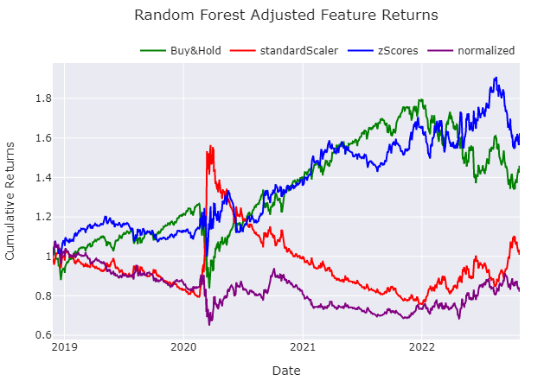
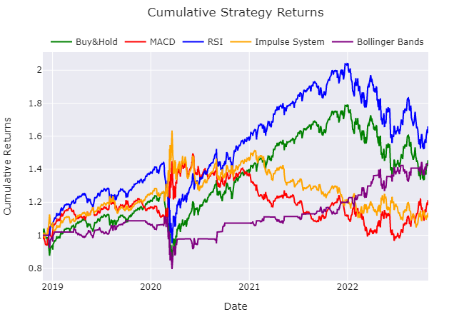
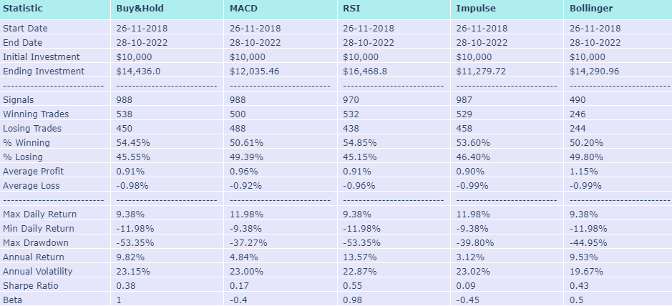
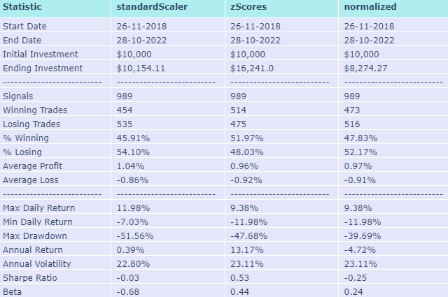
 |  | Strategy Results |  |  |  | Random Forest Model |  |  | Neural Network Results
Statistic | Buy&Hold | MACD | RSI | Impulse | Bollinger | standardScaler | zScores | normalized | ANN
Start Date | 26-11-2018 | 26-11-2018 | 26-11-2018 | 26-11-2018 | 26-11-2018 | 26-11-2018 | 26-11-2018 | 26-11-2018 | 26-11-2018
End Date | 28-10-2022 | 28-10-2022 | 28-10-2022 | 28-10-2022 | 28-10-2022 | 28-10-2022 | 28-10-2022 | 28-10-2022 | 28-10-2022
Initial Investment | $10,000 | $10,000 | $10,000 | $10,000 | $10,000 | $10,000 | $10,000 | $10,000 | $10,000
Ending Investment | $14,436.0 | $12,035.46 | $16,468.8 | $11,279.72 | $14,290.96 | $10,154.11 | $16,241.0 | $8,274.27 | 15753.85
-------------------------- | -------------------------- | -------------------------- | -------------------------- | -------------------------- | -------------------------- | -------------------------- | -------------------------- | -------------------------- | --------------------------
Signals | 988 | 988 | 970 | 987 | 490 | 989 | 989 | 989 | 989
Winning Trades | 538 | 500 | 532 | 529 | 246 | 454 | 514 | 473 | 506
Losing Trades | 450 | 488 | 438 | 458 | 244 | 535 | 475 | 516 | 483
% Winning | 54.45% | 50.61% | 54.85% | 53.60% | 50.20% | 45.91% | 51.97% | 47.83% | 51.16%
% Losing | 45.55% | 49.39% | 45.15% | 46.40% | 49.80% | 54.10% | 48.03% | 52.17% | 48.84%
Average Profit | 0.91% | 0.96% | 0.91% | 0.90% | 1.15% | 1.04% | 0.96% | 0.97% | 0.97%
Average Loss | -0.98% | -0.92% | -0.96% | -0.99% | -0.99% | -0.86% | -0.92% | -0.91% | -0.90%
-------------------------- | -------------------------- | -------------------------- | -------------------------- | -------------------------- | -------------------------- | -------------------------- | -------------------------- | -------------------------- | --------------------------
Max Daily Return | 9.38% | 11.98% | 9.38% | 11.98% | 9.38% | 11.98% | 9.38% | 9.38% | 11.98%
Min Daily Return | -11.98% | -9.38% | -11.98% | -9.38% | -11.98% | -7.03% | -11.98% | -11.98% | -9.51%
Max Drawdown | -53.35% | -37.27% | -53.35% | -39.80% | -44.95% | -51.56% | -47.68% | -39.69% | -53.95%
Annual Return | 9.82% | 4.84% | 13.57% | 3.12% | 9.53% | 0.39% | 13.17% | -4.72% | 12.28%
Annual Volatility | 23.15% | 23.00% | 22.87% | 23.02% | 19.67% | 22.80% | 23.11% | 23.11% | 22.94%
Sharpe Ratio | 0.38 | 0.17 | 0.55 | 0.09 | 0.43 | -0.03 | 0.53 | -0.25 | 0.49
Beta | 1 | -0.4 | 0.98 | -0.45 | 0.5 | -0.68 | 0.44 | 0.24 | 0.302

