original
DATA TO GRAPH |  |  |  | ORIGINAL CHART

 | 2019 | 2020 | 2021
Jan | 474933 | 487400 | 529640
Feb | 476880 | 491040 | 536400
Mar | 471775 | 483735 | 519810
Apr | 469525 | 480773 | 514680
May | 473467 | 486300 | 530400
Jun | 470008 | 480625 | 516850
Jul | 485000 | 503480 | 565640
Aug | 474567 | 489050 | 533600
Sep | 473530 | 488025
Oct | 461567 | 472250
Nov | 475943 | 496655
Dec | 471190 | 485588
 | 2019 | 2020 | 2021

Jan | 474933 | 487400 | 529640
Feb | 476880 | 491040 | 536400
Mar | 471775 | 483735 | 519810
Apr | 469525 | 480773 | 514680
May | 473467 | 486300 | 530400
Jun | 470008 | 480625 | 516850
Jul | 485000 | 503480 | 565640
Aug | 474567 | 489050 | 533600
Sep | 473530 | 488025
Oct | 461567 | 472250
Nov | 475943 | 496655
Dec | 471190 | 485588

before & after
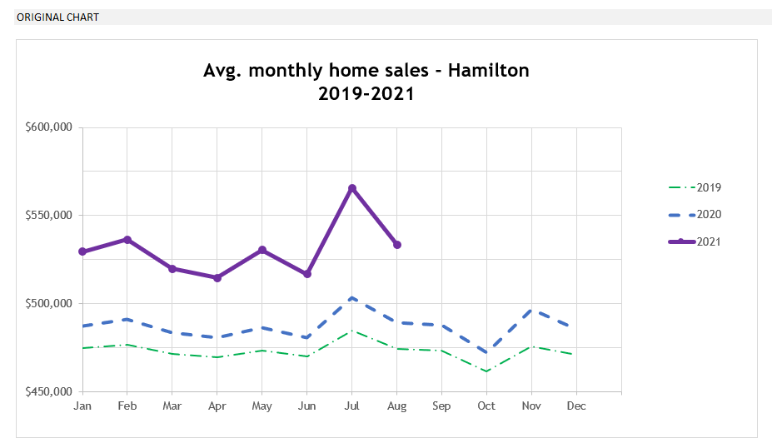

You can check out my submission here: | pending: add URL

After

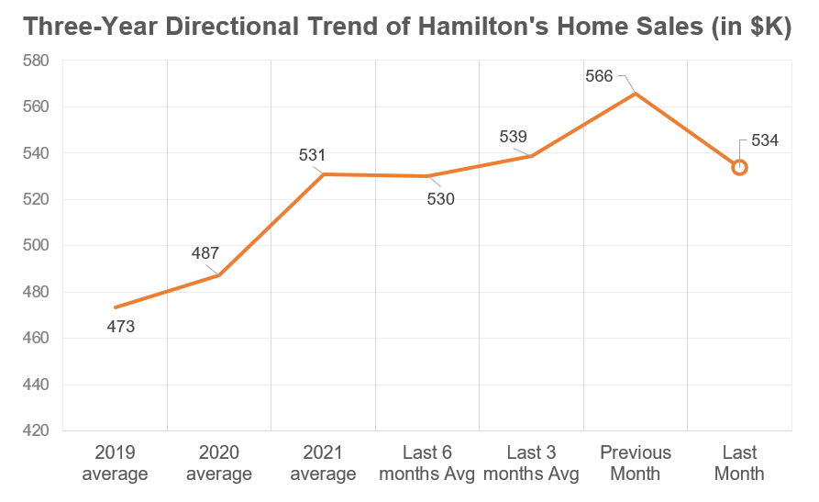

Before

example
Steps:
1
6
Three-Year Directional Trend of Hamilton's Home Sales (in $K)

the data
2
5
 | item_highlight | calculation | last marker | dot marker
 | #N/A | 473198.75 | #N/A | #N/A
 | #N/A | 487076.66667 | #N/A | #N/A
 | #N/A | 530877.5 | #N/A | #N/A
 | #N/A | 530163.33333 | #N/A | #N/A
 | #N/A | 538696.66667 | #N/A | #N/A
 | #N/A | 565640 | #N/A | #N/A
 | 1 | 533600 | 533600 | 533600
values in K thousands

# dynamic arrays #

"backbone formulas!"
period | year | month | sales | item
2019-01-01 | 2019 | 1 | 474933.33333 | 7
2019-02-01 | 2019 | 2 | 476880 | item | axis_format | combo_box
2019-03-01 | 2019 | 3 | 471775 | 1 | 2019 average | 2019 average | item | calculation | last marker | labels | item_highlight | dot marker | var % label
2019-04-01 | 2019 | 4 | 469525 | 2 | 2020 average | 2020 average | 2019 average | 473198.75 | #N/A | 473 | #N/A | #N/A
2019-05-01 | 2019 | 5 | 473466.66667 | 3 | 2021 average | 2021 average | 2020 average | 487076.66667 | #N/A | 487 | #N/A | #N/A
2019-06-01 | 2019 | 6 | 470008.33333 | 4 | Last 6 months Avg | Last 6M Avg | 2021 average | 530877.5 | #N/A | 531 | #N/A | #N/A
2019-07-01 | 2019 | 7 | 485000 | 5 | Last 3 months Avg | Last 3M Avg | Last 6 months Avg | 530163.33333 | #N/A | 530 | #N/A | #N/A
2019-08-01 | 2019 | 8 | 474566.66667 | 6 | Previous Month | Previous Month | Last 3 months Avg | 538696.66667 | #N/A | 539 | #N/A | #N/A
2019-09-01 | 2019 | 9 | 473530 | 7 | Last Month | Last Month | Previous Month | 565640 | #N/A | 566 | #N/A | #N/A
2019-10-01 | 2019 | 10 | 461566.66667 |  |  |  | Last Month | 533600 | 533600 |  | 1 | 533600 | Down! -5.7% -$32.0K
2019-11-01 | 2019 | 11 | 475943.33333
2019-12-01 | 2019 | 12 | 471190 | labels |  | combo selection
2020-01-01 | 2020 | 1 | 487400 | Yes |  | 8
2020-02-01 | 2020 | 2 | 491040 | labels
2020-03-01 | 2020 | 3 | 483735 | No |  | Do not apply
2020-04-01 | 2020 | 4 | 480772.5 | Yes |  | 2019 average
2020-05-01 | 2020 | 5 | 486300 |  |  | 2020 average
2020-06-01 | 2020 | 6 | 480625 |  |  | 2021 average |  |  |  |  |  |  |  | s
2020-07-01 | 2020 | 7 | 503480 |  |  | Last 6M Avg
2020-08-01 | 2020 | 8 | 489050 |  |  | Last 3M Avg
2020-09-01 | 2020 | 9 | 488025 |  |  | Previous Month
2020-10-01 | 2020 | 10 | 472250 |  |  | Last Month
Highlight item section
2020-11-01 | 2020 | 11 | 496655
2020-12-01 | 2020 | 12 | 485587.5
4
2021-01-01 | 2021 | 1 | 529640
2021-02-01 | 2021 | 2 | 536400
2021-03-01 | 2021 | 3 | 519810
2021-04-01 | 2021 | 4 | 514680
2021-05-01 | 2021 | 5 | 530400
3
2021-06-01 | 2021 | 6 | 516850
2021-07-01 | 2021 | 7 | 565640
2021-08-01 | 2021 | 8 | 533600

thank you!

XLOR.LA
EVANGELIZING EXCEL





Thank you for downloading in this video-tutorial of Excel!
Mission: to evangelize the efficient use of Microsoft Excel so we can transform data into valuable information.
Vision: to empower a more productive Latino America so more professionals can add value to their careers, their organizations, and consequently; a better quality of life.
If you have any questions, or have noticed an error, please let me know, I would like to know about it.

LinkedIn: | https://www.linkedin.com/in/merod/

