inspiration
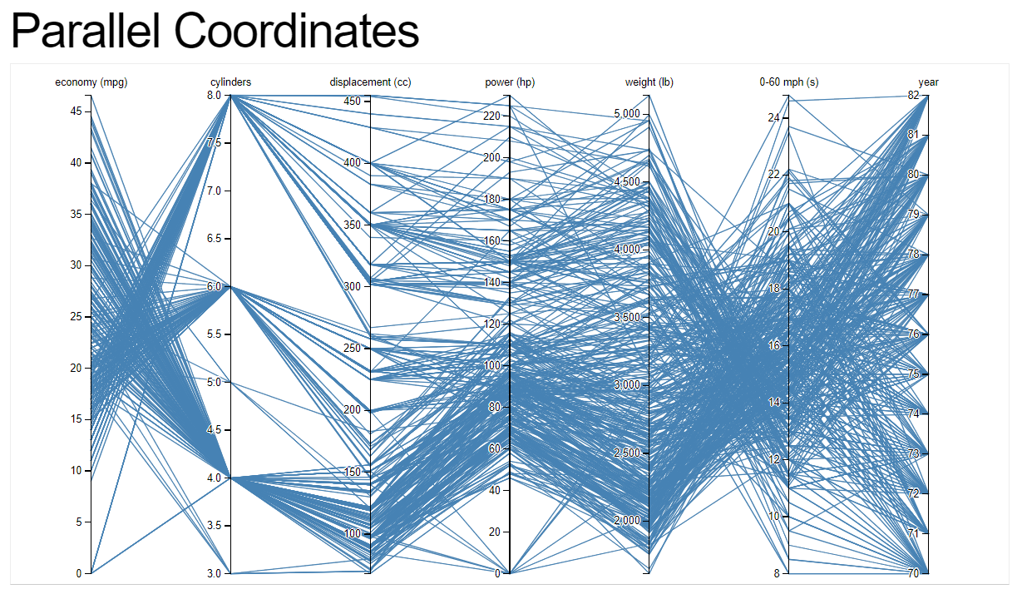
As originally seen on Jason Davies’s Block | data source: | https://bl.ocks.org/jasondavies/1341281

example
Steps:
1
4
11
Parallel Coordinates for multivariate analysis
For filtering
Highlight
manufacturer
"backbone formulas"
the data
8
2
dynamic arrays
dynamic arrays
 | normalized |  | 1. economy (mpg) |  | 2. cylinders |  | 3. power (hp) |  | 4. weight (lb) |  | 5. 0-60 mph (s) |  | 6. displacement (cc) |  | 7. year |  | x_axis |  | gridlines |  | highlighted_lines
1 | 0.10638297872 | 1 | 0 | 2 | 0 | 3 | 0 | 4 | 0 | 5 | 0 | 6 | 0 | 7 | 0 | 1 | 1 | 1 | 0.5 | 1 | #N/A
2 | 1 | 1 | 0.1 | 2 | 0.1 | 3 | 0.1 | 4 | 0.1 | 5 | 0.1 | 6 | 0.1 | 7 | 0.1 | 2 | 1 | 2 | 0.5 | 2 | #N/A
3 | 0.70108695652 | 1 | 0.2 | 2 | 0.2 | 3 | 0.2 | 4 | 0.2 | 5 | 0.2 | 6 | 0.2 | 7 | 0.2 | 3 | 1 | 3 | 0.5 | 3 | #N/A
4 | 0.62602778565 | 1 | 0.3 | 2 | 0.3 | 3 | 0.3 | 4 | 0.3 | 5 | 0.3 | 6 | 0.3 | 7 | 0.3 | 4 | 1 | 4 | 0.5 | 4 | #N/A
5 | 0.17857142857 | 1 | 0.4 | 2 | 0.4 | 3 | 0.4 | 4 | 0.4 | 5 | 0.4 | 6 | 0.4 | 7 | 0.4 | 5 | 1 | 5 | 0.5 | 5 | #N/A
6 | 0.75452196382 | 1 | 0.5 | 2 | 0.5 | 3 | 0.5 | 4 | 0.5 | 5 | 0.5 | 6 | 0.5 | 7 | 0.5 | 6 | 1 | 6 | 0.5 | 6 | #N/A
7 | 0.25 | 1 | 0.6 | 2 | 0.6 | 3 | 0.6 | 4 | 0.6 | 5 | 0.6 | 6 | 0.6 | 7 | 0.6 | 7 | 1 | 7 | 0.5 | 7 | #N/A
#N/A | #N/A | 1 | 0.7 | 2 | 0.7 | 3 | 0.7 | 4 | 0.7 | 5 | 0.7 | 6 | 0.7 | 7 | 0.7 |  |  |  |  | #N/A | #N/A
1 | 0.15957446809 | 1 | 0.8 | 2 | 0.8 | 3 | 0.8 | 4 | 0.8 | 5 | 0.8 | 6 | 0.8 | 7 | 0.8
2 | 1 | 1 | 0.9 | 2 | 0.9 | 3 | 0.9 | 4 | 0.9 | 5 | 0.9 | 6 | 0.9 | 7 | 0.9
3 | 0.78260869565 | 1 | 1 | 2 | 1 | 3 | 1 | 4 | 1 | 5 | 1 | 6 | 1 | 7 | 1
4 | 0.63425007088
5 | 0.029761904762
6 | 0.83204134367
7 | 0
#N/A | #N/A
1 | 0.21276595745
2 | 1
3 | 0.5652173913
4 | 0.5837822512
5 | 0.20833333333
6 | 0.60981912145
7 | 0.16666666667
#N/A | #N/A
1 | 0.27659574468
2 | 0.6
3 | 0.23913043478
4 | 0.45279274171
5 | 0.54761904762
6 | 0.42377260982
7 | 0.66666666667
#N/A | #N/A
1 | 0.40691489362
2 | 0.2
3 | 0.23913043478
4 | 0.3941026368
5 | 0.72023809524
6 | 0.21447028424
7 | 0.83333333333
#N/A | #N/A
1 | 0.2420212766
2 | 0.6
3 | 0.40217391304
4 | 0.50949815707
5 | 0.42261904762
6 | 0.49095607235
7 | 0.66666666667
#N/A | #N/A
1 | 0.37234042553
2 | 0.2
...
5

ID | model | attribute | value | manufacturer | item | attribute | items | array | atribute | items | value | normalized | x position | attribute | min | max | x pos | y pos | gridlines | label | highlighted_items | array | atribute | items | value | normalized | x position
1 | AMC Ambassador Brougham | 1. economy (mpg) | 13 | AMC | AMC Ambassador Brougham - 1 | 1. economy (mpg) | AMC Ambassador Brougham - 1 | 1 | 1. economy (mpg) | AMC Ambassador Brougham - 1 | 13 | 0.10638297872 | 1 | 1. economy (mpg) | 9 | 46.6 | 1 | 1 | 0.5 | economy (mpg) | #N/A | 1 | 1. economy (mpg) | #N/A | #N/A | #N/A | 1
1 | AMC Ambassador Brougham | 2. cylinders | 8 | AMC | AMC Ambassador Brougham - 1 | 2. cylinders | AMC Ambassador DPL - 2 | 2 | 2. cylinders | AMC Ambassador Brougham - 1 | 8 | 1 | 2 | 2. cylinders | 3 | 8 | 2 | 1 | 0.5 | cylinders |  | 2 | 2. cylinders | #N/A | #N/A | #N/A | 2
1 | AMC Ambassador Brougham | 6. displacement (cc) | 360 | AMC | AMC Ambassador Brougham - 1 | 3. power (hp) | AMC Ambassador SST - 3 | 3 | 3. power (hp) | AMC Ambassador Brougham - 1 | 175 | 0.70108695652 | 3 | 3. power (hp) | 46 | 230 | 3 | 1 | 0.5 | power (hp) |  | 3 | 3. power (hp) | #N/A | #N/A | #N/A | 3
1 | AMC Ambassador Brougham | 3. power (hp) | 175 | AMC | AMC Ambassador Brougham - 1 | 4. weight (lb) | AMC Concord - 4 | 4 | 4. weight (lb) | AMC Ambassador Brougham - 1 | 3821 | 0.62602778565 | 4 | 4. weight (lb) | 1613 | 5140 | 4 | 1 | 0.5 | weight (lb) |  | 4 | 4. weight (lb) | #N/A | #N/A | #N/A | 4
1 | AMC Ambassador Brougham | 4. weight (lb) | 3821 | AMC | AMC Ambassador Brougham - 1 | 5. 0-60 mph (s) | AMC Concord - 5 | 5 | 5. 0-60 mph (s) | AMC Ambassador Brougham - 1 | 11 | 0.17857142857 | 5 | 5. 0-60 mph (s) | 8 | 24.8 | 5 | 1 | 0.5 | 0-60 mph (s) |  | 5 | 5. 0-60 mph (s) | #N/A | #N/A | #N/A | 5
1 | AMC Ambassador Brougham | 5. 0-60 mph (s) | 11 | AMC | AMC Ambassador Brougham - 1 | 6. displacement (cc) | AMC Concord DL - 6 | 6 | 6. displacement (cc) | AMC Ambassador Brougham - 1 | 360 | 0.75452196382 | 6 | 6. displacement (cc) | 68 | 455 | 6 | 1 | 0.5 | displacement (cc) |  | 6 | 6. displacement (cc) | #N/A | #N/A | #N/A | 6
1 | AMC Ambassador Brougham | 7. year | 73 | AMC | AMC Ambassador Brougham - 1 | 7. year | AMC Concord DL - 7 | 7 | 7. year | AMC Ambassador Brougham - 1 | 73 | 0.25 | 7 | 7. year | 70 | 82 | 7 | 1 | 0.5 | year |  | 7 | 7. year | #N/A | #N/A | #N/A | 7
 |  |  |  |  |  |  | AMC Concord DL 6 - 8 | 0 |  |  | #N/A | #N/A | #N/A |  |  |  |  |  |  |  |  | 0 |  |  | #N/A | #N/A | #N/A
...
10
...
3
...
7
...
7 | AMC Concord DL | 4. weight (lb) | 3035 | AMC | AMC Concord DL - 7 | Renault | Buick Estate Wagon (Wagon) - 46
7 | AMC Concord DL | 5. 0-60 mph (s) | 20.5 | AMC | AMC Concord DL - 7 | Saab | Buick Estate Wagon (Wagon) - 47
7 | AMC Concord DL | 7. year | 82 | AMC | AMC Concord DL - 7 | Subaru | Buick Lesabre Custom - 48
8 | AMC Concord DL 6 | 1. economy (mpg) | 20.2 | AMC | AMC Concord DL 6 - 8 | Toyota | Buick Opel Isuzu Deluxe - 49
8 | AMC Concord DL 6 | 2. cylinders | 6 | AMC | AMC Concord DL 6 - 8 | Triumph | Buick Regal Sport Coupe (Turbo) - 50
8 | AMC Concord DL 6 | 6. displacement (cc) | 232 | AMC | AMC Concord DL 6 - 8 | Volkswagen | Buick Skyhawk - 51
8 | AMC Concord DL 6 | 3. power (hp) | 90 | AMC | AMC Concord DL 6 - 8 | Volvo | Buick Skylark - 52
8 | AMC Concord DL 6 | 4. weight (lb) | 3265 | AMC | AMC Concord DL 6 - 8 |  | Buick Skylark - 53
8 | AMC Concord DL 6 | 5. 0-60 mph (s) | 18.2 | AMC | AMC Concord DL 6 - 8 |  | Buick Skylark 320 - 54
8 | AMC Concord DL 6 | 7. year | 79 | AMC | AMC Concord DL 6 - 8 | Show Axis Labels | Buick Skylark Limited - 55
6
9 | AMC Gremlin | 1. economy (mpg) | 20 | AMC | AMC Gremlin - 9 | Yes | Cadillac Eldorado - 56
9 | AMC Gremlin | 2. cylinders | 6 | AMC | AMC Gremlin - 9 | Show Axis Labels | Cadillac Seville - 57
9 | AMC Gremlin | 6. displacement (cc) | 232 | AMC | AMC Gremlin - 9 | No | Chevrolet Bel Air - 58
9 | AMC Gremlin | 3. power (hp) | 100 | AMC | AMC Gremlin - 9 | Yes | Chevrolet Camaro - 59
9 | AMC Gremlin | 4. weight (lb) | 2914 | AMC | AMC Gremlin - 9 |  | Chevrolet Caprice Classic - 60
9 | AMC Gremlin | 5. 0-60 mph (s) | 16 | AMC | AMC Gremlin - 9 |  | Chevrolet Caprice Classic - 61
9
9 | AMC Gremlin | 7. year | 75 | AMC | AMC Gremlin - 9 | Parameter (link cell) | Chevrolet Caprice Classic - 62
10 | AMC Gremlin | 1. economy (mpg) | 21 | AMC | AMC Gremlin - 10 | 1 | Chevrolet Cavalier - 63
10 | AMC Gremlin | 2. cylinders | 6 | AMC | AMC Gremlin - 10 |  | Chevrolet Cavalier 2-Door - 64
10 | AMC Gremlin | 6. displacement (cc) | 199 | AMC | AMC Gremlin - 10 | For List Box | Chevrolet Cavalier Wagon - 65
10 | AMC Gremlin | 3. power (hp) | 90 | AMC | AMC Gremlin - 10 | Do not apply | Chevrolet Chevelle Concours (Wagon) - 66
10 | AMC Gremlin | 4. weight (lb) | 2648 | AMC | AMC Gremlin - 10 | AMC | Chevrolet Chevelle Concours (Wagon) - 67
10 | AMC Gremlin | 5. 0-60 mph (s) | 15 | AMC | AMC Gremlin - 10 | Audi | Chevrolet Chevelle Malibu - 68
10 | AMC Gremlin | 7. year | 70 | AMC | AMC Gremlin - 10 | BMW | Chevrolet Chevelle Malibu - 69
11 | AMC Gremlin | 1. economy (mpg) | 18 | AMC | AMC Gremlin - 11 | Buick | Chevrolet Chevelle Malibu - 70
11 | AMC Gremlin | 2. cylinders | 6 | AMC | AMC Gremlin - 11 | Cadillac | Chevrolet Chevelle Malibu Classic - 71
11 | AMC Gremlin | 6. displacement (cc) | 232 | AMC | AMC Gremlin - 11 | Chevrolet | Chevrolet Chevelle Malibu Classic - 72
11 | AMC Gremlin | 3. power (hp) | 100 | AMC | AMC Gremlin - 11 | Chevy | Chevrolet Chevette - 73
11 | AMC Gremlin | 4. weight (lb) | 2789 | AMC | AMC Gremlin - 11 | Chrysler | Chevrolet Chevette - 74
11 | AMC Gremlin | 5. 0-60 mph (s) | 15 | AMC | AMC Gremlin - 11 | Citroen | Chevrolet Chevette - 75
11 | AMC Gremlin | 7. year | 73 | AMC | AMC Gremlin - 11 | Datsun | Chevrolet Chevette - 76
...

thank you!

XLOR.LA
EVANGELIZING EXCEL





Thank you for downloading in this video-tutorial of Excel!
Mission: to evangelize the efficient use of Microsoft Excel so we can transform data into valuable information.
Vision: to empower a more productive Latino America so more professionals can add value to their careers, their organizations, and consequently; a better quality of life.
If you have any questions, or have noticed an error, please let me know, I would like to know about it.

LinkedIn: | https://www.linkedin.com/in/merod/

