palette
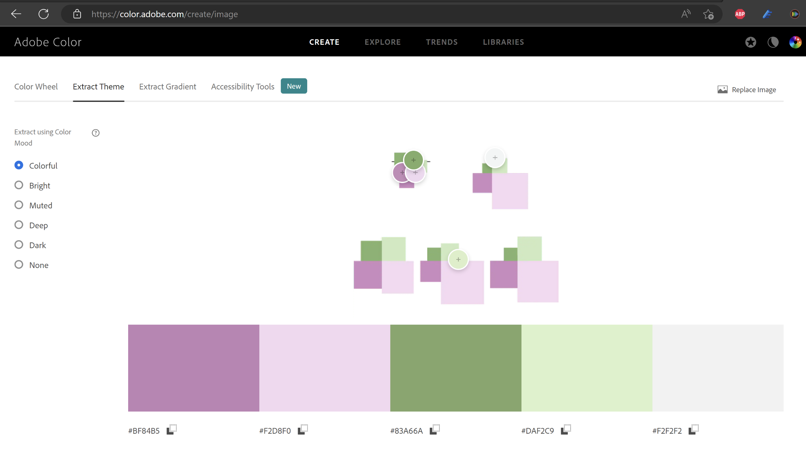

Colors:
#BF84B5

#F2D8F0

#83A66A

#DAF2C9

#F2F2F2

example
Steps:
dynamic arrays
5
1
the data
4
"backbone formula"
3
 |  |  |  |  | max selected
 |  |  |  |  | 5

 | Minority Women | White Women | Minority Men | White Men | Minority Women | White Women | Minority Men | White Men
1993 Clinton 372 | 21 | 85 | 69 | 197 | #N/A | #N/A | #N/A | #N/A
2001 Bush 324 | 21 | 50 | 37 | 216 | #N/A | #N/A | #N/A | #N/A
2009 Obama 324 | 48 | 88 | 68 | 120 | #N/A | #N/A | #N/A | #N/A
2017 Trump 229 | 11 | 44 | 26 | 148 | #N/A | #N/A | #N/A | #N/A
2021 - to date Biden 97 | 47 | 26 | 19 | 5 | 47 | 26 | 19 | 5
From | president | diversity | genre | judges | president | president | from | axis | Minority Women | White Women | Minority Men | White Men | Minority Women | White Women | Minority Men | White Men
1993 | 1. Clinton | Minority | Women | 21 | 1. Clinton | 1. Clinton | 1993 | 1993 Clinton 372 | 21 | 85 | 69 | 197 | #N/A | #N/A | #N/A | #N/A
1993 | 1. Clinton | White | Women | 85 | 2. Bush | 2. Bush | 2001 | 2001 Bush 324 | 21 | 50 | 37 | 216 | #N/A | #N/A | #N/A | #N/A
1993 | 1. Clinton | Minority | Men | 69 | 3. Obama | 3. Obama | 2009 | 2009 Obama 324 | 48 | 88 | 68 | 120 | #N/A | #N/A | #N/A | #N/A
1993 | 1. Clinton | White | Men | 197 | 4. Trump | 4. Trump | 2017 | 2017 Trump 229 | 11 | 44 | 26 | 148 | #N/A | #N/A | #N/A | #N/A
2001 | 2. Bush | Minority | Women | 21 | 5. Biden | 5. Biden | 2021 - to date | 2021 - to date Biden 97 | 47 | 26 | 19 | 5 | 47 | 26 | 19 | 5
2001 | 2. Bush | White | Women | 50
2
2001 | 2. Bush | Minority | Men | 37
2001 | 2. Bush | White | Men | 216
2009 | 3. Obama | Minority | Women | 48
2009 | 3. Obama | White | Women | 88
2009 | 3. Obama | Minority | Men | 68
2009 | 3. Obama | White | Men | 120
2017 | 4. Trump | Minority | Women | 11
2017 | 4. Trump | White | Women | 44
2017 | 4. Trump | Minority | Men | 26
6
2017 | 4. Trump | White | Men | 148
2021 - to date | 5. Biden | Minority | Women | 47
2021 - to date | 5. Biden | White | Women | 26
2021 - to date | 5. Biden | Minority | Men | 19
2021 - to date | 5. Biden | White | Men | 5

Year:
President:
Total judges:

Only shows individual judges. The Senate has confirmed 100 judgeships for 97 individuals judges.

author


form follows function.

LinkedIn:
carlos barboza | LinkedIn

