Sheet1
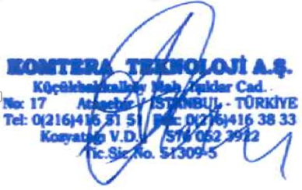
PO Order | Komtera
Promo Code
Contact Name | Ms. Ayse Aydin
Company | Komtera Teknoloji A.S.
Address | Kucukbakkalkoy Mah. Isiklar Cad. No.17 Atasehir
City/State/Zip | Istanbul 34758
Country | Turkey
Telephone # | +902164165151
Fax # | +902164163833
Email | order@komtera.com
Mobile | +905330441513
Company | Sophos Ltd.
Warehouse Address | The Pentagon, Abingdon Science Park, Abingdon, Oxfordshire OX14 3YP, UK
Registered Number | 2096520
City/State/Zip
Country | UK
Telephone #
Fax #
Email | International.Orders@Sophos.com

End User Information
End User Company Name
End User Address: Street 1
End User Address: Street 2
End User Address: Street 3
End User Address: City
End User Address: State
End User Address: Country
End User Address: Zip/Postal Code
End User Contact Name
End User Contact Email Address
End User Contact Phone Number

Reseller Information
Reseller Company Name
Reseller Address: Street 1
Reseller Address: Street 2
Reseller Address: Street 3
Reseller Address: City
Reseller Address: State
Reseller Address: Country
Reseller Address: Zip/Postal Code
Resellerr Contact Name
Reseller Contact Email Address
Reseller Contact Phone Number
Remarks (If any) :

