Лист1
Bug reports
ID | 1
Project | "Telegram"
Issue Type | Bug
Summary | Unable to make a video call.
Description | STR: 1. Launch application Telegram; 2. Find the contact in the contact list using the "search" function; 3. Click on the contact icon; 4. In the dialog box, click on the "Kebab Menu" icon in the right corner; 5. Select a video call from the list. Actual result: Crash message is shown after trying to make a video call. Expected result: Opportunity to make video call.
Reporter | Oleksii Pereverziev
Severity | Critical
Environment | Android 11, Xiaomi Mi 10 lite, MIUI 12.1.3
Attachments | 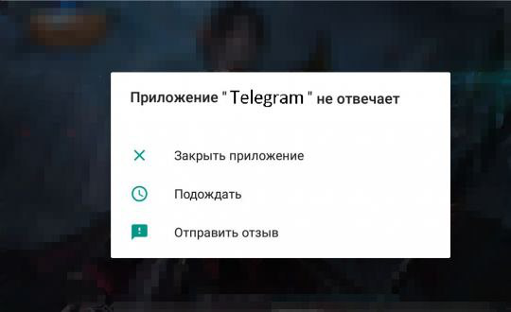

ID | 2
Project | "Telegram"
Issue Type | Bug
Summary | Unable to end an active session.
Description | STR: 1.Launch application Telegram; 2.In the dialog box, click on the "Hamburger Menu" icon in the left corner; 3.Select a settings from the list; 4.In the settings tab, select the Privacy and security section; 5.In the Privacy and Security tab, select Active Sessions in the Security section; 6.Click on the button "End active sessions". Actual result: Error message is shown after trying to end session. Expected result: End active session.
Reporter | Oleksii Pereverziev
Severity | Critical
Environment | Android 10, Xiaomi Mi 10 lite, MIUI 12.1.3
Attachments | 