Sheet1
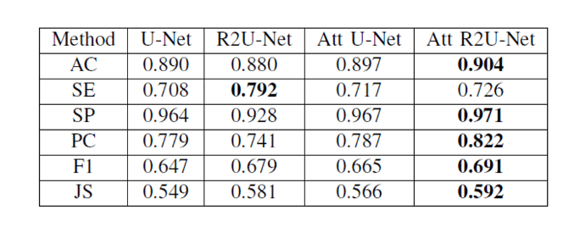
model_type | acc | SE | SP | PC | F1 | JS | DC
U_Net | 0.87577615119 | 0.7026 | 0.9427 | 0.7653 | 0.6358 | 0.52320442677 | 0.63582642964
R2U_Net | 0.863647521 | 0.4685 | 0.9838 | 0.8185 | 0.514 | 0.407517446 | 0.514034021
AttU_Net | 0.891249843 | 0.6621 | 0.972 | 0.7803 | 0.6335 | 0.523090699 | 0.633486946
R2AttU_Net | 0.85063208421 | 0.8685 | 0.8772 | 0.6525 | 0.6567 | 0.54192659045 | 0.65670410735

