How-To
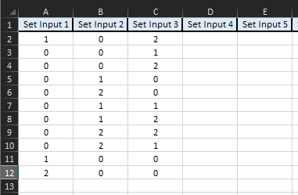
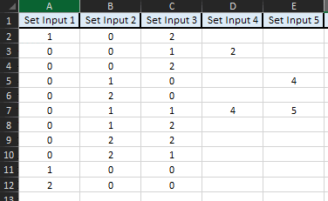
How-To: Key & Rule
 |  | GOOD, VERY GOOD | BAD, VERY BAD
1. | Input your set inputs from left to right. The number of sets MUST be equal across all lines (e.g. if first line = 3 sets, then rest must follow this). Partial rules may be supported later.

2. | For each line of sets, give it an output state (both the sets and output states value range start at 0).

3. | With an appropriate line of set inputs and an output state, a copy pastable column of JSON lines are produced. You can copy this directly into the appropriate JSON section when building the file. Note: Extra formatting is removed when pasted into the JSON file (at least when using at least VS2019)

 |  | Only Copy Lines WITH Keys + Outputs In Them!! | How It Looks In JSON
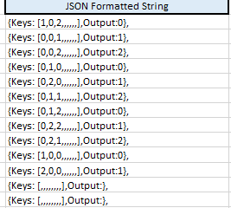
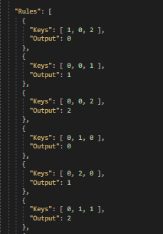

How-To: Sets Builder

MatLab Rule Scrubber
MatLab Rule Scrubber |  | >> | 1 | 1
 |  | >> | 1 | 2
1. | Grab the rules table from the MatLab file (view it in editor, not FuzzyLogicDesigner). Paste this left >>> of this section in to a free column. | >> | 1 | 3
 |  | >> | 2 | 1
 |  | >> | 2 | 2
 |  | >> | 2 | 3
2. | Select the column and navigate to Data>Text To Columns. Use Fixed width so every character/number is seperated. Every character should be given its own column after finalising. | >> | 3 | 1
 |  | >> | 3 | 2
 |  | PASTE | 3 | 3
 |  | HERE
3. | The set inputs are the value BEFORE the comma, the immediate value AFTER the comma is the resulting state/rule outcome. The amount of set columns will vary based on the FL model design. Remaining columns relate to rule weighting (NYI). | >>
 |  | >>
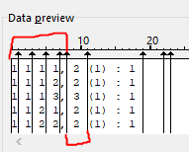
 |  | >>
 |  | >>
 |  | >>
 |  | >>
4. | Take the outputs into "MatLab Rule Converter" for the next step (MatLab value start at 1, we start at 0 for indexes). | >>
 |  | >>
 |  | >>

5. | Can also be used for other resources like permutations.

