Sheet2
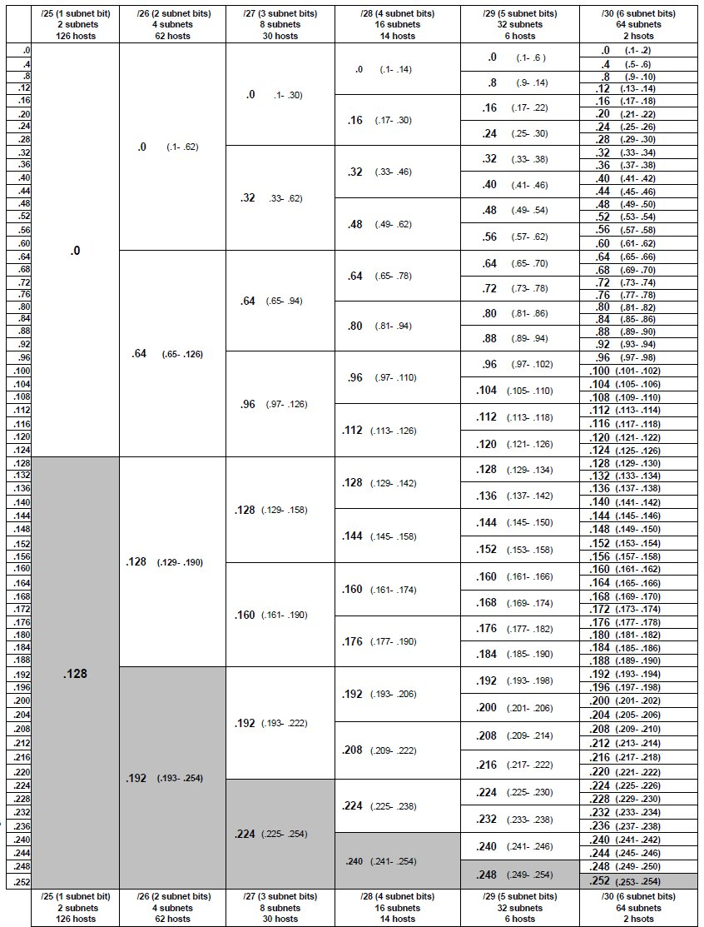
 |  |  |  | Variable Length Subnet Mask Guide |  |  |  |  |  |  |  |  |  |  |  | Subnet Mask | Prefix | Binary | Available Address Per Subnet / Block Size
 |  |  |  |  |  |  |  |  |  |  |  |  |  |  |  | 255.255.255.255 | /32 | 11111111.11111111.11111111.11111111 | 1
 | Calculation Chart |  |  | (2 IPS minused for H1 & BC) |  |  |  |  |  |  |  |  |  |  |  | 255.255.255.240 | /28 | 11111111.11111111.11111111.11110000 | 16
Subnet Mask | Network Bits-1s | Host Bits-0s | Subnets | Total Hosts/IP's | Subnet Chart |  |  |  |  |  |  |  |  |  |  | 255.255.255.224 | /27 | 11111111.11111111.11111111.11100000 | 32
255.0.0.0 | 8 | 24 | 1 | 16,777,214 | Mask | 128 | 192 | 224 | 240 | 248 | 252 | 254 | 255 |  |  | 255.255.255.192 | /26 | 11111111.11111111.11111111.11000000 | 64
255.128.0.0 | 9 | 23 | 2 | 8,388,606 | Bits | /25 | /26 | /27 | /28 | /29 | /30 | /31 | /32 |  |  | 255.255.255.128 | /25 | 11111111.11111111.11111111.10000000 | 128
255.192.0.0 | 10 | 22 | 4 | 4,194,302 | Hosts -2 | 128 | 64 | 32 | 16 | 8 | 4 | 2 | 1 |  |  | 255.255.255.0 | /24 | 11111111.11111111.11111111.00000000 | 256
255.224.0.0 | 11 | 21 | 8 | 2,097,150 | Subs | 2 | 4 | 8 | 16 | 32 | 64 | 128 | 256
 |  |  |  |  |  |  |  |  |  |  |  |  |  |  |  | 255.255.254.0 | /23 | 11111111.11111111.11111110.00000000 | 512
255.240.0.0 | 12 | 20 | 16 | 1,048,574 |  |  |  |  |  |  |  |  |  |  |  | 255.255.252.0 | /22 | 11111111.11111111.11111100.00000000 | 1024
255.248.0.0 | 13 | 19 | 32 | 524,286 |  |  |  |  |  |  |  |  |  |  |  | 255.255.248.0 | /21 | 11111111.11111111.11111000.00000000 | 2048
255.252.0.0 | 14 | 18 | 64 | 262,142 | * -EXAMPLE 1 = 172.16.128.0/24 - Need x3 Subnets (Octet /4th Only) |  |  |  |  |  |  |  |  |  |  | 255.255.240.0 | /20 | 11111111.11111111.11110000.00000000 | 4096
255.254.0.0 | 15 | 17 | 128 | 131,070 | # | Network |  |  |  | 1st Host | Last Host | Broadcast |  | Host Needed | Final Subnet # | 255.255.224.0 | /19 | 11111111.11111111.11100000.00000000 | 8192
255.255.0.0 | 16 | 16 | 256 | 65,534 | N1 | 172.16.128.0 |  |  |  | 172.16.128.1 | 172.16.128.126 | 172.16.128.127 | /25 | 75 | 172.16.128.0/25 | 255.255.192.0 | /18 | 11111111.11111111.11000000.00000000 | 16384
255.255.128.0 | 17 | 15 | 512 | 32,766 | N2 | 172.16.128.128 |  |  |  | 172.16.128.129 | 172.16.128.190 | 172.16.128.191 | /26 | 50 | 172.16.128.128/26 | 255.255.128.0 | /17 | 11111111.11111111.10000000.00000000 | 32768
255.255.192.0 | 18 | 14 | 1,024 | 16,382 | N3 | 172.16.128.192 |  |  |  | 172.16.128.193 | 172.16.128.194 | 172.16.128.195 | /30 | 2 | 172.16.128.192/30 | 255.255.0.0 | /16 | 11111111.11111111.00000000.00000000 | 65536
255.255.224.0 | 19 | 13 | 2,048 | 8,190 | OPEN | 172.16.128.196 |  |  |  | 172.16.128.197 | 172.16.128.254 | 172.16.128.255 | <-- Host Ranges Available After
255.255.240.0 | 20 | 12 | 4,096 | 4,094 |  | 172.16.128.256 |  |  |  |  |  |  |  |  |  | 255.254.0.0 | /15 | 11111111.11111110.00000000.00000000 | 131072
255.255.248.0 | 21 | 11 | 8,192 | 2,046 |  |  |  |  |  |  |  |  |  |  |  | 255.252.0.0 | /14 | 11111111.11111100.00000000.00000000 | 262144
255.255.252.0 | 22 | 10 | 16,384 | 1,022 | * -EXAMPLE 2 = 172.16.128.0/17 Need x9 Subnets (2 Octets / 3rd & 4th) |  |  |  |  |  |  |  |  |  |  | 255.248.0.0 | /13 | 11111111.11111000.00000000.00000000 | 524288
255.255.254.0 | 23 | 9 | 32,768 | 510 | # | Network |  |  |  | 1st Host | Last Host | Broadcast |  | Host Needed | Final Subnet # | 255.240.0.0 | /12 | 11111111.11110000.00000000.00000000 | 1048576
255.255.255.0 | 24 | 8 | 65,536 | 254 | N1 | 172.16.128.0 |  |  |  | 172.16.128.1 | 172.16.191.254 | 172.16.191.255 | /18 | 16,000 | 172.16.128.0/18 | 255.224.0.0 | /11 | 11111111.11100000.00000000.00000000 | 2097152
255.255.255.128 | 25 | 7 | 131,072 | 126 | N2 | 172.16.192.0 |  |  |  | 172.16.192.1 | 172.16.223.254 | 172.16.223.255 | /19 | 8,000 | 172.16.192.0/19 | 255.192.0.0 | /10 | 11111111.11000000.00000000.00000000 | 4194304
255.255.255.192 | 26 | 6 | 262,144 | 62 | N3 | 172.16.224.0 |  |  |  | 172.16.224.1 | 172.16.239.254 | 172.16.239.255 | /20 | 4,000 | 172.16.224.0/20 | 255.128.0.0 | /9 | 11111111.10000000.00000000.00000000 | 8388608
255.255.255.224 | 27 | 5 | 524,288 | 30 | N4 | 172.16.240.0 |  |  |  | 172.16.240.1 | 172.16.247.254 | 172.16.247.255 | /21 | 2,000 | 172.16.240.0/21 | 255.0.0.0 | /8 | 11111111.00000000.00000000.00000000 | 16777216
255.255.255.240 | 28 | 4 | 1,048,576 | 14 | N5 | 172.16.248.0 |  |  |  | 172.16.248.1 | 172.16.251.254 | 172.16.251.255 | /22 | 1,000 | 172.16.248.0/22
255.255.255.248 | 29 | 3 | 2,097,152 | 6 | N6 | 172.16.252.0 |  |  |  | 172.16.252.1 | 172.16.253.254 | 172.16.253.255 | /23 | 500 | 172.16.252.0/23 | 254.0.0.0 | /7 | 11111110.00000000.00000000.00000000 | 33554432
255.255.255.252 | 30 | 2 | 4,194,304 | 2 | N7 | 172.16.254.0 |  |  |  | 172.16.254.1 | 172.16.254.2 | 172.16.254.3 | /30 | 2 | 172.16.254.0/30 | 252.0.0.0 | /6 | 11111100.00000000.00000000.00000000 | 67108864
 |  |  |  |  | N8 | 172.16.254.4 |  |  |  | 172.16.254.5 | 172.16.254.6 | 172.16.254.7 | /30 | 2 | 172.16.254.4/30 | 248.0.0.0 | /5 | 11111000.00000000.00000000.00000000 | 134217728
255.255.255.254 | 31 | 1 | 8,388,608 | 0 | N9 | 172.16.254.8 |  |  |  | 172.16.254.9 | 172.16.254.10 | 172.16.254.11 | /30 | 2 | 172.16.254.8/30 | 240.0.0.0 | /4 | 11110000.00000000.00000000.00000000 | 268435456
255.255.255.255 | 32 | 0 | 16,777,216 | 1 | OPEN | 172.16.254.12 |  |  |  | 172.16.254.12 | 172.16.193.254 | 172.16.193.255 | <-- Host Ranges Available After |  |  | 224.0.0.0 | /3 | 11100000.00000000.00000000.00000000 | 536870912
 |  |  |  |  |  | 172.16.192.0 |  |  |  |  |  |  |  |  |  | 192.0.0.0 | /2 | 11000000.00000000.00000000.00000000 | 1073741824
 |  |  |  |  |  |  |  |  |  |  |  |  |  |  |  | 128.0.0.0 | /1 | 10000000.00000000.00000000.00000000 | 2147483648
 |  |  |  |  |  |  |  |  |  |  |  |  |  |  |  | 0.0.0.0 | /0 | 00000000.00000000.00000000.00000000 | 4294967296

