Results
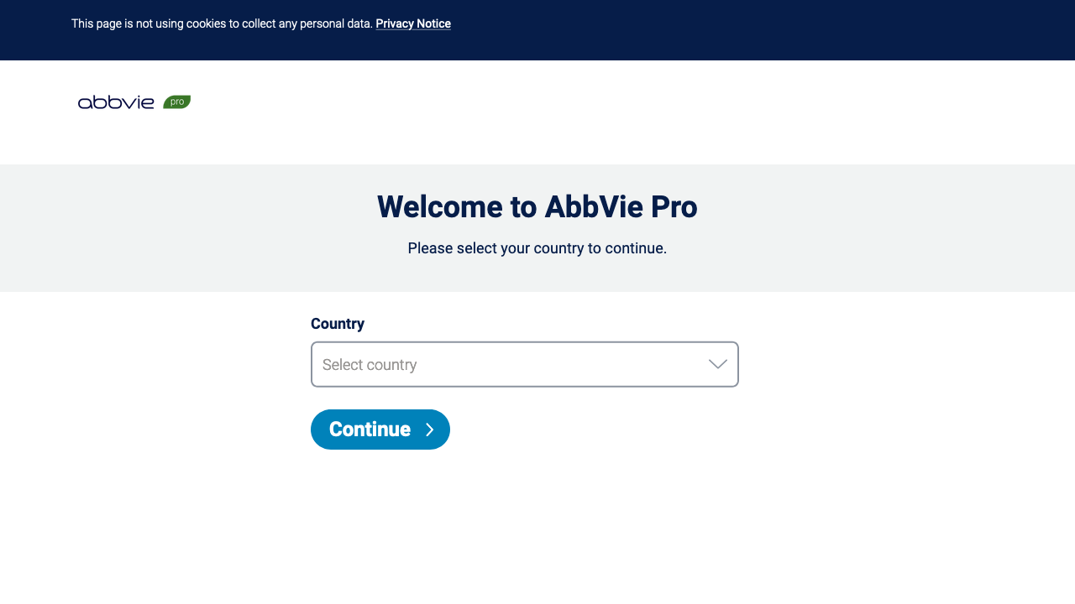
URL | Status | Screenshot
https://www.abbviepro.com/ | Pass
https://www.abbviepro.ca | Fail
https://www.abbviepro.at | Fail
https://training.abbviepro.com/ | Fail
https://medical.abbviepro.com/ | Fail
https://www.abbviescience.com | Fail
https://www.everestra.ie | Fail
https://www.everestitaly.it | Fail
https://ami.abbviepro.com/ | Fail
https://www.abbvieinstitute.ca | Fail

