Cover
E-DAB 09
Data Analysis & Business Intelligence Made Easy
with Excel Power Tools

Power BI Desktop


Data Modeling
Interactive Visualizations

Excel Data Analysis Basics |  |  | 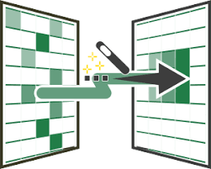

 | E-DAB 09: Power BI Desktop, Data Analysis & BI Basics: Data Modeling & Interactive Visualizations
 | 97

 | E-DAB 08: Excel Data Analysis & BI Basics: Import SQL Big Data into Power Pivot & Build DAX Formulas

 | 100

 | E-DAB 07: Excel Data Analysis & BI Basics: Data Modeling: Excel Formulas, Power Query, Power Pivot?

 | 99

 | E-DAB 08: Excel Data Analysis & BI Basics: Power Pivot: Big Data, Data Modeling, DAX & Dashboard
 | 96

 |  | bm

Overview
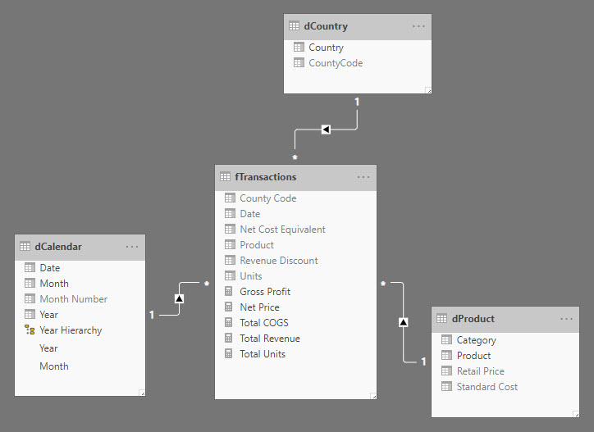
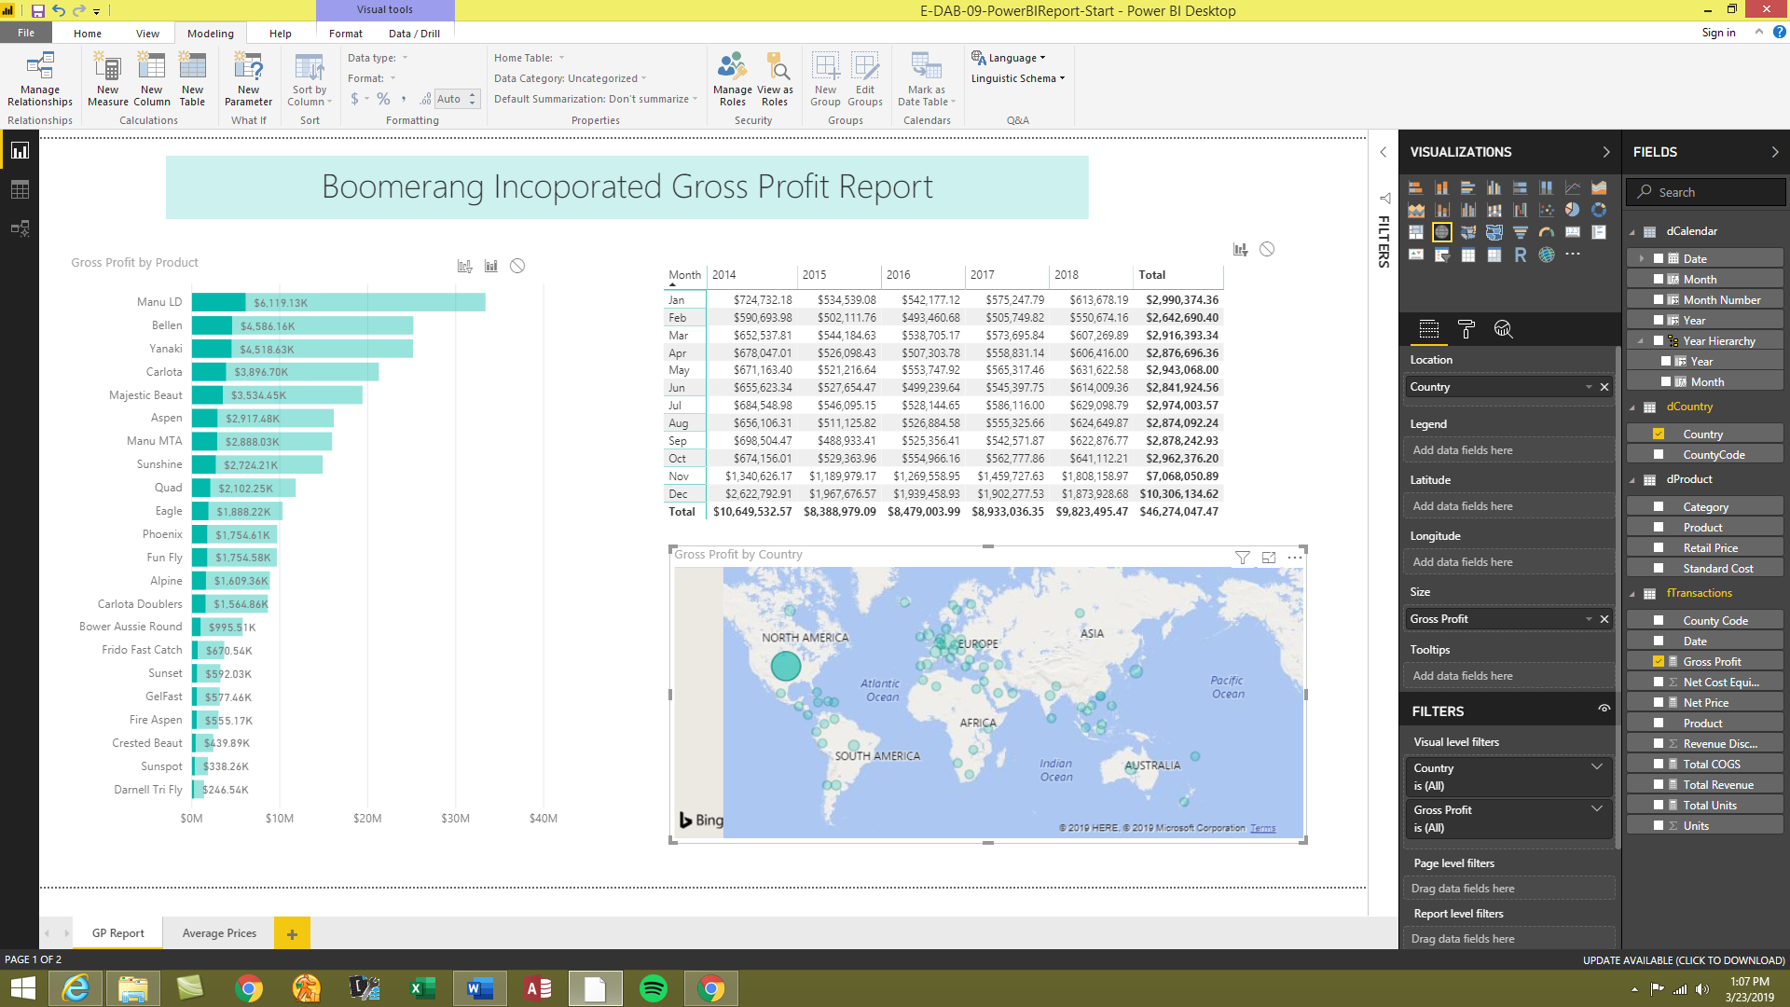
1) Download Power BI Desktop (free) | 2) Get Data From Excel Files | 2) Power Query in Power BI Desktop | 3) Data Modeling | 4) Build Visualizations

